Disclaimer
The Clean Energy Regulator consents to the data in this workbook, that is generated from its sources, being used if it is attributed appropriately as a source of that data. Attribution cannot be done in any way that suggests that the Clean Energy Regulator endorses you or your use of the data.
Clean Energy Regulator material (including but not limited to data and images) is used 'as supplied' provided it has not been modified or transformed in any way. This should be referenced as follows, Source: Clean Energy Regulator.
Clean Energy Regulator material that has been modified or transformed is considered derivative (this includes changing graphing or tabular data, calculating percentage changes or deriving new statistics). This should be referenced as follows, Based on Clean Energy Regulator data.

Figure 1.1
Back to contents
Figure 1.1 Estimated Australian carbon credit unit (ACCU) issuances (in millions) in 2025
Data as at 30/09/2025
Category | ACCUs from projects that have previously reported | ACCUs from projects reporting for the first time | Total | ACCUs from applications on hand
2025 expected ACCU issuance (top of range) | 18.7 | 5.3 | 24.0 | -
2025 expected ACCU issuance (bottom of range) | 17.7 | 1.3 | 19.0 | -
2025 Q1-Q3 issuances (plus ACCUs from applications on hand) | 13.6 | 1.4 | 15.0 | 7.3

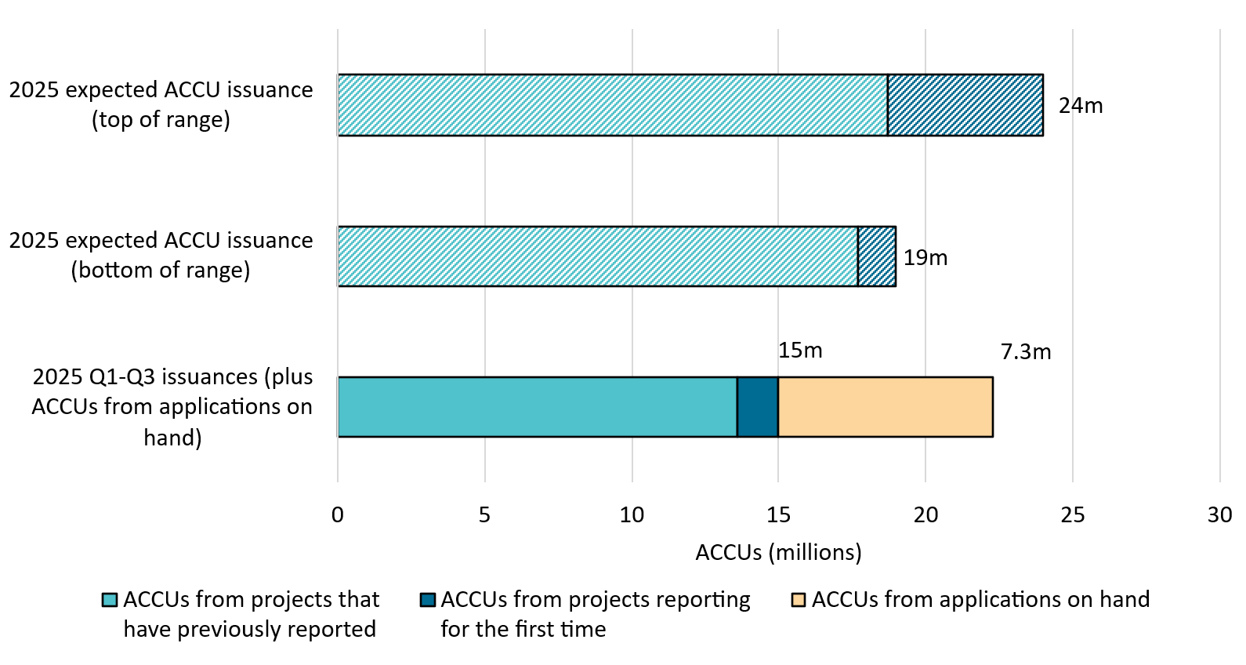

About Figure 1.1
This figure shows ACCUs issued in Q1-Q3 2025 and the remainder of the 2025 estimate by category and in total. This figure also shows ACCUs on hand from claims being assessed by the Clean Energy Regulator as at 30 September 2025.
The small print
Totals may not sum due to rounding. Category details:
A) ACCUs from projects that have previously reported This is an estimate based on factors such as the typical timing and volume of ACCUs per claim. This category factors in ACCUs from applications on hand at the start of the year.
B) ACCUs from projects reporting for the first time This is an estimate based on factors such as the typical timing and volume of first issuances. This category is the main driver of uncertainty for the 2025 estimate.
C) ACCUs from applications on hand (30 September 2025) Some of these ACCUs may not be issued this calendar year depending on assessment outcomes.

Figure 1.2
Back to contents
Figure 1.2 Australian carbon credit units (ACCUs) issued by method type
Data as at 30/09/2025
Year | Quarter | Vegetation | Waste | Savanna fire management | Energy efficiency | Industrial fugitives | Agriculture | Transport | Facilities | Total | Annual total
2020 | Q1 | 2,409,504 | 936,022 | 185,221 | 15,929 | 0 | 47,789 | 0 | 0 | 3,594,465 | -
2020 | Q2 | 2,662,324 | 606,166 | 982,557 | 186,830 | 302,761 | 33,141 | 12,453 | 0 | 4,786,232 | -
2020 | Q3 | 1,597,098 | 688,192 | 119,158 | 10,787 | 0 | 56,073 | 12,261 | 0 | 2,483,569 | -
2020 | Q4 | 3,010,930 | 1,816,561 | 17,163 | 241,694 | 0 | 102,191 | 0 | 0 | 5,188,539 | 16,052,805
2021 | Q1 | 1,840,204 | 852,778 | 50,477 | 198,504 | 0 | 165,365 | 0 | 0 | 3,107,328 | -
2021 | Q2 | 2,670,300 | 1,568,119 | 970,180 | 74,083 | 274,463 | 110,189 | 19,505 | 0 | 5,686,839 | -
2021 | Q3 | 2,261,226 | 1,907,849 | 599,099 | 16,295 | 0 | 27,980 | 2,324 | 0 | 4,814,773 | -
2021 | Q4 | 2,571,002 | 625,412 | 20,958 | 122,888 | 0 | 91,582 | 0 | 0 | 3,431,842 | 17,040,782
2022 | Q1 | 2,099,793 | 880,188 | 17,753 | 180,107 | 0 | 160,812 | 0 | 0 | 3,338,653 | -
2022 | Q2 | 2,631,819 | 676,403 | 1,130,902 | 178,081 | 240,758 | 30,401 | 34,895 | 0 | 4,923,259 | -
2022 | Q3 | 2,129,636 | 3,316,622 | 123,304 | 35,791 | 0 | 73,592 | 0 | 0 | 5,678,945 | -
2022 | Q4 | 2,949,405 | 646,281 | 44,335 | 136,533 | 0 | 10,134 | 10,514 | 0 | 3,797,202 | 17,738,059
2023 | Q1 | 1,029,657 | 394,145 | 104,511 | 13,695 | 0 | 290,414 | 0 | 0 | 1,832,422 | -
2023 | Q2 | 1,994,187 | 1,408,753 | 412,693 | 324,783 | 75,246 | 161,796 | 0 | 0 | 4,377,458 | -
2023 | Q3 | 3,336,827 | 1,948,240 | 847,373 | 97,945 | 580,200 | 152,197 | 35,230 | 0 | 6,998,012 | -
2023 | Q4 | 2,544,815 | 1,018,877 | 389,497 | 35,305 | 0 | 24,722 | 0 | 0 | 4,013,216 | 17,221,108
2024 | Q1 | 2,001,363 | 1,528,900 | 146,698 | 20,320 | 68,162 | 27,174 | 0 | 0 | 3,792,617 | -
2024 | Q2 | 1,761,956 | 1,512,917 | 425,885 | 141,288 | 0 | 25,828 | 0 | 0 | 3,867,874 | -
2024 | Q3 | 2,323,958 | 1,018,192 | 932,530 | 0 | 447,907 | 123,736 | 0 | 104,424 | 4,950,747 | -
2024 | Q4 | 3,230,424 | 1,980,767 | 62,316 | 138,795 | 193,328 | 76,137 | 0 | 491,753 | 6,173,520 | 18,784,758
2025 | Q1 | 2,405,598 | 415,174 | 58,403 | 0 | 0 | 145,619 | 18,975 | 0 | 3,043,769 | -
2025 | Q2 | 3,268,879 | 2,630,726 | 500,226 | 30,180 | 0 | 23,202 | 0 | 0 | 6,453,213 | -
2025 | Q3 | 3,047,163 | 1,231,404 | 956,376 | 0 | 157,798 | 70,076 | 0 | 0 | 5,462,817 | 14,959,799

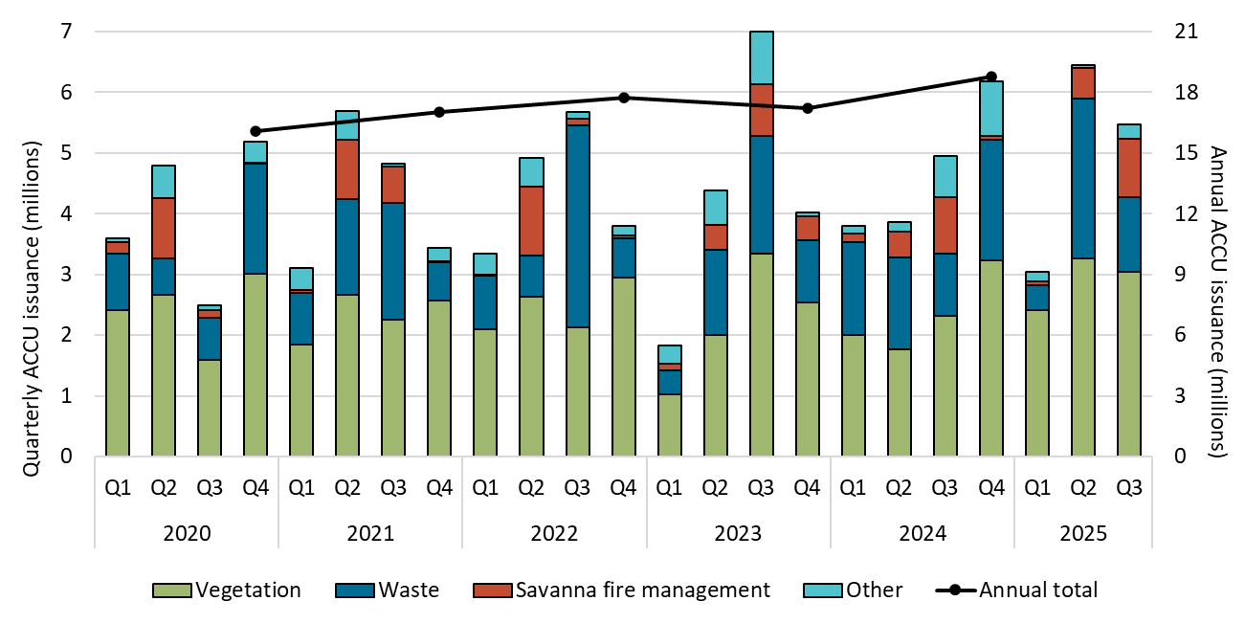

About Figure 1.2
This figure shows ACCUs issued by method type by quarter and the annual total over time.

The small print
ACCU issuance follows a seasonal pattern for certain method types, including industrial fugitives and savanna fire management. Other includes energy efficiency, industrial fugitives, agriculture, transport and facilities method types.

Figure 1.3
Back to contents
Figure 1.3 Registered Australian carbon credit unit (ACCU) Scheme projects by method type
Data as at 30/09/2025
Year | Quarter | Vegetation | Agriculture - soil carbon | Waste | Energy efficiency | Agriculture - other | Savanna fire management | Transport | Industrial fugitives | Facilities | Carbon capture | Total | Annual total
2020 | Q1 | 9 | 3 | 2 | 1 | 0 | 0 | 0 | 0 | 0 | 0 | 15 | -
2020 | Q2 | 8 | 3 | 4 | 2 | 0 | 1 | 0 | 0 | 0 | 0 | 18 | -
2020 | Q3 | 30 | 10 | 0 | 0 | 0 | 0 | 0 | 0 | 0 | 0 | 40 | -
2020 | Q4 | 16 | 39 | 1 | 2 | 0 | 2 | 0 | 0 | 0 | 0 | 60 | 133
2021 | Q1 | 15 | 21 | 0 | 0 | 2 | 0 | 0 | 0 | 1 | 0 | 39 | -
2021 | Q2 | 11 | 19 | 5 | 4 | 0 | 0 | 1 | 0 | 0 | 0 | 40 | -
2021 | Q3 | 18 | 29 | 2 | 3 | 0 | 1 | 0 | 0 | 0 | 0 | 53 | -
2021 | Q4 | 10 | 30 | 2 | 2 | 1 | 1 | 0 | 4 | 0 | 1 | 51 | 183
2022 | Q1 | 41 | 62 | 3 | 5 | 5 | 0 | 1 | 1 | 0 | 0 | 118 | -
2022 | Q2 | 25 | 65 | 9 | 1 | 3 | 0 | 0 | 0 | 0 | 0 | 103 | -
2022 | Q3 | 19 | 36 | 6 | 4 | 2 | 0 | 3 | 0 | 0 | 0 | 70 | -
2022 | Q4 | 24 | 47 | 6 | 1 | 3 | 1 | 0 | 0 | 0 | 0 | 82 | 373
2023 | Q1 | 41 | 24 | 2 | 3 | 0 | 0 | 0 | 0 | 0 | 0 | 70 | -
2023 | Q2 | 54 | 19 | 6 | 2 | 0 | 1 | 0 | 1 | 0 | 0 | 83 | -
2023 | Q3 | 102 | 17 | 6 | 0 | 4 | 0 | 1 | 0 | 0 | 0 | 130 | -
2023 | Q4 | 27 | 32 | 3 | 1 | 0 | 2 | 2 | 2 | 0 | 0 | 69 | 352
2024 | Q1 | 47 | 39 | 6 | 0 | 0 | 0 | 0 | 1 | 0 | 0 | 93 | -
2024 | Q2 | 26 | 27 | 6 | 0 | 0 | 0 | 1 | 0 | 0 | 0 | 60 | -
2024 | Q3 | 77 | 93 | 9 | 0 | 1 | 0 | 0 | 0 | 0 | 0 | 180 | -
2024 | Q4 | 20 | 55 | 5 | 0 | 2 | 6 | 0 | 2 | 0 | 0 | 90 | 423
2025 | Q1 | 22 | 41 | 15 | 0 | 1 | 0 | 2 | 9 | 0 | 0 | 90 | -
2025 | Q2 | 36 | 57 | 4 | 2 | 0 | 0 | 0 | 0 | 0 | 0 | 99 | -
2025 | Q3 | 60 | 86 | 0 | 0 | 4 | 0 | 0 | 0 | 0 | 0 | 150 | 339

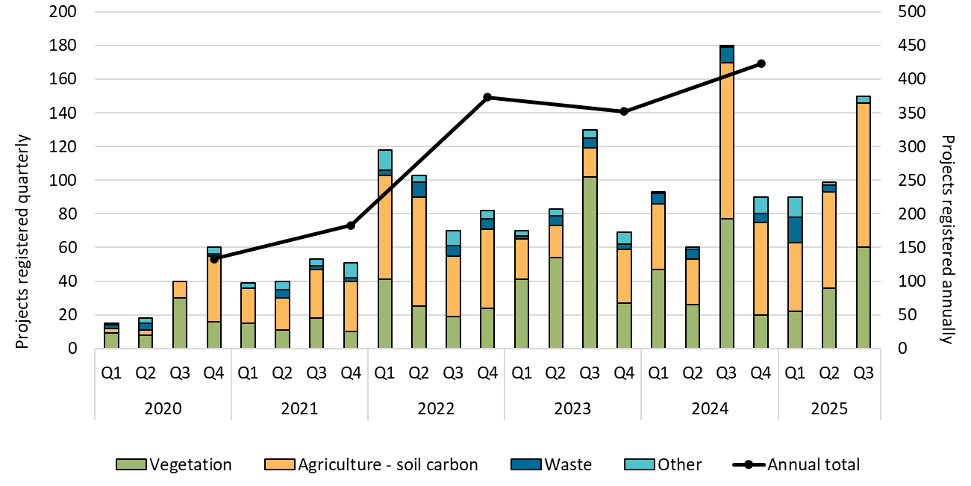

About Figure 1.3
This figure shows registered projects under the ACCU Scheme by method type by quarter and the annual total over time.

The small print
The 'agriculture' method type has been segregated into 'agriculture - soil carbon' and 'agriculture - other' to highlight growth in the soil carbon sector. The 'agriculture - soil carbon' method includes the ‘measurement of soil carbon sequestration in agricultural systems' method, the ‘sequestering carbon in soils in grazing systems’ method and the 'estimation of soil carbon sequestration using measurement and models' method. Other includes energy efficiency, agriculture - other, savanna fire management, transport, industrial fugitives, facilities and carbon capture method types. Revoked projects are excluded.
For more detail on registered projects, refer to the project register on our website (https://cer.gov.au/markets/reports-and-data/accu-project-and-contract-register).

Figure 1.4
Back to contents
Figure 1.4 Australian carbon credit unit (ACCU) holdings (in millions) by market participation
Data as at 30/09/2025
Year | Quarter | Project proponent | Intermediary | Safeguard | Safeguard related | Government | Business | Total holdings | Cost containment measure
2020 | Q1 | 2.7 | 0.5 | 2.5 | 0.0 | 0.5 | 0.0 | 6.3 | -
2020 | Q2 | 3.5 | 0.5 | 2.9 | 0.0 | 0.5 | 0.0 | 7.5 | -
2020 | Q3 | 2.3 | 0.7 | 2.9 | 0.0 | 0.5 | 0.0 | 6.4 | -
2020 | Q4 | 3.5 | 0.6 | 3.2 | 0.1 | 0.5 | 0.0 | 7.9 | -
2021 | Q1 | 3.3 | 0.6 | 3.4 | 0.0 | 0.5 | 0.0 | 7.8 | -
2021 | Q2 | 4.5 | 0.8 | 3.6 | 0.2 | 0.6 | 0.0 | 9.7 | -
2021 | Q3 | 4.5 | 1.5 | 4.1 | 0.1 | 0.6 | 0.0 | 10.9 | -
2021 | Q4 | 4.3 | 2.2 | 4.2 | 0.1 | 0.6 | 0.0 | 11.5 | -
2022 | Q1 | 4.9 | 2.2 | 5.0 | 0.0 | 0.7 | 0.0 | 12.9 | -
2022 | Q2 | 6.3 | 2.7 | 6.2 | 0.0 | 0.8 | 0.1 | 16.1 | -
2022 | Q3 | 7.1 | 4.2 | 7.0 | 0.3 | 0.8 | 0.2 | 19.7 | -
2022 | Q4 | 7.6 | 5.4 | 8.3 | 0.2 | 0.9 | 0.2 | 22.7 | -
2023 | Q1 | 6.8 | 6.1 | 9.6 | 0.2 | 0.9 | 0.2 | 23.8 | 0.2
2023 | Q2 | 7.6 | 7.0 | 11.6 | 0.2 | 1.0 | 0.3 | 27.6 | 0.4
2023 | Q3 | 8.7 | 6.8 | 15.0 | 1.6 | 1.1 | 0.3 | 33.5 | 1.2
2023 | Q4 | 8.8 | 7.5 | 17.5 | 0.8 | 1.3 | 0.3 | 36.2 | 1.7
2024 | Q1 | 9.3 | 7.9 | 18.8 | 0.8 | 1.4 | 0.3 | 38.6 | 1.9
2024 | Q2 | 9.0 | 8.0 | 21.7 | 1.0 | 1.4 | 0.3 | 41.3 | 2.6
2024 | Q3 | 8.1 | 7.5 | 25.9 | 1.5 | 1.6 | 0.4 | 45.0 | 3.6
2024 | Q4 | 8.5 | 10.0 | 28.5 | 0.8 | 1.7 | 0.4 | 49.9 | 3.9
2025 | Q1 | 8.4 | 8.1 | 26.1 | 1.3 | 1.8 | 0.4 | 46.0 | 4.2
2025 | Q2 | 9.2 | 10.2 | 29.2 | 0.6 | 1.8 | 0.6 | 51.7 | 4.3
2025 | Q3 | 9.6 | 10.8 | 33.0 | 0.9 | 1.8 | 0.7 | 56.8 | 4.4
Number of accounts with >0 ACCUs at the end of Q3 2025 |  | 218 | 68 | 93 | 15 | 41 | 49 | - | -

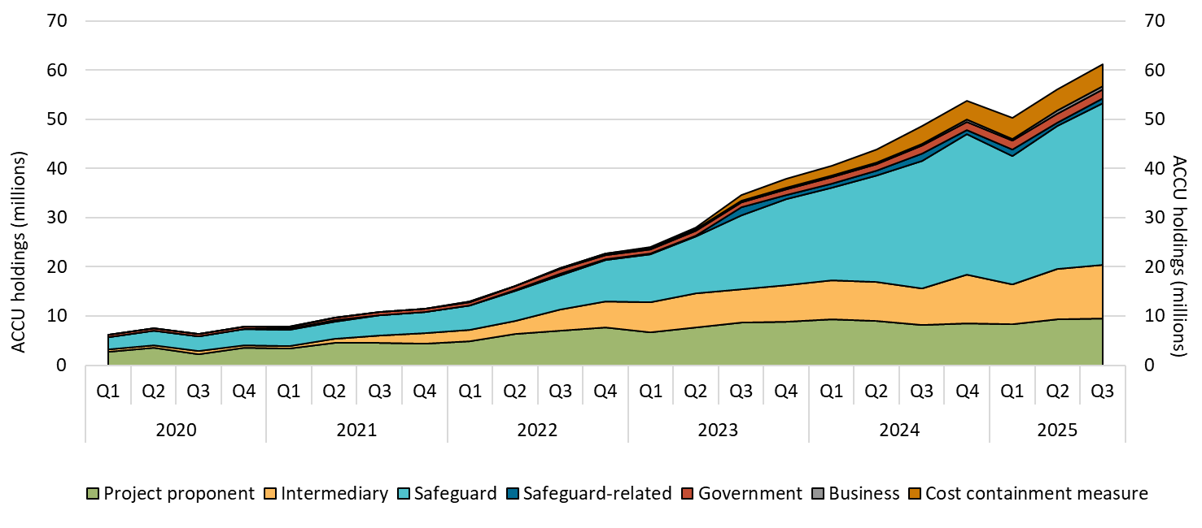

About Figure 1.4
This figure shows ACCU holdings in Australian National Registry of Emissions Units (ANREU) accounts as of 30 September by market participation and the cost containment measure quarterly over time.

The small print
Totals may not sum due to rounding. ACCU holdings data excludes ACCUs held in accounts controlled by the Australian Government for scheme administration purposes. Historical values may change retrospectively due to changes in the classification of ANREU accounts as new information becomes available.

Category definitions
Project proponent An account holder is connected to one or more ACCU Scheme projects. The connection to projects has been determined based on the available project information. Entities may have linkages to projects that have not been disclosed to the Clean Energy Regulator.
Safeguard Account holders are safeguard entities that control a single account, or in cases where safeguard entities control multiple accounts, only those that have surrendered ACCUs for Safeguard compliance purposes or have specified a facility are included. Some safeguard accounts also engage in trading activity, which may result in holding fluctuations in this category.
Safeguard related Account holders are companies, such as subsidiaries, that are related to registered safeguard entities. These accounts do not specify a facility or have not surrendered ACCUs for safeguard compliance purposes. These ACCU holdings may be used for future safeguard compliance purposes.
Intermediary An account holder’s primary operation is to facilitate the trading of ACCUs between the supply and demand sides of the market. This also includes accounts that have accumulated ACCUs through the secondary market without known compliance obligations, offset use, or carbon trading/offset services.
Government Account holders are government entities that are accumulating for voluntary or compliance purposes.
Business Account holders do not have a direct link to ACCU Scheme projects. Account holders include participants that are accumulating for voluntary purposes.
Cost containment measure ACCUs that have been delivered under Commonwealth carbon abatement contract milestones after 12 January 2023. These ACCUs will be available to eligible safeguard entities under the cost containment mechanism.

Figure 1.5
Back to contents
Figure 1.5 Australian carbon credit unit (ACCU) non-safeguard cancellations
Data as at 30/09/2025
Year | Quarter | Voluntary cancellations | Compliance cancellations | Government cancellations | Total | Annual total
2020 | Q1 | 80,712 | 0 | 34,131 | 114,843 | -
2020 | Q2 | 70,048 | 14,343 | 121,628 | 206,019 | -
2020 | Q3 | 183,220 | 0 | 32,800 | 216,020 | -
2020 | Q4 | 158,832 | 65,668 | 79,575 | 304,075 | 840,957
2021 | Q1 | 162,555 | 0 | 11,934 | 174,489 | -
2021 | Q2 | 199,107 | 9,973 | 17,880 | 226,960 | -
2021 | Q3 | 132,698 | 50,446 | 37,214 | 220,358 | -
2021 | Q4 | 313,712 | 3,734 | 10,915 | 328,361 | 950,168
2022 | Q1 | 187,877 | 85,925 | 8,976 | 282,778 | -
2022 | Q2 | 286,903 | 117,670 | 36,804 | 441,377 | -
2022 | Q3 | 186,231 | 288,987 | 1,687 | 476,905 | -
2022 | Q4 | 204,388 | 17,240 | 56,593 | 278,221 | 1,479,281
2023 | Q1 | 200,814 | 0 | 11,128 | 211,942 | -
2023 | Q2 | 328,476 | 0 | 14,488 | 342,964 | -
2023 | Q3 | 288,627 | 55,093 | 43,043 | 386,763 | -
2023 | Q4 | 347,152 | 421,498 | 24,463 | 793,113 | 1,734,782
2024 | Q1 | 193,546 | 90,000 | 5,599 | 289,145 | -
2024 | Q2 | 266,267 | 114,804 | 34,578 | 415,649 | -
2024 | Q3 | 251,453 | 29,000 | 15,248 | 295,701 | -
2024 | Q4 | 311,283 | 0 | 15,589 | 326,872 | 1,327,367
2025 | Q1 | 154,731 | 6,335 | 15,126 | 176,192 | -
2025 | Q2 | 403,148 | 102,063 | 2,246 | 507,457 | -
2025 | Q3 | 157,491 | 100 | 6,468 | 164,059 | 847,708

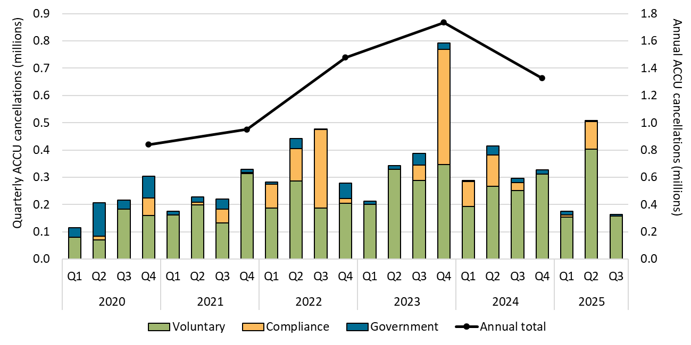

About Figure 1.5
This figure shows ACCU voluntary, compliance, and government cancellations quarterly and the annual total over time.

The small print
ACCU cancellations exclude deliveries against Commonwealth carbon abatement contract milestones, surrenders for safeguard purposes, and transfers to the Commonwealth Regulatory Additionality Holding Account. This classification system is uniform across ACCU and large-scale generation certificate (LGC) cancellations.

Category definitions
Voluntary Cancellations made against voluntary certification programs and any sort of organisational emissions targets.
Compliance Cancellations made by private organisations and corporations for compliance or obligations against municipal, local, state and territory government laws, approvals, or contracts. For example, cancellations to meet Environmental Protection Authority requirements.
Government Cancellations by or on behalf of government entities. For example to offset emissions from vehicle fleets or meet voluntary emissions reduction targets.

Figure 1.6
Back to contents
Figure 1.6 Generic Australian carbon credit unit (ACCU) and Safeguard Mechanism credit unit (SMC) volume weighted average spot price
Data as at 14/11/2025
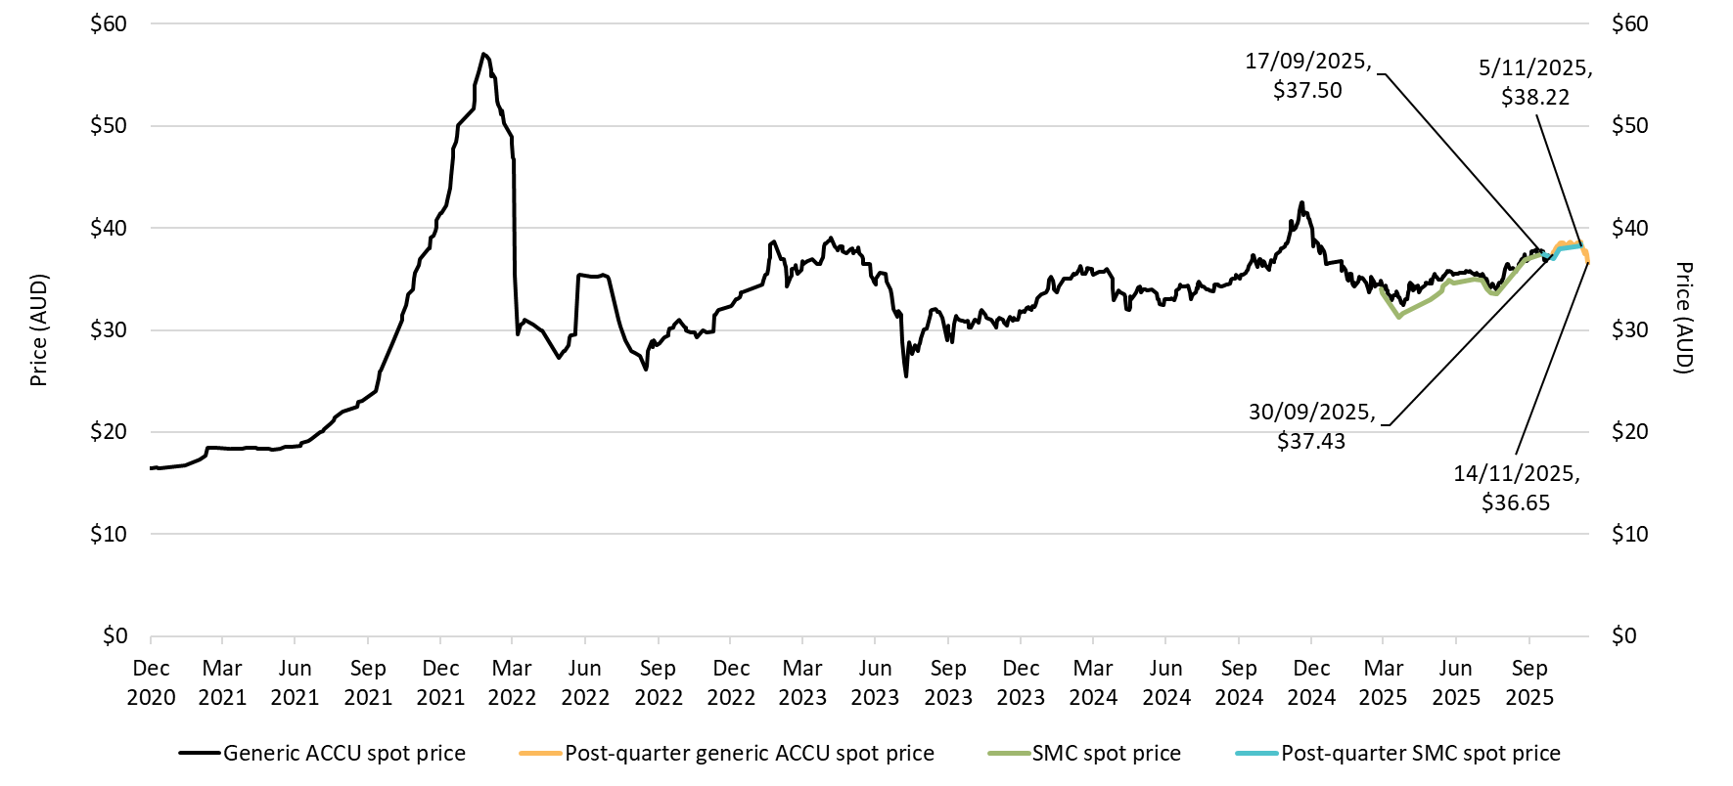

About Figure 1.6
This figure shows the volume weighted average of the generic ACCU and SMC spot prices over time.

The small print
The generic spot price refers to the daily volume weighted average price of spot trades for ACCUs with an unspecified method and SMCs. Spot trade data is compiled from trades reported by Jarden and CORE markets, and may not be comprehensive. Prices are shown from 1 December 2020 to 14 November 2025.

Figure 1.7
Back to contents
Figure 1.7 Safeguard Mechanism credit unit (SMC) holdings (in millions) by market participation
Data as at 30/09/2025
Year | Quarter | Safeguard | Intermediary | Safeguard related | ACCU project proponent | Total holdings
2025 | Q1 | 6.5 | 0.2 | 0.1 | 0.0 | 6.9
2025 | Q2 | 6.6 | 0.2 | 0.1 | 0.0 | 6.9
2025 | Q3 | 6.5 | 0.2 | 0.2 | <0.1 | 6.9
Number of accounts with >0 SMCs at the end of Q3 2025 |  | 57 | 3 | 5 | 1 | 66

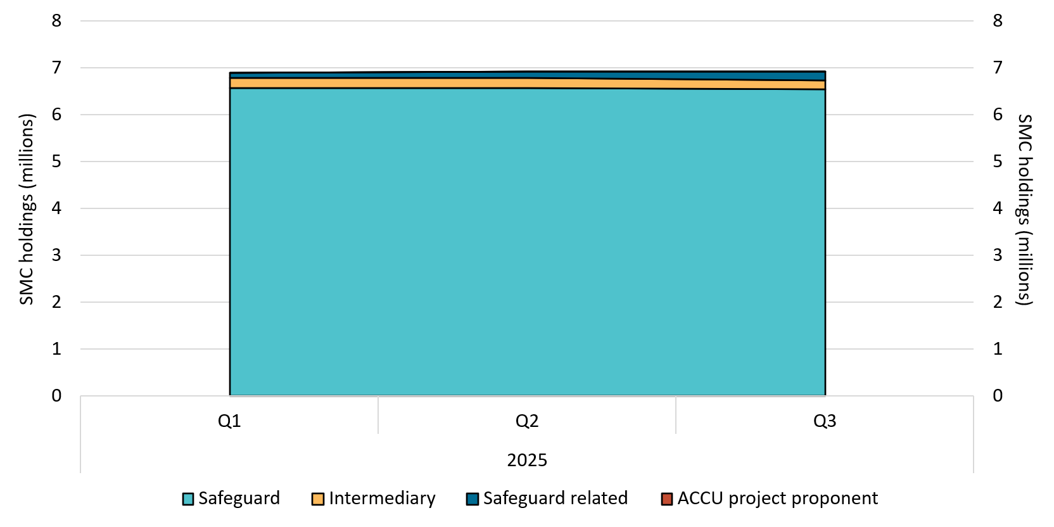

About Figure 1.7
This figure shows SMC holdings in Unit and Certificate Registry (UCR) accounts by market participation quarterly over time.

The small print
Totals may not sum due to rounding. Historical values may change retrospectively. This is due to changes in the classification of UCR accounts as new information becomes available.

Category definitions
Safeguard Account holders are safeguard entities that control a single account, or in cases where safeguard entities control multiple accounts, only those that have surrendered SMCs for Safeguard compliance purposes or have specified a facility are included. Some safeguard accounts also engage in trading activity, which may result in holding fluctuations over time.
Intermediary An account holder’s primary operation is to facilitate the trading of SMCs between the supply and demand sides of the market. This also includes accounts that have accumulated SMCs through the secondary market without known compliance obligations.
Safeguard related Account holders are companies, such as subsidiaries, that are related to registered safeguard entities. These accounts do not specify a facility or have not surrendered SMCs for safeguard compliance purposes. These SMC holdings may be used for future safeguard compliance purposes.
ACCU project proponent An account holder is connected to one or more ACCU Scheme projects. The connection to ACCU Scheme projects has been determined based on the available ACCU Scheme project information. Entities may have linkages to ACCU Scheme projects that have not been disclosed to the Clean Energy Regulator.

Figure 1.8
Back to contents
Figure 1.8 Australian carbon credit unit (ACCU) safeguard surrenders
Data as at 30/09/2025
Year | Quarter | Safeguard surrender | Annual total
2020 | Q1 | 56,994 | -
2020 | Q2 | 0 | -
2020 | Q3 | 0 | -
2020 | Q4 | 0 | 56,994
2021 | Q1 | 88,325 | -
2021 | Q2 | 33,254 | -
2021 | Q3 | 0 | -
2021 | Q4 | 0 | 121,579
2022 | Q1 | 250,809 | -
2022 | Q2 | 37,726 | -
2022 | Q3 | 50,000 | -
2022 | Q4 | 10,000 | 348,535
2023 | Q1 | 202,613 | -
2023 | Q2 | 33,611 | -
2023 | Q3 | 0 | -
2023 | Q4 | 0 | 236,224
2024 | Q1 | 896,225 | -
2024 | Q2 | 0 | -
2024 | Q3 | 6,253 | -
2024 | Q4 | 623,613 | 1,526,091
2025 | Q1 | 6,380,493 | -
2025 | Q2 | 172,900 | -
2025 | Q3 | 211,222 | 6,764,615

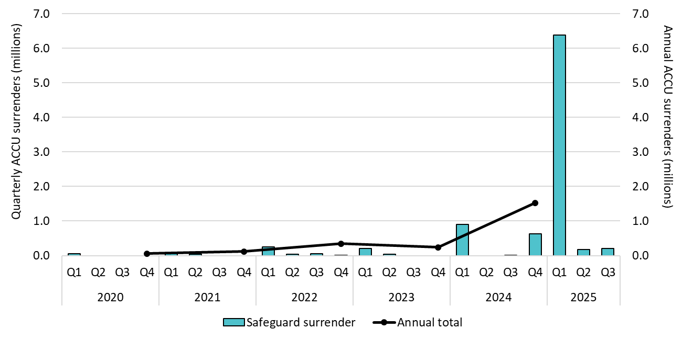

About Figure 1.8
This figure shows ACCU surrenders by safeguard entities by quarter and the annual total over time.

The small print
ACCU surrenders are made by safeguard entities to meet Safeguard Mechanism compliance. For more data on the Safeguard Mechanism, including Safeguard Mechanism credit unit issuance and surrenders, refer to safeguard data on our website (https://cer.gov.au/markets/reports-and-data/safeguard-data).

Figure 2.1
Back to contents
Figure 2.1 Large-scale generation certificates (LGCs) validated by technology type
Data as at 30/09/2025
Year | Quarter | Wind | Solar | Biomass | Hydroelectricity | Waste coal mine gas | Total | Annual total
2019 | Q1 | 4,163,383 | 1,325,825 | 784,269 | 839,688 | 169,615 | 7,282,780 | -
2019 | Q2 | 4,310,490 | 1,070,212 | 478,893 | 57,938 | 284,535 | 6,202,068 | -
2019 | Q3 | 4,608,738 | 1,114,424 | 586,299 | 170,849 | 278,078 | 6,758,388 | 29,616,131
2019 | Q4 | 5,555,545 | 1,818,946 | 1,001,089 | 879,547 | 117,768 | 9,372,895 | -
2020 | Q1 | 4,313,812 | 1,973,944 | 545,611 | 403,025 | 161,286 | 7,397,678 | -
2020 | Q2 | 4,974,714 | 1,526,406 | 327,152 | 57,458 | 82,299 | 6,968,029 | -
2020 | Q3 | 5,023,838 | 1,387,380 | 562,685 | 58,210 | 290,632 | 7,322,745 | 33,152,996
2020 | Q4 | 7,038,530 | 2,447,599 | 1,092,288 | 581,376 | 304,751 | 11,464,544 | -
2021 | Q1 | 5,585,650 | 2,424,743 | 432,716 | 751,496 | 11,028 | 9,205,633 | -
2021 | Q2 | 5,418,883 | 2,128,835 | 344,264 | 60,940 | 0 | 7,952,922 | -
2021 | Q3 | 6,984,780 | 1,716,402 | 394,604 | 112,893 | 0 | 9,208,679 | 38,932,201
2021 | Q4 | 8,235,025 | 3,042,634 | 982,100 | 305,208 | 0 | 12,564,967 | -
2022 | Q1 | 5,281,079 | 3,466,194 | 615,892 | 816,529 | 0 | 10,179,694 | -
2022 | Q2 | 6,356,949 | 2,733,676 | 345,547 | 90,978 | 0 | 9,527,150 | -
2022 | Q3 | 8,076,905 | 2,297,227 | 596,284 | 207,837 | 0 | 11,178,253 | 42,090,710
2022 | Q4 | 6,750,741 | 3,284,968 | 613,178 | 556,726 | 0 | 11,205,613 | -
2023 | Q1 | 6,812,455 | 4,523,784 | 838,244 | 891,226 | 0 | 13,065,709 | -
2023 | Q2 | 7,286,918 | 3,463,788 | 398,580 | 138,585 | 0 | 11,287,871 | -
2023 | Q3 | 8,500,814 | 3,090,340 | 386,810 | 141,337 | 0 | 12,119,301 | 49,602,459
2023 | Q4 | 7,657,674 | 4,422,891 | 780,365 | 268,648 | 0 | 13,129,578 | -
2024 | Q1 | 7,039,551 | 5,106,888 | 660,904 | 1,036,842 | 0 | 13,844,185 | -
2024 | Q2 | 6,692,758 | 4,029,007 | 271,129 | 64,625 | 0 | 11,057,519 | -
2024 | Q3 | 8,538,561 | 3,409,643 | 512,130 | 107,558 | 0 | 12,567,892 | 51,480,183
2024 | Q4 | 8,393,679 | 4,505,033 | 743,249 | 368,626 | 0 | 14,010,587 | -
2025 | Q1 | 7,390,510 | 5,892,300 | 688,430 | 224,749 | 0 | 14,195,989 | -
2025 | Q2 | 7,605,909 | 4,672,630 | 588,450 | 94,038 | 0 | 12,961,027 | -
2025 | Q3 | 10,950,241 | 3,919,057 | 624,678 | 162,912 | 0 | 15,656,888 | 42,813,904

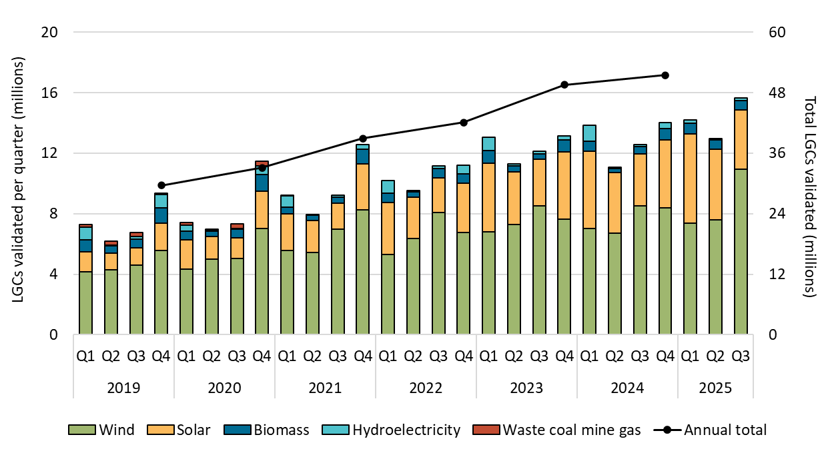

About Figure 2.1
This figure shows the number of LGCs validated by technology type over time.

The small print
Waste coal mine gas is no longer eligible to create LGCs as of 2021. Validations in 2021 reflect LGCs that were created prior to 2021.

Figure 2.2
Back to contents
Figure 2.2 Large-scale generation certificate (LGC) reported spot and forward prices
Data as at 14/11/2025

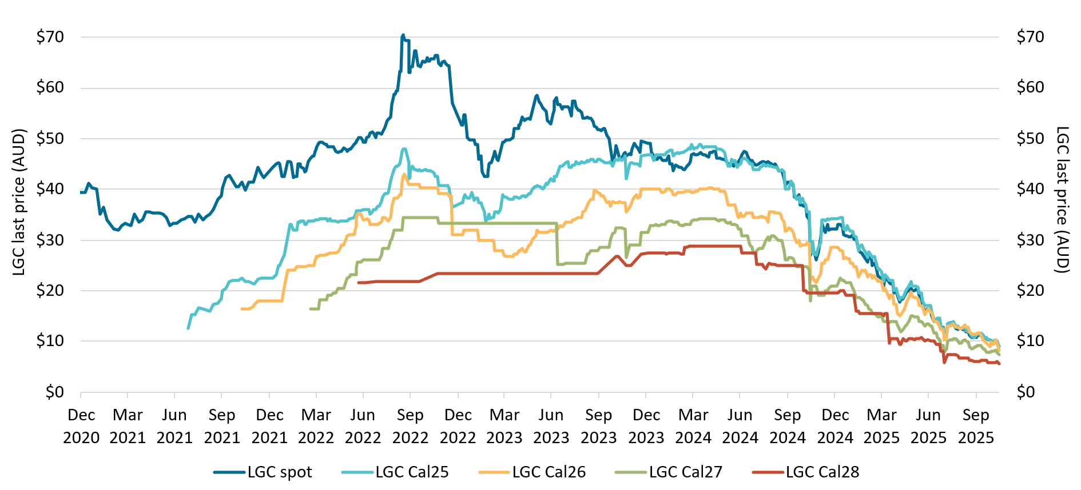

About Figure 2.2
This figure shows the daily closing LGC spot price and calendar year forward prices over time.

The small print
For example, Cal25 is the 2025 calendar year, where an agreement is made to buy/sell LGCs at a specified price in 2025. Pricing data is compiled from trades reported by CORE markets and may not be comprehensive. Prices are shown from 1 December 2020 to 14 November 2025.

Figure 2.3
Back to contents
Figure 2.3 Approved large-scale wind and solar capacity in gigawatts (GW)
Data as at 30/09/2025
Year | Quarter | Wind | Solar | Total | Annual total
2019 | Q1 | 0.23 | 0.42 | 0.66 | -
2019 | Q2 | 0.58 | 0.45 | 1.04 | -
2019 | Q3 | 0.69 | 0.43 | 1.12 | -
2019 | Q4 | 0.06 | 0.96 | 1.03 | 3.84
2020 | Q1 | 0.17 | 0.39 | 0.56 | -
2020 | Q2 | 1.38 | 0.41 | 1.79 | -
2020 | Q3 | 0.22 | 0.16 | 0.38 | -
2020 | Q4 | 0.56 | 0.90 | 1.45 | 4.19
2021 | Q1 | 0.00 | 0.24 | 0.24 | -
2021 | Q2 | 0.19 | 0.13 | 0.32 | -
2021 | Q3 | 0.16 | 0.45 | 0.60 | -
2021 | Q4 | 0.00 | 1.15 | 1.15 | 2.31
2022 | Q1 | 0.22 | 0.08 | 0.29 | -
2022 | Q2 | 0.00 | 0.40 | 0.40 | -
2022 | Q3 | 0.26 | 0.24 | 0.50 | -
2022 | Q4 | 0.59 | 0.68 | 1.27 | 2.46
2023 | Q1 | 0.00 | 0.27 | 0.27 | -
2023 | Q2 | 0.00 | 0.68 | 0.68 | -
2023 | Q3 | 0.58 | 0.03 | 0.61 | -
2023 | Q4 | 0.15 | 0.50 | 0.65 | 2.20
2024 | Q1 | 0.28 | 0.59 | 0.87 | -
2024 | Q2 | 0.32 | 0.20 | 0.52 | -
2024 | Q3 | 0.90 | 0.41 | 1.31 | -
2024 | Q4 | 0.92 | 0.69 | 1.61 | 4.31
2025 | Q1 | 0.20 | 0.10 | 0.30 | -
2025 | Q2 | 0.45 | 1.01 | 1.46 | -
2025 | Q3 | 0.25 | 0.60 | 0.85 | 2.60

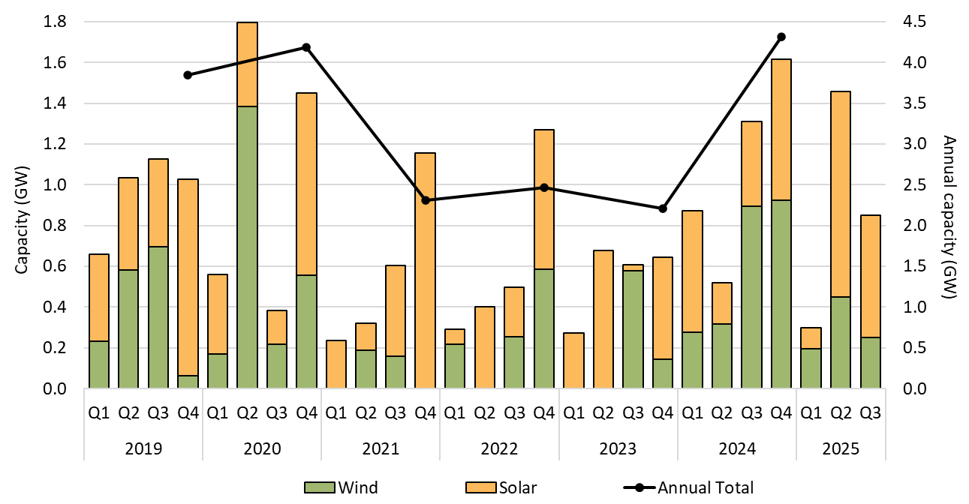

About Figure 2.3
This figure shows the capacity of large-scale wind and solar power stations approved by the Clean Energy Regulator to generate large-scale generation certificates over time.

The small print
Solar and wind hybrid projects are grouped under the wind category. Totals may not sum due to rounding.

Figure 2.4
Back to contents
Figure 2.4 Final investment decision capacity in gigawatts (GW) for large-scale renewable generation
Data as at 30/09/2025
Year | Quarter | Capacity | Four-quarter rolling average | Four-quarter rolling Sum | Annual total capacity
2016 | Q1 | 0.04 | - | - | -
2016 | Q2 | 0.30 | - | - | -
2016 | Q3 | 0.01 | - | - | -
2016 | Q4 | 0.95 | 0.33 | 1.31 | 1.31
2017 | Q1 | 0.85 | 0.53 | 2.12 | -
2017 | Q2 | 0.75 | 0.64 | 2.57 | -
2017 | Q3 | 1.12 | 0.92 | 3.67 | -
2017 | Q4 | 1.30 | 1.00 | 4.02 | 4.02
2018 | Q1 | 1.47 | 1.16 | 4.64 | -
2018 | Q2 | 0.96 | 1.21 | 4.85 | -
2018 | Q3 | 0.61 | 1.09 | 4.34 | -
2018 | Q4 | 1.88 | 1.23 | 4.93 | 4.93
2019 | Q1 | 0.69 | 1.04 | 4.14 | -
2019 | Q2 | 0.68 | 0.96 | 3.86 | -
2019 | Q3 | 0.47 | 0.93 | 3.72 | -
2019 | Q4 | 0.56 | 0.60 | 2.40 | 2.40
2020 | Q1 | 1.23 | 0.73 | 2.94 | -
2020 | Q2 | 0.02 | 0.57 | 2.28 | -
2020 | Q3 | 1.29 | 0.77 | 3.10 | -
2020 | Q4 | 0.78 | 0.83 | 3.32 | 3.32
2021 | Q1 | 0.07 | 0.54 | 2.16 | -
2021 | Q2 | 0.74 | 0.72 | 2.88 | -
2021 | Q3 | 1.18 | 0.69 | 2.77 | -
2021 | Q4 | 1.07 | 0.76 | 3.06 | 3.06
2022 | Q1 | 1.29 | 1.07 | 4.28 | -
2022 | Q2 | 0.39 | 0.98 | 3.93 | -
2022 | Q3 | 0.63 | 0.85 | 3.38 | -
2022 | Q4 | 2.09 | 1.10 | 4.40 | 4.40
2023 | Q1 | 0.48 | 0.90 | 3.60 | -
2023 | Q2 | 0.32 | 0.88 | 3.53 | -
2023 | Q3 | 0.76 | 0.91 | 3.66 | -
2023 | Q4 | 0.73 | 0.57 | 2.29 | 2.29
2024 | Q1 | 0.84 | 0.66 | 2.65 | -
2024 | Q2 | 1.17 | 0.87 | 3.50 | -
2024 | Q3 | 1.15 | 0.97 | 3.89 | -
2024 | Q4 | 1.10 | 1.07 | 4.27 | 4.27
2025 | Q1 | 0.39 | 0.95 | 3.81 | -
2025 | Q2 | 0.57 | 0.80 | 3.21 | -
2025 | Q3 | 0.03 | 0.52 | 2.08 | 0.99

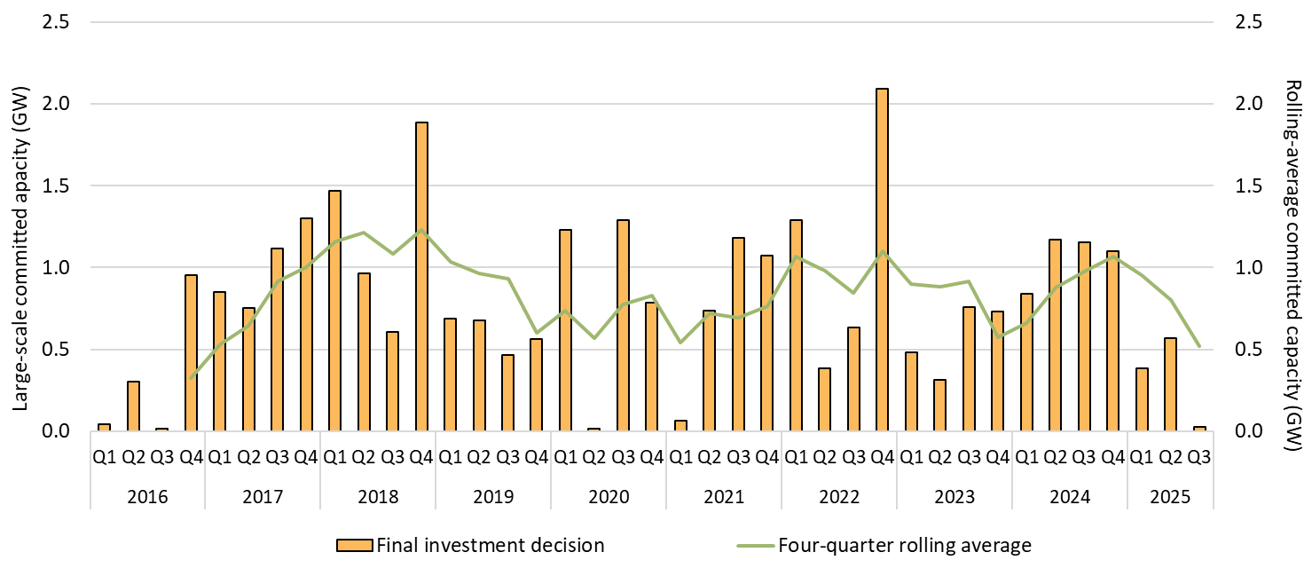

About Figure 2.4
This figure shows the capacity and four quarter rolling average of large-scale renewable power stations to reach a final investment decision over time.

The small print
The Clean Energy Regulator tracks public announcements. Data may be incomplete and may change retrospectively. Totals may not sum due to rounding.

Figure 2.5
Back to contents
Figure 2.5 Large-scale generation certificate (LGC) holdings (in millions) by market participation
Data as at 30/09/2025
Year | Quarter | Liable entity | Power station | Non-RET (voluntary) | Non-RET (compliance) | Non-RET (government) | Intermediary | Other | Total Holdings
2019 | Q1 | 4.3 | 2.6 | 0.8 | 1.6 | 1.3 | 0.5 | 0.0 | 11.1
2019 | Q2 | 7.9 | 3.1 | 1.2 | 1.8 | 1.4 | 1.1 | 0.0 | 16.4
2019 | Q3 | 11.9 | 2.8 | 1.1 | 1.8 | 1.4 | 2.0 | 0.0 | 21.0
2019 | Q4 | 16.8 | 4.1 | 1.7 | 1.9 | 2.8 | 3.0 | 0.0 | 30.2
2020 | Q1 | 3.2 | 2.8 | 1.1 | 1.9 | 2.8 | 0.5 | 0.0 | 12.3
2020 | Q2 | 7.6 | 4.2 | 1.6 | 1.9 | 0.5 | 1.0 | 0.0 | 16.9
2020 | Q3 | 11.9 | 4.1 | 1.5 | 1.6 | 0.5 | 1.6 | 0.0 | 21.2
2020 | Q4 | 16.4 | 6.0 | 2.5 | 1.7 | 2.0 | 3.8 | 0.0 | 32.4
2021 | Q1 | 4.2 | 3.1 | 1.3 | 1.7 | 2.4 | 0.8 | 0.0 | 13.5
2021 | Q2 | 8.7 | 3.9 | 1.9 | 1.7 | 0.7 | 1.0 | 0.0 | 18.0
2021 | Q3 | 13.1 | 4.0 | 3.4 | 1.4 | 0.7 | 2.0 | 0.0 | 24.5
2021 | Q4 | 17.8 | 5.5 | 3.9 | 1.4 | 2.2 | 2.8 | 0.0 | 33.6
2022 | Q1 | 3.4 | 3.3 | 2.4 | 1.5 | 2.9 | 0.8 | 0.0 | 14.2
2022 | Q2 | 8.5 | 4.8 | 3.6 | 1.5 | 1.0 | 0.6 | 0.0 | 20.0
2022 | Q3 | 13.2 | 6.0 | 4.9 | 1.1 | 1.1 | 1.6 | 0.0 | 28.0
2022 | Q4 | 15.3 | 7.8 | 8.4 | 1.2 | 1.2 | 2.1 | 0.0 | 36.0
2023 | Q1 | 4.0 | 3.9 | 3.8 | 1.3 | 1.0 | 0.7 | 0.0 | 14.6
2023 | Q2 | 9.3 | 6.2 | 6.1 | 1.4 | 0.7 | 1.0 | 0.0 | 24.7
2023 | Q3 | 17.0 | 8.1 | 4.2 | 1.5 | 0.7 | 1.7 | 0.0 | 33.2
2023 | Q4 | 21.6 | 10.5 | 6.0 | 1.7 | 0.9 | 2.4 | 0.0 | 42.9
2024 | Q1 | 5.1 | 4.9 | 5.5 | 1.7 | 2.5 | 1.3 | 0.0 | 21.1
2024 | Q2 | 11.1 | 7.0 | 6.3 | 1.8 | 0.7 | 1.5 | 0.0 | 28.5
2024 | Q3 | 12.5 | 10.3 | 7.9 | 1.9 | 0.8 | 1.9 | 0.0 | 35.3
2024 | Q4 | 18.2 | 12.8 | 9.7 | 2.0 | 0.9 | 2.8 | 0.0 | 46.4
2025 | Q1 | 5.1 | 6.9 | 8.2 | 2.1 | 2.0 | 2.2 | 0.1 | 26.5
2025 | Q2 | 9.8 | 9.5 | 10.3 | 2.2 | 0.9 | 2.7 | 0.1 | 35.4
2025 | Q3 | 12.5 | 13.0 | 9.8 | 2.4 | 1.3 | 4.9 | 0.1 | 43.9

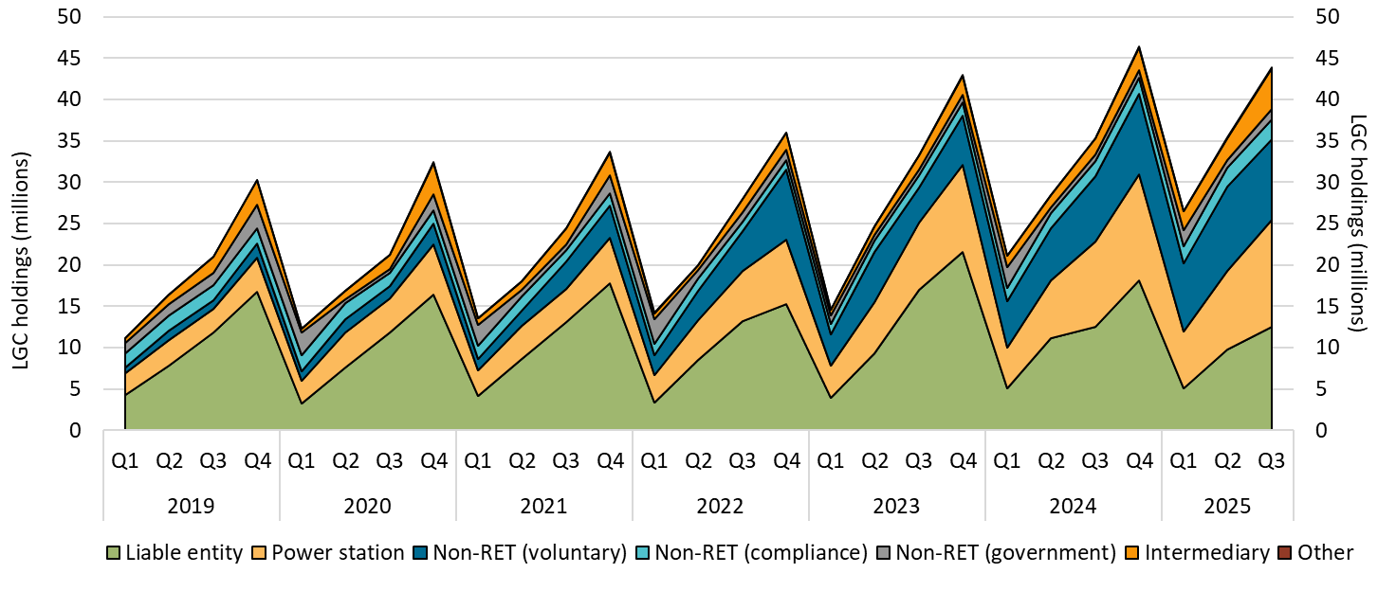

About Figure 2.5
This figure shows LGC holdings in Renewable Energy Certificate (REC) Registry accounts by market participation category over time.

The small print
Holdings are for registered LGCs as at the end of the quarter and exclude any pending transactions. Accounts are categorised according to their primary role or function based on transaction patterns and the name of the account. An account's category is subject to change. Totals may not sum due to rounding.

Category definitions
Liable entity Account holder is a liable entity.
Power station Account holder has created LGCs.
Non-RET (voluntary) Account holder has surrendered LGCs voluntarily. This includes accounts labelled as 'GreenPower' in the REC registry.
Non-RET (compliance) Account holder has surrendered LGCs voluntarily for non-RET compliance reasons (for example, desalination plants) or the account holder is a Safeguard entity or related to a Safeguard entity.
Non-RET (government) Account holder has surrendered LGCs voluntarily and is a government entity.
Intermediary Account holder has transacted/received over 10,000 LGCs and does not fit into any of the other categories.
Other Account holder does not fit into any of the other categories.

Figure 2.6
Back to contents
Figure 2.6 Non-Renewable Energy Target (non-RET) large-scale generation certificate (LGC) cancellations by demand source
Data as at 30/09/2025
Year | Quarter | Voluntary | Government | Compliance | Total | Annual total
2019 | Q1 | 555 | 12,746 | 6,411 | 19,712 | -
2019 | Q2 | 2,499 | 965 | 0 | 3,464 | -
2019 | Q3 | 488,336 | 50,473 | 89,030 | 627,839 | -
2019 | Q4 | 28,767 | 56,185 | 0 | 84,952 | 735,967
2020 | Q1 | 62,010 | 89,164 | 117,690 | 268,864 | -
2020 | Q2 | 22,664 | 154,853 | 0 | 177,517 | -
2020 | Q3 | 743,747 | 2,279,217 | 399,462 | 3,422,426 | -
2020 | Q4 | 122,591 | 34,006 | 0 | 156,597 | 4,025,404
2021 | Q1 | 208,154 | 79,858 | 70,461 | 358,473 | -
2021 | Q2 | 193,547 | 2,326,078 | 0 | 2,519,625 | -
2021 | Q3 | 830,436 | 135,535 | 421,100 | 1,387,071 | -
2021 | Q4 | 259,185 | 49,437 | 1,197,690 | 1,506,312 | 5,771,481
2022 | Q1 | 615,330 | 560,273 | 40,627 | 1,216,230 | -
2022 | Q2 | 309,710 | 42,798 | 3,850 | 356,358 | -
2022 | Q3 | 1,384,178 | 2,839,830 | 429,396 | 4,653,404 | -
2022 | Q4 | 1,067,260 | 117,533 | 0 | 1,184,793 | 7,410,785
2023 | Q1 | 1,343,335 | 640,906 | 101,107 | 2,085,348 | -
2023 | Q2 | 907,356 | 2,237,378 | 0 | 3,144,734 | -
2023 | Q3 | 2,281,727 | 426,512 | 25,481 | 2,733,720 | -
2023 | Q4 | 672,315 | 81,773 | 0 | 754,088 | 8,717,890
2024 | Q1 | 1,614,565 | 554,083 | 115,574 | 2,284,222 | -
2024 | Q2 | 1,277,943 | 2,254,806 | 0 | 3,532,749 | -
2024 | Q3 | 1,100,939 | 345,660 | 125,266 | 1,571,865 | -
2024 | Q4 | 2,801,983 | 253,959 | 0 | 3,055,942 | 10,444,778
2025 | Q1 | 1,988,663 | 645,966 | 61,527 | 2,696,156 | -
2025 | Q2 | 1,903,209 | 2,492,312 | 106,208 | 4,501,729 | -
2025 | Q3 | 3,163,053 | 472,039 | 10,943 | 3,646,035 | 10,843,920

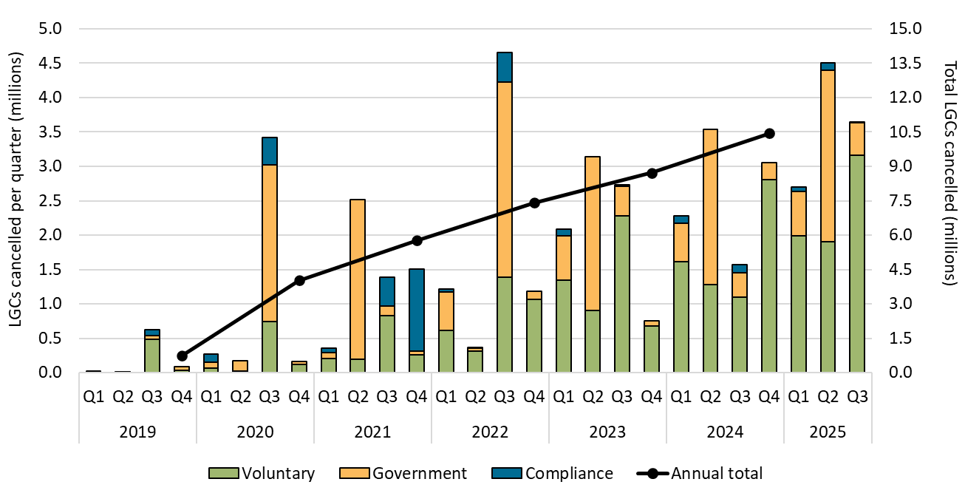

About Figure 2.6
This figure shows non-RET LGC cancellations by demand source over time.

The small print
This classification system is uniform across Australian carbon credit unit (ACCU) and LGC cancellations.

Covered activities for each classification
Voluntary demand Cancellations made against voluntary certification programs such as Climate Active and any sort of organisational emissions or energy targets.
Government demand Cancellations by or on behalf of government entities. For example to offset emissions from vehicle fleets or meet voluntary emissions reduction targets.
Compliance demand Cancellations made by private organisations and corporations for compliance or obligations against municipal, local, state and territory government laws, approvals, or contracts. For example to meet Environmental Protection Authority requirements.

Figure 2.7
Back to contents
Figure 2.7 Large-scale generation certificate (LGC) spot price
Data as at 14/11/2025
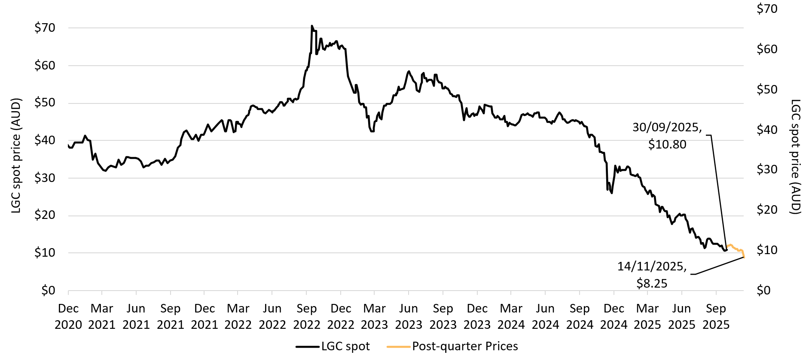

About Figure 2.7
This figure shows the daily closing LGC spot price over time.

The small print
Spot price data is compiled from trades reported by CORE markets and may not be comprehensive. Prices are shown from 1 December 2020 to 14 November 2025.

Figure 3.1
Back to contents
Figure 3.1 Small-scale cumulative validated battery capacity installed by state and territory in kilowatt hours (kWh)
Data as of 30/9/2025
Month | ACT | NSW | NT | QLD | SA | TAS | VIC | WA | Grand Total
July | 8,787.9 | 162,655.1 | 1,764.8 | 96,331.6 | 65,047.6 | 5,133.8 | 78,804.3 | 31,126.5 | 449,651.5
August | 15,754.7 | 284,442.5 | 3,037.5 | 163,786.1 | 107,469.7 | 8,605.1 | 134,834.7 | 72,399.2 | 790,329.5
September | 20,522.7 | 368,822.6 | 3,444.4 | 209,728.6 | 136,879.5 | 10,397.8 | 154,381.4 | 98,148.8 | 1,002,325.7

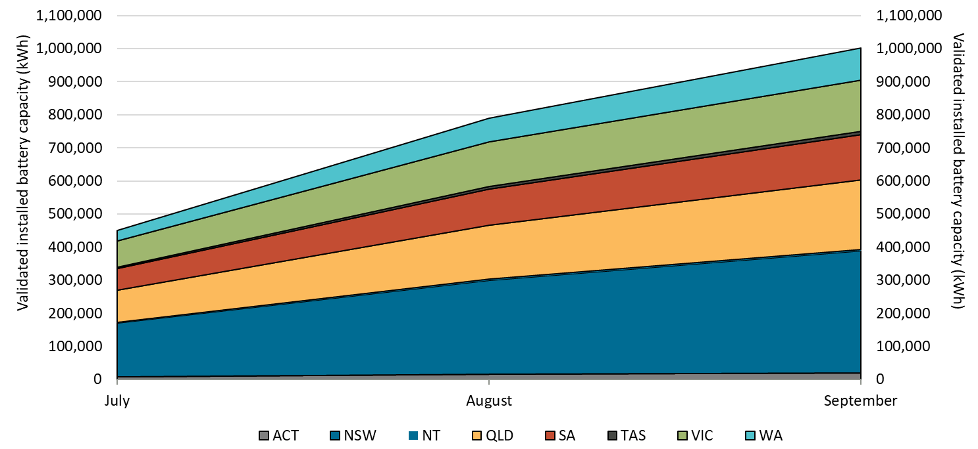

About Figure 3.1
This figure shows the monthly cumulative installed capacity of validated small-scale battery installations per state following the commencement of the Cheaper Home Batteries Scheme on 1 July 2025.

The small print
A 12 month creation period for registered persons to create small-scale technology certificates applies under the Renewable Energy (Electricity) Regulations (2001). Data is subject to change due to the 12 month creation rule. Totals may not sum due to rounding.

Figure 3.2
Back to contents
Figure 3.2 Distribution of validated battery installations by size range for residential systems
Data as of 30/9/2025
Category | Count of validated installations
0-5 kWh | 785
5-10 kWh | 8,937
10-15 kWh | 13,237
15-20 kWh | 14,157
20-25 kWh | 5,679
25-30 kWh | 5,205
30-35 kWh | 1,923
35-40 kWh | 1,200
40-45 kWh | 620
45-50 kWh | 1,255
50-100 kWh | 227
Total | 53,225

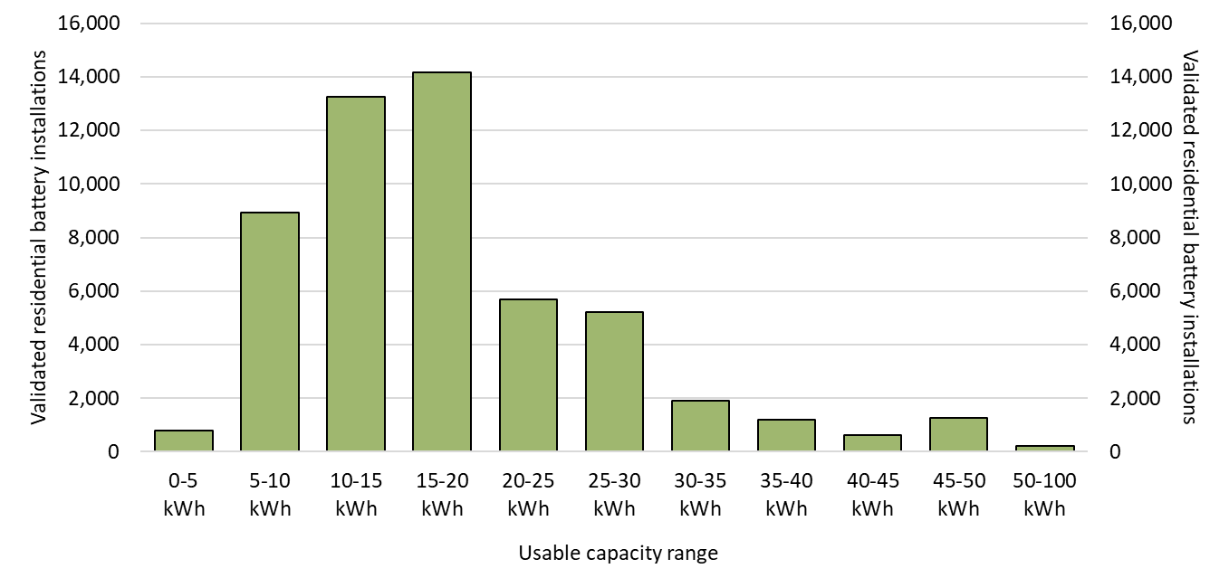

About Figure 3.2
This figure shows the distribution of validated small-scale battery installations at residential buildings across usable capacity in 5-kilowatt hour (kWh) ranges, following the commencement of the Cheaper Home Batteries Scheme on 1 July 2025.

The small print
A 12 month creation period for registered persons to create small-scale technology certificates applies under the Renewable Energy (Electricity) Regulations (2001). Data is subject to change due to the 12 month creation rule.

Figure 3.3
Back to contents
Figure 3.3 Distribution of validated battery installations by size range for non-residential systems
Data as of 30/9/2025
Category | Count of validated installations
0-5 kWh | 5
5-10 kWh | 102
10-15 kWh | 121
15-20 kWh | 140
20-25 kWh | 97
25-30 kWh | 104
30-35 kWh | 56
35-40 kWh | 50
40-45 kWh | 60
45-50 kWh | 116
50-100 kWh | 80
Total | 931

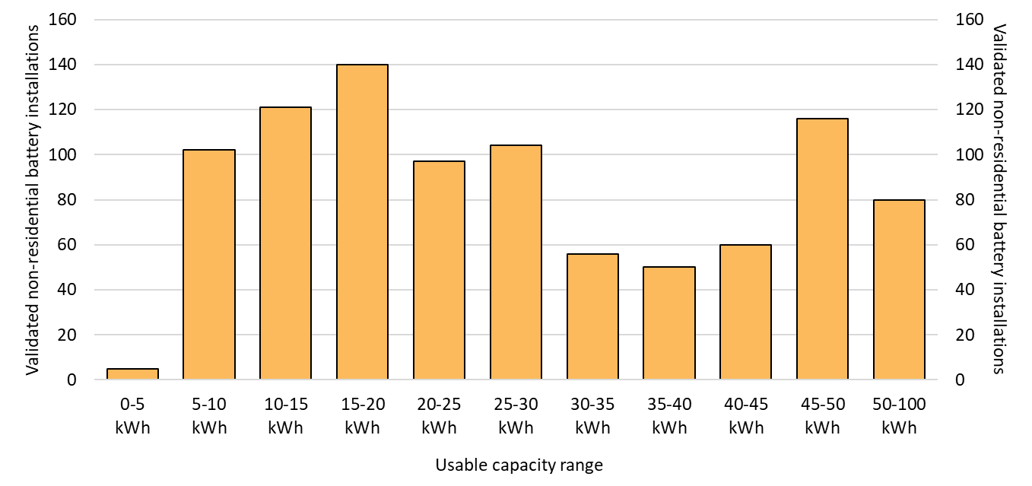

About Figure 3.3
This figure shows the distribution of validated small-scale battery installations at non-residential buildings across usable capacity in 5-kilowatt hour (kWh) ranges, following the commencement of the Cheaper Home Batteries Scheme on 1 July 2025.

The small print
A 12 month creation period for registered persons to create small-scale technology certificates applies under the Renewable Energy (Electricity) Regulations (2001). Data is subject to change due to the 12 month creation rule.

Figure 3.4
Back to contents
Figure 3.4 Distribution of validated battery installations by installation type
Data as of 30/9/2025
Category | Percentage of total installations
Retrofit installations | 53%
Concurrent installations with new solar PV | 24%
Concurrent installations with upgraded solar PV | 22%

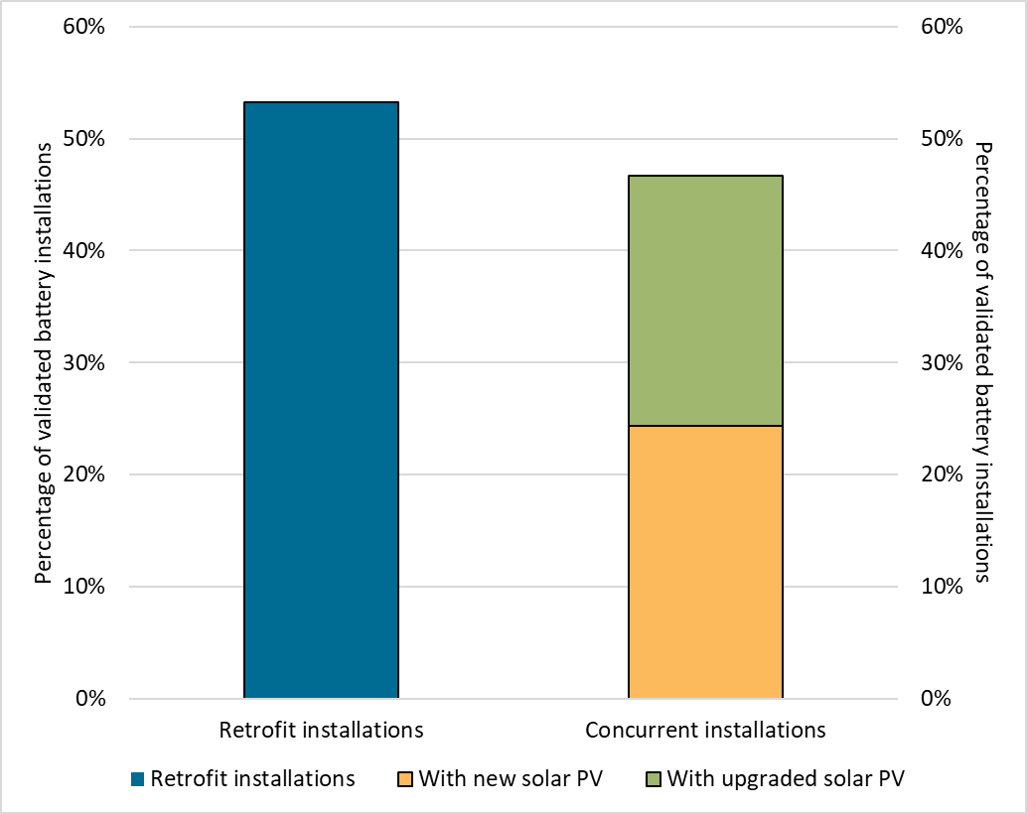

About Figure 3.4
This figure shows the distribution of validated small-scale battery installations according to the type of battery install, following the commencement of the Cheaper Home Batteries Scheme on 1 July 2025.

The small print
A 12 month creation period for registered persons to create small-scale technology certificates applies under the Renewable Energy (Electricity) Regulations (2001). Data is subject to change due to the 12 month creation rule.

Installations types are defined as follows:
Retrofit installation Battery installations that were installed after 30 June 2025 and that were installed more than 90 days after the associated solar PV installation.
Concurrent installation with new solar PV Battery installations that have occurred either during the period 6 April 2025 - 30 June 2025, or that were installed within 90 days of the associated solar PV installation. The solar PV installation was a new installation for the address.
Concurrent installation with upgraded solar PV Battery installations that have occurred either during the period 6 April 2025 - 30 June 2025, or that were installed within 90 days of the associated solar PV installation. The solar PV installation was a replacement, extension, or addition for an existing solar PV system at the address.

Figure 3.5
Back to contents
Figure 3.5 Small-scale solar installations and installed capacity by quarter
Data as of 30/09/2025
Year | Quarter | Installations | Installed capacity | Annual total capacity (MW) | Annual total installations
2019 | Q1 | 64,844 | 456 | - | -
2019 | Q2 | 62,899 | 479 | - | -
2019 | Q3 | 69,049 | 529 | - | -
2019 | Q4 | 87,239 | 702 | 2,165 | 284,031
2020 | Q1 | 83,020 | 619 | - | -
2020 | Q2 | 84,744 | 678 | - | -
2020 | Q3 | 93,684 | 748 | - | -
2020 | Q4 | 108,872 | 920 | 2,965 | 370,320
2021 | Q1 | 98,957 | 782 | - | -
2021 | Q2 | 95,213 | 794 | - | -
2021 | Q3 | 89,203 | 752 | - | -
2021 | Q4 | 94,085 | 864 | 3,193 | 377,458
2022 | Q1 | 68,569 | 565 | - | -
2022 | Q2 | 71,547 | 625 | - | -
2022 | Q3 | 84,360 | 733 | - | -
2022 | Q4 | 91,241 | 870 | 2,794 | 315,717
2023 | Q1 | 76,113 | 660 | - | -
2023 | Q2 | 77,215 | 720 | - | -
2023 | Q3 | 87,388 | 823 | - | -
2023 | Q4 | 93,149 | 942 | 3,145 | 333,865
2024 | Q1 | 75,582 | 703 | - | -
2024 | Q2 | 81,970 | 788 | - | -
2024 | Q3 | 79,818 | 799 | - | -
2024 | Q4 | 82,021 | 877 | 3,166 | 319,392
2025 | Q1 | 67,864 | 667 | - | -
2025 | Q2 | 60,853 | 606 | - | -
2025 | Q3 | 63,333 | 656 | 1,929 | 192,051
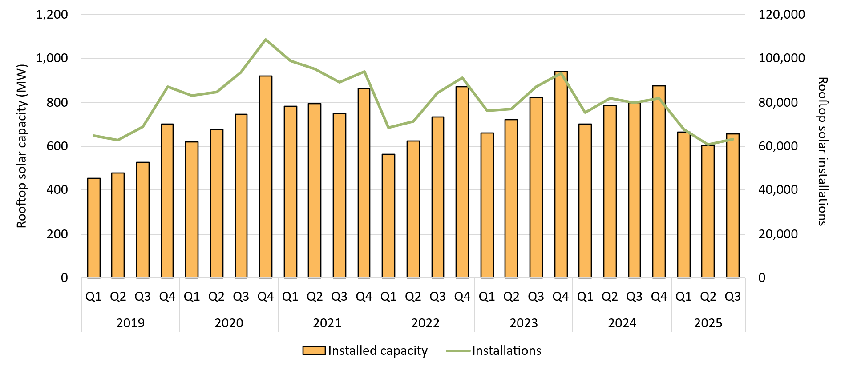

About Figure 3.5
This figure shows the installed capacity and the number of small-scale rooftop solar installations over time.

The small print
Small-scale rooftop solar systems must have a capacity of less than 100 kilowatts (kW). A 12 month creation period for registered persons to create small-scale technology certificates applies under the Renewable Energy (Electricity) Regulations (2001). Data for installations and installed capacity in 2024 and 2025 have been lag-adjusted to account for the 12 month creation rule and are estimates only. Data is subject to change and totals may not sum due to rounding.

Figure 3.6
Back to contents
Figure 3.6 Proportion of small-scale solar installed capacity by system size range and average system size by quarter
Data as of 30/09/2025
Year | Quarter | 0-5 kW | 5-10 kW | 10-15 kW | 15-40 kW | 40-100 kW | Average system size
2019 | Q1 | 10% | 65% | 9% | 8% | 7% | 7.0
2019 | Q2 | 9% | 59% | 11% | 11% | 10% | 7.6
2019 | Q3 | 8% | 61% | 11% | 11% | 9% | 7.7
2019 | Q4 | 6% | 60% | 12% | 11% | 11% | 8.0
2020 | Q1 | 7% | 67% | 12% | 8% | 7% | 7.5
2020 | Q2 | 6% | 61% | 13% | 10% | 10% | 8.0
2020 | Q3 | 5% | 63% | 15% | 10% | 7% | 8.0
2020 | Q4 | 4% | 60% | 17% | 11% | 9% | 8.4
2021 | Q1 | 4% | 65% | 18% | 8% | 4% | 7.9
2021 | Q2 | 5% | 58% | 19% | 11% | 7% | 8.3
2021 | Q3 | 4% | 57% | 22% | 11% | 6% | 8.4
2021 | Q4 | 3% | 50% | 24% | 12% | 10% | 9.2
2022 | Q1 | 4% | 58% | 25% | 9% | 4% | 8.2
2022 | Q2 | 4% | 52% | 26% | 11% | 7% | 8.7
2022 | Q3 | 4% | 53% | 27% | 10% | 6% | 8.7
2022 | Q4 | 3% | 47% | 27% | 13% | 10% | 9.5
2023 | Q1 | 4% | 53% | 29% | 10% | 4% | 8.7
2023 | Q2 | 4% | 46% | 30% | 13% | 8% | 9.3
2023 | Q3 | 3% | 45% | 33% | 12% | 7% | 9.4
2023 | Q4 | 3% | 39% | 35% | 14% | 9% | 10.1
2024 | Q1 | 3% | 43% | 39% | 11% | 4% | 9.3
2024 | Q2 | 3% | 39% | 38% | 14% | 6% | 9.6
2024 | Q3 | 3% | 37% | 39% | 15% | 7% | 10.0
2024 | Q4 | 2% | 33% | 38% | 17% | 9% | 10.7
2025 | Q1 | 3% | 37% | 41% | 15% | 5% | 9.8
2025 | Q2 | 4% | 35% | 39% | 16% | 6% | 10.0
2025 | Q3 | 4% | 33% | 38% | 21% | 3% | 10.4

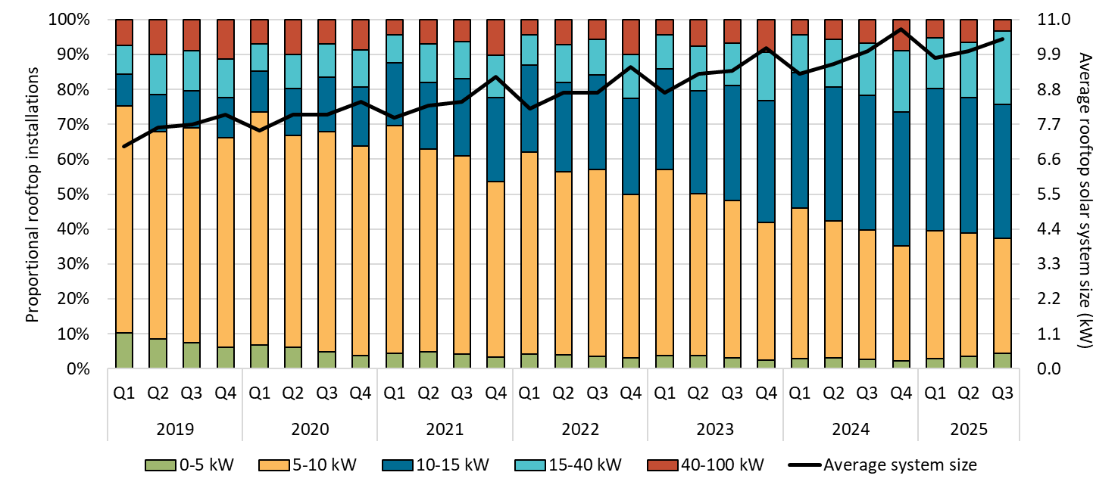

About Figure 3.6
This figure shows the proportion of rooftop solar systems installed under the Small-scale Renewable Energy Scheme (SRES) by capacity band and the average size of rooftop solar systems installed under the SRES over time.

The small print
A 12 month creation period for registered persons to create small-scale technology certificates applies under the Renewable Energy (Electricity) Regulations (2001). Capacity band data has not been lag-adjusted. Average system size data has been lag-adjusted. Data is subject to change. Totals may not sum to 100% due to rounding.

Figure 3.7
Back to contents
Figure 3.7 Weekly supply of small-scale technology certificate (STC) from small-scale generation units, SWHs and ASHPs and the required supply to meet the small-scale technology percentage (STP)
Data as of 30/09/2025
Month | Week | STC supply
Jan | 1 | 241,954
Jan | 2 | 399,030
Jan | 3 | 447,060
Jan | 4 | 564,148
Feb | 5 | 571,421
Feb | 6 | 607,399
Feb | 7 | 512,476
Feb | 8 | 640,745
Mar | 9 | 632,134
Mar | 10 | 512,531
Mar | 11 | 431,133
Mar | 12 | 504,450
Mar | 13 | 563,114
Apr | 14 | 534,190
Apr | 15 | 499,748
Apr | 16 | 388,163
Apr | 17 | 380,502
May | 18 | 501,030
May | 19 | 475,330
May | 20 | 500,831
May | 21 | 490,599
May | 22 | 464,248
Jun | 23 | 423,345
Jun | 24 | 378,091
Jun | 25 | 410,229
Jun | 26 | 408,260
Jul | 27 | 373,191
Jul | 28 | 356,149
Jul | 29 | 397,011
Jul | 30 | 422,734
Aug | 31 | 431,482
Aug | 32 | 416,522
Aug | 33 | 414,608
Aug | 34 | 416,706
Aug | 35 | 382,176
Sep | 36 | 468,578
Sep | 37 | 486,728
Sep | 38 | 502,844
Sep | 39 | 454,485
Sep | 40 | 176,996

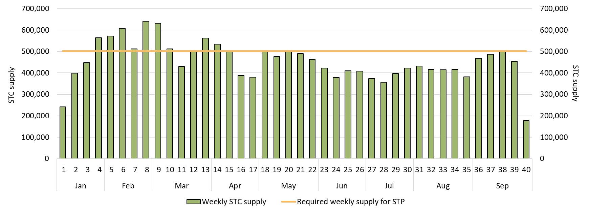

About Figure 3.7
This figure shows the weekly supply of STCs in 2025. It also shows the required weekly supply of STCs (501,923) to meet the 2025 STP.

The small print
Required STC supply refers to the estimated number of STCs to be created (24.9 million) to meet the annual STP liability and under/over supply from previous years. Some weeks are spread across multiple months, the month label refers to the month as at the end of the week. The final week may be significantly lower than prior weeks if the quarter ends during the week. For example, Q3 2025 ended on Tuesday 30 September so the final ‘week’ of September contains only 2 days.

Figure 3.8
Back to contents
Figure 3.8 Small-scale technology certificate (STC) reported spot and clearing house prices
Data as of 14/11/2025
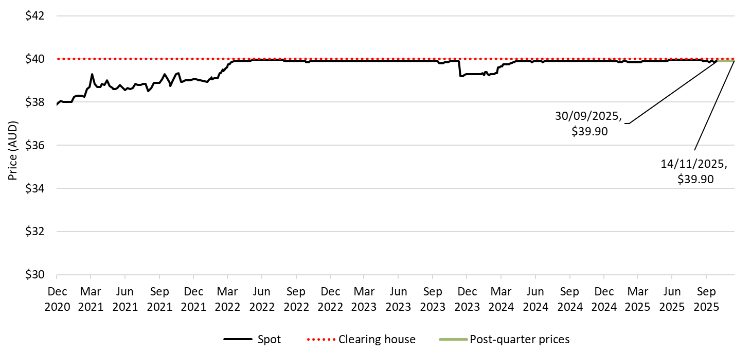

About Figure 3.8
This figure shows the daily closing STC spot price over time. It also shows the STC clearing house price.

The small print
Pricing data is complied from trades reported by CORE markets and may not be comprehensive. Prices are shown from 1 December 2020 to 30 September 2025.
More information on buying and selling STCs, including through the clearing house is available on the Clean Energy Regulator's website

Figure 3.9
Back to contents
Figure 3.9 Air source heat pump installations by state and territory and associated small-scale technology certificate (STC) validations
Data as of 30/09/2025
Year | Quarter | Victoria | NSW | Queensland | WA | SA | ACT | Tasmania | NT | Annual total | STC validations
2019 | Q1 | 1,388 | 622 | 1,443 | 533 | 447 | 119 | 258 | <10 | - | 146,000
2019 | Q2 | 1,921 | 723 | 1,343 | 667 | 349 | 100 | 414 | <10 | - | 161,000
2019 | Q3 | 1,275 | 812 | 1,357 | 530 | 652 | 311 | 408 | <10 | - | 150,000
2019 | Q4 | 1,671 | 750 | 1,205 | 549 | 647 | 278 | 298 | <10 | 21,110 | 154,000
2020 | Q1 | 1,685 | 631 | 1,155 | 530 | 655 | 304 | 252 | <10 | - | 154,000
2020 | Q2 | 2,827 | 816 | 1,425 | 806 | 1,217 | 366 | 269 | <10 | - | 232,000
2020 | Q3 | 4,106 | 879 | 1,632 | 798 | 1,694 | 368 | 345 | 12 | - | 276,000
2020 | Q4 | 5,115 | 972 | 1,484 | 960 | 698 | 325 | 219 | 27 | 32,592 | 312,000
2021 | Q1 | 5,541 | 793 | 1,344 | 655 | 1,013 | 209 | 197 | <10 | - | 277,000
2021 | Q2 | 8,078 | 971 | 1,946 | 1,045 | 1,290 | 300 | 316 | <10 | - | 424,000
2021 | Q3 | 10,641 | 1,021 | 2,238 | 1,101 | 1,517 | 249 | 424 | 81 | - | 492,000
2021 | Q4 | 12,560 | 1,006 | 2,277 | 1,133 | 953 | 432 | 432 | 43 | 59,826 | 599,000
2022 | Q1 | 11,808 | 744 | 1,832 | 919 | 617 | 394 | 420 | 50 | - | 489,000
2022 | Q2 | 11,780 | 1,592 | 2,184 | 1,226 | 1,150 | 423 | 570 | 70 | - | 529,000
2022 | Q3 | 12,397 | 5,182 | 2,284 | 1,436 | 1,169 | 589 | 545 | 28 | - | 609,000
2022 | Q4 | 12,428 | 9,765 | 2,126 | 1,563 | 862 | 543 | 519 | <10 | 87,225 | 680,000
2023 | Q1 | 9,876 | 11,811 | 1,890 | 1,342 | 996 | 437 | 363 | <10 | - | 614,000
2023 | Q2 | 8,444 | 19,866 | 2,345 | 1,587 | 1,126 | 562 | 404 | 12 | - | 771,000
2023 | Q3 | 9,020 | 20,782 | 2,843 | 1,864 | 1,353 | 581 | 341 | <10 | - | 920,000
2023 | Q4 | 10,609 | 16,630 | 3,138 | 1,599 | 1,223 | 532 | 301 | <10 | 131,907 | 820,000
2024 | Q1 | 10,840 | 11,448 | 2,191 | 1,605 | 937 | 421 | 295 | 14 | - | 747,000
2024 | Q2 | 12,495 | 14,377 | 2,527 | 2,021 | 1,311 | 516 | 421 | 12 | - | 745,000
2024 | Q3 | 12,971 | 6,597 | 2,887 | 2,046 | 1,231 | 722 | 399 | 11 | - | 702,000
2024 | Q4 | 13,313 | 2,992 | 2,263 | 1,831 | 1,030 | 664 | 385 | <10 | 110,784 | 520,000
2025 | Q1 | 11,371 | 2,191 | 1,962 | 1,494 | 805 | 491 | 309 | <10 | - | 376,000
2025 | Q2 | 12,851 | 3,220 | 2,571 | 2,074 | 1,056 | 640 | 359 | <10 | - | 424,000
2025 | Q3 | 13,338 | 3,214 | 3,388 | 2,207 | 850 | 584 | 335 | <10 | 65,341 | 486,000

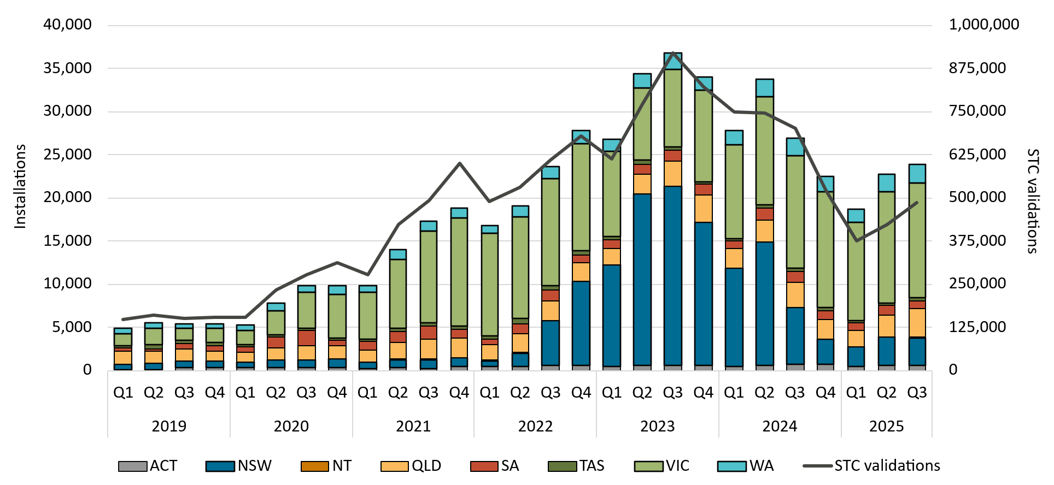

About Figure 3.9
This figure shows the number of air source heat pump (ASHP) installations under the Small-scale Renewable Energy Scheme (SRES) by state and territory over time. It also shows the number of STCs validated from these installations over time. Totals may not sum due to rounding applied to NT.

The small print
Where cell values are less than 10, data have been modified due to privacy considerations. In the figure these values appear as 10. A 12 month creation period for registered persons to create small-scale technology certificates (STCs) applies under the Renewable Energy (Electricity) Regulations (2001). Data for installations in 2024 to 2025 have been lag-adjusted to account for the 12 month creation rule and are estimates only. STC validation data has been rounded to the nearest thousand. Data is subject to change.

Figure 3.10
Back to contents
Figure 3.10 Small-scale solar installed capacity in megawatts (MW) by state and territory
Data as of 30/09/2025
Year | Quarter | NSW | Queensland | Victoria | WA | SA | ACT | Tasmania | NT | Annual total
2019 | Q1 | 112.1 | 110.3 | 121.3 | 53.2 | 43.7 | 5.7 | 3.8 | 5.5 | -
2019 | Q2 | 130.8 | 130.7 | 96.0 | 53.3 | 51.0 | 5.9 | 4.5 | 7.2 | -
2019 | Q3 | 148.7 | 145.5 | 94.3 | 60.8 | 59.5 | 7.2 | 5.3 | 7.4 | -
2019 | Q4 | 198.7 | 178.5 | 149.1 | 79.3 | 69.0 | 11.5 | 7.0 | 8.6 | 2,165.1
2020 | Q1 | 169.6 | 158.5 | 132.2 | 72.7 | 63.9 | 8.2 | 6.9 | 7.1 | -
2020 | Q2 | 200.0 | 177.1 | 134.1 | 73.9 | 68.7 | 9.8 | 6.1 | 7.9 | -
2020 | Q3 | 240.6 | 194.2 | 114.5 | 86.0 | 88.0 | 13.1 | 5.7 | 6.3 | -
2020 | Q4 | 285.7 | 223.7 | 193.4 | 103.4 | 83.2 | 15.7 | 8.1 | 6.5 | 2,964.7
2021 | Q1 | 246.6 | 193.8 | 162.7 | 86.7 | 68.6 | 12.4 | 6.8 | 4.2 | -
2021 | Q2 | 248.4 | 201.0 | 166.3 | 87.3 | 66.2 | 12.8 | 8.3 | 3.9 | -
2021 | Q3 | 199.0 | 208.3 | 164.5 | 83.1 | 72.1 | 12.4 | 8.6 | 4.4 | -
2021 | Q4 | 258.0 | 208.2 | 182.0 | 96.3 | 83.1 | 20.5 | 9.8 | 6.2 | 3,192.5
2022 | Q1 | 159.6 | 145.5 | 109.0 | 70.5 | 53.0 | 17.5 | 6.7 | 3.7 | -
2022 | Q2 | 191.2 | 166.4 | 114.8 | 64.7 | 56.4 | 18.9 | 7.5 | 4.7 | -
2022 | Q3 | 226.9 | 186.9 | 148.6 | 67.2 | 66.9 | 21.9 | 9.3 | 5.1 | -
2022 | Q4 | 274.1 | 216.7 | 170.0 | 84.4 | 81.5 | 27.4 | 11.0 | 5.5 | 2,793.5
2023 | Q1 | 200.4 | 170.4 | 132.2 | 65.2 | 57.0 | 21.2 | 10.5 | 2.9 | -
2023 | Q2 | 236.2 | 185.8 | 140.9 | 62.7 | 58.2 | 21.4 | 11.0 | 3.9 | -
2023 | Q3 | 279.9 | 206.1 | 162.4 | 64.5 | 69.4 | 23.9 | 12.8 | 4.3 | -
2023 | Q4 | 323.5 | 230.6 | 188.8 | 81.2 | 78.6 | 19.4 | 14.9 | 4.9 | 3,145.0
2024 | Q1 | 248.1 | 176.5 | 136.7 | 63.2 | 53.2 | 11.2 | 11.5 | 2.7 | -
2024 | Q2 | 256.6 | 220.3 | 151.2 | 70.1 | 62.8 | 11.7 | 11.5 | 3.8 | -
2024 | Q3 | 248.4 | 218.9 | 163.7 | 69.6 | 69.0 | 13.3 | 11.8 | 3.8 | -
2024 | Q4 | 270.0 | 229.1 | 182.7 | 84.0 | 76.0 | 15.6 | 14.4 | 4.8 | 3,166.4
2025 | Q1 | 191.6 | 177.7 | 140.3 | 69.2 | 62.7 | 10.4 | 11.8 | 3.2 | -
2025 | Q2 | 168.1 | 179.1 | 123.3 | 58.9 | 52.2 | 9.9 | 10.8 | 3.5 | -
2025 | Q3 | 184.4 | 180.1 | 133.2 | 58.2 | 68.1 | 14.2 | 13.2 | 6.0 | 1,930.2
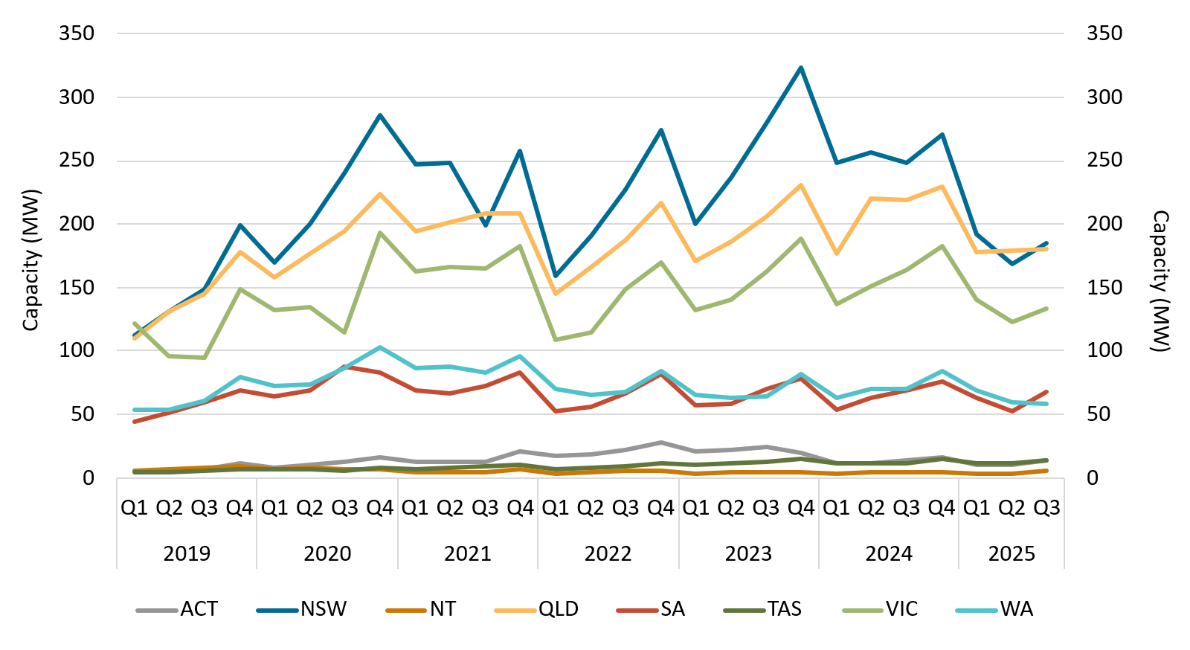

About Figure 3.10
This figure shows the rooftop solar capacity installed under the Small-scale Renewable Energy Scheme (SRES) by state and territory over time.

The small print
A 12 month creation period for registered persons to create small-scale technology certificates applies under the Renewable Energy (Electricity) Regulations (2001). Data for installations in 2024 to 2025 have been lag-adjusted to account for the 12 month creation rule and are estimates only. There may be small differences between the sum of lag-adjusted state and territory estimates and the national lag-adjusted estimate. Data is also subject to change and totals may not sum due to rounding.

Figure 3.11
Back to contents
Figure 3.11 Replacement small-scale solar as a proportion of total installations by state and territory
Data as of 30/09/2025
Year | Quarter | ACT | NSW | NT | Queensland | SA | Tasmania | Victoria | WA | Australia
2021 | Q1 | 3% | 8% | 6% | 17% | 7% | 5% | 5% | 12% | 10%
2021 | Q2 | 4% | 10% | 8% | 24% | 9% | 5% | 6% | 18% | 13%
2021 | Q3 | 3% | 11% | 7% | 24% | 12% | 6% | 6% | 20% | 14%
2021 | Q4 | 10% | 10% | 5% | 20% | 12% | 7% | 6% | 18% | 13%
2022 | Q1 | 3% | 10% | 5% | 20% | 12% | 8% | 7% | 15% | 13%
2022 | Q2 | 8% | 11% | 6% | 22% | 12% | 7% | 6% | 18% | 14%
2022 | Q3 | 4% | 11% | 5% | 22% | 13% | 4% | 7% | 18% | 13%
2022 | Q4 | 4% | 11% | 5% | 19% | 13% | 5% | 7% | 16% | 13%
2023 | Q1 | 4% | 11% | 7% | 19% | 14% | 5% | 6% | 16% | 13%
2023 | Q2 | 4% | 12% | 8% | 23% | 14% | 7% | 8% | 17% | 14%
2023 | Q3 | 4% | 13% | 7% | 23% | 16% | 8% | 8% | 18% | 15%
2023 | Q4 | 5% | 13% | 8% | 21% | 15% | 6% | 7% | 17% | 14%
2024 | Q1 | 7% | 13% | 13% | 23% | 16% | 8% | 9% | 19% | 15%
2024 | Q2 | 6% | 15% | 9% | 29% | 17% | 9% | 11% | 21% | 19%
2024 | Q3 | 6% | 16% | 12% | 29% | 19% | 6% | 12% | 21% | 19%
2024 | Q4 | 7% | 15% | 8% | 25% | 21% | 7% | 17% | 20% | 19%
2025 | Q1 | 8% | 15% | 10% | 27% | 20% | 8% | 15% | 19% | 19%
2025 | Q2 | 7% | 16% | 13% | 32% | 22% | 9% | 12% | 24% | 21%
2025 | Q3 | 9% | 20% | 8% | 35% | 24% | 11% | 13% | 31% | 24%
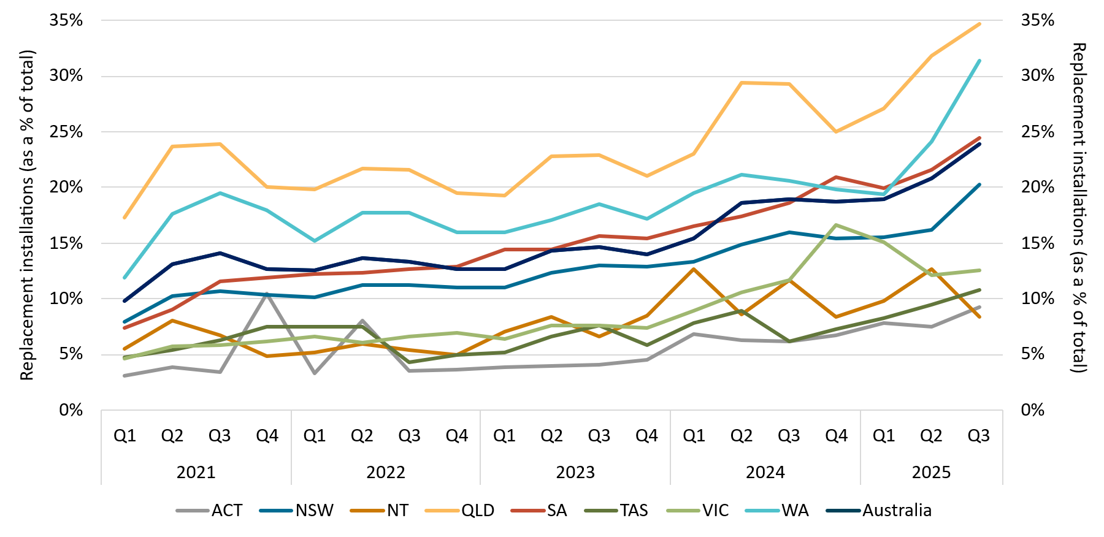

About Figure 3.11
This figure shows small-scale rooftop solar replacements as a proportion of total installations by state and territory over time.

The small print
Replacements represent small-scale rooftop solar systems categorised in the Renewable Energy Certificate (REC) Registry as replacements. The installation type data field was added to the REC Registry in late 2020, and was made mandatory from 28 January 2021. Data has not been lag-adjusted. Data is subject to change due to the 12 month creation rule.

Figure 3.12
Back to contents
Figure 3.12 Small-scale technology certificate (STC) supply
Data as of 30/09/2025
Year | Quarter | STC Supply | Annual total
2019 | Q1 | 8,651,927 | -
2019 | Q2 | 8,401,570 | -
2019 | Q3 | 8,837,916 | -
2019 | Q4 | 9,907,561 | 35,798,974
2020 | Q1 | 10,351,465 | -
2020 | Q2 | 11,170,680 | -
2020 | Q3 | 12,056,954 | -
2020 | Q4 | 12,408,853 | 45,987,952
2021 | Q1 | 12,864,839 | -
2021 | Q2 | 11,713,534 | -
2021 | Q3 | 11,310,762 | -
2021 | Q4 | 11,142,335 | 47,031,470
2022 | Q1 | 9,234,046 | -
2022 | Q2 | 8,169,461 | -
2022 | Q3 | 9,712,277 | -
2022 | Q4 | 10,918,995 | 38,034,779
2023 | Q1 | 9,192,933 | -
2023 | Q2 | 8,554,509 | -
2023 | Q3 | 9,627,243 | -
2023 | Q4 | 9,888,796 | 37,263,481
2024 | Q1 | 8,438,766 | -
2024 | Q2 | 8,417,978 | -
2024 | Q3 | 8,642,989 | -
2024 | Q4 | 8,596,307 | 34,096,040
2025 | Q1 | 6,696,506 | -
2025 | Q2 | 5,871,368 | -
2025 | Q3 | 5,614,497 | 18,182,371
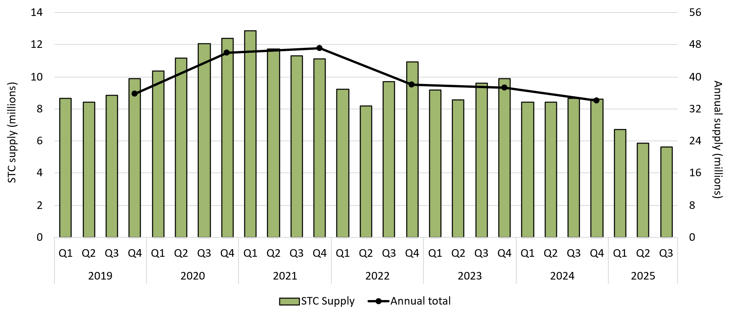

About Figure 3.12
This figure shows STC supply over time.

Figure 3.13
Back to contents
Figure 3.13 Small-scale technology certificate (STC) market transactions
Data as of 30/09/2025
Year | Quarter | STCs transacted | Transactions | Annual total STCs transacted
2019 | Q1 | 20,829,766 | 2,932 | -
2019 | Q2 | 26,527,099 | 3,174 | -
2019 | Q3 | 26,831,019 | 3,388 | -
2019 | Q4 | 24,839,518 | 3,205 | 99,027,402
2020 | Q1 | 23,753,361 | 3,047 | -
2020 | Q2 | 26,652,227 | 2,836 | -
2020 | Q3 | 31,377,137 | 3,363 | -
2020 | Q4 | 31,661,107 | 3,500 | 113,443,832
2021 | Q1 | 33,571,793 | 3,783 | -
2021 | Q2 | 36,601,316 | 3,528 | -
2021 | Q3 | 29,200,058 | 3,272 | -
2021 | Q4 | 28,625,808 | 3,289 | 127,998,975
2022 | Q1 | 24,022,727 | 3,407 | -
2022 | Q2 | 20,009,412 | 2,682 | -
2022 | Q3 | 16,744,778 | 2,579 | -
2022 | Q4 | 17,559,181 | 2,519 | 78,336,098
2023 | Q1 | 13,329,848 | 2,286 | -
2023 | Q2 | 14,015,490 | 2,129 | -
2023 | Q3 | 15,091,006 | 2,578 | -
2023 | Q4 | 17,317,737 | 2,797 | 59,754,081
2024 | Q1 | 18,914,230 | 2,860 | -
2024 | Q2 | 15,116,847 | 2,390 | -
2024 | Q3 | 12,605,172 | 2,099 | -
2024 | Q4 | 10,646,170 | 1,817 | 57,282,419
2025 | Q1 | 9,108,076 | 1,738 | -
2025 | Q2 | 7,253,635 | 1,335 | -
2025 | Q3 | 6,145,998 | 1,516 | 22,507,709

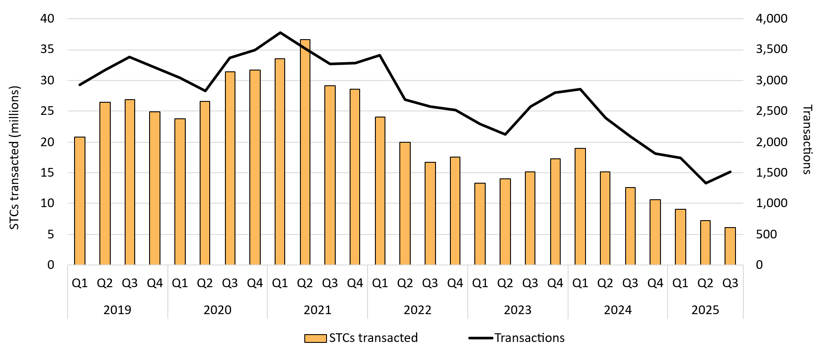

About Figure 3.13
This figure shows the volume of STCs transacted and the number of transactions, excluding STC clearing house transactions, over time. Data excludes STCs created from batteries.

