Disclaimer
The Clean Energy Regulator consents to the data in this workbook, that is generated from its sources, being used if it is attributed appropriately as a source of that data. Attribution cannot be done in any way that suggests that the Clean Energy Regulator endorses you or your use of the data.
Clean Energy Regulator material (including but not limited to data and images) is used 'as supplied' provided it has not been modified or transformed in any way. This should be referenced as follows, Source: Clean Energy Regulator.
Clean Energy Regulator material that has been modified or transformed is considered derivative (this includes changing graphing or tabular data, calculating percentage changes or deriving new statistics). This should be referenced as follows, Based on Clean Energy Regulator data.

Figure 1.1
Back to contents
Figure 1.1 Australian carbon credit units (ACCUs) issued to and the number of projects claiming for the first time
Year | ACCU issuance | Number of projects | ACCUs on hand
2012 | 348,110 | 4
2013 | 3,697,631 | 61
2014 | 5,000,561 | 71
2015 | 4,358,625 | 66
2016 | 6,466,658 | 101
2017 | 3,209,064 | 64
2018 | 2,059,994 | 60
2019 | 1,589,212 | 48
2020 | 936,068 | 38
2021 | 1,893,182 | 60
2022 | 1,393,989 | 31
2023 | 1,260,792 | 45
2024 | 1,380,839 | 43 (to 30 September 2024) | 417,005

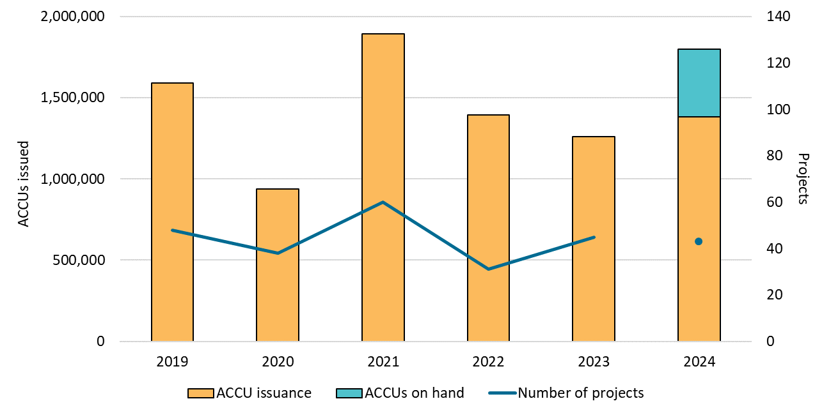

About Figure 1.1 This figure shows the volume of ACCUs issued to and the number of projects claiming for the first time each year. This figure also shows the amount of ACCUs on hand being claimed for the first time in 2024.

The small print For 2024, ACCU issuance and the number of projects are as at 30 September.

Figure 1.2
Back to contents
Figure 1.2 Australian carbon credit unit (ACCU) cancellations by demand source
Year | Quarter | Voluntary | Safeguard | Compliance | Government | Total | Annual total
2019 | Q1 | 11,548 | 141,206 | 9,781 | 17,458 | 179,993
2019 | Q2 | 41,293 | 0 | 0 | 69,985 | 111,278
2019 | Q3 | 57,396 | 0 | 18,174 | 57,099 | 132,669
2019 | Q4 | 190,662 | 2,637 | 0 | 3,482 | 196,781 | 620,721
2020 | Q1 | 80,712 | 56,994 | 0 | 34,131 | 171,837
2020 | Q2 | 70,048 | 0 | 14,343 | 121,628 | 206,019
2020 | Q3 | 183,220 | 0 | 0 | 32,800 | 216,020
2020 | Q4 | 158,832 | 0 | 65,668 | 79,575 | 304,075 | 897,951
2021 | Q1 | 162,555 | 88,325 | 0 | 11,934 | 262,814
2021 | Q2 | 199,107 | 33,254 | 9,973 | 17,880 | 260,214
2021 | Q3 | 132,698 | 0 | 50,446 | 37,214 | 220,358
2021 | Q4 | 313,712 | 0 | 3,734 | 10,915 | 328,361 | 1,071,747
2022 | Q1 | 187,877 | 250,809 | 85,925 | 8,976 | 533,587
2022 | Q2 | 286,903 | 37,726 | 117,670 | 36,804 | 479,103
2022 | Q3 | 186,231 | 50,000 | 288,987 | 1,687 | 526,905
2022 | Q4 | 204,388 | 10,000 | 17,240 | 56,593 | 288,221 | 1,827,816
2023 | Q1 | 200,814 | 202,613 | 0 | 11,128 | 414,555
2023 | Q2 | 328,233 | 33,611 | 0 | 14,731 | 376,575
2023 | Q3 | 288,627 | 0 | 55,093 | 43,043 | 386,763
2023 | Q4 | 347,152 | 0 | 421,498 | 24,463 | 793,113 | 1,971,006
2024 | Q1 | 193,546 | 896,225 | 90,000 | 5,599 | 1,185,370
2024 | Q2 | 266,267 | 0 | 114,804 | 34,578 | 415,649
2024 | Q3 | 251,453 | 6,253 | 29,000 | 15,248 | 301,954 | 1,902,973

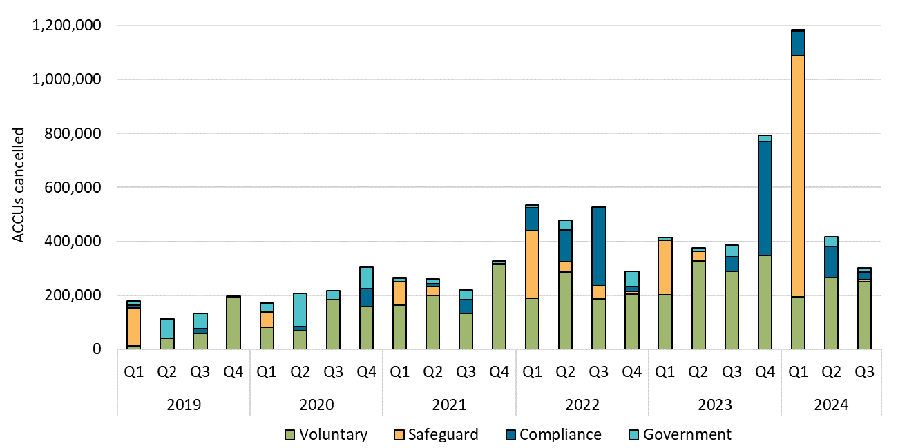

About Figure 1.2 This figure shows ACCU cancellations by demand source over time.

The small print ACCU cancellations exclude deliveries against Commonwealth carbon abatement contract milestones. This classification system is uniform across ACCU and large-scale generation certificate (LGC) cancellations. Noting, Safeguard demand is included for ACCUs only.

Covered activities for each classification
Voluntary demand Cancellations made against voluntary certification programs such as Climate Active and any sort of organisational emissions or energy targets.
Safeguard demand Surrenders made by Safeguard entities to meet Safeguard Mechanism compliance.
Compliance demand Cancellations made by private organisations and corporations for compliance or obligations against municipal, local, state and territory government laws, approvals, or contracts. For example to meet Environmental Protection Authority requirements.
Government demand Cancellations by or on behalf of government entities. For example to offset emissions from vehicle fleets or meet voluntary emissions reduction targets.

Figure 1.3
Back to contents
Figure 1.3 Generic Australian carbon credit unit (ACCU) volume weighted average spot price
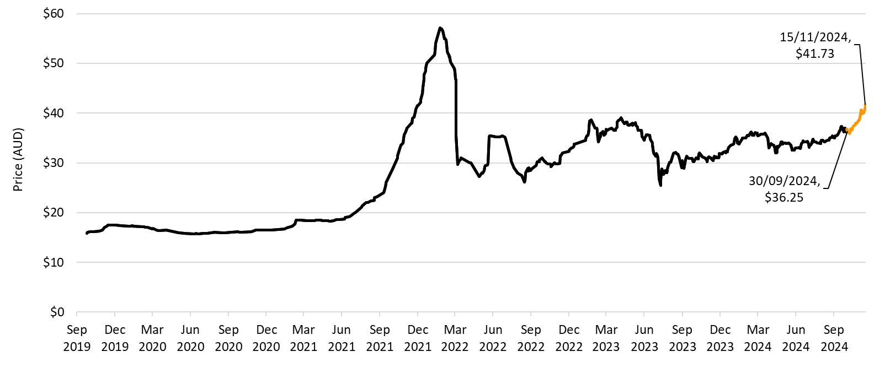

About Figure 1.3 This figure shows the volume weighted average of the generic ACCU spot price over time.

The small print The generic spot price refers to the daily volume weighted average price of spot trades for ACCUs with an unspecified method. Spot trade data is compiled from trades reported by Jarden and CORE markets, and may not be comprehensive. Data as at 15 November 2024.

Figure 1.4
Back to contents
Figure 1.4 Australian carbon credit unit (ACCU) transactions and volumes transacted
Year | Quarter | Number of transactions | ACCUs transacted | Annual total ACCUs transacted
2019 | Q1 | 109 | 2,428,755
2019 | Q2 | 167 | 2,981,341
2019 | Q3 | 125 | 2,252,105
2019 | Q4 | 151 | 2,447,107 | 10,109,308
2020 | Q1 | 154 | 2,564,783
2020 | Q2 | 152 | 2,474,900
2020 | Q3 | 156 | 2,189,719
2020 | Q4 | 172 | 2,988,861 | 10,218,263
2021 | Q1 | 185 | 3,368,819
2021 | Q2 | 184 | 2,868,516
2021 | Q3 | 230 | 3,196,840
2021 | Q4 | 327 | 5,175,254 | 14,609,429
2022 | Q1 | 325 | 6,175,354
2022 | Q2 | 433 | 8,526,489
2022 | Q3 | 543 | 12,605,910
2022 | Q4 | 539 | 8,773,816 | 36,081,569
2023 | Q1 | 659 | 16,617,662
2023 | Q2 | 630 | 14,283,525
2023 | Q3 | 814 | 22,256,259
2023 | Q4 | 878 | 24,055,265 | 77,212,711
2024 | Q1 | 723 | 19,469,850
2024 | Q2 | 853 | 25,334,952
2024 | Q3 | 961 | 21,273,505 | 66,078,307

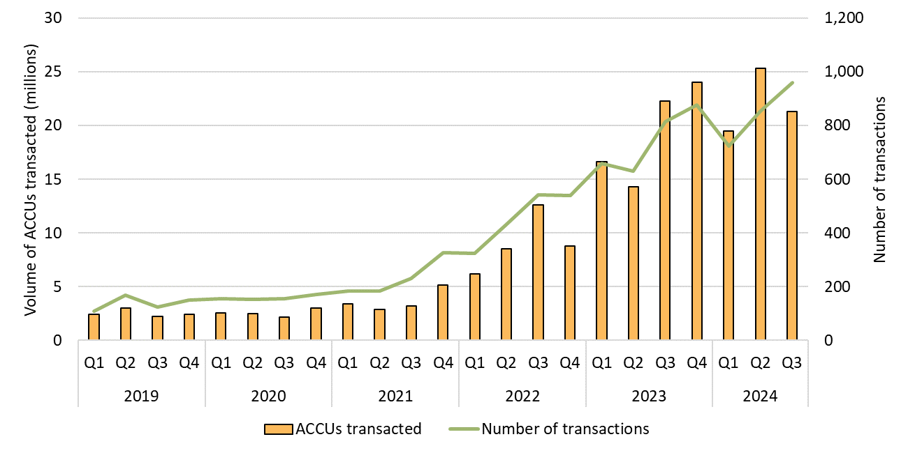

About Figure 1.4 This figure shows the number of ACCU transactions and the volume of ACCUs transacted over time.

The small print ACCU transactions refer to the transfer of ACCUs between accounts. This does not include issuances, delivery to the Commonwealth for ERF contracts, and surrenders or cancellations of ACCUs. This data includes transactions involving the transfer of ACCUs between project proponents, between project proponents and project developers, and between accounts belonging to the same company and/or subsidiaries.

Figure 1.5
Back to contents
Figure 1.5 Australian carbon credit unit (ACCU) holdings (in millions) by market participation
Year | Quarter | Project proponent | Safeguard | Safeguard related | Intermediary | Government | Business | Total holdings | Cost containment measure
2019 | Q1 | 2.1 | 1.2 | 0.2 | 0.5 | 0.3 | 0 | 4.3
2019 | Q2 | 3.5 | 1.3 | 0.7 | 0.5 | 0.4 | 0 | 6.2
2019 | Q3 | 2.0 | 2 | 0.5 | 0.4 | 0.4 | 0 | 5.4
2019 | Q4 | 2.6 | 2 | 0.7 | 0.4 | 0.4 | 0 | 6.1
2020 | Q1 | 2.7 | 1.9 | 0.7 | 0.5 | 0.5 | 0 | 6.3
2020 | Q2 | 3.5 | 1.9 | 1.0 | 0.5 | 0.5 | 0 | 7.5
2020 | Q3 | 2.3 | 2.1 | 0.9 | 0.7 | 0.5 | 0 | 6.4
2020 | Q4 | 3.5 | 2.4 | 0.9 | 0.6 | 0.5 | 0 | 7.9
2021 | Q1 | 3.3 | 2.1 | 1.3 | 0.6 | 0.5 | 0 | 7.8
2021 | Q2 | 4.5 | 2.1 | 1.7 | 0.8 | 0.6 | 0 | 9.7
2021 | Q3 | 4.5 | 2.5 | 1.7 | 1.5 | 0.6 | 0 | 10.9
2021 | Q4 | 4.3 | 2.5 | 1.9 | 2.2 | 0.6 | 0 | 11.5
2022 | Q1 | 4.9 | 2.6 | 2.4 | 2.2 | 0.7 | 0 | 12.9
2022 | Q2 | 6.3 | 3 | 3.2 | 2.7 | 0.8 | 0.1 | 16.1
2022 | Q3 | 7.1 | 3.8 | 3.6 | 4.2 | 0.8 | 0.2 | 19.7
2022 | Q4 | 7.7 | 4 | 4.5 | 5.4 | 0.9 | 0.2 | 22.7
2023 | Q1 | 6.8 | 4.8 | 4.9 | 6.2 | 0.9 | 0.3 | 23.8 | 0.2
2023 | Q2 | 7.6 | 6 | 5.6 | 7.1 | 1.0 | 0.3 | 27.6 | 0.4
2023 | Q3 | 8.7 | 9.3 | 7.2 | 6.9 | 1.1 | 0.3 | 33.5 | 1.2
2023 | Q4 | 8.8 | 11.4 | 6.8 | 7.6 | 1.3 | 0.4 | 36.2 | 1.7
2024 | Q1 | 9.3 | 12.1 | 7.6 | 7.9 | 1.4 | 0.4 | 38.6 | 1.9
2024 | Q2 | 9.0 | 15.1 | 7.6 | 7.9 | 1.4 | 0.4 | 41.3 | 2.6
2024 | Q3 | 8.1 | 18.7 | 8.8 | 7.4 | 1.6 | 0.4 | 45.0 | 3.6
Number of accounts with >0 ACCUs at end of Q3 2024 |  | 172 | 61 | 25 | 52.0 | 36 | 36

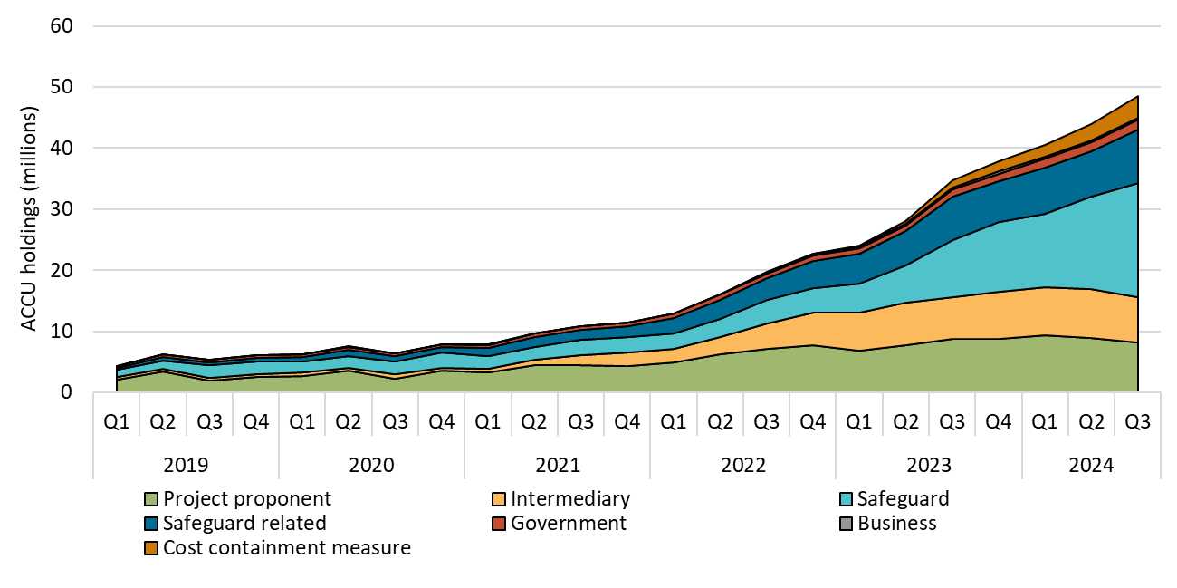

About Figure 1.5 This figure shows ACCU holdings in Australian National Registry of Emissions Units (ANREU) accounts by market participation category over time.

The small print
Totals may not sum due to rounding. ACCU holdings data has been revised to include all accounts. Previously, accounts with nil volume at the end of the quarter were excluded, impacting the historical data. The number of accounts still excludes accounts with nil volume at the end of Q3 2024.

Category definitions
Project proponent An account holder is connected to one or more ACCU Scheme projects. The connection to projects has been determined based on the available project information. Entities may have linkages to projects that have not been disclosed to the Clean Energy Regulator.
Safeguard Account holders are Safeguard entities that control a single account, or in cases where Safeguard entities control multiple accounts, only those that have surrendered ACCUs for Safeguard compliance purposes or have specified a facility are included. Some Safeguard accounts also engage in trading activity, which may result in holding fluctuations in this category.
Safeguard related Account holders are companies, such as subsidiaries, that are related to registered Safeguard entities. These accounts do not specify a facility or have not surrendered ACCUs for Safeguard compliance purposes. These ACCU holdings may be used for future Safeguard compliance purposes.
Intermediary An account holder’s primary operation is to facilitate trading of ACCUs between the supply and demand sides of the market. This also includes accounts that have accumulated ACCUs through the secondary market without known compliance obligations, offset use, or carbon trading/offset services.
Government Account holders are government entities that are accumulating for voluntary or compliance purposes.
Business Account holders do not have a direct link to ACCU Scheme projects. Account holders include participants that are accumulating for voluntary purposes.
Cost containment measure ACCUs that have been delivered under Commonwealth carbon abatement contract milestones after 12 January 2023. These ACCUs will be available to eligible Safeguard entities under the cost containment mechanism.

Figure 1.6
Back to contents
Figure 1.6 Registered Australian Carbon Credit Unit (ACCU) Scheme projects by method type
Year | Quarter | Vegetation | Agriculture - soil carbon | Waste | Energy efficiency | Agriculture - other | Savanna fire management | Transport | Industrial fugitives | Facilities | Carbon capture | Total | Annual total
2019 | Q1 | 3 | 0 | 0 | 0 | 0 | 0 | 0 | 0 | 0 | 0 | 3
2019 | Q2 | 9 | 0 | 1 | 1 | 1 | 0 | 0 | 0 | 0 | 0 | 12
2019 | Q3 | 6 | 0 | 0 | 1 | 0 | 1 | 0 | 0 | 0 | 0 | 8
2019 | Q4 | 5 | 1 | 1 | 1 | 1 | 1 | 0 | 0 | 0 | 0 | 10 | 33
2020 | Q1 | 10 | 4 | 3 | 2 | 0 | 0 | 0 | 0 | 0 | 0 | 19
2020 | Q2 | 9 | 5 | 5 | 2 | 0 | 1 | 0 | 0 | 0 | 0 | 22
2020 | Q3 | 32 | 11 | 0 | 0 | 0 | 0 | 0 | 0 | 0 | 0 | 43
2020 | Q4 | 19 | 43 | 1 | 2 | 0 | 3 | 1 | 0 | 0 | 0 | 69 | 153
2021 | Q1 | 15 | 22 | 0 | 1 | 2 | 0 | 0 | 0 | 1 | 0 | 41
2021 | Q2 | 12 | 23 | 5 | 4 | 0 | 0 | 1 | 0 | 0 | 0 | 45
2021 | Q3 | 18 | 30 | 2 | 3 | 0 | 1 | 0 | 0 | 0 | 0 | 54
2021 | Q4 | 10 | 31 | 2 | 4 | 1 | 1 | 0 | 4 | 0 | 1 | 54 | 194
2022 | Q1 | 43 | 62 | 3 | 4 | 5 | 0 | 1 | 1 | 1 | 0 | 120
2022 | Q2 | 28 | 67 | 9 | 1 | 3 | 0 | 0 | 0 | 0 | 0 | 108
2022 | Q3 | 18 | 36 | 7 | 5 | 2 | 0 | 3 | 0 | 0 | 0 | 71
2022 | Q4 | 25 | 47 | 6 | 1 | 3 | 1 | 0 | 0 | 0 | 0 | 83 | 382
2023 | Q1 | 41 | 25 | 2 | 3 | 0 | 0 | 0 | 0 | 0 | 0 | 71
2023 | Q2 | 54 | 19 | 7 | 2 | 0 | 1 | 0 | 1 | 0 | 0 | 84
2023 | Q3 | 106 | 17 | 6 | 0 | 4 | 0 | 1 | 0 | 0 | 0 | 134
2023 | Q4 | 27 | 33 | 5 | 1 | 0 | 2 | 2 | 2 | 0 | 0 | 72 | 361
2024 | Q1 | 47 | 39 | 6 | 0 | 0 | 0 | 0 | 1 | 0 | 0 | 93
2024 | Q2 | 25 | 28 | 5 | 0 | 1 | 0 | 1 | 0 | 0 | 0 | 60
2024 | Q3 | 77 | 94 | 10 | 0 | 1 | 0 | 0 | 0 | 0 | 0 | 182 | 335
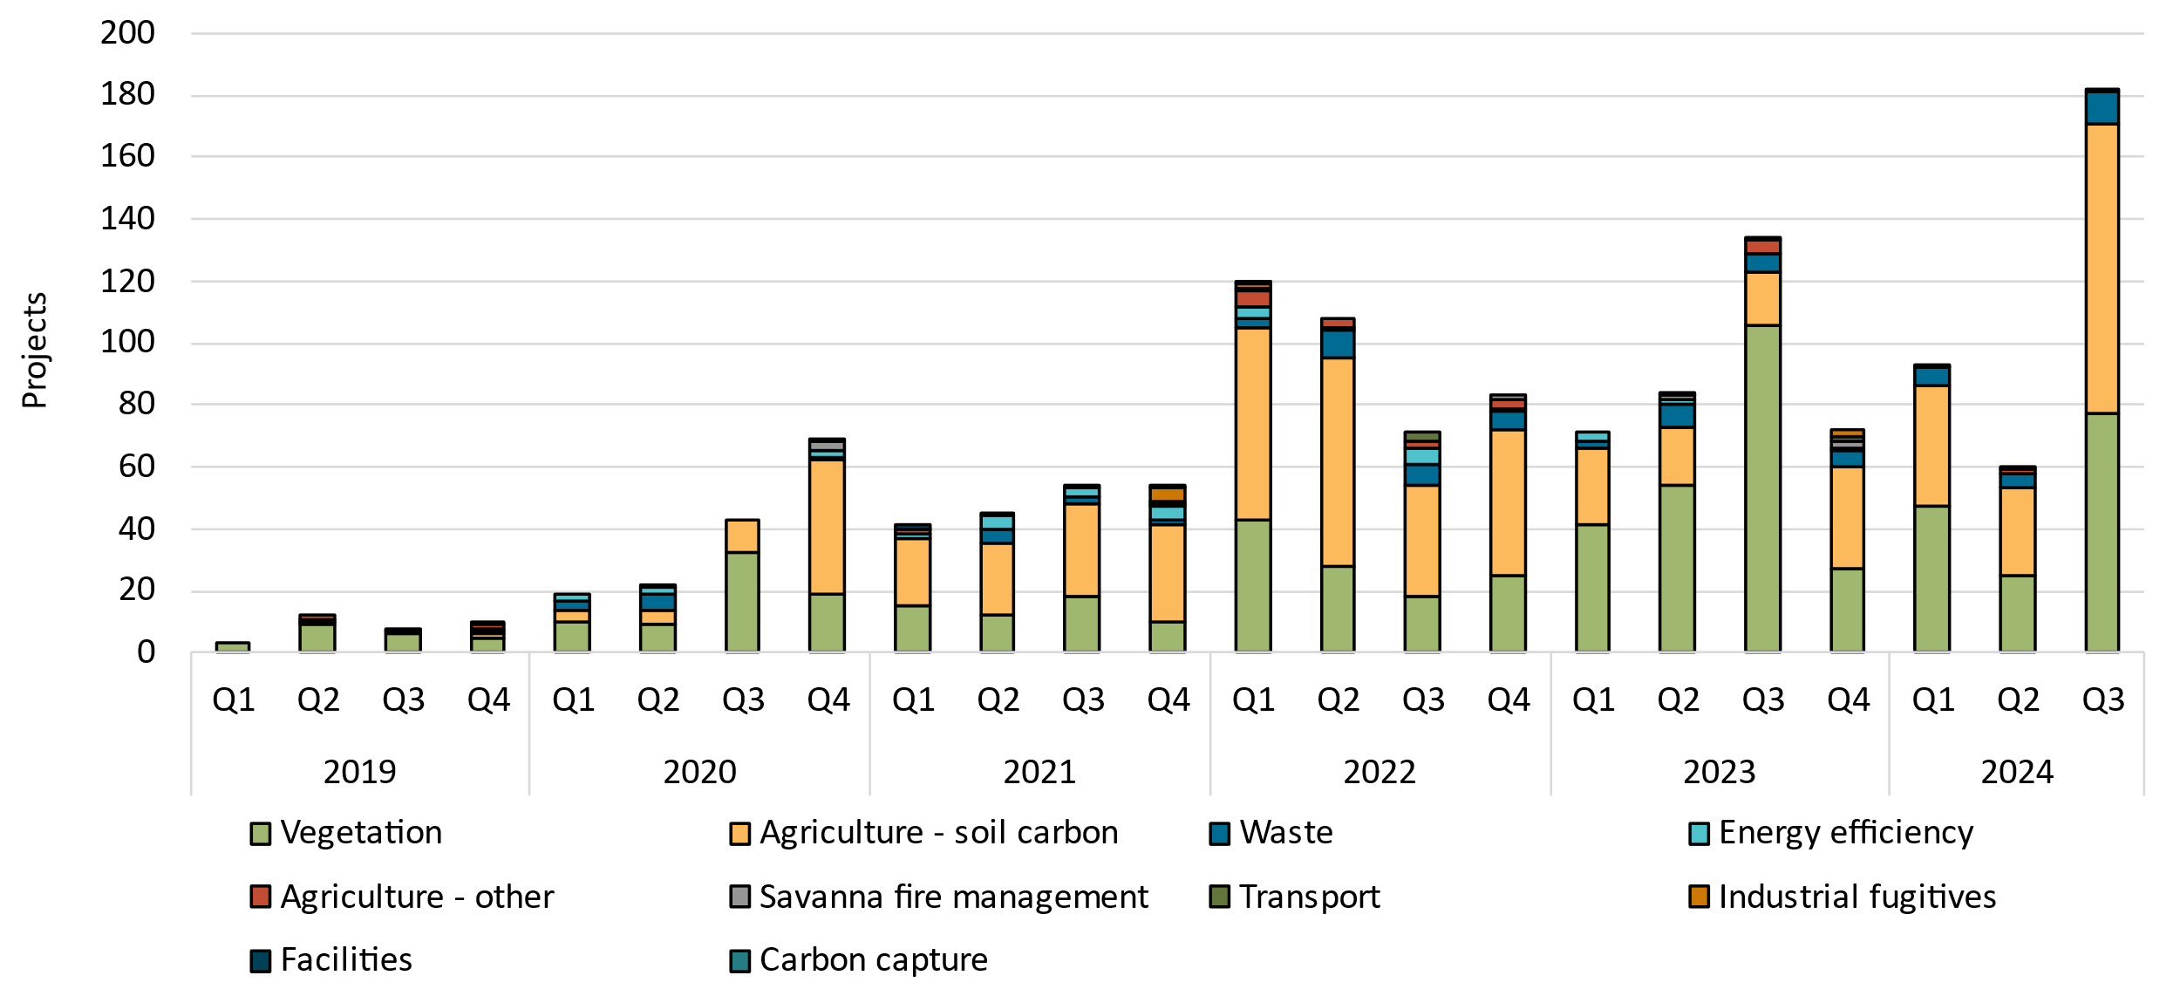

About Figure 1.6 This figure shows registered projects under the ACCU Scheme by method type over time.

The small print The 'agriculture' method type has been segregated into 'agriculture - soil carbon' and 'agriculture- other' to highlight growth in the soil carbon sector. The 'agriculture - soil carbon' method includes the ‘measurement of soil carbon sequestration in agricultural systems' method, the ‘sequestering carbon in soils in grazing systems’ method and the 'estimation of soil carbon sequestration using measurement and models' method.

Figure 1.7
Back to contents
Figure 1.7 Australian carbon credit units (ACCUs) issued by method type
Year | Quarter | Vegetation | Waste | Savanna fire management | Energy efficiency | Industrial fugitives | Agriculture | Transport | Facilities | Total | Annual total
2019 | Q1 | 1,491,980 | 1,159,172 | 0 | 173,205 | 0 | 11,876 | 0 | 0 | 2,836,233
2019 | Q2 | 2,832,089 | 887,966 | 766,238 | 47,250 | 337,647 | 26,921 | 0 | 0 | 4,898,111
2019 | Q3 | 1,486,212 | 1,774,611 | 249,890 | 22,594 | 13,861 | 64,104 | 9,489 | 0 | 3,620,761
2019 | Q4 | 2,494,348 | 619,376 | 25,560 | 204,386 | 0 | 131,330 | 0 | 0 | 3,475,000 | 14,830,105
2020 | Q1 | 2,409,504 | 936,022 | 185,221 | 15,929 | 0 | 47,789 | 0 | 0 | 3,594,465
2020 | Q2 | 2,662,324 | 606,166 | 982,557 | 186,830 | 302,761 | 33,141 | 12,453 | 0 | 4,786,232
2020 | Q3 | 1,597,098 | 688,192 | 119,158 | 10,787 | 0 | 56,073 | 12,261 | 0 | 2,483,569
2020 | Q4 | 3,010,930 | 1,816,561 | 17,163 | 241,694 | 0 | 102,191 | 0 | 0 | 5,188,539 | 16,052,805
2021 | Q1 | 1,840,204 | 852,778 | 50,477 | 198,504 | 0 | 165,365 | 0 | 0 | 3,107,328
2021 | Q2 | 2,670,300 | 1,568,119 | 970,180 | 74,083 | 274,463 | 110,189 | 19,505 | 0 | 5,686,839
2021 | Q3 | 2,261,226 | 1,907,849 | 599,099 | 16,295 | 0 | 27,980 | 2,324 | 0 | 4,814,773
2021 | Q4 | 2,571,002 | 625,412 | 20,958 | 122,888 | 0 | 91,582 | 0 | 0 | 3,431,842 | 17,040,782
2022 | Q1 | 2,099,793 | 880,188 | 17,753 | 180,107 | 0 | 160,812 | 0 | 0 | 3,338,653
2022 | Q2 | 2,631,819 | 676,403 | 1,130,902 | 178,081 | 240,758 | 30,401 | 34,895 | 0 | 4,923,259
2022 | Q3 | 2,129,636 | 3,316,622 | 123,304 | 35,791 | 0 | 73,592 | 0 | 0 | 5,678,945
2022 | Q4 | 2,949,405 | 646,281 | 44,335 | 136,533 | 0 | 10,134 | 10,514 | 0 | 3,797,202 | 17,738,059
2023 | Q1 | 1,029,657 | 394,145 | 104,511 | 13,695 | 0 | 290,414 | 0 | 0 | 1,832,422
2023 | Q2 | 1,994,187 | 1,408,753 | 412,693 | 324,783 | 75,246 | 161,796 | 0 | 0 | 4,377,458
2023 | Q3 | 3,336,827 | 1,948,240 | 847,373 | 97,945 | 580,200 | 152,197 | 35,230 | 0 | 6,998,012
2023 | Q4 | 2,544,815 | 1,018,877 | 389,497 | 35,305 | 0 | 24,722 | 0 | 0 | 4,013,216 | 17,221,108
2024 | Q1 | 2,001,363 | 1,528,900 | 146,698 | 20,320 | 68,162 | 27,174 | 0 | 0 | 3,792,617
2024 | Q2 | 1,761,956 | 1,512,917 | 425,885 | 141,288 | 0 | 25,828 | 0 | 0 | 3,867,874
2024 | Q3 | 2,323,958 | 1,018,192 | 932,530 | 0 | 447,907 | 123,736 | 0 | 104,424 | 4,950,747 | 12,611,238

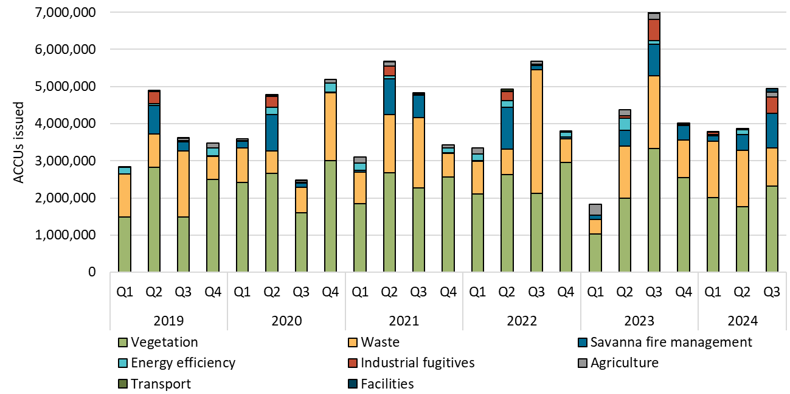

About Figure 1.7 This figure shows ACCUs issued by method type over time.

The small print ACCU issuance follows a seasonal pattern for certain method types, including industrial fugitive methods and savanna fire management.

Figure 1.8
Back to contents
Figure 1.8 Australian carbon credit unit (ACCU) cancellations by method type
Year | Quarter | Vegetation | Savanna fire management | Waste | Energy efficiency | Industrial fugitives | Agriculture | Transport | Total | Annual Total
2019 | Q1 | 20,490 | 30,574 | 106,304 | 0 | 18,142 | 4,483 | 0 | 179,993
2019 | Q2 | 20,594 | 90,684 | 0 | 0 | 0 | 0 | 0 | 111,278
2019 | Q3 | 67,112 | 63,265 | 2,292 | 0 | 0 | 0 | 0 | 132,669
2019 | Q4 | 110,778 | 67,511 | 17,320 | 272 | 900 | 0 | 0 | 196,781 | 620,721
2020 | Q1 | 82,487 | 35,852 | 37,253 | 16,245 | 0 | 0 | 0 | 171,837
2020 | Q2 | 43,642 | 148,034 | 14,343 | 0 | 0 | 0 | 0 | 206,019
2020 | Q3 | 41,960 | 172,185 | 300 | 0 | 0 | 1,575 | 0 | 216,020
2020 | Q4 | 197,080 | 71,320 | 35,669 | 0 | 0 | 0 | 6 | 304,075 | 897,951
2021 | Q1 | 119,938 | 115,678 | 22,963 | 152 | 269 | 0 | 3,814 | 262,814
2021 | Q2 | 94,903 | 155,338 | 9,973 | 0 | 0 | 0 | 0 | 260,214
2021 | Q3 | 88,494 | 70,918 | 60,946 | 0 | 0 | 0 | 0 | 220,358
2021 | Q4 | 155,641 | 163,216 | 9,504 | 0 | 0 | 0 | 0 | 328,361 | 1,071,747
2022 | Q1 | 208,547 | 77,510 | 180,953 | 64,339 | 2,238 | 0 | 0 | 533,587
2022 | Q2 | 352,580 | 122,358 | 4,165 | 0 | 0 | 0 | 0 | 479,103
2022 | Q3 | 412,559 | 66,238 | 46,684 | 1,424 | 0 | 0 | 0 | 526,905
2022 | Q4 | 136,374 | 126,510 | 11,658 | 565 | 0 | 13,114 | 0 | 288,221 | 1,827,816
2023 | Q1 | 200,004 | 120,217 | 19,470 | 67,186 | 0 | 6,855 | 823 | 414,555
2023 | Q2 | 259,397 | 88,151 | 4,530 | 23,300 | 0 | 1,197 | 0 | 376,575
2023 | Q3 | 128,100 | 185,939 | 54,966 | 379 | 483 | 16,896 | 0 | 386,763
2023 | Q4 | 238,191 | 195,054 | 357,330 | 7 | 0 | 2,531 | 0 | 793,113 | 1,971,006
2024 | Q1 | 610,750 | 155,772 | 246,378 | 132,595 | 34,675 | 5,000 | 200 | 1,185,370
2024 | Q2 | 283,788 | 116,516 | 14,844 | 476 | 0 | 25 | 0 | 415,649
2024 | Q3 | 105,433 | 193,222 | 2,364 | 922 | 0 | 13 | 0 | 301,954 | 1,902,973

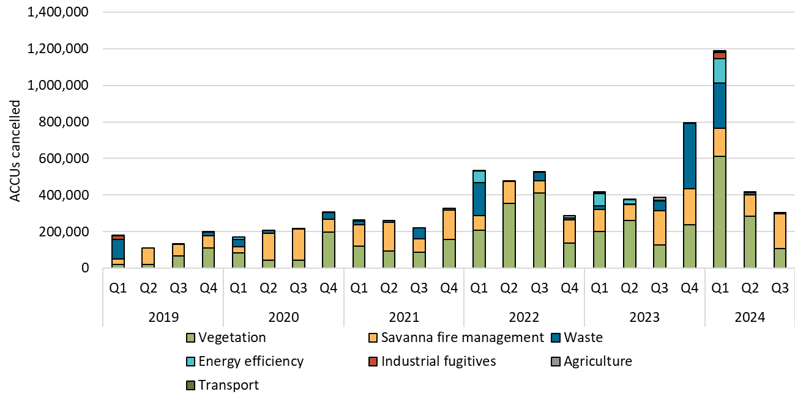

About Figure 1.8 This figure shows ACCU cancellations by method type over time.

Small print These ACCU cancellations in the Australian National Registry of Emissions Units (ANREU) are for purposes other than deliveries against Commonwealth carbon abatement contract milestones. These ACCU cancellations could be voluntary to show progress towards reducing net scope 1 emissions, to meet state or territory regulatory requirements or surrenders for Safeguard Mechanism compliance obligations.

Figure 2.1
Back to contents
Figure 2.1 Large-scale generation certificates (LGCs) validated by technology type
Year | Quarter | Wind | Solar | Biomass | Hydroelectricity | Waste coal mine gas | Total | Annual total
2019 | Q1 | 4,163,383 | 1,325,825 | 784,269 | 839,688 | 169,615 | 7,282,780
2019 | Q2 | 4,310,490 | 1,070,199 | 478,893 | 57,938 | 284,535 | 6,202,055
2019 | Q3 | 4,608,738 | 1,114,407 | 586,299 | 170,849 | 278,078 | 6,758,371
2019 | Q4 | 5,555,545 | 1,818,946 | 1,001,089 | 879,547 | 117,768 | 9,372,895 | 29,616,101
2020 | Q1 | 4,313,812 | 1,973,944 | 545,611 | 403,025 | 161,286 | 7,397,678
2020 | Q2 | 4,974,714 | 1,526,406 | 327,152 | 57,458 | 82,299 | 6,968,029
2020 | Q3 | 5,023,838 | 1,387,380 | 562,685 | 58,210 | 290,632 | 7,322,745
2020 | Q4 | 7,038,530 | 2,447,583 | 1,092,288 | 581,376 | 304,751 | 11,464,528 | 33,152,980
2021 | Q1 | 5,585,594 | 2,424,731 | 432,716 | 751,496 | 11,028 | 9,205,565
2021 | Q2 | 5,418,883 | 2,128,835 | 344,264 | 60,940 | 0 | 7,952,922
2021 | Q3 | 6,984,780 | 1,716,402 | 394,604 | 112,893 | 0 | 9,208,679
2021 | Q4 | 8,235,025 | 3,042,634 | 982,100 | 305,208 | 0 | 12,564,967 | 38,932,133
2022 | Q1 | 5,281,079 | 3,466,134 | 615,892 | 816,529 | 0 | 10,179,634
2022 | Q2 | 6,356,949 | 2,733,665 | 345,547 | 90,978 | 0 | 9,527,139
2022 | Q3 | 8,076,905 | 2,297,227 | 596,284 | 207,837 | 0 | 11,178,253
2022 | Q4 | 6,750,741 | 3,284,968 | 613,178 | 556,726 | 0 | 11,205,613 | 42,090,639
2023 | Q1 | 6,812,455 | 4,523,784 | 838,244 | 891,226 | 0 | 13,065,709
2023 | Q2 | 7,286,918 | 3,463,773 | 398,580 | 138,585 | 0 | 11,287,856
2023 | Q3 | 8,500,814 | 3,090,340 | 386,810 | 141,337 | 0 | 12,119,301
2023 | Q4 | 7,657,674 | 4,422,891 | 780,365 | 268,648 | 0 | 13,129,578 | 49,602,444
2024 | Q1 | 7,039,551 | 5,106,888 | 660,904 | 1,036,842 | 0 | 13,844,185
2024 | Q2 | 6,692,758 | 4,029,007 | 271,129 | 64,625 | 0 | 11,057,519
2024 | Q3 | 8,538,561 | 3,409,643 | 512,130 | 107,558 | 0 | 12,567,892 | 37,469,596

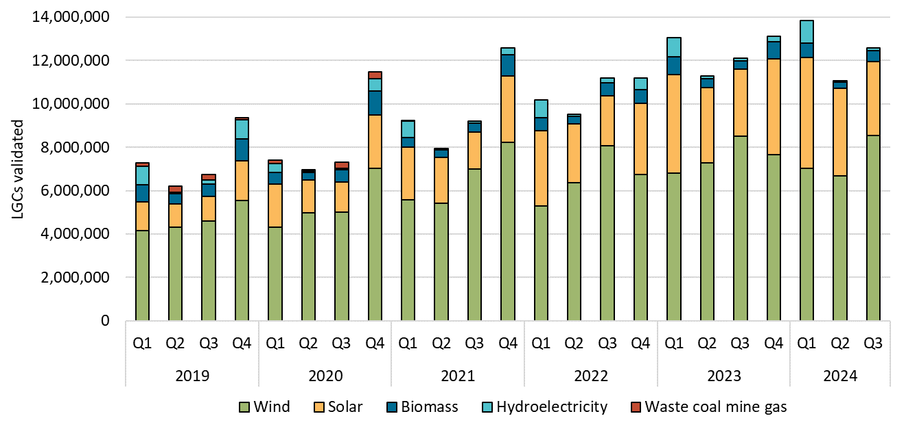

About Figure 2.1 This figure shows the number of LGCs validated by technology type over time.

The small print Waste coal mine gas is no longer eligible to create LGCs as of 2021. Validations in 2021 reflect LGCs that were created prior to 2021.

Figure 2.2
Back to contents
Figure 2.2 Large-scale generation certificate (LGC) reported spot and forward prices

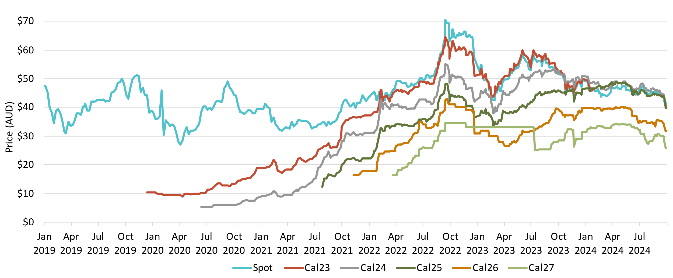

About Figure 2.2 This figure shows the daily closing LGC spot price and calendar year forward prices over time.

The small print For example, Cal25 is the 2025 calendar year, where an agreement is made to buy/sell LGCs at a specified price in 2025. Pricing data is compiled from trades reported by CORE markets and may not be comprehensive.

Figure 2.3
Back to contents
Figure 2.3 Approved large-scale wind and solar capacity in gigawatts (GW)
Year | Quarter | Wind | Solar | Total | Annual total
2019 | Q1 | 0.08 | 0.58 | 0.66
2019 | Q2 | 0.58 | 0.45 | 1.03
2019 | Q3 | 0.69 | 0.43 | 1.12
2019 | Q4 | 0 | 1.01 | 1.01 | 3.82
2020 | Q1 | 0.17 | 0.39 | 0.56
2020 | Q2 | 1.38 | 0.41 | 1.79
2020 | Q3 | 0.21 | 0.17 | 0.38
2020 | Q4 | 0.56 | 0.90 | 1.46 | 4.19
2021 | Q1 | 0 | 0.24 | 0.24
2021 | Q2 | 0.19 | 0.13 | 0.32
2021 | Q3 | 0.16 | 0.45 | 0.61
2021 | Q4 | 0 | 1.15 | 1.15 | 2.32
2022 | Q1 | 0.22 | 0.08 | 0.30
2022 | Q2 | 0 | 0.40 | 0.40
2022 | Q3 | 0.24 | 0.25 | 0.49
2022 | Q4 | 0.27 | 1.00 | 1.27 | 2.46
2023 | Q1 | 0 | 0.27 | 0.27
2023 | Q2 | 0 | 0.67 | 0.67
2023 | Q3 | 0.58 | 0.03 | 0.61
2023 | Q4 | 0.15 | 0.50 | 0.65 | 2.20
2024 | Q1 | 0.28 | 0.59 | 0.87
2024 | Q2 | 0.32 | 0.20 | 0.52
2024 | Q3 | 0.79 | 0.49 | 1.28 | 2.67

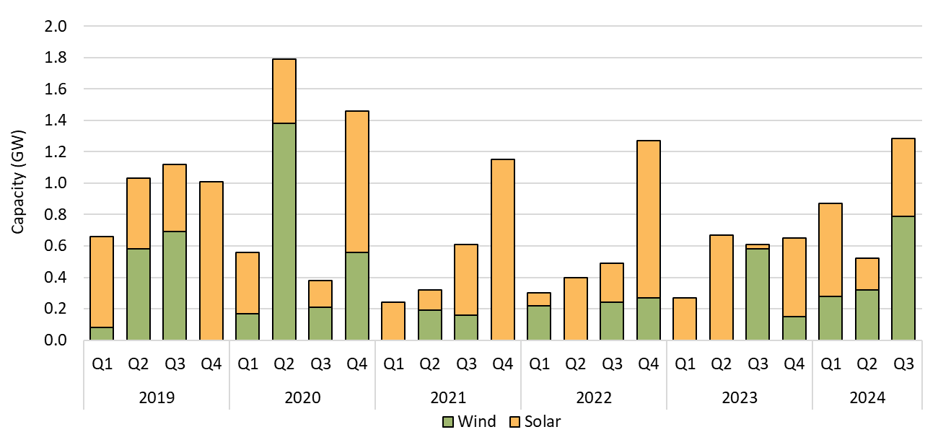

About Figure 2.3 This figure shows the capacity of large-scale wind and solar power stations approved by the Clean Energy Regulator to generate large-scale generation certificates over time.

The small print Solar and wind hybrid projects are grouped under the solar category. Totals may not sum due to rounding.

Figure 2.4
Back to contents
Figure 2.4 Final investment decision capacity in gigawatts (GW) for large-scale renewable generation
Year | Quarter | Capacity | Four quarter rolling average | Four quarter rolling Sum | Annual total capacity
2016 | Q1 | 0.04
 | Q2 | 0.30
 | Q3 | 0.01
 | Q4 | 0.95 | 0.33 | 1.31 | 1.31
2017 | Q1 | 0.85 | 0.53 | 2.12
 | Q2 | 0.75 | 0.64 | 2.57
 | Q3 | 1.12 | 0.92 | 3.67
 | Q4 | 1.30 | 1.00 | 4.02 | 4.02
2018 | Q1 | 1.47 | 1.16 | 4.64
 | Q2 | 0.96 | 1.21 | 4.85
 | Q3 | 0.61 | 1.09 | 4.34
 | Q4 | 1.87 | 1.23 | 4.92 | 4.92
2019 | Q1 | 0.69 | 1.03 | 4.13
 | Q2 | 0.68 | 0.96 | 3.85
 | Q3 | 0.47 | 0.93 | 3.70
 | Q4 | 0.56 | 0.60 | 2.39 | 2.39
2020 | Q1 | 1.21 | 0.73 | 2.91
 | Q2 | 0.02 | 0.56 | 2.25
 | Q3 | 1.29 | 0.77 | 3.07
 | Q4 | 0.78 | 0.82 | 3.30 | 3.30
2021 | Q1 | 0.32 | 0.60 | 2.41
 | Q2 | 0.74 | 0.78 | 3.13
 | Q3 | 1.17 | 0.75 | 3.01
 | Q4 | 1.07 | 0.83 | 3.30 | 3.30
2022 | Q1 | 1.41 | 1.10 | 4.40
 | Q2 | 0.43 | 1.02 | 4.09
 | Q3 | 0.49 | 0.85 | 3.40
 | Q4 | 2.23 | 1.14 | 4.56 | 4.56
2023 | Q1 | 0.48 | 0.91 | 3.63
 | Q2 | 0.06 | 0.82 | 3.27
 | Q3 | 0.17 | 0.74 | 2.95
 | Q4 | 0.95 | 0.42 | 1.67 | 1.67
2024 | Q1 | 0.80 | 0.50 | 1.99
 | Q2 | 1.05 | 0.74 | 2.97
 | Q3 | 1.15 | 0.99 | 3.95 | 3.00

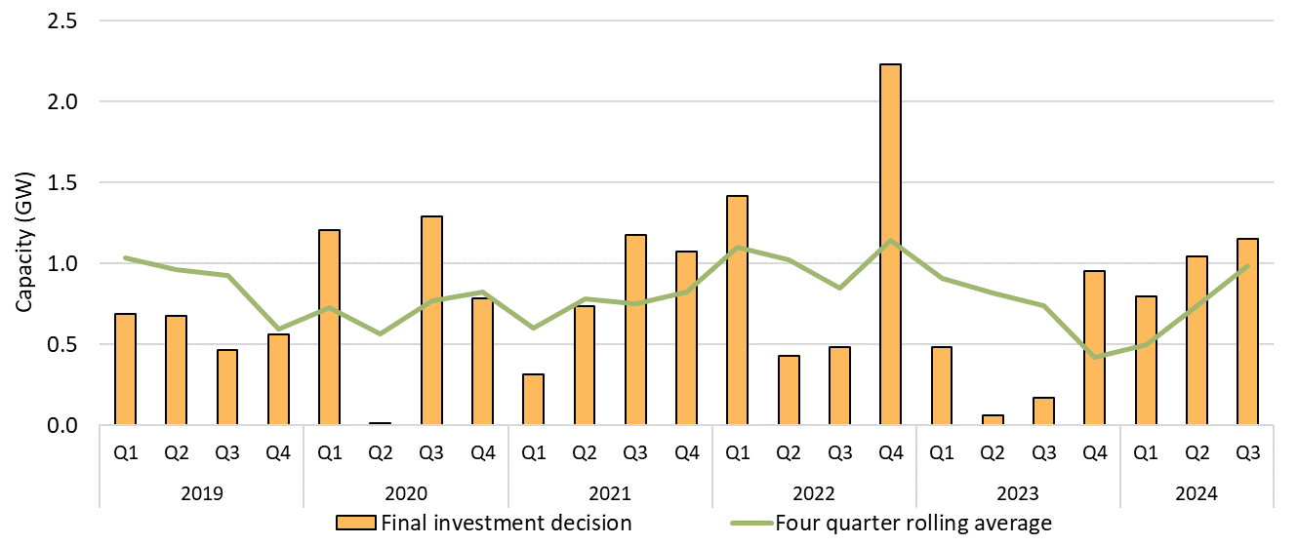

About Figure 2.5 This figure shows the capacity and four quarter rolling average of large-scale renewable power stations to reach a final investment decision over time.

The small print The Clean Energy Regulator tracks public announcements. Data may be incomplete and may change retrospectively. Totals may not sum due to rounding. Data as at 30 June 2024.

Figure 2.5
Back to contents
Figure 2.5 Large-scale generation certificate (LGC) holdings (in millions) by market participation
Year | Quarter | Liable entity | Power station | Non-RET (voluntary) | Non-RET (compliance) | Non-RET (government) | Intermediary | Other | Total holdings
2019 | Q1 | 3.8 | 2.7 | 0.7 | 1.9 | 1.3 | 0.3 | 0.3 | 11.1
2019 | Q2 | 7.0 | 3.3 | 1.2 | 2.2 | 1.4 | 0.9 | 0.4 | 16.4
2019 | Q3 | 10.8 | 3.1 | 1.0 | 2.3 | 1.4 | 1.6 | 0.9 | 21.0
2019 | Q4 | 15.0 | 4.8 | 1.5 | 2.4 | 2.8 | 2.8 | 0.9 | 30.2
2020 | Q1 | 2.8 | 2.7 | 1.1 | 2.0 | 2.7 | 0.5 | 0.5 | 12.3
2020 | Q2 | 6.8 | 4.3 | 1.3 | 2.1 | 0.5 | 1.3 | 0.7 | 16.9
2020 | Q3 | 10.6 | 4.3 | 1.3 | 1.7 | 0.5 | 1.9 | 1.0 | 21.2
2020 | Q4 | 14.8 | 7.0 | 1.9 | 2.9 | 1.9 | 3.3 | 0.6 | 32.4
2021 | Q1 | 3.8 | 3.1 | 1.3 | 1.8 | 2.4 | 0.8 | 0.3 | 13.5
2021 | Q2 | 7.6 | 4.4 | 1.9 | 1.9 | 0.6 | 1.2 | 0.4 | 18.0
2021 | Q3 | 11.2 | 4.7 | 2.5 | 1.6 | 0.6 | 3.4 | 0.4 | 24.5
2021 | Q4 | 16.5 | 6.0 | 2.4 | 1.7 | 2.2 | 4.3 | 0.6 | 33.6
2022 | Q1 | 2.8 | 3.5 | 2.1 | 1.6 | 2.8 | 0.9 | 0.5 | 14.2
2022 | Q2 | 7.5 | 5.4 | 3.1 | 1.9 | 0.8 | 0.7 | 0.5 | 20.0
2022 | Q3 | 12.2 | 6.6 | 3.0 | 1.7 | 1.0 | 2.9 | 0.6 | 28.0
2022 | Q4 | 14.4 | 8.1 | 4.6 | 1.9 | 1.1 | 5.2 | 0.6 | 36.0
2023 | Q1 | 3.5 | 4.0 | 3.7 | 1.5 | 0.9 | 0.7 | 0.3 | 14.6
2023 | Q2 | 8.0 | 6.7 | 4.6 | 1.9 | 0.6 | 2.7 | 0.3 | 24.7
2023 | Q3 | 15.4 | 8.6 | 3.5 | 2.2 | 0.6 | 2.6 | 0.4 | 33.2
2023 | Q4 | 20.1 | 11.1 | 4.4 | 2.7 | 0.8 | 3.1 | 0.7 | 42.9
2024 | Q1 | 4.0 | 5.1 | 5.2 | 2.4 | 2.3 | 1.8 | 0.3 | 21.1
2024 | Q2 | 10.4 | 7.1 | 6.1 | 2.4 | 0.5 | 1.7 | 0.2 | 28.5
2024 | Q3 | 11.3 | 10.7 | 6.9 | 2.9 | 1.7 | 0.7 | 1.1 | 35.3

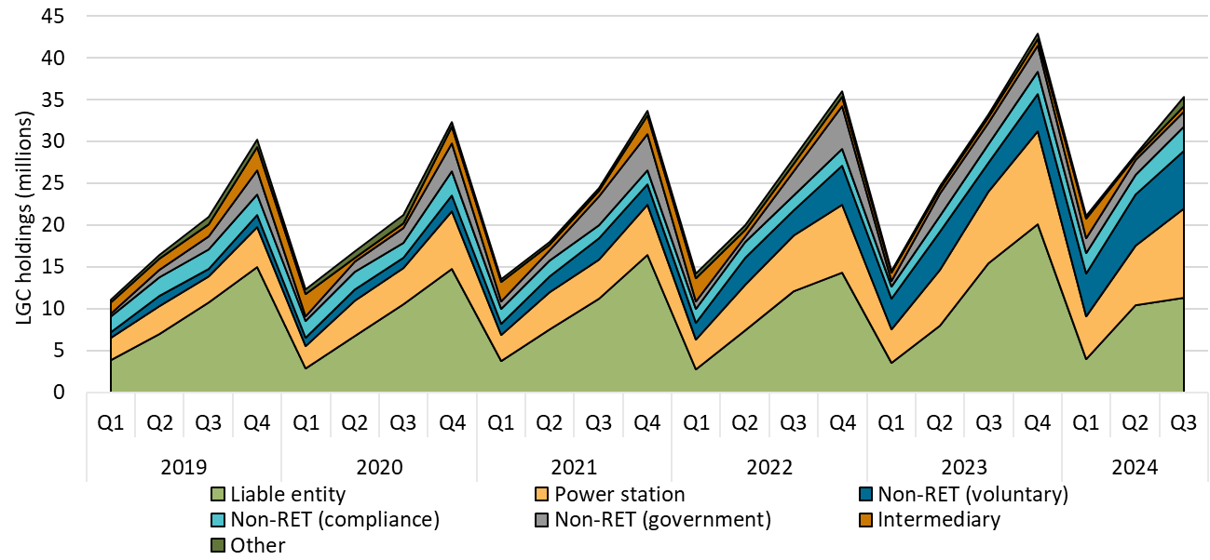

About Figure 2.7 This figure shows LGC holdings in Renewable Energy Certificate (REC) Registry accounts by market participation category over time.

The small print Holdings are for registered LGCs as at the end of the quarter and exclude any pending transactions. Accounts are categorised according to their primary role or function based on transaction patterns and the name of the account. An account's category is subject to change.
Category definitions
Liable entity Account holder is a liable entity.
Power station Account holder has created LGCs.
Non-RET (voluntary) Account holder has surrendered LGCs voluntarily. This includes accounts labelled as 'GreenPower' in the REC registry.
Non-RET (compliance) Account holder has surrendered LGCs voluntarily for non-RET compliance reasons (for example, desalination plants) or the account holder is a Safeguard entity or related to a Safeguard entity.
Non-RET (government) Account holder has surrendered LGCs voluntarily and is a government entity.
Intermediary Account holder has transacted/received over 1 million LGCs and does not fit into any of the other categories.
Other Account holder does not fit into any of the other categories.

Figure 2.6
Back to contents
Figure 2.6 Non-Renewable Energy Target (non-RET) large-scale generation certificate (LGC) cancellations by demand source
Year | Quarter | Voluntary | Government | Compliance | Total | Annual total
2019 | Q1 | 555 | 12,746 | 6,411 | 19,712
2019 | Q2 | 2,499 | 965 | 0 | 3,464
2019 | Q3 | 538,368 | 0 | 89,471 | 627,839
2019 | Q4 | 82,582 | 0 | 2,370 | 84,952 | 735,967
2020 | Q1 | 66,010 | 85,164 | 117,690 | 268,864
2020 | Q2 | 120,762 | 56,755 | 0 | 177,517
2020 | Q3 | 747,087 | 2,263,408 | 411,931 | 3,422,426
2020 | Q4 | 156,448 | 149 | 0 | 156,597 | 4,025,404
2021 | Q1 | 212,154 | 75,858 | 70,461 | 358,473
2021 | Q2 | 223,154 | 2,290,402 | 6,069 | 2,519,625
2021 | Q3 | 936,185 | 19,013 | 431,873 | 1,387,071
2021 | Q4 | 302,240 | 0 | 1,204,072 | 1,506,312 | 5,771,481
2022 | Q1 | 615,330 | 560,273 | 40,627 | 1,216,230
2022 | Q2 | 349,062 | 1,875 | 5,421 | 356,358
2022 | Q3 | 1,430,709 | 2,752,096 | 470,599 | 4,653,404
2022 | Q4 | 1,107,155 | 57,418 | 20,220 | 1,184,793 | 7,410,785
2023 | Q1 | 1,314,848 | 597,410 | 173,090 | 2,085,348
2023 | Q2 | 902,960 | 2,206,103 | 35,671 | 3,144,734
2023 | Q3 | 2,409,212 | 245,293 | 79,215 | 2,733,720
2023 | Q4 | 641,745 | 59,289 | 53,054 | 754,088 | 8,717,890
2024 | Q1 | 1,684,129 | 404,460 | 195,633 | 2,284,222
2024 | Q2 | 1,282,258 | 2,219,409 | 31,082 | 3,532,749
2024 | Q3 | 1,192,640 | 191,838 | 187,387 | 1,571,865 | 7,388,836

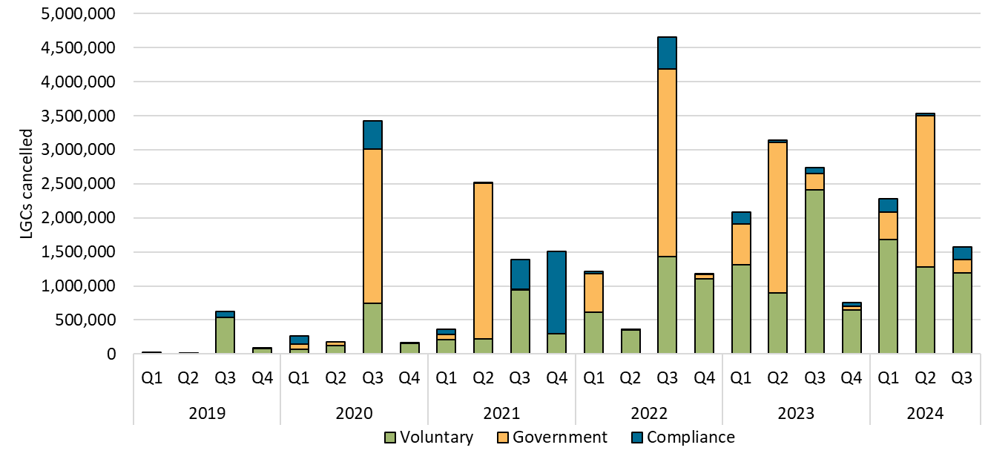

About Figure 2.6 This figure shows non-RET LGC cancellations by demand source over time.

The small print
This classification system is uniform across Australian carbon credit unit (ACCU) and LGC cancellations.

Covered activities for each classification
Voluntary demand Cancellations made against voluntary certification programs such as Climate Active and any sort of organisational emissions or energy targets.
Government demand Cancellations by or on behalf of government entities. For example to offset emissions from vehicle fleets or meet voluntary emissions reduction targets.
Compliance demand Cancellations made by private organisations and corporations for compliance or obligations against municipal, local, state and territory government laws, approvals, or contracts. For example to meet Environmental Protection Authority requirements.

Figure 2.7
Back to contents
Figure 2.7 Large-scale generation certificate (LGC) spot price

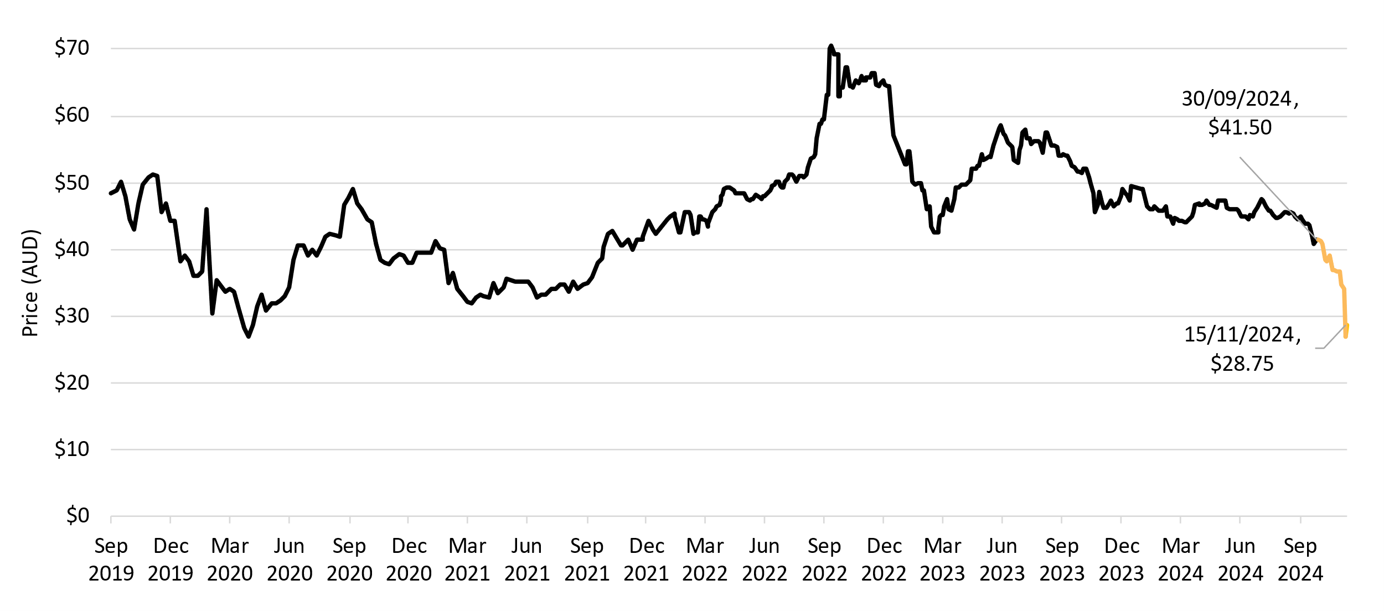

About Figure 2.8 This figure shows the daily closing LGC spot price over time.

The small print Spot price data is compiled from trades reported by CORE markets and may not be comprehensive. Includes price data up to and inclusive of 15 November 2024.

Figure 3.1
Back to contents
Figure 3.1 Weekly small-scale technology certificate (STC) supply and the required supply to meet the small-scale technology percentage (STP)
Month | Week | STC supply
Jan | 1 | 637,128
Jan | 2 | 514,590
Jan | 3 | 564,258
Jan | 4 | 543,665
Feb | 5 | 642,611
Feb | 6 | 598,243
Feb | 7 | 660,289
Feb | 8 | 872,929
Mar | 9 | 784,164
Mar | 10 | 723,944
Mar | 11 | 606,291
Mar | 12 | 760,022
Mar | 13 | 530,632
Apr | 14 | 564,795
Apr | 15 | 700,966
Apr | 16 | 837,378
Apr | 17 | 543,390
May | 18 | 653,784
May | 19 | 556,150
May | 20 | 729,590
May | 21 | 667,859
Jun | 22 | 698,640
Jun | 23 | 666,981
Jun | 24 | 536,013
Jun | 25 | 649,711
Jun | 26 | 612,721
Jul | 27 | 702,080
Jul | 28 | 665,971
Jul | 29 | 640,302
Jul | 30 | 634,992
Aug | 31 | 692,912
Aug | 32 | 704,261
Aug | 33 | 707,460
Aug | 34 | 634,388
Aug | 35 | 597,153
Sep | 36 | 591,947
Sep | 37 | 669,589
Sep | 38 | 665,428
Sep | 39 | 630,400
Oct | 40 | 106,106

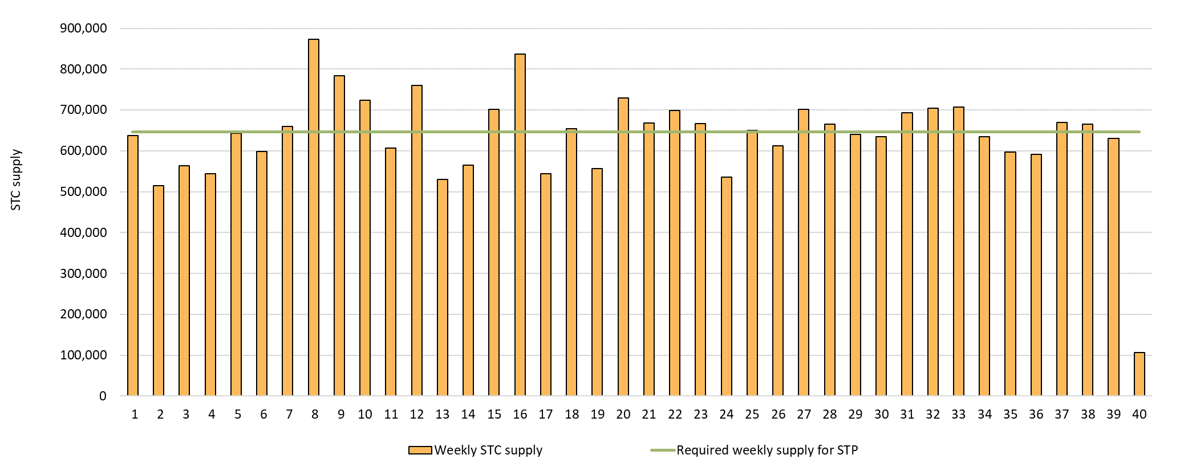

About Figure 3.1 This figure shows the weekly supply of STCs in 2024. It also shows the required weekly supply of STCs (646,154) to meet the 2024 STP.

The small print Required STC supply refers to the estimated number of STCs to be created (33.6 million) to meet the annual STP liability and under/over supply from previous years. Some weeks are spread across multiple months, the month label refers to the month as at the end of the week. Data as at 30 September 2024.

Figure 3.2
Back to contents
Figure 3.2 Small-scale technology certificate (STC) reported spot and clearing house prices

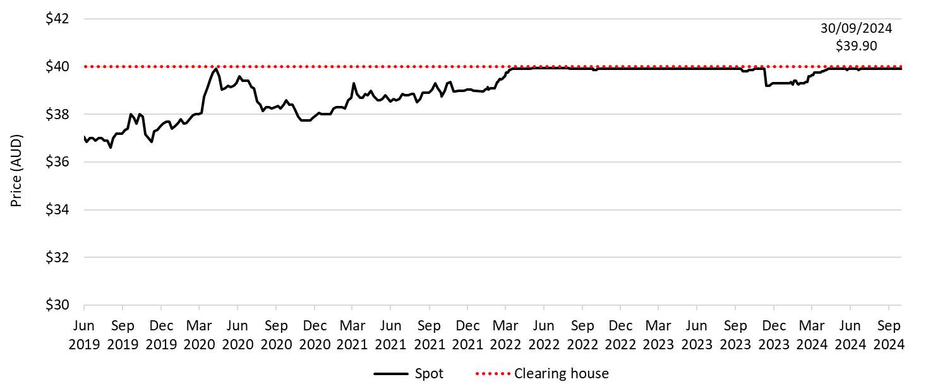

About Figure 3.2 This figure shows the daily closing STC spot price over time. It also shows the STC clearing house price.

The small print Pricing data is complied from trades reported by CORE markets and may not be comprehensive.
More information on buying and selling STCs, including through the clearing house is available on the Clean Energy Regulator's website

Figure 3.3
Back to contents
Figure 3.3 Small-scale rooftop solar installations and installed capacity in megawatts (MW)
Year | Quarter | Installed capacity | Installations | Annual total capacity | Annual total installations
2019 | Q1 | 456 | 64,844
2019 | Q2 | 479 | 62,899
2019 | Q3 | 529 | 69,049
2019 | Q4 | 702 | 87,239 | 2,165 | 284,031
2020 | Q1 | 619 | 83,020
2020 | Q2 | 678 | 84,744
2020 | Q3 | 748 | 93,684
2020 | Q4 | 920 | 108,872 | 2,965 | 370,320
2021 | Q1 | 782 | 98,957
2021 | Q2 | 794 | 95,213
2021 | Q3 | 752 | 89,203
2021 | Q4 | 864 | 94,085 | 3,193 | 377,458
2022 | Q1 | 565 | 68,569
2022 | Q2 | 625 | 71,548
2022 | Q3 | 733 | 84,361
2022 | Q4 | 871 | 91,250 | 2,794 | 315,727
2023 | Q1 | 660 | 76,119
2023 | Q2 | 721 | 77,220
2023 | Q3 | 822 | 87,317
2023 | Q4 | 936 | 93,020 | 3,139 | 333,676
2024 | Q1 | 688 | 74,113
2024 | Q2 | 770 | 80,340
2024 | Q3 | 803 | 80,907 | 2,262 | 235,359

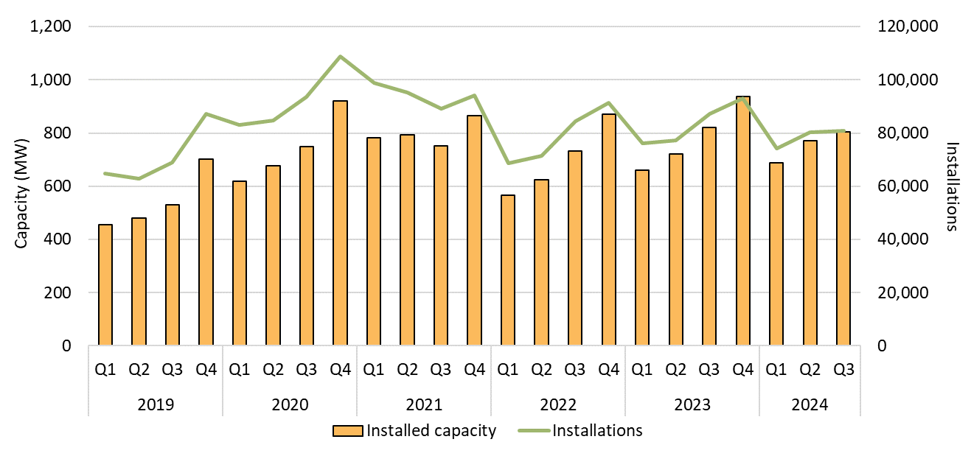

About Figure 3.3 This figure shows the installed capacity and the number of small-scale rooftop solar installations over time.

The small print Small-scale rooftop solar systems must have a capacity of less than 100 kilowatts (kW). A 12 month creation period for registered persons to create small-scale technology certificates applies under the Renewable Energy (Electricity) Regulations (2001). Data for installations and installed capacity in 2023 and 2024 have been lag-adjusted to account for the 12 month creation rule and are estimates only. Data is subject to change.

Figure 3.4
Back to contents
Figure 3.4 Proportion of battery-connected small-scale rooftop installations in New South Wales and the rest of Australia in 2024
Month | New South Wales | Rest of Australia
January | 6.3% | 8.4%
February | 6.3% | 8.1%
March | 7.3% | 9.3%
April | 7.0% | 10.0%
May | 7.9% | 10.0%
June | 7.7% | 10.0%
July | 6.8% | 10.5%
August | 7.2% | 10.4%
September | 5.8% | 10.1%

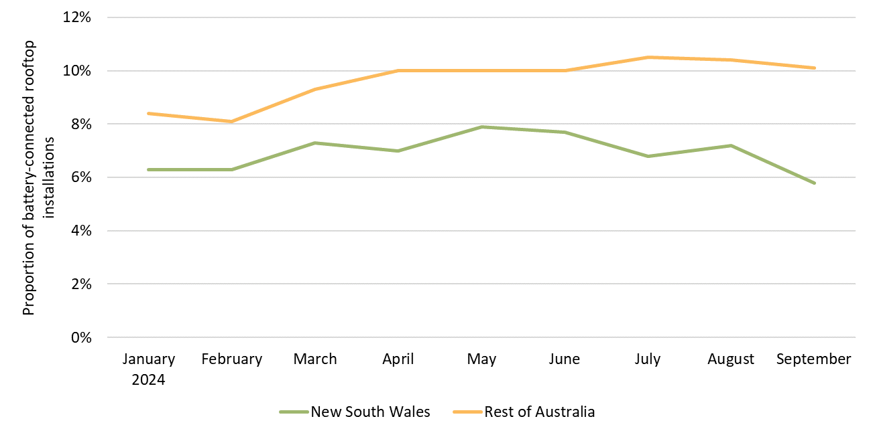

About Figure 3.4 This figure shows the proportion of battery-connected small-scale rooftop installation in New South Wales and the rest of Australia in 2024.

The small print Small-scale rooftop solar systems must have a capacity of less than 100 kilowatts (kW). A 12 month creation period for registered persons to create small-scale technology certificates applies under the Renewable Energy (Electricity) Regulations (2001). Data as at 30 September 2024 and has not been lag-adjusted to account for the 12 month creation rule. Data is subject to change. Battery installations are reported on a voluntary basis as part of Small-scale Renewable Energy Scheme system registration, and may not be representative or complete.

Figure 3.5
Back to contents
Figure 3.5 Average system sizes of small-scale rooftop solar replacement systems and matched original systems in kilowatts (kW)
Year | Replacement system | Original system | Number of replacements
2021 | 7.8 | 3.0 | 46,643
2022 | 8.2 | 3.1 | 41,145
2023 | 8.7 | 3.2 | 46,511
2024 (to 30 Sep 2024) | 9.0 | 3.6 | 55,000 (estimated)

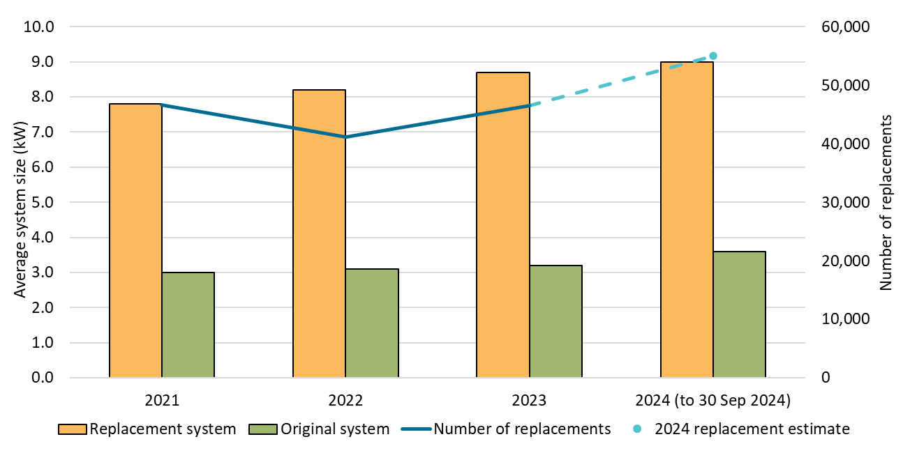

About Figure 3.5 This figure shows the average system sizes of small-scale rooftop solar replacement systems and matched original systems in kilowatts (kW), plus the number of replacement systems.

The small print Small-scale rooftop solar systems must have a capacity of less than 100 kilowatts (kW). A 12 month creation period for registered persons to create small-scale technology certificates applies under the Renewable Energy (Electricity) Regulations (2001). Data as at 30 September 2024 and has not been lag-adjusted to account for the 12 month creation rule. Data is subject to change. This estimate is based on preliminary analysis of reported replacement systems in the REC Registry from Q1 2021 to Q3 2024. It relies on the ability to match the reported replacement with a previous installation at the same address and only considers unique addresses where two solar PV installations have occurred. Analysis of replacement rates is an ongoing piece of work for the CER. Data matching capabilities are progressively being improved to tackle legacy data for rooftop systems dating back more than 15 years, analysis will be updated as methods improve.

Figure 3.6
Back to contents
Figure 3.6 Air source heat pump installations by state and territory and associated small-scale technology certificate (STC) validations
Year | Quarter | Victoria | NSW | Queensland | WA | SA | ACT | Tasmania | NT | Annual total | STC validations
2019 | Q1 | 1,388 | 622 | 1,443 | 533 | 447 | 119 | 258 | <10 |  | 146,000
2019 | Q2 | 1,921 | 723 | 1,343 | 667 | 349 | 100 | 414 | <10 |  | 161,000
2019 | Q3 | 1,275 | 812 | 1,357 | 530 | 652 | 311 | 408 | <10 |  | 150,000
2019 | Q4 | 1,671 | 750 | 1,205 | 549 | 647 | 278 | 298 | <10 | 21,110 | 154,000
2020 | Q1 | 1,685 | 631 | 1,155 | 530 | 655 | 304 | 252 | <10 |  | 154,000
2020 | Q2 | 2,827 | 816 | 1,425 | 806 | 1,217 | 366 | 269 | <10 |  | 232,000
2020 | Q3 | 4,106 | 879 | 1,632 | 798 | 1,694 | 368 | 345 | 12 |  | 276,000
2020 | Q4 | 5,115 | 972 | 1,484 | 960 | 698 | 325 | 219 | 27 | 32,592 | 312,000
2021 | Q1 | 5,541 | 793 | 1,344 | 655 | 1,013 | 209 | 197 | <10 |  | 277,000
2021 | Q2 | 8,078 | 971 | 1,946 | 1,045 | 1,290 | 300 | 316 | <10 |  | 424,000
2021 | Q3 | 10,641 | 1,021 | 2,238 | 1,101 | 1,517 | 249 | 424 | 81 |  | 492,000
2021 | Q4 | 12,560 | 1,006 | 2,277 | 1,133 | 953 | 432 | 432 | 43 | 59,826 | 599,000
2022 | Q1 | 11,808 | 744 | 1,832 | 919 | 617 | 394 | 420 | 50 |  | 489,000
2022 | Q2 | 11,780 | 1,592 | 2,184 | 1,226 | 1,150 | 423 | 570 | 70 |  | 529,000
2022 | Q3 | 12,396 | 5,182 | 2,284 | 1,436 | 1,169 | 589 | 545 | 28 |  | 609,000
2022 | Q4 | 12,428 | 9,765 | 2,126 | 1,563 | 862 | 543 | 519 | <10 | 87,224 | 680,000
2023 | Q1 | 9,874 | 11,811 | 1,890 | 1,342 | 996 | 437 | 363 | <10 |  | 614,000
2023 | Q2 | 8,444 | 19,864 | 2,345 | 1,587 | 1,126 | 562 | 403 | 12 |  | 771,000
2023 | Q3 | 8,999 | 20,749 | 2,841 | 1,860 | 1,353 | 580 | 341 | <10 |  | 920,000
2023 | Q4 | 10,484 | 16,489 | 3,115 | 1,584 | 1,216 | 517 | 294 | <10 | 131,508 | 820,000
2024 | Q1 | 10,621 | 11,311 | 2,147 | 1,551 | 925 | 404 | 285 | 14 |  | 747,000
2024 | Q2 | 11,871 | 13,345 | 2,371 | 1,777 | 1,222 | 474 | 398 | 12 |  | 745,000
2024 | Q3 | 9,276 | 4,248 | 1,836 | 1,457 | 853 | 452 | 331 | 11 | 77,192 | 702,000

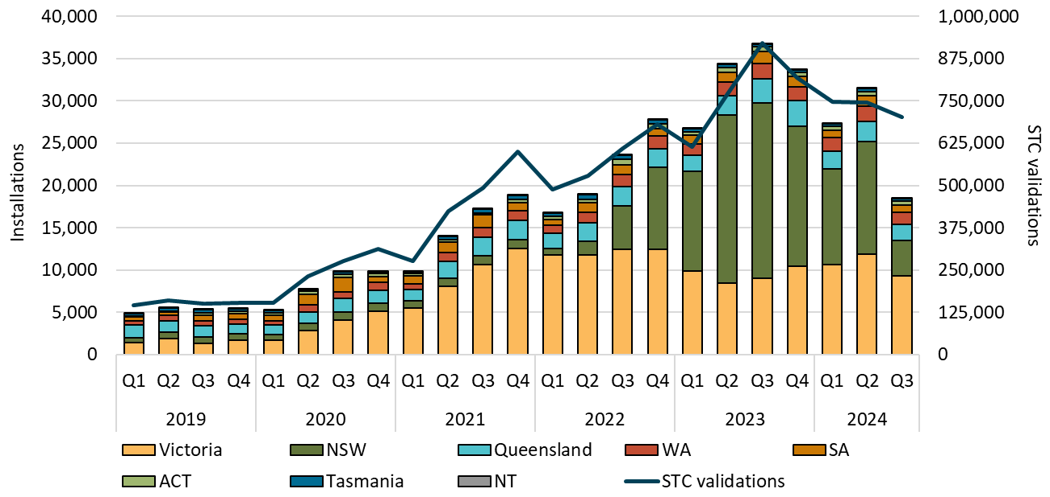

About Figure 3.6 This figure shows the number of air source heat pump installations under the Small-scale Renewable Energy Scheme (SRES) by state and territory over time. It also shows the number of STCs validated from these installations over time.

The small print Where cell values are less than 10 data have been modified due to privacy considerations. In the figure these values appear as 10. A 12 month creation period for registered persons to create small-scale technology certificates (STCs) applies under the Renewable Energy (Electricity) Regulations (2001). STC validation data has been rounded to the nearest thousand. Data as at 30 September 2024 and has not been lag-adjusted. Data is subject to change.

Figure 3.7
Back to Contents
Figure 3.7 Small-scale rooftop solar installed capacity in megawatts (MW) by state and territory
Year | Quarter | NSW | Queensland | Victoria | WA | SA | ACT | Tasmania | NT | Annual total
2019 | Q1 | 112.1 | 110.3 | 121.3 | 53.2 | 43.7 | 5.7 | 3.8 | 5.5
2019 | Q2 | 130.8 | 130.7 | 96.0 | 53.3 | 51.0 | 5.9 | 4.5 | 7.2
2019 | Q3 | 148.7 | 145.5 | 94.3 | 60.8 | 59.5 | 7.2 | 5.3 | 7.4
2019 | Q4 | 198.7 | 178.5 | 149.1 | 79.3 | 69.0 | 11.5 | 7.0 | 8.6 | 2,165.4
2020 | Q1 | 169.6 | 158.5 | 132.2 | 72.7 | 63.9 | 8.2 | 6.9 | 7.1
2020 | Q2 | 200.0 | 177.1 | 134.1 | 73.9 | 68.7 | 9.8 | 6.1 | 7.9
2020 | Q3 | 240.6 | 194.2 | 114.5 | 86.0 | 88.0 | 13.1 | 5.7 | 6.3
2020 | Q4 | 285.7 | 223.7 | 193.4 | 103.4 | 83.2 | 15.7 | 8.1 | 6.5 | 2,964.8
2021 | Q1 | 246.6 | 193.8 | 162.7 | 86.7 | 68.6 | 12.4 | 6.8 | 4.2
2021 | Q2 | 248.4 | 201.0 | 166.3 | 87.3 | 66.2 | 12.8 | 8.3 | 3.9
2021 | Q3 | 199.0 | 208.3 | 164.5 | 83.1 | 72.1 | 12.4 | 8.6 | 4.4
2021 | Q4 | 258.0 | 208.2 | 182.0 | 96.3 | 83.1 | 20.5 | 9.8 | 6.2 | 3,192.5
2022 | Q1 | 159.6 | 145.5 | 109.0 | 70.5 | 53.0 | 17.5 | 6.7 | 3.7
2022 | Q2 | 191.2 | 166.4 | 114.8 | 64.7 | 56.4 | 18.9 | 7.5 | 4.7
2022 | Q3 | 226.9 | 186.9 | 148.6 | 67.2 | 66.9 | 21.9 | 9.3 | 5.1
2022 | Q4 | 274.1 | 216.7 | 170.0 | 84.5 | 81.5 | 27.4 | 11.0 | 5.5 | 2,793.6
2023 | Q1 | 200.4 | 170.4 | 132.2 | 65.2 | 57.0 | 21.2 | 10.5 | 2.9
2023 | Q2 | 236.4 | 185.9 | 141.0 | 62.9 | 58.2 | 21.3 | 11.0 | 3.8
2023 | Q3 | 279.5 | 205.7 | 162.4 | 64.3 | 69.4 | 23.8 | 12.8 | 4.5
2023 | Q4 | 319.8 | 229.0 | 188.6 | 80.5 | 78.7 | 19.4 | 14.9 | 4.8 | 3,138.4
2024 | Q1 | 243.2 | 172.5 | 132.7 | 62.3 | 52.2 | 10.9 | 11.5 | 2.7
2024 | Q2 | 251.0 | 214.4 | 147.4 | 69.2 | 61.5 | 11.1 | 11.4 | 3.7
2024 | Q3 | 255.8 | 220.6 | 164.9 | 67.5 | 65.6 | 12.8 | 12.2 | 4.5 | 2,261.6

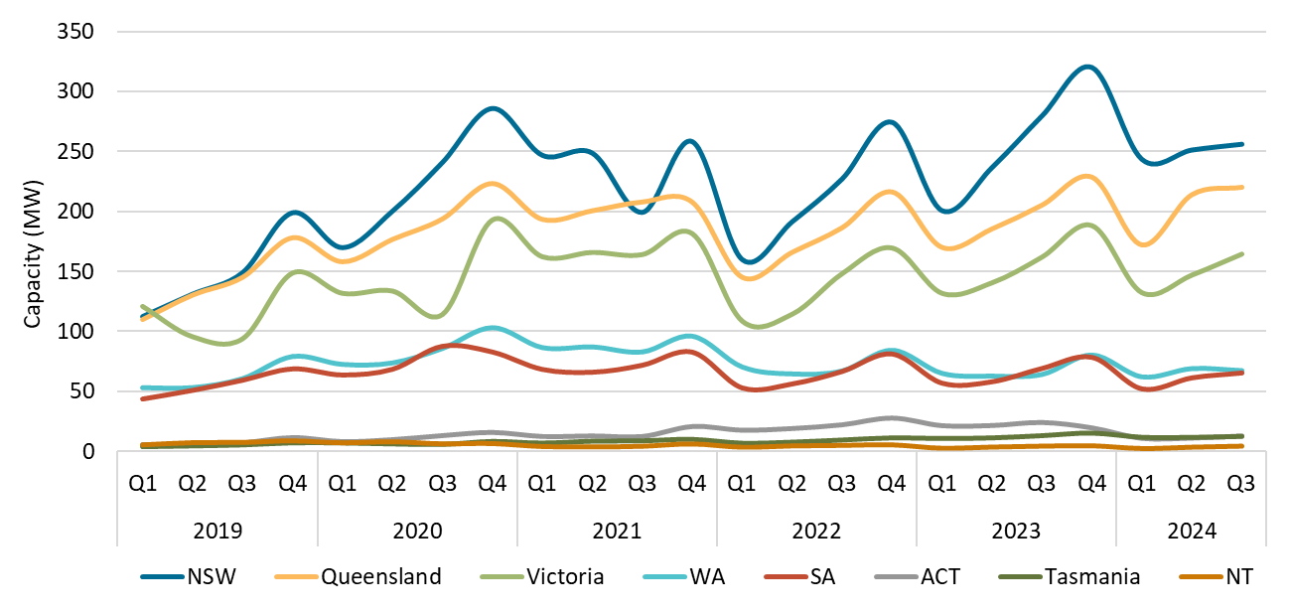

About Figure 3.7 This figure shows the rooftop solar capacity installed under the Small-scale Renewable Energy Scheme (SRES) by state and territory over time.

The small print A 12 month creation period for registered persons to create small-scale technology certificates applies under the Renewable Energy (Electricity) Regulations (2001). Data for installations in 2023 and 2024 have been lag-adjusted to account for the 12 month creation rule and are estimates only. Data is subject to change.

Figure 3.8
Back to contents
Figure 3.8 Small-scale rooftop solar capacity installed by system size band in kilowatts (kW)
Year | Quarter | 0-5 kW | 5-10 kW | 10-15 kW | 15-20 kW | 20-50 kW | 50-100 kW
2019 | Q1 | 10% | 65% | 9% | 3% | 6% | 7%
2019 | Q2 | 9% | 59% | 11% | 4% | 8% | 9%
2019 | Q3 | 8% | 61% | 11% | 3% | 8% | 8%
2019 | Q4 | 6% | 60% | 12% | 3% | 8% | 11%
2020 | Q1 | 7% | 67% | 12% | 3% | 5% | 6%
2020 | Q2 | 6% | 61% | 13% | 4% | 7% | 9%
2020 | Q3 | 5% | 63% | 15% | 4% | 6% | 7%
2020 | Q4 | 4% | 60% | 17% | 4% | 7% | 8%
2021 | Q1 | 4% | 65% | 18% | 3% | 5% | 4%
2021 | Q2 | 5% | 58% | 19% | 4% | 7% | 7%
2021 | Q3 | 4% | 57% | 22% | 4% | 7% | 6%
2021 | Q4 | 3% | 51% | 24% | 4% | 8% | 10%
2022 | Q1 | 4% | 58% | 25% | 4% | 5% | 4%
2022 | Q2 | 4% | 53% | 26% | 4% | 7% | 7%
2022 | Q3 | 4% | 54% | 27% | 4% | 6% | 5%
2022 | Q4 | 3% | 47% | 28% | 5% | 8% | 9%
2023 | Q1 | 4% | 53% | 29% | 4% | 6% | 4%
2023 | Q2 | 4% | 47% | 30% | 5% | 8% | 7%
2023 | Q3 | 3% | 45% | 33% | 5% | 7% | 6%
2023 | Q4 | 3% | 40% | 36% | 6% | 9% | 7%
2024 | Q1 | 3% | 44% | 39% | 5% | 6% | 3%
2024 | Q2 | 3% | 40% | 39% | 6% | 8% | 4%
2024 | Q3 | 3% | 39% | 42% | 7% | 8% | 1%

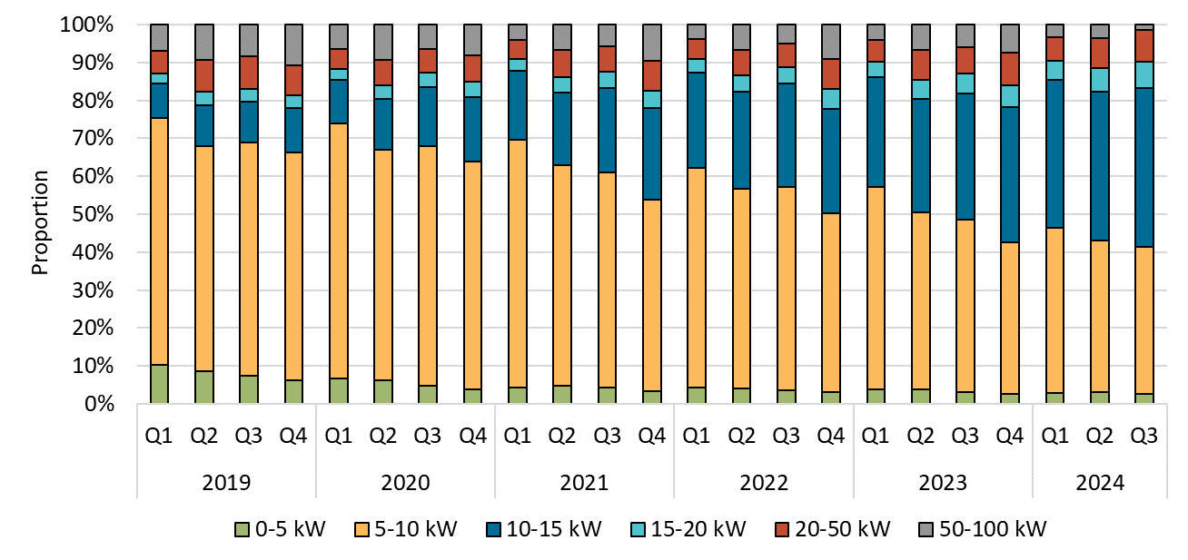

About Figure 3.8 This figure shows the proportion of rooftop solar systems installed under the Small-scale Renewable Energy Scheme (SRES) by capacity band over time.

The small print A 12 month creation period for registered persons to create small-scale technology certificates applies under the Renewable Energy (Electricity) Regulations (2001). Data as at 30 September 2024 and has not been lag-adjusted. Data is subject to change. Totals may not sum to 100% due to rounding.

Figure 3.9
Back to contents
Figure 3.9 Proportion of replacement small-scale rooftop solar by state and territory
Year | Quarter | Queensland | WA | SA | NSW | Victoria | NT | Tasmania | ACT | Australia
2022 | Q1 | 19.8% | 15.2% | 12.3% | 10.2% | 6.6% | 5.2% | 7.5% | 3.3% | 12.5%
2022 | Q2 | 21.7% | 17.7% | 12.4% | 11.2% | 6.1% | 5.9% | 7.4% | 8.0% | 13.6%
2022 | Q3 | 21.6% | 17.7% | 12.7% | 11.3% | 6.6% | 5.4% | 4.3% | 3.6% | 13.3%
2022 | Q4 | 19.5% | 16.0% | 12.9% | 11.1% | 7.0% | 5.0% | 5.0% | 3.6% | 12.7%
2023 | Q1 | 19.3% | 16.0% | 14.4% | 11.0% | 6.4% | 7.0% | 5.2% | 3.8% | 12.7%
2023 | Q2 | 22.7% | 17.0% | 14.5% | 12.3% | 7.6% | 8.4% | 6.7% | 4.0% | 14.3%
2023 | Q3 | 22.9% | 18.5% | 15.7% | 13.0% | 7.6% | 6.6% | 7.6% | 4.1% | 14.7%
2023 | Q4 | 21.0% | 17.2% | 15.5% | 12.9% | 7.4% | 8.6% | 5.8% | 4.5% | 14.0%
2024 | Q1 | 23.2% | 19.6% | 16.8% | 13.4% | 9.0% | 12.4% | 7.8% | 6.9% | 15.6%
2024 | Q2 | 30.0% | 21.2% | 18.0% | 15.0% | 10.4% | 8.6% | 9.0% | 6.3% | 18.9%
2024 | Q3 | 30.3% | 21.3% | 18.7% | 16.4% | 11.4% | 11.9% | 5.8% | 5.9% | 19.7%

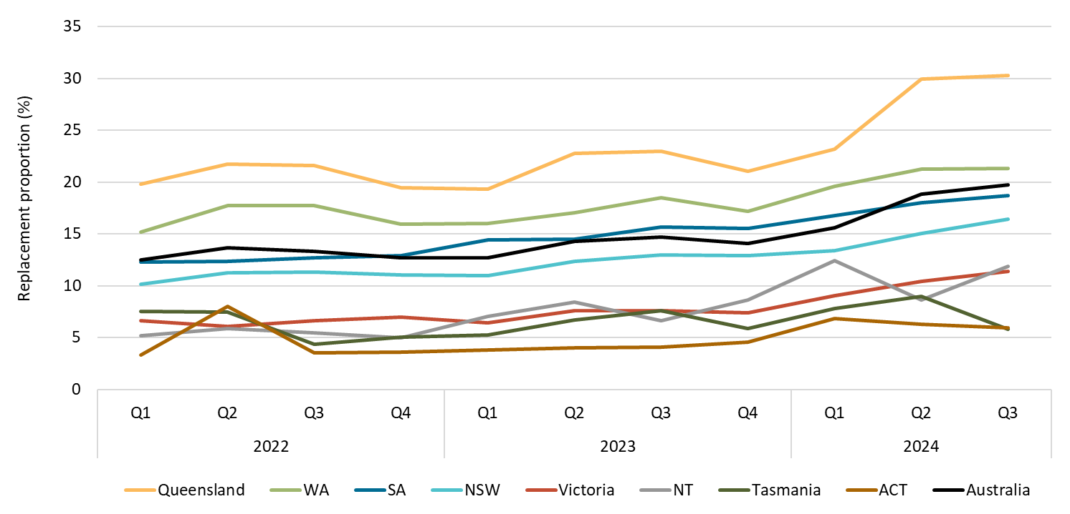

About Figure 3.9 This figure shows small-scale rooftop solar replacements as a proportion of total installations by state and territory over time.

The small print Replacements represent small-scale rooftop solar systems categorised in the Renewable Energy Certificate (REC) Registry as replacements. The installation type data field was added to the REC Registry in late 2020. Data as at 30 September 2024 and has not been lag-adjusted. Data is subject to change due to the 12 month creation rule.

Figure 3.10
Back to contents
Figure 3.10 Small-scale rooftop solar average system size in kilowatts (kW)
Year | Quarter | Average system size
2019 | Q1 | 7.0
2019 | Q2 | 7.6
2019 | Q3 | 7.7
2019 | Q4 | 8.0
2020 | Q1 | 7.5
2020 | Q2 | 8.0
2020 | Q3 | 8.0
2020 | Q4 | 8.4
2021 | Q1 | 7.9
2021 | Q2 | 8.3
2021 | Q3 | 8.4
2021 | Q4 | 9.2
2022 | Q1 | 8.2
2022 | Q2 | 8.7
2022 | Q3 | 8.7
2022 | Q4 | 9.5
2023 | Q1 | 8.7
2023 | Q2 | 9.3
2023 | Q3 | 9.4
2023 | Q4 | 10.1
2024 | Q1 | 9.3
2024 | Q2 | 9.6
2024 | Q3 | 9.9

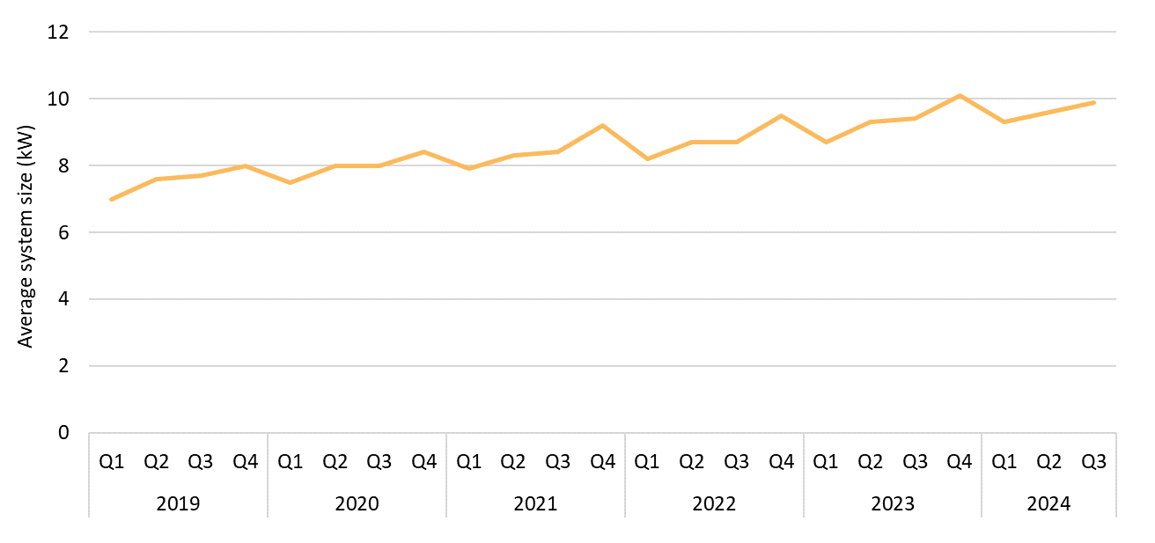

About Figure 3.10 This figure shows the small-scale rooftop solar average system size over time.

The small print Small-scale rooftop solar systems must have a capacity of less than 100 kW. A 12 month creation period for registered persons to create small-scale technology certificates applies under the Renewable Energy (Electricity) Regulations (2001). Data for average system size in 2023 and 2024 have been lag-adjusted to account for the 12 month creation rule and are estimates only. Data is subject to change.

Figure 3.11
Back to contents
Figure 3.11 Small-scale technology certificate (STC) market transactions
Year | Month | STCs transacted | Transactions | Annual total of STCs transacted
2019 | Q1 | 20,829,766 | 2,932
2019 | Q2 | 26,527,099 | 3,174
2019 | Q3 | 26,831,019 | 3,388
2019 | Q4 | 24,839,518 | 3,205 | 99,027,402
2020 | Q1 | 23,753,361 | 3,047
2020 | Q2 | 26,652,227 | 2,836
2020 | Q3 | 31,377,137 | 3,363
2020 | Q4 | 31,661,107 | 3,500 | 113,443,832
2021 | Q1 | 33,571,793 | 3,783
2021 | Q2 | 36,601,316 | 3,528
2021 | Q3 | 29,200,058 | 3,274
2021 | Q4 | 28,625,808 | 3,289 | 127,998,975
2022 | Q1 | 24,022,727 | 3,407
2022 | Q2 | 20,009,412 | 2,682
2022 | Q3 | 16,744,778 | 2,579
2022 | Q4 | 17,559,181 | 2,519 | 78,336,098
2023 | Q1 | 13,329,848 | 2,286
2023 | Q2 | 14,015,490 | 2,129
2023 | Q3 | 15,091,006 | 2,578
2023 | Q4 | 17,317,737 | 2,797 | 59,754,081
2024 | Q1 | 18,914,230 | 2,860
2024 | Q2 | 15,116,847 | 2,390
2024 | Q3 | 12,605,172 | 2,099 | 46,636,249

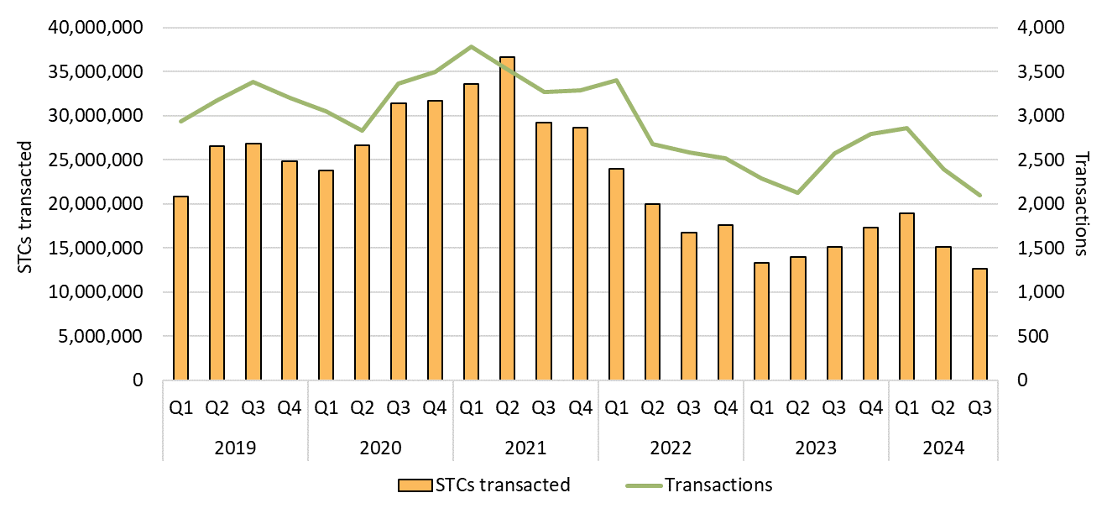

About Figure 3.11 This figure shows the volume of STCs transacted and the number of transactions, excluding STC clearing house transactions, over time.

Figure 3.12
Back to contents
Figure 3.12 Small-scale technology certificate (STC) supply
Year | Quarter | STC supply | Annual total
2019 | Q1 | 8,651,927
2019 | Q2 | 8,401,570
2019 | Q3 | 8,837,916
2019 | Q4 | 9,907,561 | 35,798,974
2020 | Q1 | 10,351,465
2020 | Q2 | 11,170,680
2020 | Q3 | 12,056,954
2020 | Q4 | 12,408,853 | 45,987,952
2021 | Q1 | 12,864,839
2021 | Q2 | 11,713,534
2021 | Q3 | 11,310,762
2021 | Q4 | 11,142,335 | 47,031,470
2022 | Q1 | 9,234,046
2022 | Q2 | 8,169,461
2022 | Q3 | 9,712,277
2022 | Q4 | 10,918,995 | 38,034,779
2023 | Q1 | 9,192,933
2023 | Q2 | 8,554,509
2023 | Q3 | 9,627,243
2023 | Q4 | 9,888,796 | 37,263,481
2024 | Q1 | 8,438,766
2024 | Q2 | 8,417,978
2024 | Q3 | 8,642,989 | 25,499,733

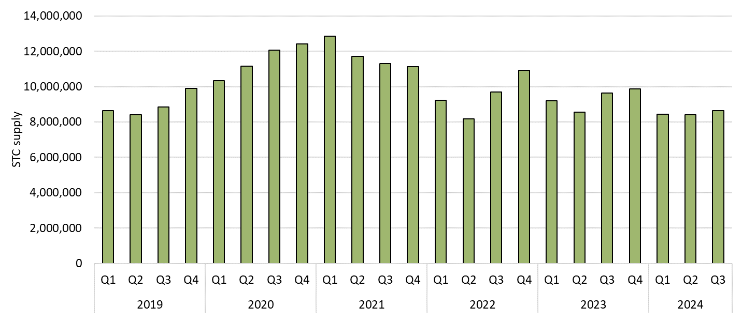

About Figure 3.12 This figure shows STC supply over time.

