Disclaimer
The Clean Energy Regulator consents to the data in this workbook, that is generated from its sources, being used if it is attributed appropriately as a source of that data. Attribution cannot be done in any way that suggests that the Clean Energy Regulator endorses you or your use of the data.
Clean Energy Regulator material (including but not limited to data and images) is used 'as supplied' provided it has not been modified or transformed in any way. This should be referenced as follows, Source: Clean Energy Regulator.
Clean Energy Regulator material that has been modified or transformed is considered derivative (this includes changing graphing or tabular data, calculating percentage changes or deriving new statistics). This should be referenced as follows, Based on Clean Energy Regulator data.

Figure 1.1
Back to contents
Figure 1.1 Progress towards net emissions target of ≤ 100 Mt CO2-e in 2029–30
Data as at 15/04/2026
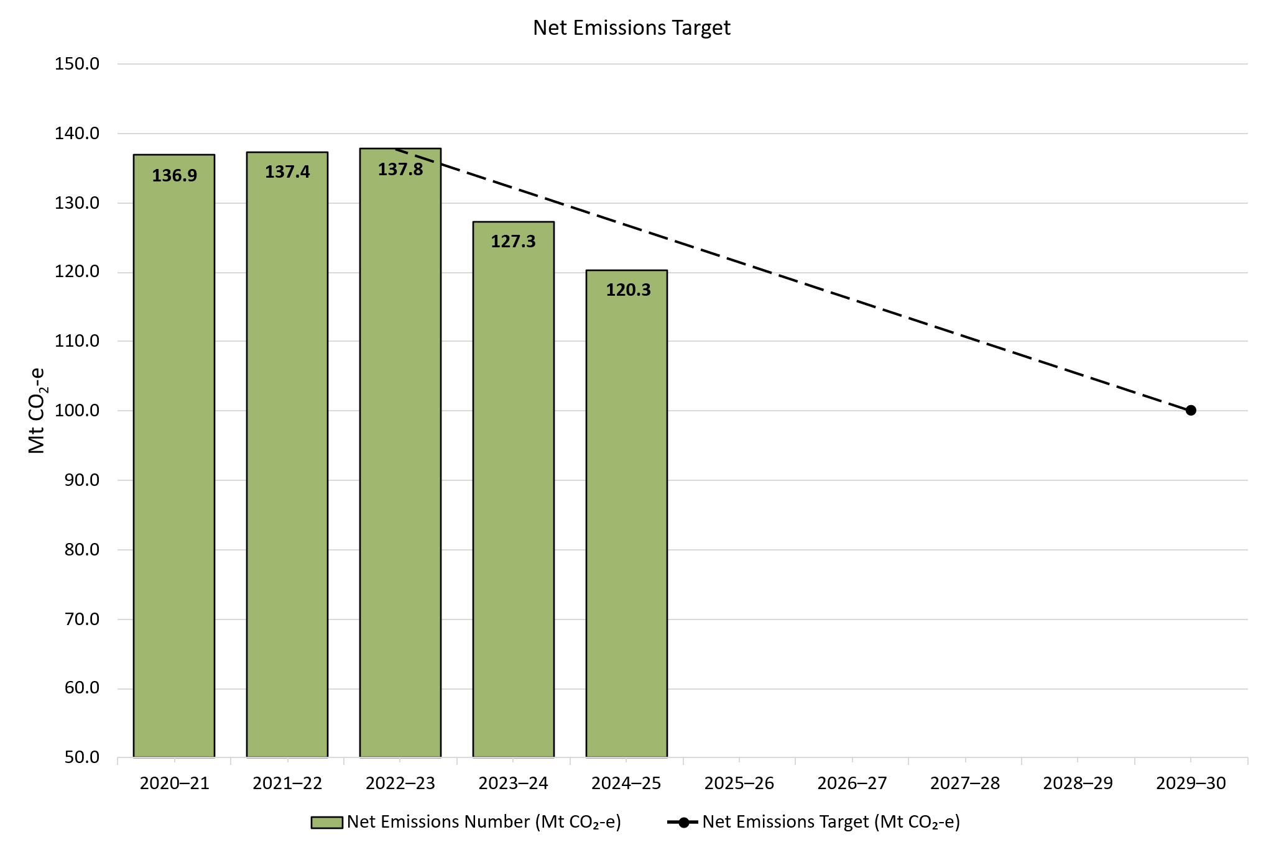

About Figure 1.1
This figure shows net emissions from 2020-21 to 2024-25 from Safeguard facilities and the net emissions target from 2022-23 to 2029-30 where the net emissions target is 100 Mt CO2-e.

The small print
Net emissions from eligible facilities under subsection 58B of the Safeguard Rule are not included. For more data on the Safeguard Mechanism, including Safeguard Mechanism credit unit issuance and surrenders, refer to safeguard data on our website (https://cer.gov.au/markets/reports-and-data/safeguard-data).

Figure 1.2
Back to contents
Figure 1.2 Australian carbon credit unit (ACCU) holdings (in millions) by market participation
Data as at 31/03/2026
Year | Quarter | ACCU project proponent | Intermediary | Safeguard | Safeguard related | Government | Business | Total holdings | Cost containment measure
2012 | Q1 | - | - | - | - | - | - | - | -
2012 | Q2 | - | - | - | - | - | - | 0.0 | -
2012 | Q3 | - | - | - | - | - | - | 0.0 | -
2012 | Q4 | - | - | - | - | - | - | 0.3 | -
2013 | Q1 | - | - | - | - | - | - | 0.4 | -
2013 | Q2 | - | - | - | - | - | - | 0.0 | -
2013 | Q3 | - | - | - | - | - | - | 0.3 | -
2013 | Q4 | - | - | - | - | - | - | 2.5 | -
2014 | Q1 | - | - | - | - | - | - | 2.2 | -
2014 | Q2 | - | - | - | - | - | - | 0.4 | -
2014 | Q3 | - | - | - | - | - | - | 2.9 | -
2014 | Q4 | - | - | - | - | - | - | 5.3 | -
2015 | Q1 | - | - | - | - | - | - | 0.1 | -
2015 | Q2 | - | - | - | - | - | - | 0.8 | -
2015 | Q3 | - | - | - | - | - | - | 0.4 | -
2015 | Q4 | - | - | - | - | - | - | 0.7 | -
2016 | Q1 | - | - | - | - | - | - | 1.2 | -
2016 | Q2 | - | - | - | - | - | - | 3.0 | -
2016 | Q3 | - | - | - | - | - | - | 2.7 | -
2016 | Q4 | - | - | - | - | - | - | 2.1 | -
2017 | Q1 | - | - | - | - | - | - | 2.2 | -
2017 | Q2 | - | - | - | - | - | - | 2.7 | -
2017 | Q3 | - | - | - | - | - | - | 1.8 | -
2017 | Q4 | - | - | - | - | - | - | 2.5 | -
2018 | Q1 | - | - | - | - | - | - | 2.5 | -
2018 | Q2 | - | - | - | - | - | - | 3.2 | -
2018 | Q3 | - | - | - | - | - | - | 3.5 | -
2018 | Q4 | - | - | - | - | - | - | 3.5 | -
2019 | Q1 | 2.1 | 0.5 | 1.4 | 0.0 | 0.3 | 0.0 | 4.3 | -
2019 | Q2 | 3.4 | 0.5 | 1.9 | 0.0 | 0.4 | 0.0 | 6.2 | -
2019 | Q3 | 2.0 | 0.4 | 2.5 | 0.0 | 0.4 | 0.0 | 5.4 | -
2019 | Q4 | 2.6 | 0.4 | 2.6 | 0.1 | 0.4 | 0.0 | 6.1 | -
2020 | Q1 | 2.7 | 0.5 | 2.5 | 0.0 | 0.5 | 0.0 | 6.3 | -
2020 | Q2 | 3.5 | 0.5 | 2.9 | 0.0 | 0.5 | 0.0 | 7.5 | -
2020 | Q3 | 2.3 | 0.7 | 2.9 | 0.0 | 0.5 | 0.0 | 6.4 | -
2020 | Q4 | 3.5 | 0.6 | 3.2 | 0.1 | 0.5 | 0.0 | 7.9 | -
2021 | Q1 | 3.3 | 0.6 | 3.4 | 0.0 | 0.5 | 0.0 | 7.8 | -
2021 | Q2 | 4.5 | 0.8 | 3.6 | 0.2 | 0.6 | 0.0 | 9.7 | -
2021 | Q3 | 4.5 | 1.5 | 4.1 | 0.1 | 0.6 | 0.0 | 10.9 | -
2021 | Q4 | 4.3 | 2.2 | 4.2 | 0.1 | 0.6 | 0.0 | 11.5 | -
2022 | Q1 | 4.9 | 2.2 | 5.0 | 0.0 | 0.7 | 0.0 | 12.9 | -
2022 | Q2 | 6.3 | 2.7 | 6.2 | 0.0 | 0.8 | 0.1 | 16.1 | -
2022 | Q3 | 7.1 | 4.3 | 7.0 | 0.3 | 0.8 | 0.2 | 19.7 | -
2022 | Q4 | 7.6 | 5.4 | 8.3 | 0.2 | 0.9 | 0.2 | 22.7 | -
2023 | Q1 | 6.8 | 6.1 | 9.6 | 0.2 | 0.9 | 0.2 | 23.8 | 0.2
2023 | Q2 | 7.6 | 7.0 | 11.6 | 0.2 | 1.0 | 0.3 | 27.6 | 0.4
2023 | Q3 | 8.7 | 6.8 | 15.0 | 1.6 | 1.1 | 0.3 | 33.5 | 1.2
2023 | Q4 | 8.8 | 7.5 | 17.5 | 0.8 | 1.3 | 0.3 | 36.2 | 1.7
2024 | Q1 | 9.3 | 7.9 | 18.8 | 0.8 | 1.4 | 0.3 | 38.6 | 1.9
2024 | Q2 | 9.0 | 8.0 | 21.7 | 1.0 | 1.4 | 0.3 | 41.3 | 2.6
2024 | Q3 | 8.1 | 7.5 | 25.9 | 1.5 | 1.6 | 0.4 | 45.0 | 3.6
2024 | Q4 | 8.5 | 10.0 | 28.5 | 0.8 | 1.7 | 0.4 | 49.9 | 3.9
2025 | Q1 | 8.4 | 8.1 | 26.1 | 1.3 | 1.8 | 0.4 | 46.0 | 4.2
2025 | Q2 | 9.3 | 10.4 | 29.2 | 0.6 | 1.8 | 0.4 | 51.8 | 4.3
2025 | Q3 | 9.6 | 11.0 | 33.0 | 0.9 | 1.8 | 0.5 | 56.8 | 4.4
2025 | Q4 | 9.2 | 9.6 | 37.3 | 2.2 | 2.0 | 0.4 | 60.7 | 4.8
2026 | Q1 | 9.0 | 7.5 | 35.7 | 1.7 | 2.1 | 0.5 | 56.5 | 5.5
Number of accounts with >0 ACCUs at the end of Q1 2026 |  | 231 | 66 | 80 | 20 | 41 | 53 | - | -
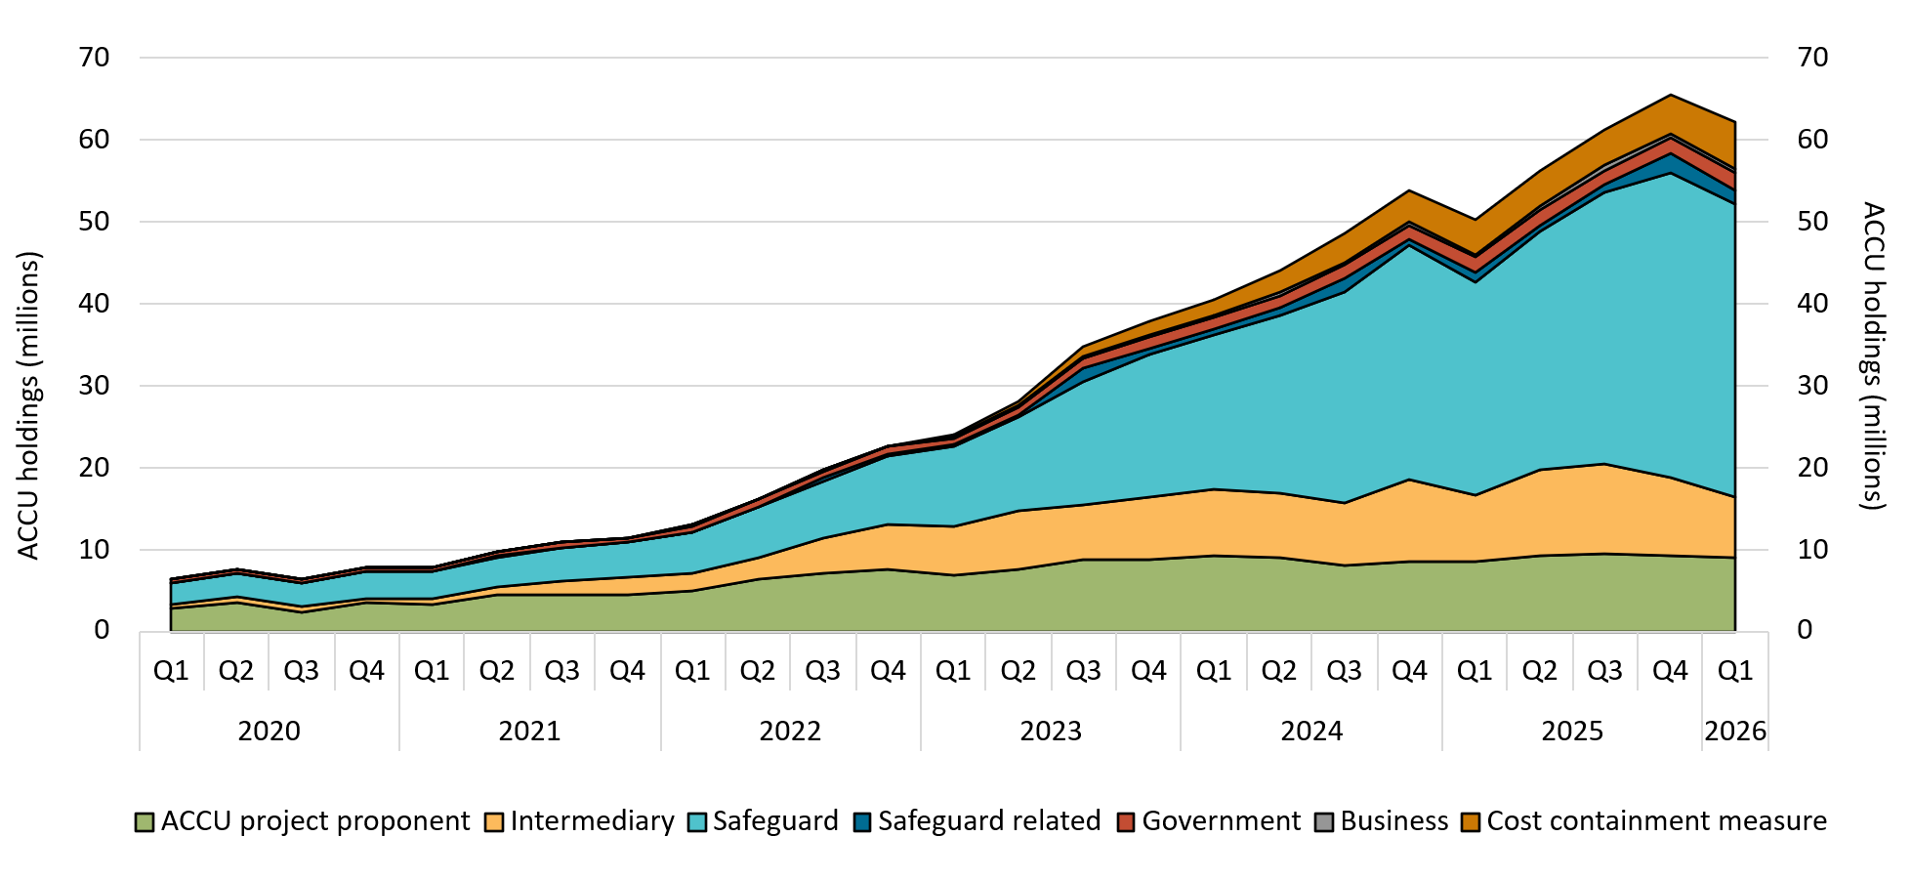

About Figure 1.2
This figure shows ACCU holdings in Unit and Certificate Registry (UCR) accounts as of 31 March 2026 by market participation and the cost containment measure quarterly over time.

The small print
Totals may not sum due to rounding. ACCU holdings data excludes ACCUs held in accounts controlled by the Australian Government for scheme administration purposes. Historical values may change retrospectively due to changes in the classification of UCR accounts as new information becomes available. UCR accounts are categorised based on their main activity, as some accounts may fulfill conditions for multiple categories. Holdings have not been categorised prior to 2019 as the categories cannot be mapped.

Category definitions
ACCU project proponent An account holder is connected to one or more ACCU Scheme projects. The connection to projects has been determined based on the available project information. Entities may have linkages to projects that have not been disclosed to the Clean Energy Regulator.
Safeguard Account holders are safeguard entities that control a single account, or in cases where safeguard entities control multiple accounts, only those that have surrendered ACCUs for safeguard compliance purposes or have specified a facility are included. Some safeguard accounts also engage in trading activity, which may result in holding fluctuations in this category.
Safeguard related Account holders are companies, such as subsidiaries, that are related to registered safeguard entities. These accounts do not specify a facility or have not surrendered ACCUs for safeguard compliance purposes. These ACCU holdings may be used for future safeguard compliance purposes.
Intermediary An account holder’s primary operation is to facilitate the trading of ACCUs between the supply and demand sides of the market. This also includes accounts that have accumulated ACCUs through the secondary market without known compliance obligations, offset use, or carbon trading/offset services.
Government Account holders are government entities that are accumulating for voluntary or compliance purposes.
Business Account holders do not have a direct link to ACCU Scheme projects. Account holders include participants that are accumulating for voluntary purposes.
Total holdings For the ACCU scheme, total holdings in the Unit and Certificate Registry are the sum of ACCUs held in ACCU project proponent, safeguard, safeguard related, intermediary, government, and business accounts and exclude accounts controlled by the Clean Energy Regulator such as the cost containment measure.
Cost containment measure ACCUs that have been delivered under Commonwealth carbon abatement contract milestones after 12 January 2023. These ACCUs will be available to eligible safeguard entities under the cost containment mechanism. This is not included in total holdings.

Figure 1.3
Back to contents
Figure 1.3 Safeguard Mechanism credit unit (SMC) holdings (in millions) by market participation
Data as at 31/03/2026
Year | Quarter | Safeguard | Intermediary | Safeguard-related | ACCU project proponent | Total holdings
2025 | Q1 | 6.5 | 0.2 | 0.1 | 0.0 | 6.9
2025 | Q2 | 6.6 | 0.2 | 0.1 | 0.0 | 6.9
2025 | Q3 | 6.4 | 0.2 | 0.3 | <0.1 | 6.9
2025 | Q4 | 5.9 | 0.3 | 0.8 | 0.0 | 6.9
2026 | Q1 | 9.7 | 0.5 | 0.8 | 0.0 | 11.0
Number of accounts with >0 SMCs at end of Q4 2025 |  | 62 | 5 | 8 | 0 | -

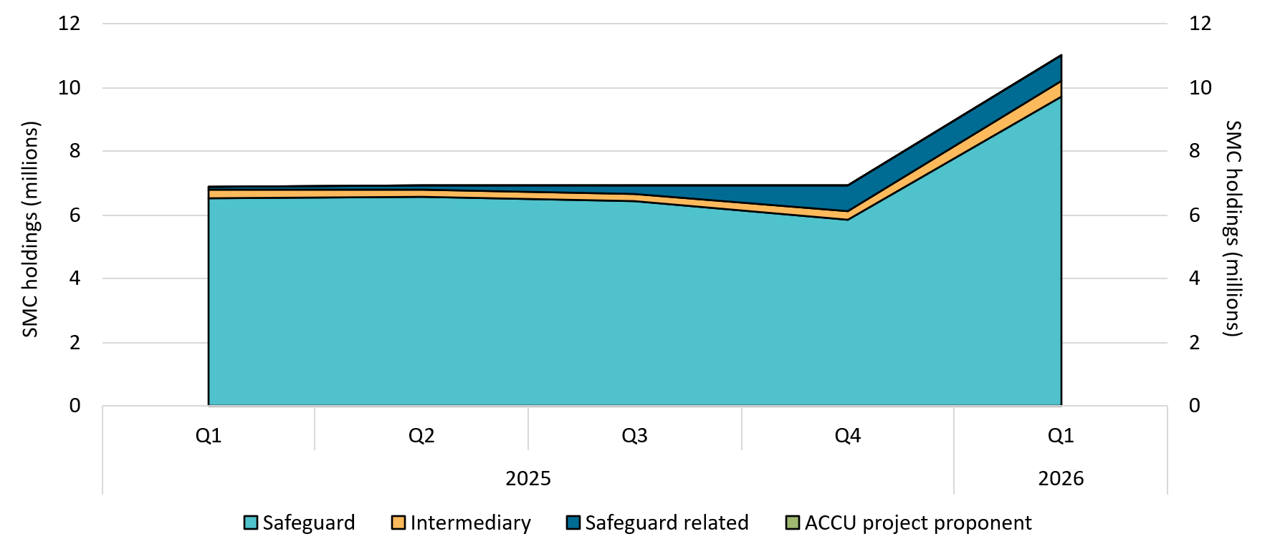

About Figure 1.3
This figure shows SMC holdings in Unit and Certificate Registry (UCR) accounts by market participation quarterly over time.

The small print
Totals may not sum due to rounding. Historical values may change retrospectively. This is due to changes in the classification of UCR accounts as new information becomes available. UCR accounts are categorised based on their main activity, as some accounts may fulfill conditions for multiple categories.

Category definitions
Safeguard Account holders are safeguard entities that control a single account, or in cases where safeguard entities control multiple accounts, only those that have surrendered SMCs for safeguard compliance purposes or have specified a facility are included. Some safeguard accounts also engage in trading activity, which may result in holding fluctuations over time.
Intermediary An account holder’s primary operation is to facilitate the trading of SMCs between the supply and demand sides of the market. This also includes accounts that have accumulated SMCs through the secondary market without known compliance obligations.
Safeguard related Account holders are companies, such as subsidiaries, that are related to registered safeguard entities. These accounts do not specify a facility or have not surrendered SMCs for safeguard compliance purposes. These SMC holdings may be used for future safeguard compliance purposes.
ACCU project proponent An account holder is connected to one or more ACCU Scheme projects. The connection to projects has been determined based on the available ACCU Scheme project information. Entities may have linkages to ACCU Scheme projects that have not been disclosed to the Clean Energy Regulator.

Figure 1.4
Back to contents
Figure 1.4 Australian carbon credit unit (ACCU) and Safeguard Mechanism credit unit (SMC) safeguard surrenders
Data as at 31/03/2026
Year | Quarter | ACCUs surrendered | SMCs surrendered | Annual total
2018 | Q1 | 379,792 | - | -
2018 | Q2 | 0 | - | -
2018 | Q3 | 0 | - | -
2018 | Q4 | 10,101 | - | 389,893
2019 | Q1 | 141,206 | - | -
2019 | Q2 | 0 | - | -
2019 | Q3 | 0 | - | -
2019 | Q4 | 2,637 | - | 143,843
2020 | Q1 | 56,994 | - | -
2020 | Q2 | 0 | - | -
2020 | Q3 | 0 | - | -
2020 | Q4 | 0 | - | 56,994
2021 | Q1 | 88,325 | - | -
2021 | Q2 | 33,254 | - | -
2021 | Q3 | 0 | - | -
2021 | Q4 | 0 | - | 121,579
2022 | Q1 | 250,809 | - | -
2022 | Q2 | 37,726 | - | -
2022 | Q3 | 50,000 | - | -
2022 | Q4 | 10,000 | - | 348,535
2023 | Q1 | 202,613 | - | -
2023 | Q2 | 33,611 | - | -
2023 | Q3 | 0 | - | -
2023 | Q4 | 0 | - | 236,224
2024 | Q1 | 896,225 | - | -
2024 | Q2 | 0 | - | -
2024 | Q3 | 6,253 | - | -
2024 | Q4 | 623,613 | - | 1,526,091
2025 | Q1 | 6,380,493 | 1,386,610 | -
2025 | Q2 | 172,900 | 1,420 | -
2025 | Q3 | 211,222 | 0 | -
2025 | Q4 | 1,917,208 | 9,745 | 10,079,598
2026 | Q1 | 8,764,299 | 2,572,367 | 11,336,666
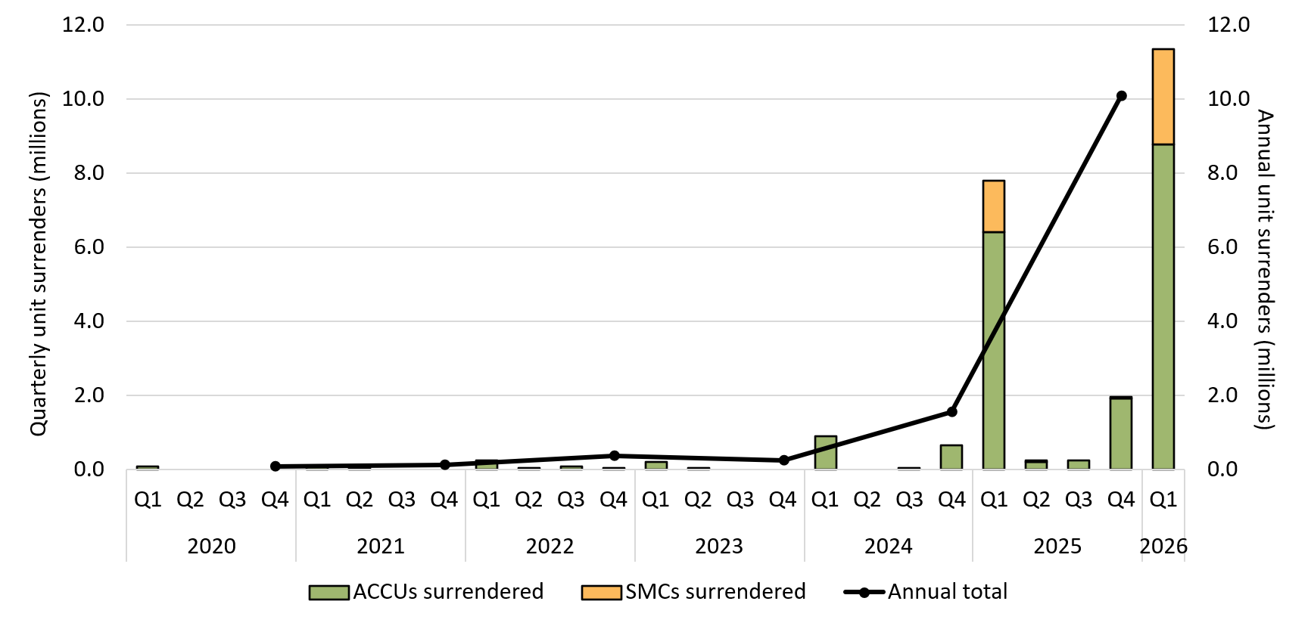

About Figure 1.4
This figure shows ACCU and SMC safeguard surrenders by quarter and the annual total over time.

The small print
Safeguard surrenders are made by safeguard entities to meet Safeguard Mechanism compliance. For more data on the Safeguard Mechanism, including Safeguard Mechanism credit unit issuance and surrenders, refer to safeguard data on our website (https://cer.gov.au/markets/reports-and-data/safeguard-data).

Figure 1.5
Back to contents
Figure 1.5 Volume of Australian carbon credit unit (ACCU) holdings (in millions) by location of account
Data as at 31/03/2026
Year | Quarter | Australia | Singapore | Other | Total holdings
2013 | Q1 | 0.3 | 0.0 | 0.0 | 0.4
2013 | Q2 | 0.0 | 0.0 | 0.0 | 0.0
2013 | Q3 | 0.3 | 0.0 | 0.0 | 0.3
2013 | Q4 | 2.5 | 0.0 | 0.0 | 2.5
2014 | Q1 | 2.2 | 0.0 | 0.0 | 2.2
2014 | Q2 | 0.4 | 0.0 | 0.0 | 0.4
2014 | Q3 | 2.8 | 0.1 | 0.0 | 2.9
2014 | Q4 | 5.0 | 0.3 | 0.0 | 5.3
2015 | Q1 | 0.1 | 0.0 | 0.0 | 0.1
2015 | Q2 | 0.8 | 0.0 | 0.0 | 0.8
2015 | Q3 | 0.4 | 0.0 | 0.0 | 0.4
2015 | Q4 | 0.7 | 0.0 | 0.0 | 0.7
2016 | Q1 | 1.2 | 0.0 | 0.0 | 1.2
2016 | Q2 | 3.0 | 0.0 | 0.0 | 3.0
2016 | Q3 | 2.7 | 0.0 | 0.0 | 2.7
2016 | Q4 | 2.1 | 0.0 | 0.0 | 2.1
2017 | Q1 | 2.2 | 0.0 | 0.0 | 2.2
2017 | Q2 | 2.7 | 0.0 | 0.0 | 2.7
2017 | Q3 | 1.8 | 0.0 | 0.0 | 1.8
2017 | Q4 | 2.5 | 0.0 | 0.0 | 2.5
2018 | Q1 | 2.5 | 0.0 | 0.0 | 2.5
2018 | Q2 | 3.2 | 0.0 | 0.0 | 3.2
2018 | Q3 | 3.5 | 0.0 | 0.0 | 3.5
2018 | Q4 | 3.4 | 0.1 | 0.0 | 3.5
2019 | Q1 | 4.2 | 0.1 | 0.0 | 4.3
2019 | Q2 | 6.0 | 0.2 | 0.0 | 6.2
2019 | Q3 | 5.1 | 0.3 | 0.0 | 5.4
2019 | Q4 | 5.6 | 0.5 | 0.0 | 6.1
2020 | Q1 | 5.7 | 0.5 | 0.0 | 6.3
2020 | Q2 | 6.9 | 0.6 | 0.0 | 7.5
2020 | Q3 | 5.9 | 0.5 | 0.0 | 6.4
2020 | Q4 | 7.2 | 0.7 | 0.0 | 7.9
2021 | Q1 | 6.7 | 1.1 | 0.0 | 7.8
2021 | Q2 | 8.5 | 1.2 | 0.0 | 9.7
2021 | Q3 | 9.7 | 1.1 | 0.0 | 10.9
2021 | Q4 | 10.1 | 1.3 | 0.0 | 11.5
2022 | Q1 | 11.6 | 1.3 | 0.0 | 12.9
2022 | Q2 | 14.4 | 1.6 | 0.0 | 16.1
2022 | Q3 | 17.2 | 2.4 | 0.1 | 19.7
2022 | Q4 | 19.0 | 3.5 | 0.1 | 22.7
2023 | Q1 | 20.8 | 2.9 | 0.1 | 23.8
2023 | Q2 | 24.1 | 3.3 | 0.1 | 27.6
2023 | Q3 | 30.1 | 3.3 | 0.1 | 33.5
2023 | Q4 | 31.5 | 4.6 | 0.1 | 36.2
2024 | Q1 | 33.7 | 4.8 | 0.1 | 38.6
2024 | Q2 | 36.9 | 4.3 | 0.1 | 41.3
2024 | Q3 | 39.9 | 5.0 | 0.1 | 45.0
2024 | Q4 | 43.8 | 5.7 | 0.4 | 49.9
2025 | Q1 | 40.5 | 5.1 | 0.5 | 46.0
2025 | Q2 | 45.4 | 5.9 | 0.4 | 51.8
2025 | Q3 | 50.5 | 6.0 | 0.4 | 56.8
2025 | Q4 | 54.4 | 5.9 | 0.4 | 60.7
2026 | Q1 | 49.7 | 6.3 | 0.4 | 56.5
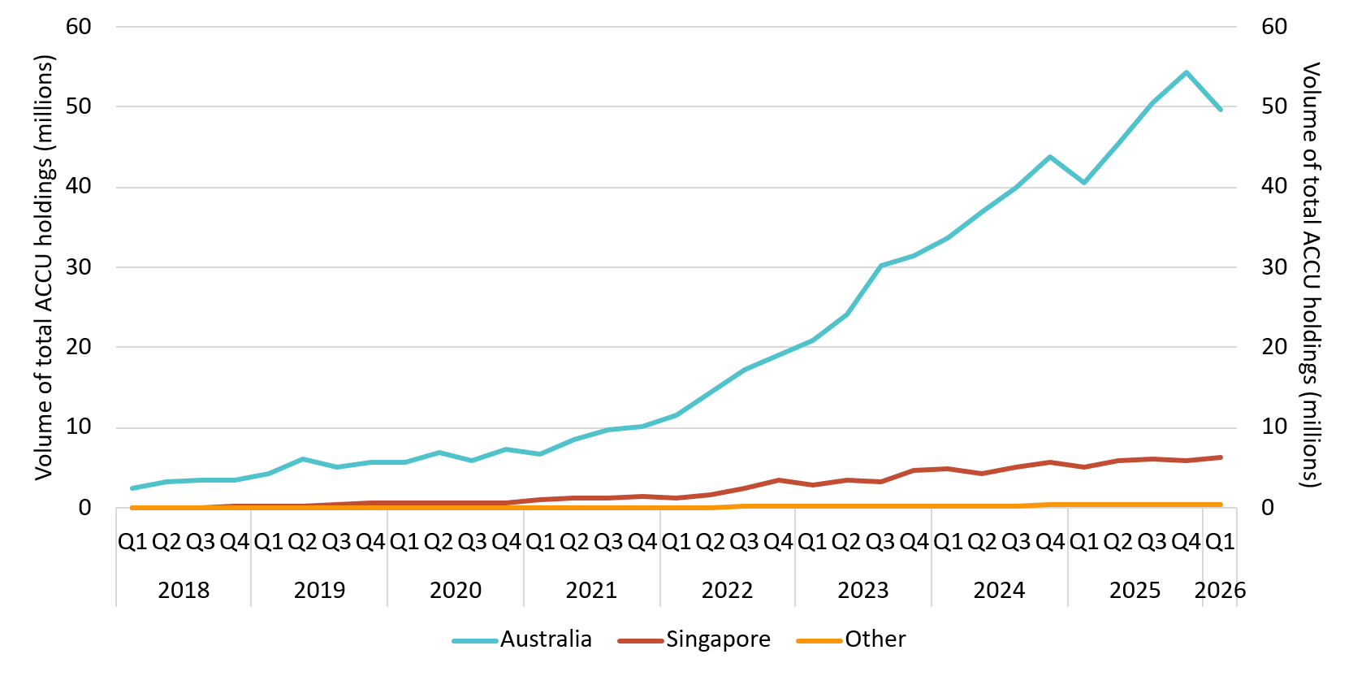

About Figure 1.5
This figure shows ACCU holdings in Australian National Registry of Emissions Units (ANREU) accounts as of 31 March 2026 by location of the account quarterly over time.

The small print
Totals may not sum due to rounding. ACCU holdings data excludes ACCUs held in accounts controlled by the Australian Government for scheme administration purposes. The location of ANREU accounts is based on self-provided addresses. They do not reflect the location of the ultimate parent company of the account holder.

Figure 1.6
Back to contents
Figure 1.6 Generic Australian carbon credit unit (ACCU) and Safeguard Mechanism credit unit (SMC) volume weighted average spot price
Data as at 15/05/2026
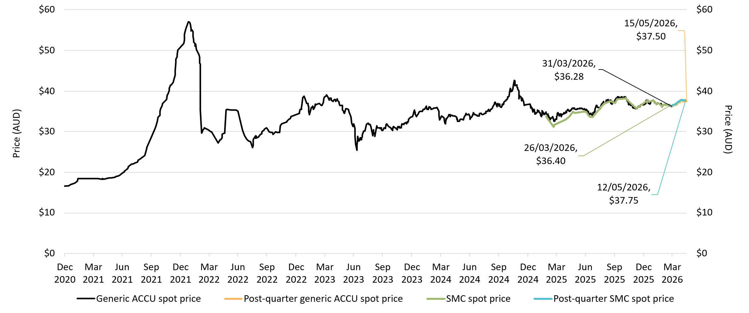

About Figure 1.6
This figure shows the volume weighted average of the generic ACCU and SMC spot prices over time.

The small print
The generic spot price refers to the daily volume weighted average price of spot trades for ACCUs with an unspecified method and spot trades for SMCs. Spot trade data is compiled from trades reported by Jarden and CORE markets, and may not be comprehensive. Prices are shown from 31 December 2020 to 15 May 2026. The last quarterly reported daily volume weighted average spot prices for generic ACCUs and SMCs are labelled.

Figure 1.7
Back to contents
Figure 1.7 Australian carbon credit units (ACCUs) issued by method type
Data as at 31/03/2026
Year | Quarter | Vegetation | Waste | Savanna fire management | Energy efficiency | Industrial fugitives | Agriculture | Carbon Capture | Transport | Facilities | Total | Annual total
2012 | Q1 | - | - | - | - | - | - | - | - | - | - | -
2012 | Q2 | - | - | - | - | - | 0 | - | - | - | 0 | -
2012 | Q3 | - | 0 | 0 | - | - | 0 | - | - | - | 0 | -
2012 | Q4 | 0 | 348,110 | 0 | - | - | 0 | - | - | - | 348,110 | 348,110
2013 | Q1 | 0 | 45,341 | 0 | - | - | 0 | - | - | - | 45,341 | -
2013 | Q2 | 11,962 | 1,310,713 | 25,884 | - | - | 8,169 | - | - | - | 1,356,728 | -
2013 | Q3 | 0 | 218,911 | 26,772 | - | - | 0 | - | - | - | 245,683 | -
2013 | Q4 | 249,937 | 1,980,291 | 0 | - | - | 0 | - | - | - | 2,230,228 | 3,877,980
2014 | Q1 | 437,504 | 155,514 | 0 | - | - | 19,213 | - | - | - | 612,231 | -
2014 | Q2 | 680,710 | 176,880 | 414,886 | - | - | 19,855 | - | - | - | 1,292,331 | -
2014 | Q3 | 898,124 | 1,623,985 | 0 | - | - | 0 | - | - | - | 2,522,109 | -
2014 | Q4 | 2,024,448 | 1,132,041 | 18,994 | - | - | 19,351 | - | - | - | 3,194,834 | 7,621,505
2015 | Q1 | 1,111,962 | 749,827 | 847,407 | 0 | 0 | 34,624 | - | 0 | - | 2,743,820 | -
2015 | Q2 | 638,718 | 150,863 | 67,762 | 0 | 0 | 0 | - | 0 | - | 857,343 | -
2015 | Q3 | 1,438,156 | 66,074 | 128,928 | 0 | 0 | 5,600 | - | 0 | 0 | 1,638,758 | -
2015 | Q4 | 1,346,954 | 1,264,474 | 7,487 | 0 | 0 | 9,000 | - | 0 | 0 | 2,627,915 | 7,867,836
2016 | Q1 | 1,650,732 | 864,654 | 239,008 | 0 | 0 | 41,542 | - | 0 | 0 | 2,795,936 | -
2016 | Q2 | 1,967,161 | 918,961 | 729,714 | 0 | 0 | 41,290 | - | 0 | 0 | 3,657,126 | -
2016 | Q3 | 2,441,364 | 231,008 | 117,991 | 0 | 0 | 8,973 | - | 0 | 0 | 2,799,336 | -
2016 | Q4 | 2,394,281 | 1,324,344 | 135,852 | 0 | 0 | 26,521 | - | 0 | 0 | 3,880,998 | 13,133,396
2017 | Q1 | 800,239 | 900,425 | 160,351 | 0 | 0 | 62,649 | - | 0 | 0 | 1,923,664 | -
2017 | Q2 | 2,595,762 | 712,103 | 1,106,195 | 120,425 | 0 | 13,508 | - | 0 | 0 | 4,547,993 | -
2017 | Q3 | 1,173,691 | 785,943 | 48,009 | 0 | 0 | 8,297 | - | 0 | 0 | 2,015,940 | -
2017 | Q4 | 2,480,880 | 1,106,464 | 34,605 | 20,985 | 0 | 39,875 | - | 0 | 0 | 3,682,809 | 12,170,406
2018 | Q1 | 1,443,055 | 475,965 | 66,778 | 176,403 | 0 | 23,653 | - | 0 | 0 | 2,185,854 | -
2018 | Q2 | 2,344,732 | 440,644 | 1,479,283 | 9,578 | 0 | 49,063 | - | 0 | 0 | 4,323,300 | -
2018 | Q3 | 955,451 | 1,664,309 | 336,444 | 34,172 | 418,663 | 51,396 | - | 12,468 | 0 | 3,472,903 | -
2018 | Q4 | 2,014,238 | 363,342 | 0 | 21,037 | 0 | 57,545 | - | 0 | 0 | 2,456,162 | 12,438,219
2019 | Q1 | 1,491,980 | 1,159,172 | 0 | 173,205 | 0 | 11,876 | - | 0 | 0 | 2,836,233 | -
2019 | Q2 | 2,832,089 | 887,966 | 766,238 | 47,250 | 337,647 | 26,921 | - | 0 | 0 | 4,898,111 | -
2019 | Q3 | 1,486,212 | 1,774,611 | 249,890 | 22,594 | 13,861 | 64,104 | - | 9,489 | 0 | 3,620,761 | -
2019 | Q4 | 2,494,348 | 619,376 | 25,560 | 204,386 | 0 | 131,330 | - | 0 | 0 | 3,475,000 | 14,830,105
2020 | Q1 | 2,409,504 | 936,022 | 185,221 | 15,929 | 0 | 47,789 | - | 0 | 0 | 3,594,465 | -
2020 | Q2 | 2,662,324 | 606,166 | 982,557 | 186,830 | 302,761 | 33,141 | - | 12,453 | 0 | 4,786,232 | -
2020 | Q3 | 1,597,098 | 688,192 | 119,158 | 10,787 | 0 | 56,073 | - | 12,261 | 0 | 2,483,569 | -
2020 | Q4 | 3,010,930 | 1,816,561 | 17,163 | 241,694 | 0 | 102,191 | - | 0 | 0 | 5,188,539 | 16,052,805
2021 | Q1 | 1,840,204 | 852,778 | 50,477 | 198,504 | 0 | 165,365 | - | 0 | 0 | 3,107,328 | -
2021 | Q2 | 2,670,300 | 1,568,119 | 970,180 | 74,083 | 274,463 | 110,189 | - | 19,505 | 0 | 5,686,839 | -
2021 | Q3 | 2,261,226 | 1,907,849 | 599,099 | 16,295 | 0 | 27,980 | 0 | 2,324 | 0 | 4,814,773 | -
2021 | Q4 | 2,571,002 | 625,412 | 20,958 | 122,888 | 0 | 91,582 | 0 | 0 | 0 | 3,431,842 | 17,040,782
2022 | Q1 | 2,099,793 | 880,188 | 17,753 | 180,107 | 0 | 160,812 | 0 | 0 | 0 | 3,338,653 | -
2022 | Q2 | 2,631,819 | 676,403 | 1,130,902 | 178,081 | 240,758 | 30,401 | 0 | 34,895 | 0 | 4,923,259 | -
2022 | Q3 | 2,129,636 | 3,316,622 | 123,304 | 35,791 | 0 | 73,592 | 0 | 0 | 0 | 5,678,945 | -
2022 | Q4 | 2,949,405 | 646,281 | 44,335 | 136,533 | 0 | 10,134 | 0 | 10,514 | 0 | 3,797,202 | 17,738,059
2023 | Q1 | 1,029,657 | 394,145 | 104,511 | 13,695 | 0 | 290,414 | 0 | 0 | 0 | 1,832,422 | -
2023 | Q2 | 1,994,187 | 1,408,753 | 412,693 | 324,783 | 75,246 | 161,796 | 0 | 0 | 0 | 4,377,458 | -
2023 | Q3 | 3,336,827 | 1,948,240 | 847,373 | 97,945 | 580,200 | 152,197 | 0 | 35,230 | 0 | 6,998,012 | -
2023 | Q4 | 2,544,815 | 1,018,877 | 389,497 | 35,305 | 0 | 24,722 | 0 | 0 | 0 | 4,013,216 | 17,221,108
2024 | Q1 | 2,001,363 | 1,528,900 | 146,698 | 20,320 | 68,162 | 27,174 | 0 | 0 | 0 | 3,792,617 | -
2024 | Q2 | 1,761,956 | 1,512,917 | 425,885 | 141,288 | 0 | 25,828 | 0 | 0 | 0 | 3,867,874 | -
2024 | Q3 | 2,323,958 | 1,018,192 | 932,530 | 0 | 447,907 | 123,736 | 0 | 0 | 104,424 | 4,950,747 | -
2024 | Q4 | 3,230,424 | 1,980,767 | 62,316 | 138,795 | 193,328 | 76,137 | 0 | 0 | 491,753 | 6,173,520 | 18,784,758
2025 | Q1 | 2,405,598 | 415,174 | 58,403 | 0 | 0 | 145,619 | 0 | 18,975 | 0 | 3,043,769 | -
2025 | Q2 | 3,268,879 | 2,630,726 | 500,226 | 30,180 | 0 | 23,202 | 0 | 0 | 0 | 6,453,213 | -
2025 | Q3 | 3,047,163 | 1,231,404 | 956,376 | 0 | 157,798 | 70,076 | 0 | 0 | 0 | 5,462,817 | -
2025 | Q4 | 3,107,776 | 1,943,398 | 78,287 | 465,701 | 75,544 | 115,546 | 907,872 | 0 | 0 | 6,694,124 | 21,653,923
2026 | Q1 | 3,670,900 | 805,935 | 70,203 | 118,814 | 0 | 46,525 | 286,790 | 0 | 461,368 | 5,460,535 | 5,460,535

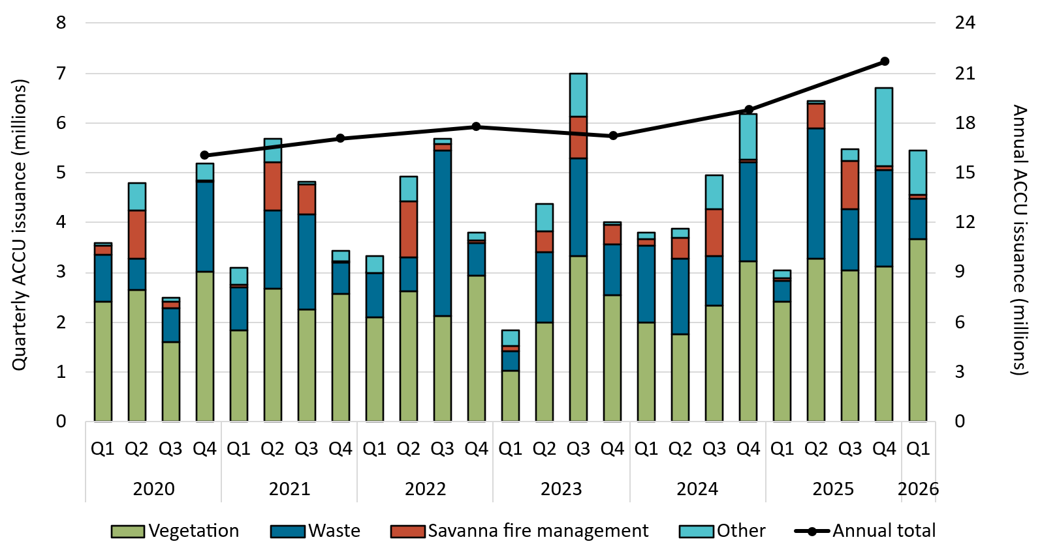

About Figure 1.7
This figure shows ACCUs issued by method type and the annual total over time. This includes ACCUs that have been relinquished.

The small print
ACCU issuance follows a seasonal pattern for certain method types, including industrial fugitive and savanna fire management. Other includes energy efficiency, industrial fugitives, agriculture, carbon capture, transport and facilities method types.

Figure 1.8
Back to contents
Figure 1.8 Registered Australian Carbon Credit Unit (ACCU) Scheme projects by method type
Data as at 31/03/2026
Year | Quarter | Vegetation | Agriculture - soil carbon | Waste | Energy efficiency | Agriculture - other | Savanna fire management | Transport | Industrial fugitives | Facilities | Carbon capture | Total | Annual total
2012 | Q1 | - | - | - | - | - | - | - | - | - | - | - | -
2012 | Q2 | - | - | - | - | 0 | - | - | - | - | - | 0 | -
2012 | Q3 | - | - | 4 | - | 0 | 0 | - | - | - | - | 4 | -
2012 | Q4 | 1 | - | 14 | - | 1 | 1 | - | - | - | - | 17 | 21
2013 | Q1 | 1 | - | 19 | - | 2 | 1 | - | - | - | - | 23 | -
2013 | Q2 | 4 | - | 9 | - | 0 | 0 | - | - | - | - | 13 | -
2013 | Q3 | 4 | - | 14 | - | 1 | 1 | - | - | - | - | 20 | -
2013 | Q4 | 2 | - | 8 | - | 0 | 0 | - | - | - | - | 10 | 66
2014 | Q1 | 7 | - | 5 | - | 3 | 7 | - | - | - | - | 22 | -
2014 | Q2 | 17 | - | 3 | - | 0 | 0 | - | - | - | - | 20 | -
2014 | Q3 | 14 | 0 | 4 | - | 0 | 9 | - | - | - | - | 27 | -
2014 | Q4 | 16 | 0 | 1 | - | 0 | 10 | - | - | - | - | 27 | 96
2015 | Q1 | 24 | 0 | 2 | 0 | 1 | 2 | 0 | 0 | - | - | 29 | -
2015 | Q2 | 21 | 2 | 7 | 2 | 0 | 0 | 0 | 0 | - | - | 32 | -
2015 | Q3 | 84 | 0 | 11 | 1 | 1 | 9 | 0 | 3 | 0 | - | 109 | -
2015 | Q4 | 6 | 4 | 2 | 7 | 0 | 4 | 2 | 0 | 0 | - | 25 | 195
2016 | Q1 | 4 | 1 | 0 | 1 | 1 | 8 | 0 | 0 | 0 | - | 15 | -
2016 | Q2 | 20 | 0 | 9 | 1 | 2 | 2 | 0 | 0 | 0 | - | 34 | -
2016 | Q3 | 0 | 0 | 1 | 1 | 0 | 0 | 0 | 1 | 0 | - | 3 | -
2016 | Q4 | 13 | 2 | 0 | 0 | 0 | 7 | 0 | 1 | 0 | - | 23 | 75
2017 | Q1 | 11 | 3 | 4 | 2 | 0 | 0 | 0 | 0 | 0 | - | 20 | -
2017 | Q2 | 4 | 1 | 0 | 0 | 0 | 0 | 0 | 0 | 0 | - | 5 | -
2017 | Q3 | 5 | 1 | 0 | 0 | 0 | 0 | 0 | 0 | 0 | - | 6 | -
2017 | Q4 | 20 | 2 | 2 | 1 | 1 | 2 | 0 | 1 | 0 | - | 29 | 60
2018 | Q1 | 4 | 1 | 1 | 2 | 0 | 3 | 0 | 0 | 0 | - | 11 | -
2018 | Q2 | 46 | 3 | 1 | 1 | 1 | 1 | 0 | 0 | 0 | - | 53 | -
2018 | Q3 | 5 | 1 | 0 | 0 | 0 | 0 | 0 | 0 | 0 | - | 6 | -
2018 | Q4 | 20 | 1 | 2 | 1 | 0 | 1 | 0 | 0 | 0 | - | 25 | 95
2019 | Q1 | 3 | 0 | 0 | 0 | 0 | 0 | 0 | 0 | 0 | - | 3 | -
2019 | Q2 | 8 | 0 | 1 | 1 | 1 | 0 | 0 | 0 | 0 | - | 11 | -
2019 | Q3 | 5 | 0 | 0 | 0 | 0 | 1 | 0 | 0 | 0 | - | 6 | -
2019 | Q4 | 5 | 0 | 1 | 1 | 1 | 0 | 0 | 0 | 0 | - | 8 | 28
2020 | Q1 | 9 | 3 | 2 | 0 | 0 | 0 | 0 | 0 | 0 | - | 14 | -
2020 | Q2 | 9 | 3 | 4 | 2 | 0 | 1 | 0 | 0 | 0 | - | 19 | -
2020 | Q3 | 29 | 10 | 0 | 0 | 0 | 0 | 0 | 0 | 0 | - | 39 | -
2020 | Q4 | 15 | 38 | 1 | 2 | 0 | 2 | 0 | 0 | 0 | - | 58 | 130
2021 | Q1 | 14 | 21 | 0 | 0 | 2 | 0 | 0 | 0 | 1 | - | 38 | -
2021 | Q2 | 11 | 19 | 5 | 4 | 0 | 0 | 1 | 0 | 0 | - | 40 | -
2021 | Q3 | 16 | 29 | 2 | 3 | 0 | 1 | 0 | 0 | 0 | 0 | 51 | -
2021 | Q4 | 10 | 30 | 2 | 2 | 1 | 1 | 0 | 4 | 0 | 1 | 51 | 180
2022 | Q1 | 41 | 62 | 3 | 5 | 4 | 0 | 1 | 1 | 0 | 0 | 117 | -
2022 | Q2 | 23 | 65 | 8 | 1 | 3 | 0 | 0 | 0 | 0 | 0 | 100 | -
2022 | Q3 | 18 | 36 | 6 | 4 | 2 | 0 | 3 | 0 | 0 | 0 | 69 | -
2022 | Q4 | 24 | 47 | 5 | 1 | 3 | 1 | 0 | 0 | 0 | 0 | 81 | 367
2023 | Q1 | 41 | 24 | 2 | 3 | 0 | 0 | 0 | 0 | 0 | 0 | 70 | -
2023 | Q2 | 54 | 18 | 5 | 2 | 0 | 1 | 0 | 1 | 0 | 0 | 81 | -
2023 | Q3 | 96 | 17 | 6 | 0 | 4 | 0 | 1 | 0 | 0 | 0 | 124 | -
2023 | Q4 | 27 | 32 | 3 | 1 | 0 | 2 | 2 | 2 | 0 | 0 | 69 | 344
2024 | Q1 | 46 | 39 | 6 | 0 | 0 | 0 | 0 | 1 | 0 | 0 | 92 | -
2024 | Q2 | 26 | 27 | 6 | 0 | 0 | 0 | 1 | 0 | 0 | 0 | 60 | -
2024 | Q3 | 76 | 92 | 9 | 0 | 1 | 0 | 0 | 0 | 0 | 0 | 178 | -
2024 | Q4 | 20 | 55 | 5 | 0 | 2 | 6 | 0 | 2 | 0 | 0 | 90 | 420
2025 | Q1 | 22 | 41 | 15 | 0 | 1 | 0 | 2 | 9 | 0 | 0 | 90 | -
2025 | Q2 | 35 | 57 | 4 | 2 | 0 | 0 | 0 | 0 | 0 | 0 | 98 | -
2025 | Q3 | 61 | 86 | 0 | 0 | 4 | 0 | 0 | 0 | 0 | 0 | 151 | -
2025 | Q4 | 36 | 27 | 0 | 1 | 3 | 1 | 0 | 0 | 0 | 0 | 68 | 407
2026 | Q1 | 30 | 29 | 9 | 1 | 0 | 0 | 0 | 0 | 0 | 0 | 69 | 69

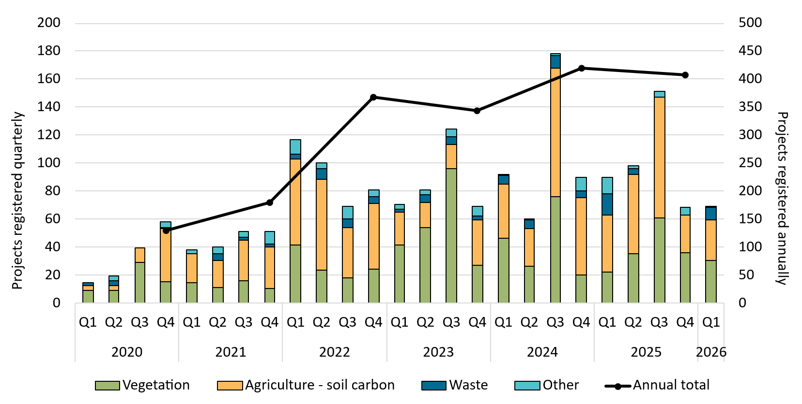

About Figure 1.8
This figure shows registered projects under the ACCU Scheme by method type and the annual total over time.

The small print
The 'agriculture' method type has been segregated into 'agriculture - soil carbon' and 'agriculture - other' to highlight growth in the soil carbon sector. The 'agriculture - soil carbon' method includes the ‘measurement of soil carbon sequestration in agricultural systems' method, the ‘sequestering carbon in soils in grazing systems’ method and the 'estimation of soil carbon sequestration using measurement and models' method. Other includes energy efficiency, agriculture - other, savanna fire management, transport, industrial fugitives, facilities and carbon capture method types. Revoked projects are excluded.
For more detail on registered projects, refer to the project register on our website (https://cer.gov.au/markets/reports-and-data/accu-project-and-contract-register).

Figure 1.9
Back to contents
Figure 1.9 Estimated Australian carbon credit unit (ACCU) issuances (in millions) in 2026
Data as at 31/03/2026
Category | Q1 2026 issuances | Estimated 2026 issuances
ACCUs from projects that have previously reported | 4.6 | 21-22
ACCUs from projects reporting for the first time | 0.8 | 1-4
Total | 5.5 | 22-26

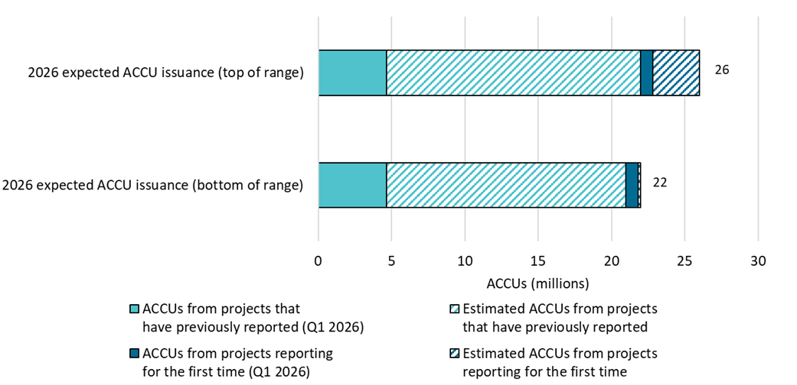

About Figure 1.9
This figure shows the range of expected ACCU issuances for 2026 by category. Expected issuances were calculated using data as at 31 March 2026.

The small print
Category details:
A) ACCUs from projects that have previously reported
This is an estimate based on factors such as the typical timing and volume of ACCUs per claim. This category factors in ACCUs from applications on hand at the start of 2026.
B) ACCUs from projects reporting for the first time
This is an estimate based on factors such as the typical timing and volume of first issuance. This category is the main driver of uncertainty for the 2026 estimate.

Figure 1.10
Back to contents
Figure 1.10 Changes in the sequestration bank and release for a hypothetical savanna fire management project
Data as at 31/03/2026
Year | Sequestration bank (start of the year) (A) | Releases from bank (D) | Sequestration bank (end of year) (E)
1 | 500 | 20 | 485
2 | 485 | 20 | 469
3 | 469 | 21 | 454
4 | 454 | 21 | 438
5 | 438 | 21 | 422
6 | 422 | 21 | 405
7 | 405 | 22 | 389
8 | 389 | 22 | 372
9 | 372 | 22 | 355
10 | 355 | 22 | 337
11 | 337 | 23 | 320
12 | 320 | 23 | 301
13 | 301 | 24 | 283
14 | 283 | 24 | 264
15 | 264 | 24 | 244
16 | 244 | 25 | 224
17 | 224 | 25 | 204
18 | 204 | 26 | 183
19 | 183 | 27 | 161
20 | 161 | 28 | 138
21 | 138 | 29 | 115
22 | 115 | 30 | 90
23 | 90 | 32 | 63
24 | 63 | 34 | 34
25 | 34 | 39 | 0
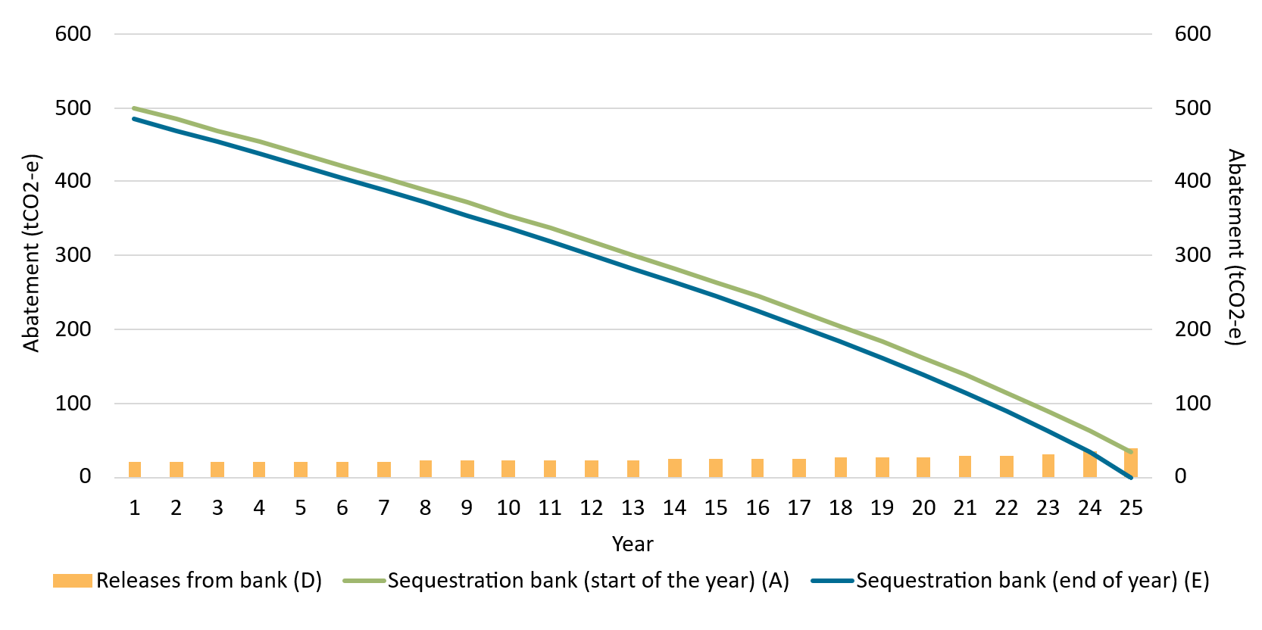

About Figure 1.10
This figure shows changes in the sequestration bank and release for a hypothetical savanna fire management project.

The small print
The hypotethical project has sequestered 500 tCO2-e in the sequestration bank. Half of the abatement sequestered in each calendar year is added to the bank. The rate of release is inversely proportional to the number of years left in the project’s crediting period.

Figure 1.11
Back to contents
Figure 1.11 Australian carbon credit unit (ACCU) non-safeguard cancellations
Data as at 31/03/2026
Year | Quarter | Voluntary cancellations | Compliance cancellations | Government cancellations | Total | Annual total
2014 | Q1 | 0 | 0 | 0 | 0 | -
2014 | Q2 | 0 | 0 | 0 | 0 | -
2014 | Q3 | 430 | 0 | 0 | 430 | -
2014 | Q4 | 0 | 0 | 0 | 0 | 430
2015 | Q1 | 0 | 0 | 0 | 0 | -
2015 | Q2 | 24,332 | 0 | 0 | 24,332 | -
2015 | Q3 | 100 | 0 | 0 | 100 | -
2015 | Q4 | 810 | 0 | 0 | 810 | 25,242
2016 | Q1 | 0 | 0 | 50 | 50 | -
2016 | Q2 | 42,302 | 0 | 4,862 | 47,164 | -
2016 | Q3 | 2,403 | 0 | 10,416 | 12,819 | -
2016 | Q4 | 26,848 | 0 | 42,564 | 69,412 | 129,445
2017 | Q1 | 738 | 0 | 12,680 | 13,418 | -
2017 | Q2 | 42,143 | 0 | 0 | 42,143 | -
2017 | Q3 | 24,966 | 0 | 0 | 24,966 | -
2017 | Q4 | 27,206 | 0 | 8,118 | 35,324 | 115,851
2018 | Q1 | 2,281 | 0 | 0 | 2,281 | -
2018 | Q2 | 34,911 | 211,159 | 46,696 | 292,766 | -
2018 | Q3 | 14,474 | 8,356 | 45,275 | 68,105 | -
2018 | Q4 | 124,772 | 0 | 39,796 | 164,568 | 527,720
2019 | Q1 | 11,548 | 9,781 | 17,458 | 38,787 | -
2019 | Q2 | 41,293 | 0 | 69,985 | 111,278 | -
2019 | Q3 | 57,396 | 18,174 | 57,099 | 132,669 | -
2019 | Q4 | 190,662 | 0 | 3,482 | 194,144 | 476,878
2020 | Q1 | 80,712 | 0 | 34,131 | 114,843 | -
2020 | Q2 | 70,048 | 14,343 | 121,628 | 206,019 | -
2020 | Q3 | 183,220 | 0 | 32,800 | 216,020 | -
2020 | Q4 | 158,832 | 65,668 | 79,575 | 304,075 | 840,957
2021 | Q1 | 162,555 | 0 | 11,934 | 174,489 | -
2021 | Q2 | 199,107 | 9,973 | 17,880 | 226,960 | -
2021 | Q3 | 132,698 | 50,446 | 37,214 | 220,358 | -
2021 | Q4 | 313,712 | 3,734 | 10,915 | 328,361 | 950,168
2022 | Q1 | 187,877 | 85,925 | 8,976 | 282,778 | -
2022 | Q2 | 286,903 | 117,670 | 36,804 | 441,377 | -
2022 | Q3 | 186,231 | 288,987 | 1,687 | 476,905 | -
2022 | Q4 | 204,388 | 17,240 | 56,593 | 278,221 | 1,479,281
2023 | Q1 | 200,814 | 0 | 11,128 | 211,942 | -
2023 | Q2 | 328,476 | 0 | 14,488 | 342,964 | -
2023 | Q3 | 288,627 | 55,093 | 43,043 | 386,763 | -
2023 | Q4 | 347,152 | 421,498 | 24,463 | 793,113 | 1,734,782
2024 | Q1 | 193,546 | 90,000 | 5,599 | 289,145 | -
2024 | Q2 | 266,267 | 114,804 | 34,578 | 415,649 | -
2024 | Q3 | 251,453 | 29,000 | 15,248 | 295,701 | -
2024 | Q4 | 311,283 | 0 | 15,589 | 326,872 | 1,327,367
2025 | Q1 | 154,731 | 6,335 | 15,126 | 176,192 | -
2025 | Q2 | 403,148 | 102,063 | 2,246 | 507,457 | -
2025 | Q3 | 157,491 | 100 | 6,468 | 164,059 | -
2025 | Q4 | 391,192 | 0 | 6,620 | 397,812 | 1,245,520
2026 | Q1 | 182,483 | 0 | 7,805 | 190,288 | 190,288
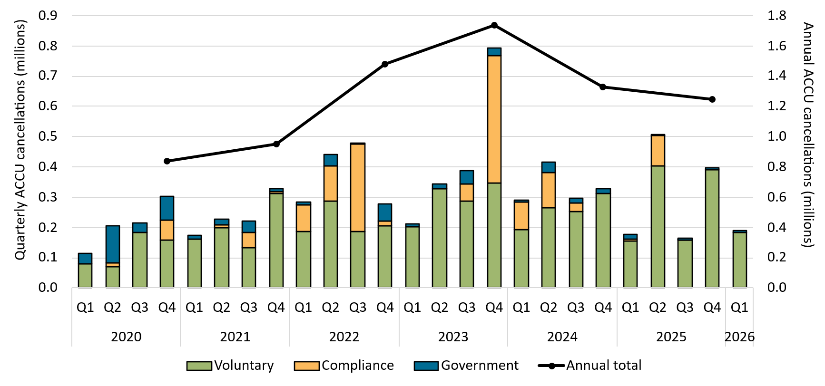

About Figure 1.11
This figure shows ACCU non-safeguard (voluntary, compliance, and government) cancellations quarterly and the annual total over time.

The small print
ACCU cancellations exclude deliveries against Commonwealth carbon abatement contract milestones, surrenders for safeguard purposes, and transfers to the Commonwealth Regulatory Additionality Holding Account. This classification system is uniform across ACCU and large-scale generation certificate (LGC) cancellations.

Category definitions
Voluntary Cancellations made against voluntary certification programs and any sort of organisational emissions targets.
Compliance Cancellations made by private organisations and corporations for compliance or obligations against municipal, local, state and territory government laws, approvals, or contracts. For example, cancellations to meet Environmental Protection Authority requirements.
Government Cancellations by or on behalf of government entities. For example to offset emissions from vehicle fleets or meet voluntary emissions reduction targets.

Figure 2.1
Back to contents
Figure 2.1 Change in NEM supply mix by fuel type - Q1 2026 vs Q1 2025
Data as at 31/03/2026
Fuel type | Decrease | Increase
Small-scale solar | 0 | 308
Grid Solar | 0 | 320
Wind | 0 | 328
Black Coal | 629 | 0
Brown Coal | 0 | 32
Gas | 229 | 0
Hydro | 0 | 200
Other | 0 | 28
Net |  | 358
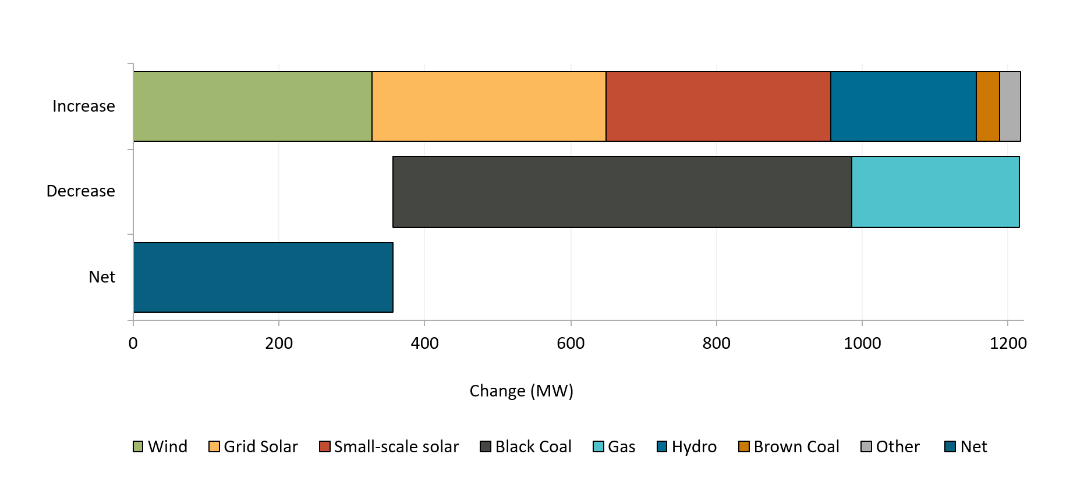

About Figure 2.1
This figure shows the shift in NEM supply mix driven by higher renewable output.

Source
AEMO Quarterly Energy Dynamics Q1 2026

Figure 2.2
Back to contents
Figure 2.2 Large-scale generation certificates (LGCs) validated by technology type
Data as at 31/03/2026
Year | Quarter | Wind | Solar | Biomass | Hydroelectricity | Total | Annual total
2020 | Q1 | 4,313,812 | 1,973,944 | 706,897 | 403,025 | 7,397,678 | -
2020 | Q2 | 4,974,714 | 1,526,406 | 409,451 | 57,458 | 6,968,029 | -
2020 | Q3 | 5,023,838 | 1,387,380 | 853,317 | 58,210 | 7,322,745 | -
2020 | Q4 | 7,038,530 | 2,447,599 | 1,397,039 | 581,376 | 11,464,544 | 33,152,996
2021 | Q1 | 5,585,650 | 2,424,743 | 443,744 | 751,496 | 9,205,633 | -
2021 | Q2 | 5,418,883 | 2,128,835 | 344,264 | 60,940 | 7,952,922 | -
2021 | Q3 | 6,984,780 | 1,716,402 | 394,604 | 112,893 | 9,208,679 | -
2021 | Q4 | 8,235,025 | 3,042,634 | 982,100 | 305,208 | 12,564,967 | 38,932,201
2022 | Q1 | 5,281,079 | 3,466,194 | 615,892 | 816,529 | 10,179,694 | -
2022 | Q2 | 6,356,949 | 2,733,676 | 345,547 | 90,978 | 9,527,150 | -
2022 | Q3 | 8,076,905 | 2,297,227 | 596,284 | 207,837 | 11,178,253 | -
2022 | Q4 | 6,750,741 | 3,284,968 | 613,178 | 556,726 | 11,205,613 | 42,090,710
2023 | Q1 | 6,812,455 | 4,523,784 | 838,244 | 891,226 | 13,065,709 | -
2023 | Q2 | 7,286,918 | 3,463,788 | 398,580 | 138,585 | 11,287,871 | -
2023 | Q3 | 8,500,814 | 3,090,340 | 386,810 | 141,337 | 12,119,301 | -
2023 | Q4 | 7,657,674 | 4,422,891 | 780,365 | 268,648 | 13,129,578 | 49,602,459
2024 | Q1 | 7,039,551 | 5,106,888 | 660,904 | 1,036,842 | 13,844,185 | -
2024 | Q2 | 6,692,758 | 4,029,007 | 271,129 | 64,625 | 11,057,519 | -
2024 | Q3 | 8,538,561 | 3,409,643 | 512,130 | 107,558 | 12,567,892 | -
2024 | Q4 | 8,393,679 | 4,505,033 | 743,249 | 368,626 | 14,010,587 | 51,480,183
2025 | Q1 | 7,390,510 | 5,892,300 | 688,430 | 224,749 | 14,195,989 | -
2025 | Q2 | 7,605,909 | 4,672,630 | 588,450 | 94,038 | 12,961,027 | -
2025 | Q3 | 10,950,241 | 3,919,057 | 624,678 | 162,912 | 15,656,888 | -
2025 | Q4 | 10,194,903 | 5,633,247 | 870,295 | 154,071 | 16,852,516 | 59,666,420
2026 | Q1 | 9,624,179 | 6,813,016 | 574,362 | 220,084 | 17,231,641 | 17,231,641
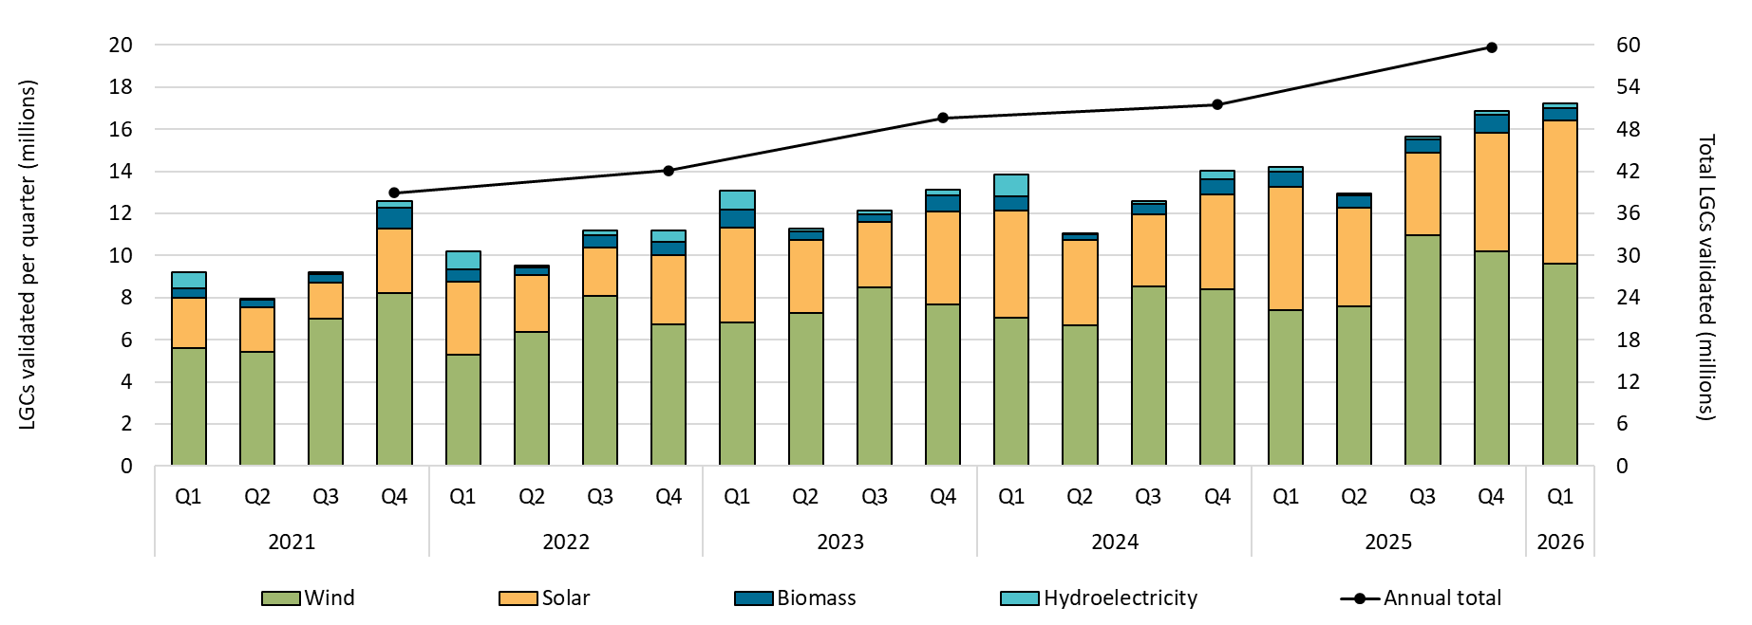

About Figure 2.2
This figure shows the number of LGCs validated by technology type over time.

Figure 2.3
Back to contents
Figure 2.3 Large-scale generation certificate (LGC) reported spot and forward prices
Data as at 15/05/2026
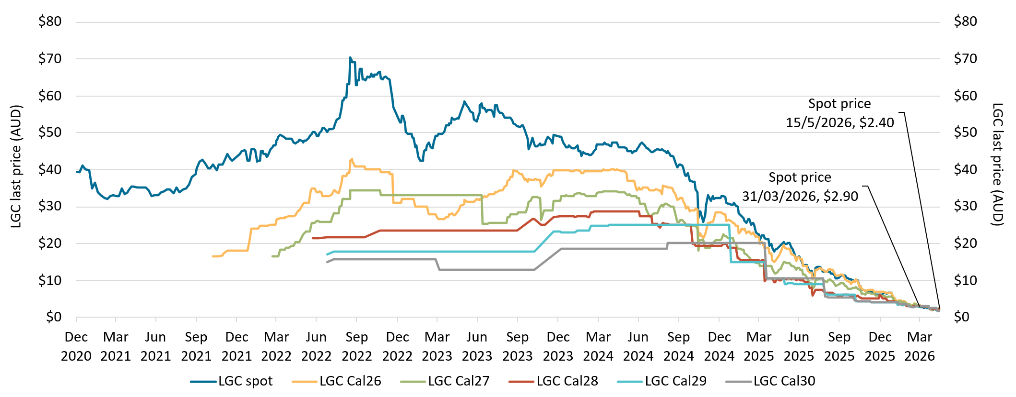

About Figure 2.3
This figure shows the daily closing LGC spot price and calendar year forward prices over time.

The small print
For example, Cal26 is the 2026 calendar year, where an agreement is made to buy/sell LGCs at a specified price in 2026. Pricing data is compiled from trades reported by CORE markets and may not be comprehensive. Prices are shown from 31 December 2020 to 15 May 2026.

Figure 2.4
Back to contents
Figure 2.4 Approved large-scale wind and solar capacity in gigawatts (GW)
Data as at 31/03/2026
Year | Quarter | Wind | Solar | Total | Annual total
2019 | Q1 | 0.23 | 0.43 | 0.66 | -
2019 | Q2 | 0.58 | 0.45 | 1.04 | -
2019 | Q3 | 0.69 | 0.43 | 1.12 | -
2019 | Q4 | 0.06 | 0.96 | 1.03 | 3.85
2020 | Q1 | 0.17 | 0.40 | 0.56 | -
2020 | Q2 | 1.38 | 0.41 | 1.79 | -
2020 | Q3 | 0.22 | 0.16 | 0.38 | -
2020 | Q4 | 0.56 | 0.90 | 1.45 | 4.19
2021 | Q1 | 0.00 | 0.24 | 0.24 | -
2021 | Q2 | 0.19 | 0.13 | 0.32 | -
2021 | Q3 | 0.16 | 0.45 | 0.60 | -
2021 | Q4 | 0.00 | 1.15 | 1.15 | 2.31
2022 | Q1 | 0.22 | 0.08 | 0.29 | -
2022 | Q2 | 0.00 | 0.40 | 0.40 | -
2022 | Q3 | 0.26 | 0.24 | 0.50 | -
2022 | Q4 | 0.59 | 0.69 | 1.27 | 2.46
2023 | Q1 | 0.00 | 0.27 | 0.27 | -
2023 | Q2 | 0.00 | 0.68 | 0.68 | -
2023 | Q3 | 0.58 | 0.03 | 0.61 | -
2023 | Q4 | 0.15 | 0.50 | 0.65 | 2.20
2024 | Q1 | 0.28 | 0.59 | 0.87 | -
2024 | Q2 | 0.32 | 0.20 | 0.52 | -
2024 | Q3 | 0.90 | 0.41 | 1.31 | -
2024 | Q4 | 0.92 | 0.69 | 1.61 | 4.31
2025 | Q1 | 0.20 | 0.10 | 0.30 | -
2025 | Q2 | 0.45 | 1.01 | 1.46 | -
2025 | Q3 | 0.25 | 0.62 | 0.87 | -
2025 | Q4 | 0.00 | 1.30 | 1.30 | 3.93
2026 | Q1 | 0.58 | 0.51 | 1.09 | 1.09

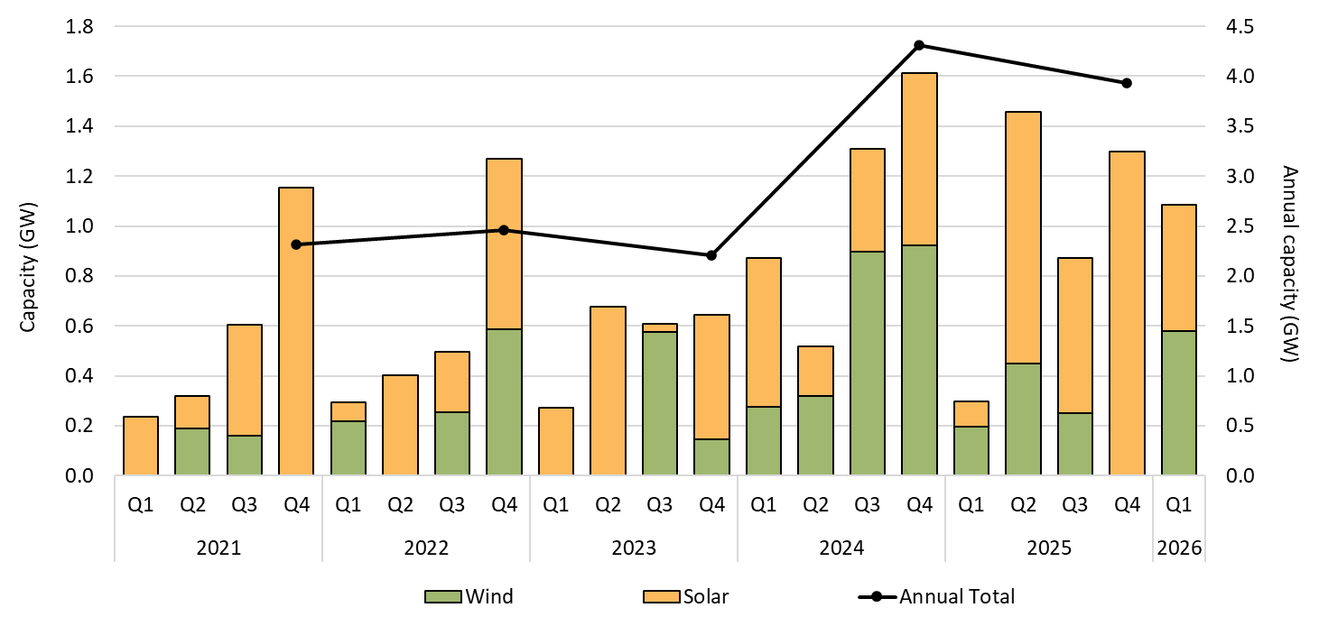

About Figure 2.4
This figure shows the capacity of large-scale wind and solar power stations approved by the Clean Energy Regulator to generate large-scale generation certificates over time.

The small print
Solar and wind hybrid projects are grouped under the wind category. Totals may not sum due to rounding. Data, including for earlier years, can be found on the Large-scale renewable energy data page (https://cer.gov.au/markets/reports-and-data/large-scale-renewable-energy-data) and the Historical large-scale renewable energy supply data page (https://cer.gov.au/markets/reports-and-data/large-scale-renewable-energy-data/historical-large-scale-renewable-energy-supply-data) on the CER's website.

Figure 2.5
Back to contents
Figure 2.5 Final investment decision capacity in gigawatts (GW) for large-scale renewable generation by fuel source
Data as at 31/03/2026
Year | Quarter | Solar | Wind | Hydro | Total | Annual total capacity
2017 | Q1 | 396.9 | 452.8 | 0.0 | 849.8 | -
2017 | Q2 | 554.5 | 199.5 | 0.0 | 754.0 | -
2017 | Q3 | 544.6 | 572.3 | 0.0 | 1,116.9 | -
2017 | Q4 | 510.7 | 787.5 | 0.0 | 1,298.2 | 4,018.9
2018 | Q1 | 715.5 | 754.9 | 0.0 | 1,470.4 | -
2018 | Q2 | 446.2 | 518.1 | 0.0 | 964.3 | -
2018 | Q3 | 608.8 | 0.0 | 0.0 | 608.8 | -
2018 | Q4 | 788.1 | 1,053.0 | 0.0 | 1,841.1 | 4,884.5
2019 | Q1 | 472.6 | 215.1 | 0.0 | 687.7 | -
2019 | Q2 | 240.7 | 438.7 | 0.0 | 679.4 | -
2019 | Q3 | 223.1 | 243.8 | 0.0 | 466.9 | -
2019 | Q4 | 532.4 | 0.0 | 0.0 | 532.4 | 2,366.4
2020 | Q1 | 804.5 | 425.4 | 0.0 | 1,229.9 | -
2020 | Q2 | 16.8 | 0.0 | 0.0 | 16.8 | -
2020 | Q3 | 1,082.4 | 209.0 | 0.0 | 1,291.4 | -
2020 | Q4 | 782.9 | 0.0 | 0.0 | 782.9 | 3,320.9
2021 | Q1 | 47.3 | 0.0 | 0.0 | 47.3 | -
2021 | Q2 | 737.9 | 0.0 | 0.0 | 737.9 | -
2021 | Q3 | 387.8 | 791.0 | 0.0 | 1,178.8 | -
2021 | Q4 | 149.1 | 923.4 | 0.0 | 1,072.5 | 3,036.4
2022 | Q1 | 297.0 | 992.2 | 0.0 | 1,289.2 | -
2022 | Q2 | 200.6 | 184.8 | 0.0 | 385.4 | -
2022 | Q3 | 407.0 | 218.4 | 0.0 | 625.4 | -
2022 | Q4 | 1,337.7 | 756.4 | 0.0 | 2,094.1 | 4,394.2
2023 | Q1 | 357.8 | 126.6 | 0.0 | 484.4 | -
2023 | Q2 | 22.0 | 300.1 | 0.0 | 322.2 | -
2023 | Q3 | 445.2 | 65.1 | 250.0 | 760.3 | -
2023 | Q4 | 789.7 | 0.0 | 0.0 | 789.7 | 2,356.6
2024 | Q1 | 367.3 | 491.0 | 0.0 | 858.3 | -
2024 | Q2 | 594.2 | 576.6 | 0.0 | 1,170.8 | -
2024 | Q3 | 641.0 | 513.0 | 0.0 | 1,154.0 | -
2024 | Q4 | 739.9 | 362.0 | 0.0 | 1,101.9 | 4,285.0
2025 | Q1 | 558.0 | 0.0 | 0.0 | 558.0 | -
2025 | Q2 | 541.0 | 25.0 | 0.0 | 566.0 | -
2025 | Q3 | 27.0 | 0.0 | 0.0 | 27.0 | -
2025 | Q4 | 300.0 | 665.0 | 0.0 | 965.0 | 2,116.0
2026 | Q1 | 525.0 | 421.0 | 0.0 | 946.0 | 946.0

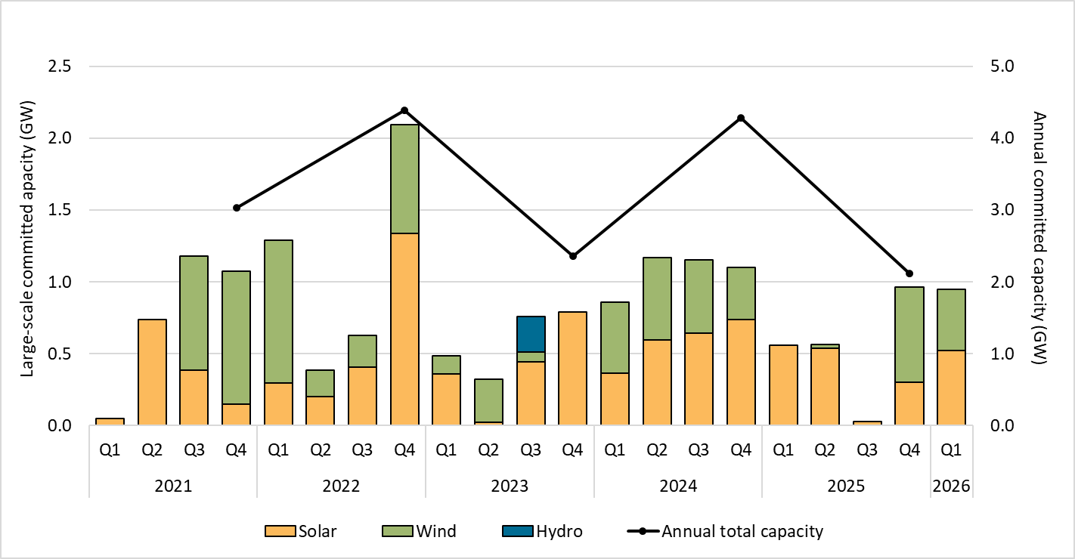

About Figure 2.5
This figure shows the capacity of large-scale renewable power stations by fuel source to reach a final investment decision over time.

The small print
The Clean Energy Regulator tracks public announcements. Data may be incomplete and may change retrospectively. Totals may not sum due to rounding.

Figure 2.6
Back to contents
Figure 2.6 Non-Renewable Energy Target (non-RET) large-scale generation certificate (LGC) cancellations by demand source
Data as at 31/03/2026
Year | Quarter | Voluntary | Government | Compliance | Total | Annual total
2020 | Q1 | 62,010 | 89,164 | 117,690 | 268,864 | -
2020 | Q2 | 22,664 | 154,853 | 0 | 177,517 | -
2020 | Q3 | 743,747 | 2,279,217 | 399,462 | 3,422,426 | -
2020 | Q4 | 122,591 | 34,006 | 0 | 156,597 | 4,025,404
2021 | Q1 | 208,154 | 79,858 | 70,461 | 358,473 | -
2021 | Q2 | 193,547 | 2,326,078 | 0 | 2,519,625 | -
2021 | Q3 | 830,436 | 135,535 | 421,100 | 1,387,071 | -
2021 | Q4 | 259,185 | 49,437 | 1,197,690 | 1,506,312 | 5,771,481
2022 | Q1 | 615,330 | 560,273 | 40,627 | 1,216,230 | -
2022 | Q2 | 309,710 | 42,798 | 3,850 | 356,358 | -
2022 | Q3 | 1,384,178 | 2,839,830 | 429,396 | 4,653,404 | -
2022 | Q4 | 1,067,260 | 117,533 | 0 | 1,184,793 | 7,410,785
2023 | Q1 | 1,343,335 | 640,906 | 101,107 | 2,085,348 | -
2023 | Q2 | 907,356 | 2,237,378 | 0 | 3,144,734 | -
2023 | Q3 | 2,281,727 | 426,512 | 25,481 | 2,733,720 | -
2023 | Q4 | 657,659 | 96,429 | 0 | 754,088 | 8,717,890
2024 | Q1 | 1,614,565 | 554,083 | 115,574 | 2,284,222 | -
2024 | Q2 | 1,277,943 | 2,254,806 | 0 | 3,532,749 | -
2024 | Q3 | 1,100,939 | 345,660 | 125,266 | 1,571,865 | -
2024 | Q4 | 2,801,983 | 253,959 | 0 | 3,055,942 | 10,444,778
2025 | Q1 | 1,915,381 | 719,248 | 61,527 | 2,696,156 | -
2025 | Q2 | 1,893,376 | 2,502,145 | 106,208 | 4,501,729 | -
2025 | Q3 | 3,139,309 | 495,783 | 10,943 | 3,646,035 | -
2025 | Q4 | 3,913,256 | 506,571 | 2,852 | 4,422,679 | 15,266,599
2026 | Q1 | 3,403,063 | 621,952 | 51,705 | 4,076,720 | 4,076,720

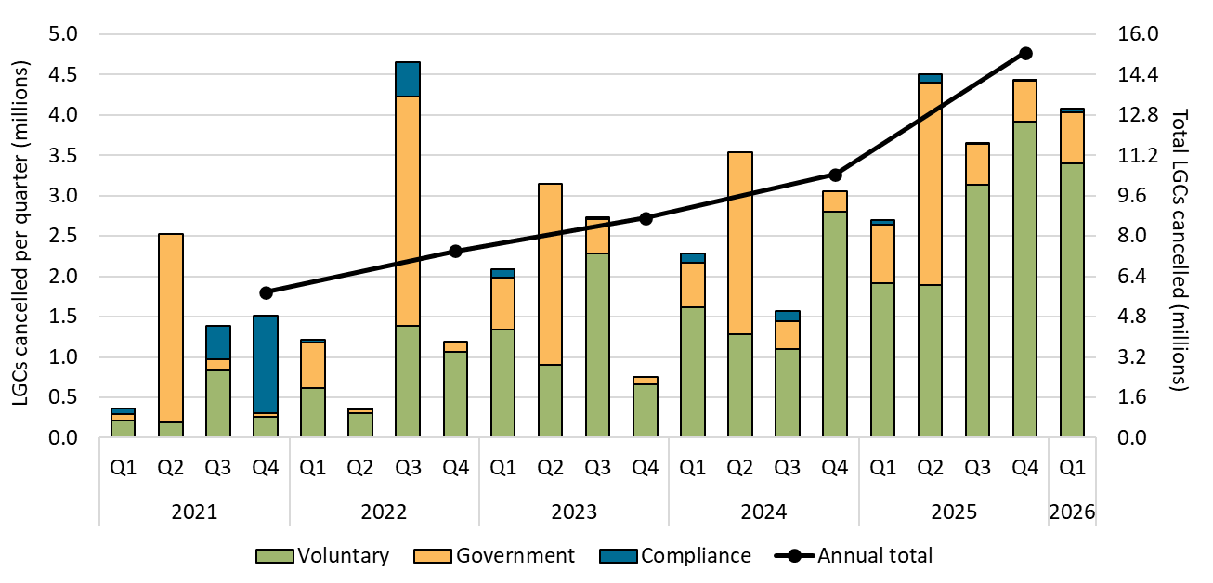

About Figure 2.6
This figure shows non-RET LGC cancellations by demand source over time.

The small print
This classification system is uniform across Australian carbon credit unit (ACCU) and LGC cancellations.

Covered activities for each classification
Voluntary demand Cancellations made against voluntary certification programs such as Climate Active and any sort of organisational emissions or energy targets.
Government demand Cancellations by or on behalf of government entities. For example to offset emissions from vehicle fleets or meet voluntary emissions reduction targets.
Compliance demand Cancellations made by private organisations and corporations for compliance or obligations against local or state and territory government laws, approvals, or contracts. For example to meet Environmental Protection Authority requirements.

Figure 2.7
Back to contents
Figure 2.7 Large-scale generation certificate (LGC) holdings (in millions) by market participation
Data as at 31/03/2026
Year | Quarter | Liable entity | Power station | Non-RET (voluntary) | Non-RET (compliance) | Non-RET (government) | Intermediary | Other | Total holdings
2020 | Q1 | 3.3 | 2.6 | 1.2 | 1.9 | 2.8 | 0.4 | 0.1 | 12.3
2020 | Q2 | 7.5 | 4.0 | 1.9 | 1.9 | 0.5 | 0.9 | 0.1 | 16.9
2020 | Q3 | 11.6 | 3.9 | 2.0 | 1.6 | 0.5 | 1.6 | 0.1 | 21.2
2020 | Q4 | 15.9 | 5.8 | 4.4 | 1.7 | 2.0 | 2.6 | 0.1 | 32.4
2021 | Q1 | 4.2 | 2.9 | 1.4 | 1.7 | 2.4 | 0.8 | 0.1 | 13.5
2021 | Q2 | 8.6 | 3.8 | 2.1 | 1.7 | 0.8 | 1.0 | 0.1 | 18.0
2021 | Q3 | 12.7 | 3.7 | 4.1 | 1.4 | 0.7 | 1.8 | 0.1 | 24.5
2021 | Q4 | 17.3 | 5.1 | 4.8 | 1.4 | 2.3 | 2.6 | 0.1 | 33.6
2022 | Q1 | 3.5 | 3.0 | 2.5 | 1.5 | 3.0 | 0.7 | 0.1 | 14.2
2022 | Q2 | 8.5 | 4.3 | 3.8 | 1.5 | 1.1 | 0.5 | 0.2 | 20.0
2022 | Q3 | 13.0 | 5.7 | 5.1 | 1.1 | 1.2 | 1.6 | 0.4 | 28.0
2022 | Q4 | 15.0 | 7.5 | 8.5 | 1.2 | 1.3 | 2.0 | 0.5 | 36.0
2023 | Q1 | 4.3 | 3.4 | 3.9 | 1.3 | 1.1 | 0.6 | 0.1 | 14.6
2023 | Q2 | 9.0 | 5.8 | 6.5 | 1.4 | 0.8 | 0.9 | 0.3 | 24.7
2023 | Q3 | 16.8 | 7.5 | 4.7 | 1.5 | 0.8 | 1.6 | 0.3 | 33.2
2023 | Q4 | 21.4 | 9.6 | 6.5 | 1.7 | 1.1 | 2.2 | 0.5 | 42.9
2024 | Q1 | 5.7 | 4.5 | 5.5 | 1.7 | 2.7 | 0.9 | 0.3 | 21.1
2024 | Q2 | 11.3 | 6.6 | 6.3 | 1.8 | 0.9 | 1.3 | 0.3 | 28.5
2024 | Q3 | 12.5 | 9.6 | 8.3 | 1.9 | 1.0 | 1.5 | 0.5 | 35.3
2024 | Q4 | 17.8 | 12.2 | 10.5 | 2.0 | 1.1 | 2.1 | 0.7 | 46.4
2025 | Q1 | 5.4 | 6.5 | 8.5 | 2.1 | 2.2 | 1.3 | 0.5 | 26.5
2025 | Q2 | 10.1 | 8.9 | 11.3 | 2.2 | 1.2 | 1.3 | 0.6 | 35.4
2025 | Q3 | 12.9 | 12.3 | 11.1 | 2.4 | 1.6 | 2.9 | 0.8 | 43.9
2025 | Q4 | 18.5 | 15.9 | 12.8 | 2.4 | 1.6 | 3.9 | 0.9 | 56.1
2026 | Q1 | 8.3 | 10.5 | 11.0 | 2.5 | 1.3 | 1.8 | 0.6 | 35.9

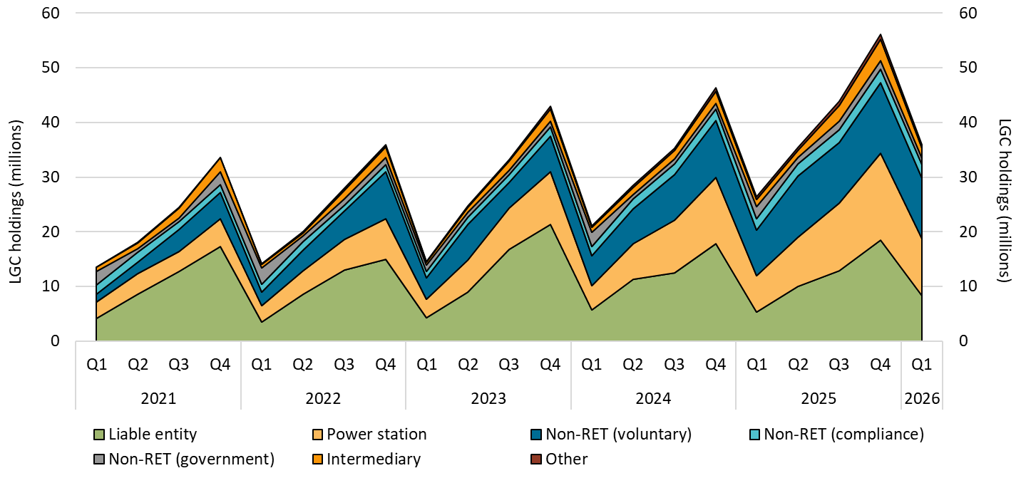

About Figure 2.7
This figure shows LGC holdings in Renewable Energy Certificate (REC) Registry accounts by market participation category over time.

The small print
Holdings are for registered LGCs as at the end of the quarter and exclude any pending transactions. Accounts are categorised according to their primary role or function based on transaction patterns and the name of the account. An account's category is subject to change. Totals may not sum due to rounding.

Category definitions
Liable entity Account holder is a liable entity.
Power station The account holder has created more LGCs than it has surrendered.
Non-RET (voluntary) The majority of LGCs surrendered by the account holder have been surrendered voluntarily, or the account is labelled as 'GreenPower' in the REC registry.
Non-RET (compliance) The majority of LGCs surrendered by the account holder have been surrendered voluntarily for non-RET compliance reasons (for example, desalination plants).
Non-RET (government) The majority of LGCs surrendered by the account holder have been surrendered voluntarily for a government entity.
Intermediary Account holder has transacted/received over 100,000 LGCs and does not fit into any of the other categories.
Other Account holder does not fit into any of the other categories.

Figure 3.1
Back to contents
Figure 3.1 Small-scale cumulative validated battery capacity installed by state and territory in megawatt-hours (MWh) by installation date
Data as of 31/03/2026
Year | Quarter | ACT | NSW | NT | QLD | SA | TAS | VIC | WA | Grand Total
2025 | Q3 | 32.8 | 597.2 | 6.6 | 331.7 | 219.7 | 16.9 | 330.7 | 150.0 | 1,685.6
2025 | Q4 | 91.7 | 1,769.6 | 15.1 | 954.1 | 562.5 | 39.4 | 1,007.6 | 418.0 | 4,857.9
2026 | Q1 | 136.4 | 2,777.3 | 19.0 | 1,534.8 | 812.3 | 53.7 | 1,406.1 | 654.5 | 7,394.2

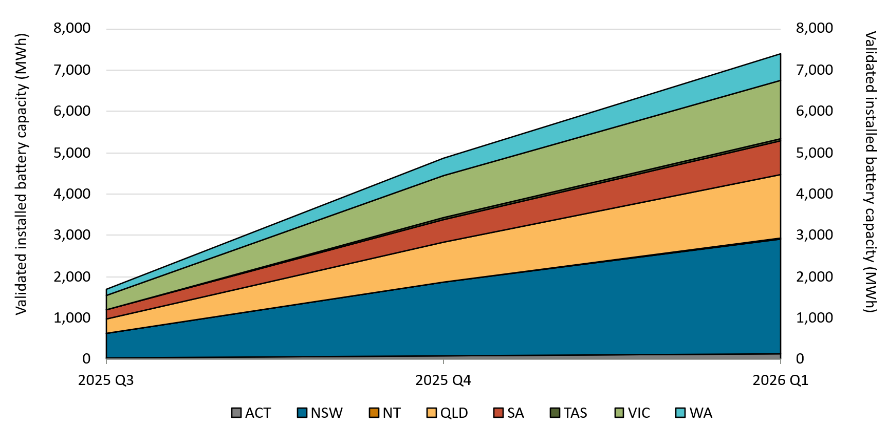

About Figure 3.1
This figure shows the monthly cumulative installed capacity of validated small-scale battery installations per state by installation date following the commencement of the Cheaper Home Batteries Program on 1 July 2025.

The small print
A 12 month creation period for registered persons to create small-scale technology certificates applies under the Renewable Energy (Electricity) Regulations (2001). Data is subject to change due to the 12 month creation rule. Totals may not sum due to rounding.

Figure 3.2
Back to contents
Figure 3.2 Distribution of validated battery installations by size range in kilowatt hours (kWh) for residential systems
Data as of 31/03/2026
Category | Count of passed installations
0-14 kWh | 57,903
14-28 kWh | 116,507
28-50 kWh | 98,394
> 50 kWh | 6,632
Total | 279,436

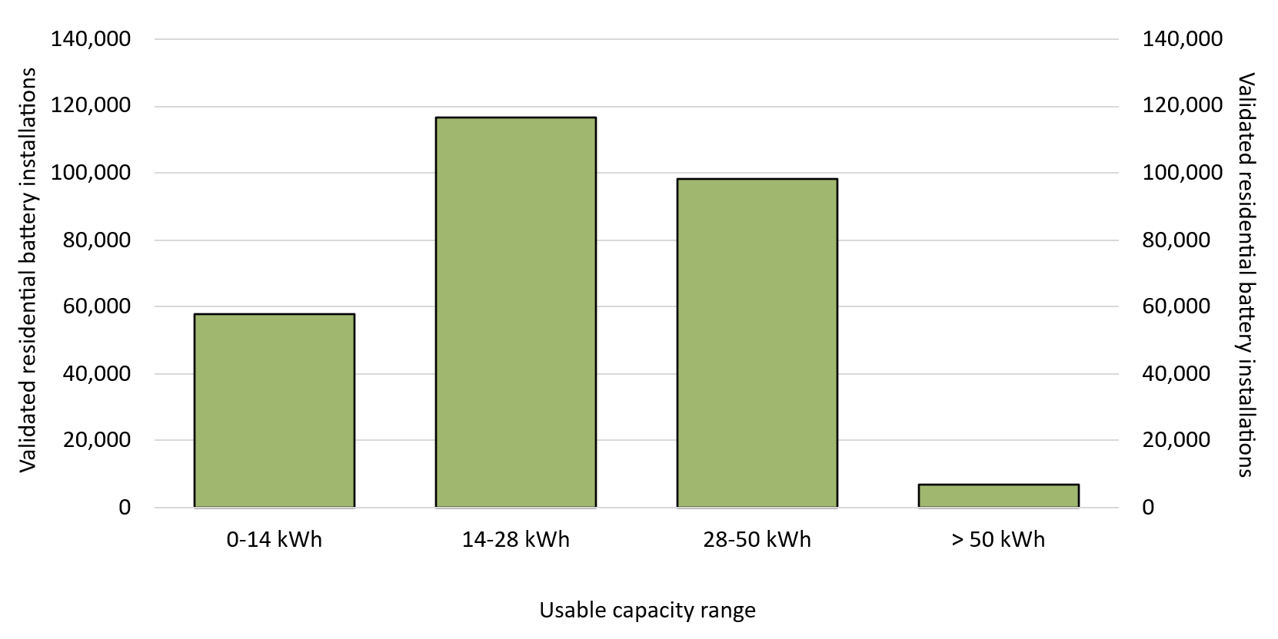

About Figure 3.2
This figure shows the distribution of validated small-scale battery installations at residential buildings across usable capacity ranges, following the commencement of the Cheaper Home Batteries Program on 1 July 2025. The battery capacity ranges are aligned with the tapering of STCs for larger batteries under the changes to the Cheaper Home Batteries Program, which will come into effect on 1 May 2026. For more information, please visit https://www.dcceew.gov.au/energy/programs/cheaper-home-batteries

The small print
A 12 month creation period for registered persons to create small-scale technology certificates applies under the Renewable Energy (Electricity) Regulations (2001). Data is subject to change due to the 12 month creation rule. Systems with capacities on the border between ranges are included in the higher range. For example, a 15 kWh system would be included in the 15-20 kWh range.

Figure 3.3
Back to contents
Figure 3.3 Distribution of validated battery installations by size range in kilowatt hours (kWh) for non-residential systems
Data as of 31/03/2026
Category | Count of passed installations
0-14 kWh | 727
14-28 kWh | 1,271
28-50 kWh | 2,291
> 50 kWh | 855
Total | 5,144

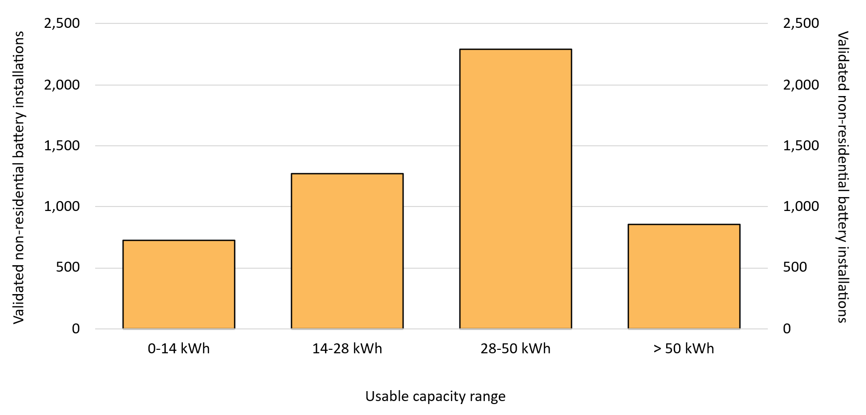

About Figure 3.3
This figure shows the distribution of validated small-scale battery installations at non-residential buildings across usable capacity ranges, following the commencement of the Cheaper Home Batteries Program on 1 July 2025. The battery capacity ranges are aligned with the tapering of STCs for larger batteries under the changes to the Cheaper Home Batteries Program, which will come into effect on 1 May 2026. For more information, please visit https://www.dcceew.gov.au/energy/programs/cheaper-home-batteries

The small print
A 12 month creation period for registered persons to create small-scale technology certificates applies under the Renewable Energy (Electricity) Regulations (2001). Data is subject to change due to the 12 month creation rule. Systems with capacities on the border between ranges are included in the higher range. For example, a 15 kWh system would be included in the 15-20 kWh range.

Figure 3.4
Back to contents
Figure 3.4 Distribution of validated battery installations by installation type by month
Data as of 15/05/2026
Month and Year | Retrofit installations | Concurrent installation with upgraded solar PV | Concurrent installation with new solar PV
Jul-25 | 53% | 26% | 21%
Aug-25 | 54% | 24% | 22%
Sep-25 | 52% | 25% | 23%
Oct-25 | 54% | 24% | 23%
Nov-25 | 51% | 26% | 23%
Dec-25 | 50% | 28% | 22%
Jan-26 | 53% | 26% | 21%
Feb-26 | 51% | 27% | 22%
Mar-26 | 52% | 27% | 21%
Total | 52% | 26% | 22%

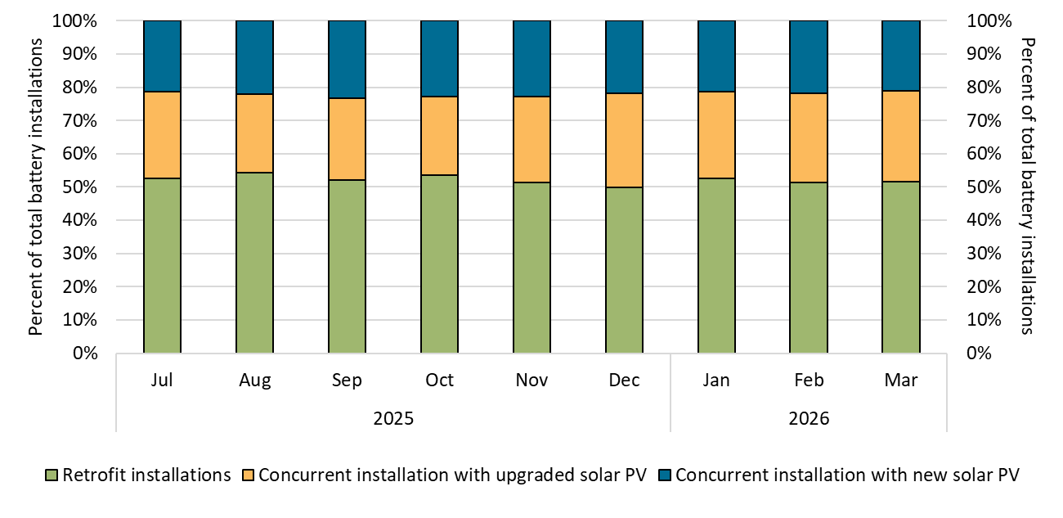

About Figure 3.4
This figure shows the distribution of validated small-scale battery installations by installation type by month of installation, following the commencement of the Cheaper Home Batteries Program on 1 July 2025.

The small print
A 12 month creation period for registered persons to create small-scale technology certificates applies under the Renewable Energy (Electricity) Regulations (2001). Data is subject to change due to the 12 month creation rule.
Category definitions
Retrofit installation Battery installations that were installed more than 90 days after the associated solar PV installation.
Concurrent installation with new solar PV Battery installations that were installed within 90 days of the associated solar PV installation. The solar PV installation was a new installation for the address.
Concurrent installation with upgraded solar PV Battery installations that were installed within 90 days of the associated solar PV installation. The solar PV installation was a replacement, extension, or addition for an existing solar PV system at the address.

Figure 3.5
Back to contents
Figure 3.5 Weekly small-scale technology certificate (STC) supply and the required supply to meet the small-scale technology percentage (STP)
Data as of 31/03/2026
Month | Week | Weekly STC supply
Jan | 1 | 178,530
Jan | 2 | 401,226
Jan | 3 | 435,049
Jan | 4 | 456,384
Jan | 5 | 354,797
Feb | 6 | 523,129
Feb | 7 | 535,815
Feb | 8 | 457,788
Feb | 9 | 575,520
Mar | 10 | 508,403
Mar | 11 | 490,624
Mar | 12 | 532,080
Mar | 13 | 520,159
Mar | 14 | 322,361

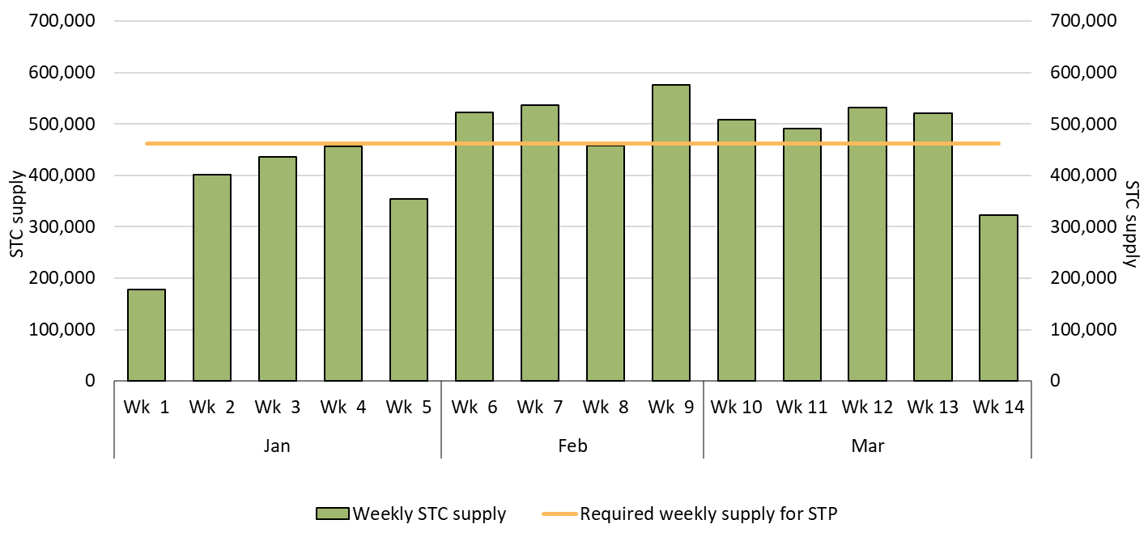

About Figure 3.5
This figure shows the weekly supply of STCs in 2026. It also shows the required weekly supply of STCs (462,192) to meet the 2026 STP.

The small print
Required STC supply refers to the estimated number of STCs to be created (24.1 million) to meet the annual STP liability in 2026. Some weeks are spread across multiple months; the month label refers to the month as of the end of the week. STC creations in weeks at the start and end of the shown period may be significantly lower than in other weeks in the year due to them being shorter as a result of the start and end of the quarter. Figure only includes STCs from the installation of small-scale solar, solar water heater, and air source heat pump systems. STCs from batteries are not included as they are being purchased by the Government and are not available to liable entities to meet their liabilities under the SRES.

Figure 3.6
Back to contents
Figure 3.6 Small-scale technology certificate (STC) reported spot and clearing house prices
Data as of 15/05/2026
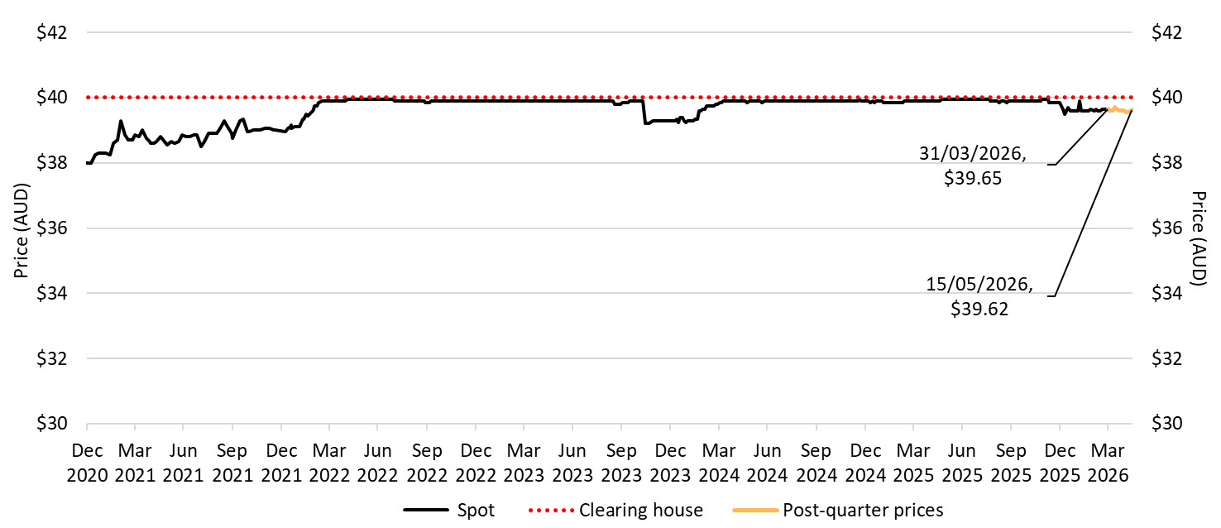

About Figure 3.6
This figure shows the daily closing STC spot price over time. It also shows the STC clearing house price.

The small print
Pricing data is complied from trades reported by CORE markets and may not be comprehensive. Prices are shown from 31 December 2020 to 15 May 2026. The last spot price recorded for the quarter is labelled.
More information on buying and selling STCs, including through the clearing house is available on the Clean Energy Regulator's website

Figure 3.7
Back to contents
Figure 3.7 Small-scale technology certificate (STC) market transactions
Data as of 31/03/2026
Year | Quarter | STCs transacted | Transactions | Annual total STCs transacted
2011 | Q1 | 7,690,134 | 991 | -
2011 | Q2 | 22,159,111 | 1,659 | -
2011 | Q3 | 23,793,488 | 2,183 | -
2011 | Q4 | 19,498,539 | 2,867 | 73,141,272
2012 | Q1 | 20,169,314 | 2,516 | -
2012 | Q2 | 25,807,106 | 2,810 | -
2012 | Q3 | 29,972,391 | 3,130 | -
2012 | Q4 | 24,845,046 | 2,656 | 100,793,857
2013 | Q1 | 22,896,105 | 2,841 | -
2013 | Q2 | 27,686,390 | 3,184 | -
2013 | Q3 | 29,931,250 | 3,193 | -
2013 | Q4 | 27,485,199 | 2,615 | 107,998,944
2014 | Q1 | 29,762,060 | 2,999 | -
2014 | Q2 | 27,005,239 | 2,662 | -
2014 | Q3 | 26,618,615 | 2,589 | -
2014 | Q4 | 24,470,312 | 2,603 | 107,856,226
2015 | Q1 | 17,668,748 | 2,573 | -
2015 | Q2 | 9,915,469 | 2,081 | -
2015 | Q3 | 8,284,937 | 1,882 | -
2015 | Q4 | 7,198,288 | 1,697 | 43,067,442
2016 | Q1 | 4,353,583 | 1,361 | -
2016 | Q2 | 5,127,272 | 1,456 | -
2016 | Q3 | 4,680,709 | 1,371 | -
2016 | Q4 | 4,767,216 | 1,331 | 18,928,780
2017 | Q1 | 3,730,852 | 1,194 | -
2017 | Q2 | 6,224,559 | 1,573 | -
2017 | Q3 | 10,325,254 | 1,903 | -
2017 | Q4 | 14,244,116 | 2,265 | 34,524,781
2018 | Q1 | 13,528,915 | 2,422 | -
2018 | Q2 | 20,648,590 | 2,575 | -
2018 | Q3 | 20,866,658 | 2,424 | -
2018 | Q4 | 21,610,968 | 2,944 | 76,655,131
2019 | Q1 | 20,829,766 | 2,932 | -
2019 | Q2 | 26,527,099 | 3,174 | -
2019 | Q3 | 26,831,019 | 3,388 | -
2019 | Q4 | 24,839,518 | 3,205 | 99,027,402
2020 | Q1 | 23,753,361 | 3,047 | -
2020 | Q2 | 26,652,227 | 2,836 | -
2020 | Q3 | 31,377,137 | 3,363 | -
2020 | Q4 | 31,661,107 | 3,500 | 113,443,832
2021 | Q1 | 33,571,793 | 3,783 | -
2021 | Q2 | 36,601,316 | 3,528 | -
2021 | Q3 | 29,200,058 | 3,274 | -
2021 | Q4 | 28,625,808 | 3,289 | 127,998,975
2022 | Q1 | 24,022,727 | 3,407 | -
2022 | Q2 | 20,009,412 | 2,682 | -
2022 | Q3 | 16,744,778 | 2,579 | -
2022 | Q4 | 17,559,181 | 2,519 | 78,336,098
2023 | Q1 | 13,329,848 | 2,286 | -
2023 | Q2 | 14,015,490 | 2,129 | -
2023 | Q3 | 15,091,006 | 2,578 | -
2023 | Q4 | 17,317,737 | 2,797 | 59,754,081
2024 | Q1 | 18,914,230 | 2,860 | -
2024 | Q2 | 15,116,847 | 2,390 | -
2024 | Q3 | 12,605,172 | 2,099 | -
2024 | Q4 | 10,646,170 | 1,817 | 57,282,419
2025 | Q1 | 9,108,076 | 1,738 | -
2025 | Q2 | 7,253,635 | 1,335 | -
2025 | Q3 | 12,216,131 | 1,797 | -
2025 | Q4 | 23,643,781 | 2,326 | 52,221,623
2026 | Q1 | 38,698,975 | 3,226 | 38,698,975

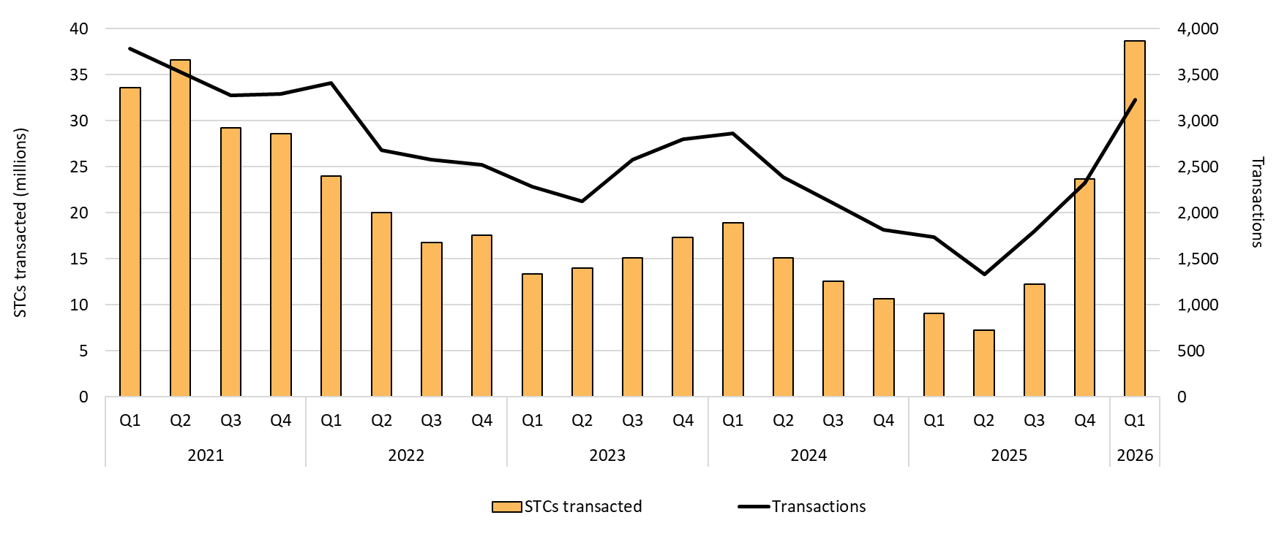

About Figure 3.7
This figure shows the volume of STCs transacted and the number of transactions, excluding STC clearing house transactions, over time.

Figure 3.8
Back to contents
Figure 3.8 Small-scale rooftop solar installations and installed capacity in megawatts (MW)
Data as of 31/03/2026
Year | Quarter | Installations | Installed capacity | Annual total installations | Annual total installed capacity
2001 | Q2 | 42 | <1 | - | -
2001 | Q3 | 34 | <1 | - | -
2001 | Q4 | 42 | <1 | 118 | <1
2002 | Q1 | 49 | <1 | - | -
2002 | Q2 | 50 | <1 | - | -
2002 | Q3 | 62 | <1 | - | -
2002 | Q4 | 90 | <1 | 251 | <1
2003 | Q1 | 121 | <1 | - | -
2003 | Q2 | 77 | <1 | - | -
2003 | Q3 | 215 | <1 | - | -
2003 | Q4 | 251 | <1 | 664 | <1
2004 | Q1 | 204 | <1 | - | -
2004 | Q2 | 244 | <1 | - | -
2004 | Q3 | 276 | <1 | - | -
2004 | Q4 | 365 | <1 | 1,089 | 1
2005 | Q1 | 327 | <1 | - | -
2005 | Q2 | 371 | <1 | - | -
2005 | Q3 | 310 | <1 | - | -
2005 | Q4 | 398 | <1 | 1,406 | 2
2006 | Q1 | 207 | <1 | - | -
2006 | Q2 | 262 | <1 | - | -
2006 | Q3 | 254 | <1 | - | -
2006 | Q4 | 392 | <1 | 1,115 | 2
2007 | Q1 | 378 | <1 | - | -
2007 | Q2 | 452 | <1 | - | -
2007 | Q3 | 1,064 | 2 | - | -
2007 | Q4 | 1,586 | 3 | 3,480 | 6
2008 | Q1 | 1,857 | 3 | - | -
2008 | Q2 | 2,834 | 4 | - | -
2008 | Q3 | 3,653 | 5 | - | -
2008 | Q4 | 5,720 | 8 | 14,064 | 20
2009 | Q1 | 8,733 | 11 | - | -
2009 | Q2 | 11,856 | 15 | - | -
2009 | Q3 | 17,161 | 23 | - | -
2009 | Q4 | 25,166 | 35 | 62,916 | 84
2010 | Q1 | 31,921 | 49 | - | -
2010 | Q2 | 48,259 | 86 | - | -
2010 | Q3 | 53,220 | 113 | - | -
2010 | Q4 | 64,808 | 141 | 198,208 | 390
2011 | Q1 | 89,844 | 203 | - | -
2011 | Q2 | 152,335 | 359 | - | -
2011 | Q3 | 69,222 | 178 | - | -
2011 | Q4 | 49,344 | 132 | 360,745 | 872
2012 | Q1 | 56,210 | 148 | - | -
2012 | Q2 | 129,244 | 372 | - | -
2012 | Q3 | 82,188 | 263 | - | -
2012 | Q4 | 75,678 | 253 | 343,320 | 1,036
2013 | Q1 | 46,638 | 168 | - | -
2013 | Q2 | 59,095 | 233 | - | -
2013 | Q3 | 46,588 | 185 | - | -
2013 | Q4 | 48,086 | 205 | 200,407 | 792
2014 | Q1 | 42,165 | 181 | - | -
2014 | Q2 | 44,116 | 194 | - | -
2014 | Q3 | 47,767 | 212 | - | -
2014 | Q4 | 46,091 | 214 | 180,139 | 800
2015 | Q1 | 37,504 | 177 | - | -
2015 | Q2 | 34,485 | 169 | - | -
2015 | Q3 | 36,499 | 185 | - | -
2015 | Q4 | 33,012 | 175 | 141,500 | 706
2016 | Q1 | 29,818 | 155 | - | -
2016 | Q2 | 31,043 | 171 | - | -
2016 | Q3 | 32,906 | 186 | - | -
2016 | Q4 | 38,930 | 237 | 132,697 | 748
2017 | Q1 | 37,360 | 207 | - | -
2017 | Q2 | 40,399 | 252 | - | -
2017 | Q3 | 45,145 | 287 | - | -
2017 | Q4 | 52,038 | 373 | 174,942 | 1,119
2018 | Q1 | 48,664 | 319 | - | -
2018 | Q2 | 50,524 | 365 | - | -
2018 | Q3 | 56,354 | 403 | - | -
2018 | Q4 | 69,310 | 530 | 224,852 | 1,617
2019 | Q1 | 64,844 | 456 | - | -
2019 | Q2 | 62,899 | 479 | - | -
2019 | Q3 | 69,049 | 529 | - | -
2019 | Q4 | 87,239 | 702 | 284,031 | 2,165
2020 | Q1 | 83,020 | 619 | - | -
2020 | Q2 | 84,744 | 678 | - | -
2020 | Q3 | 93,684 | 748 | - | -
2020 | Q4 | 108,872 | 920 | 370,320 | 2,965
2021 | Q1 | 98,957 | 782 | - | -
2021 | Q2 | 95,213 | 794 | - | -
2021 | Q3 | 89,203 | 752 | - | -
2021 | Q4 | 94,085 | 864 | 377,458 | 3,193
2022 | Q1 | 68,569 | 565 | - | -
2022 | Q2 | 71,547 | 625 | - | -
2022 | Q3 | 84,360 | 733 | - | -
2022 | Q4 | 91,241 | 870 | 315,717 | 2,794
2023 | Q1 | 76,113 | 660 | - | -
2023 | Q2 | 77,215 | 720 | - | -
2023 | Q3 | 87,388 | 823 | - | -
2023 | Q4 | 93,149 | 942 | 333,865 | 3,145
2024 | Q1 | 75,572 | 703 | - | -
2024 | Q2 | 81,955 | 788 | - | -
2024 | Q3 | 79,749 | 797 | - | -
2024 | Q4 | 81,905 | 869 | 319,180 | 3,157
2025 | Q1 | 66,745 | 655 | - | -
2025 | Q2 | 59,789 | 591 | - | -
2025 | Q3 | 64,329 | 660 | - | -
2025 | Q4 | 79,754 | 876 | 270,618 | 2,781
2026 | Q1 | 77,050 | 791 | 77,050 | 791

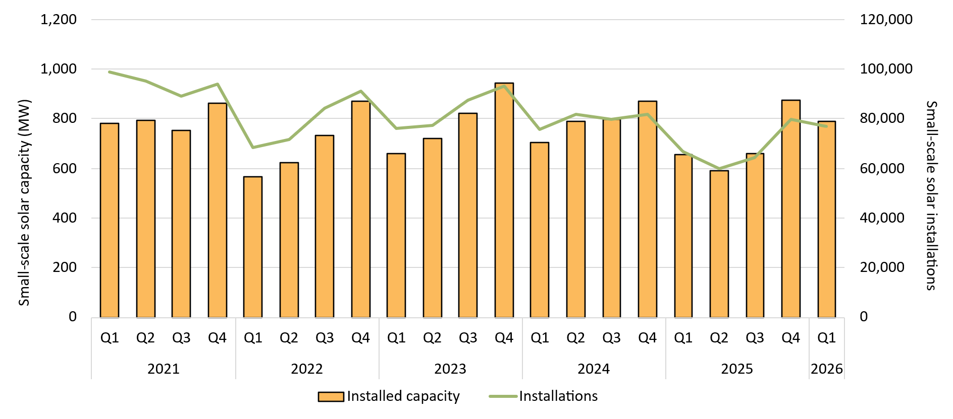

About Figure 3.8
This figure shows the installed capacity in megawatts (MW) and the number of small-scale rooftop solar installations over time.

The small print
Small-scale rooftop solar systems must have a capacity of less than 100 kilowatts (kW). A 12 month creation period for registered persons to create small-scale technology certificates applies under the Renewable Energy (Electricity) Regulations (2001). Data for installations and installed capacity in the past 12 months have been lag-adjusted to account for the 12 month creation rule and are estimates only. Data is subject to change and totals may not sum due to rounding. Non-lag adjusted figures are available through the Small-scale installation postcode data on the CER's website - https://cer.gov.au/markets/reports-and-data/small-scale-installation-postcode-data

Figure 3.9
Back to contents
Figure 3.9 Small-scale rooftop solar capacity installed by system size band and average small-scale system size in kilowatts (kW)
Data as of 31/03/2026
Year | Quarter | 0-5 kW | 5-10 kW | 10-15 kW | 15-40 kW | 40-100 kW | Average system size (kW)
2001 | Q2 | 100% | 0% | 0% | 0% | 0% | 1.4
2001 | Q3 | 100% | 0% | 0% | 0% | 0% | 1.5
2001 | Q4 | 93% | 7% | 0% | 0% | 0% | 1.8
2002 | Q1 | 93% | 7% | 0% | 0% | 0% | 1.6
2002 | Q2 | 100% | 0% | 0% | 0% | 0% | 1.3
2002 | Q3 | 91% | 9% | 0% | 0% | 0% | 1.9
2002 | Q4 | 96% | 4% | 0% | 0% | 0% | 1.9
2003 | Q1 | 93% | 7% | 0% | 0% | 0% | 1.5
2003 | Q2 | 81% | 19% | 0% | 0% | 0% | 1.4
2003 | Q3 | 92% | 8% | 0% | 0% | 0% | 1.4
2003 | Q4 | 95% | 5% | 0% | 0% | 0% | 1.4
2004 | Q1 | 95% | 5% | 0% | 0% | 0% | 1.3
2004 | Q2 | 90% | 10% | 0% | 0% | 0% | 1.4
2004 | Q3 | 96% | 4% | 0% | 0% | 0% | 1.1
2004 | Q4 | 97% | 3% | 0% | 0% | 0% | 1.1
2005 | Q1 | 92% | 4% | 4% | 0% | 0% | 1.1
2005 | Q2 | 95% | 5% | 0% | 0% | 0% | 1.3
2005 | Q3 | 85% | 13% | 2% | 0% | 0% | 1.4
2005 | Q4 | 77% | 19% | 0% | 3% | 0% | 1.5
2006 | Q1 | 82% | 4% | 7% | 8% | 0% | 1.6
2006 | Q2 | 88% | 12% | 0% | 0% | 0% | 1.6
2006 | Q3 | 81% | 13% | 6% | 0% | 0% | 1.6
2006 | Q4 | 73% | 15% | 5% | 7% | 0% | 1.7
2007 | Q1 | 82% | 12% | 2% | 3% | 0% | 1.5
2007 | Q2 | 85% | 13% | 2% | 0% | 0% | 1.5
2007 | Q3 | 92% | 4% | 2% | 2% | 0% | 1.6
2007 | Q4 | 85% | 7% | 3% | 3% | 2% | 1.7
2008 | Q1 | 92% | 4% | 0% | 0% | 4% | 1.5
2008 | Q2 | 92% | 5% | 2% | 1% | 0% | 1.5
2008 | Q3 | 91% | 7% | 1% | 1% | 0% | 1.4
2008 | Q4 | 94% | 3% | 1% | 2% | 0% | 1.4
2009 | Q1 | 96% | 2% | 0% | 1% | 1% | 1.3
2009 | Q2 | 95% | 3% | 1% | 1% | 0% | 1.3
2009 | Q3 | 94% | 3% | 1% | 2% | 0% | 1.3
2009 | Q4 | 94% | 4% | 0% | 1% | 0% | 1.4
2010 | Q1 | 92% | 6% | 1% | 1% | 0% | 1.6
2010 | Q2 | 90% | 7% | 2% | 1% | 0% | 1.8
2010 | Q3 | 86% | 10% | 3% | 1% | 1% | 2.1
2010 | Q4 | 86% | 10% | 2% | 1% | 1% | 2.2
2011 | Q1 | 85% | 11% | 3% | 1% | 0% | 2.3
2011 | Q2 | 85% | 10% | 2% | 2% | 1% | 2.4
2011 | Q3 | 86% | 10% | 1% | 2% | 0% | 2.6
2011 | Q4 | 82% | 13% | 2% | 3% | 0% | 2.7
2012 | Q1 | 81% | 15% | 2% | 2% | 0% | 2.6
2012 | Q2 | 75% | 21% | 2% | 2% | 0% | 2.9
2012 | Q3 | 69% | 26% | 2% | 2% | 0% | 3.2
2012 | Q4 | 62% | 31% | 2% | 3% | 1% | 3.3
2013 | Q1 | 55% | 35% | 3% | 5% | 2% | 3.6
2013 | Q2 | 45% | 44% | 4% | 5% | 2% | 4.0
2013 | Q3 | 47% | 39% | 5% | 6% | 3% | 4.0
2013 | Q4 | 42% | 41% | 6% | 7% | 4% | 4.3
2014 | Q1 | 42% | 40% | 5% | 7% | 5% | 4.3
2014 | Q2 | 42% | 40% | 4% | 7% | 6% | 4.4
2014 | Q3 | 42% | 39% | 4% | 9% | 6% | 4.4
2014 | Q4 | 41% | 38% | 4% | 9% | 8% | 4.6
2015 | Q1 | 39% | 39% | 5% | 9% | 9% | 4.7
2015 | Q2 | 36% | 40% | 5% | 10% | 8% | 4.9
2015 | Q3 | 34% | 43% | 5% | 10% | 8% | 5.1
2015 | Q4 | 33% | 42% | 5% | 10% | 10% | 5.3
2016 | Q1 | 32% | 45% | 5% | 9% | 9% | 5.2
2016 | Q2 | 30% | 43% | 6% | 11% | 10% | 5.5
2016 | Q3 | 29% | 43% | 6% | 12% | 10% | 5.7
2016 | Q4 | 25% | 44% | 6% | 12% | 13% | 6.1
2017 | Q1 | 27% | 51% | 5% | 10% | 7% | 5.6
2017 | Q2 | 23% | 47% | 6% | 13% | 11% | 6.2
2017 | Q3 | 20% | 51% | 7% | 11% | 10% | 6.4
2017 | Q4 | 16% | 50% | 7% | 12% | 15% | 7.2
2018 | Q1 | 17% | 56% | 8% | 10% | 9% | 6.6
2018 | Q2 | 14% | 52% | 8% | 13% | 13% | 7.2
2018 | Q3 | 12% | 58% | 9% | 12% | 9% | 7.2
2018 | Q4 | 10% | 57% | 9% | 11% | 13% | 7.6
2019 | Q1 | 10% | 65% | 9% | 8% | 7% | 7.0
2019 | Q2 | 9% | 59% | 11% | 11% | 10% | 7.6
2019 | Q3 | 8% | 61% | 11% | 11% | 9% | 7.7
2019 | Q4 | 6% | 60% | 12% | 11% | 11% | 8.0
2020 | Q1 | 7% | 67% | 12% | 8% | 7% | 7.5
2020 | Q2 | 6% | 61% | 13% | 10% | 10% | 8.0
2020 | Q3 | 5% | 63% | 15% | 9% | 7% | 8.0
2020 | Q4 | 4% | 60% | 17% | 11% | 9% | 8.5
2021 | Q1 | 4% | 65% | 18% | 8% | 4% | 7.9
2021 | Q2 | 5% | 58% | 19% | 11% | 7% | 8.3
2021 | Q3 | 4% | 57% | 22% | 11% | 6% | 8.4
2021 | Q4 | 3% | 50% | 24% | 12% | 10% | 9.2
2022 | Q1 | 4% | 58% | 25% | 9% | 4% | 8.3
2022 | Q2 | 4% | 52% | 26% | 11% | 7% | 8.7
2022 | Q3 | 4% | 53% | 27% | 10% | 6% | 8.7
2022 | Q4 | 3% | 47% | 27% | 13% | 10% | 9.5
2023 | Q1 | 4% | 53% | 29% | 10% | 5% | 8.7
2023 | Q2 | 4% | 46% | 30% | 13% | 8% | 9.3
2023 | Q3 | 3% | 45% | 33% | 12% | 7% | 9.4
2023 | Q4 | 3% | 39% | 35% | 14% | 9% | 10.1
2024 | Q1 | 3% | 43% | 39% | 11% | 4% | 9.3
2024 | Q2 | 3% | 39% | 38% | 14% | 6% | 9.6
2024 | Q3 | 3% | 37% | 39% | 15% | 7% | 10.0
2024 | Q4 | 2% | 33% | 38% | 17% | 9% | 10.6
2025 | Q1 | 3% | 37% | 40% | 14% | 6% | 9.8
2025 | Q2 | 4% | 35% | 38% | 16% | 7% | 9.9
2025 | Q3 | 4% | 32% | 36% | 21% | 7% | 10.3
2025 | Q4 | 4% | 28% | 37% | 26% | 6% | 11.0
2026 | Q1 | 4% | 32% | 41% | 22% | 1% | 10.3

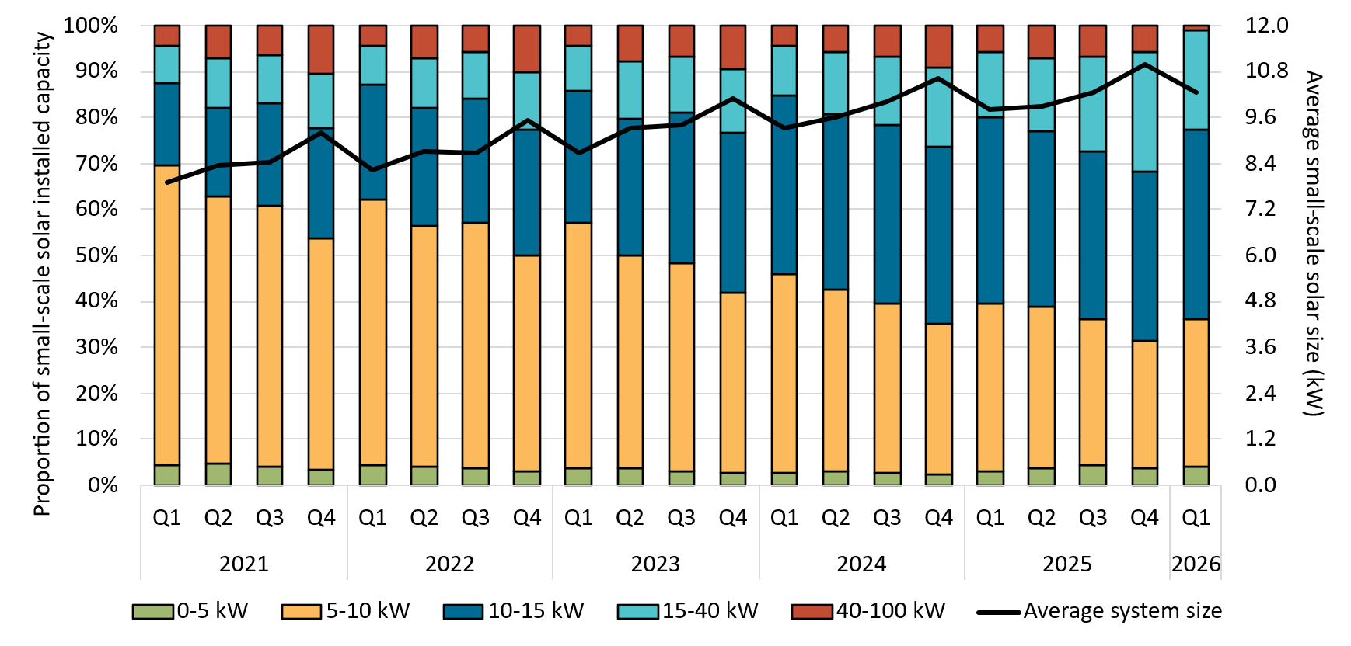

About Figure 3.9
This figure shows the proportion of rooftop solar systems installed under the Small-scale Renewable Energy Scheme (SRES) by capacity band and the average size of rooftop solar systems installed under the SRES over time.

The small print
A 12 month creation period for registered persons to create small-scale technology certificates applies under the Renewable Energy (Electricity) Regulations (2001). Capacity band data has not been lag-adjusted. Average system size data has been lag-adjusted. Data is subject to change. Totals may not sum to 100% due to rounding.

Figure 3.10
Back to contents
Figure 3.10 Percentage of small-scale solar systems installed with a battery by month
Data as of 31/03/2026
Year | Month | Percentage
2025 | Jul | 48%
2025 | Aug | 52%
2025 | Sep | 59%
2025 | Oct | 63%
2025 | Nov | 67%
2025 | Dec | 73%
2026 | Jan | 68%
2026 | Feb | 70%
2026 | Mar | 74%
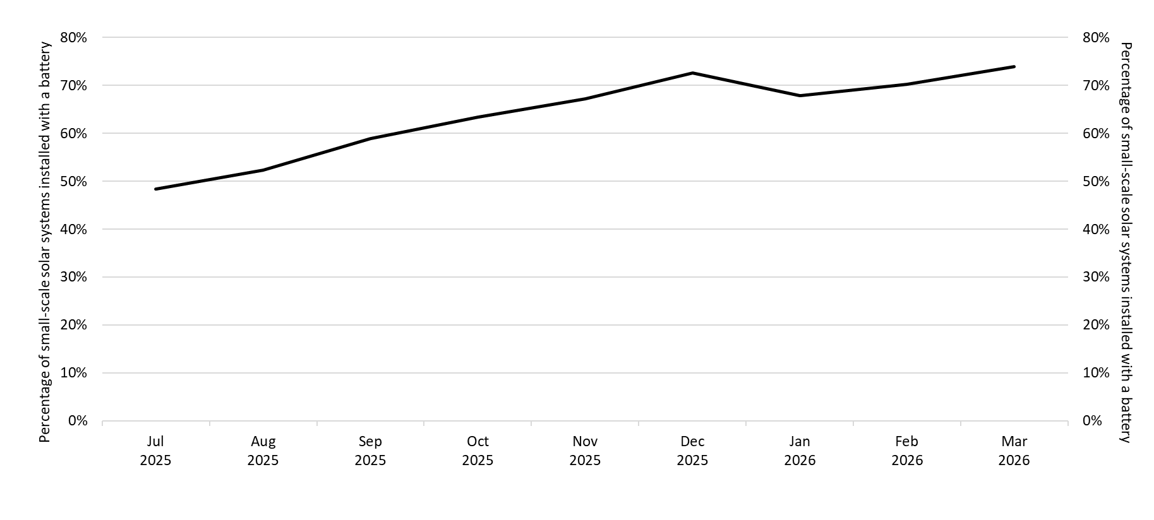

About Figure 3.10
This figure shows the proportion of rooftop solar systems installed under the Small-scale Renewable Energy Scheme (SRES) that were also installed with a battery under the Cheaper Home Batteries Program by month.

The small print
A 12 month creation period for registered persons to create small-scale technology certificates applies under the Renewable Energy (Electricity) Regulations (2001). Data has not been lag-adjusted. Data is subject to change.

Figure 3.11
Back to contents
Figure 3.11 Replacement small-scale rooftop solar as a proportion of total installations by state and territory
Data as of 31/03/2026
Year | Quarter | ACT | NSW | NT | Queensland | SA | Tasmania | Victoria | WA | Australia
2021 | Q1 | 3% | 8% | 6% | 17% | 7% | 5% | 5% | 12% | 10%
2021 | Q2 | 4% | 10% | 8% | 24% | 9% | 5% | 6% | 18% | 13%
2021 | Q3 | 3% | 11% | 7% | 24% | 12% | 6% | 6% | 20% | 14%
2021 | Q4 | 10% | 10% | 5% | 20% | 12% | 7% | 6% | 18% | 13%
2022 | Q1 | 3% | 10% | 5% | 20% | 12% | 8% | 7% | 15% | 13%
2022 | Q2 | 8% | 11% | 6% | 22% | 12% | 7% | 6% | 18% | 14%
2022 | Q3 | 4% | 11% | 5% | 22% | 13% | 4% | 7% | 18% | 13%
2022 | Q4 | 4% | 11% | 5% | 19% | 13% | 5% | 7% | 16% | 13%
2023 | Q1 | 4% | 11% | 7% | 19% | 14% | 5% | 6% | 16% | 13%
2023 | Q2 | 4% | 12% | 8% | 23% | 14% | 7% | 8% | 17% | 14%
2023 | Q3 | 4% | 13% | 7% | 23% | 16% | 8% | 8% | 18% | 15%
2023 | Q4 | 5% | 13% | 8% | 21% | 15% | 6% | 7% | 17% | 14%
2024 | Q1 | 7% | 13% | 13% | 23% | 16% | 8% | 9% | 19% | 15%
2024 | Q2 | 6% | 15% | 9% | 29% | 17% | 9% | 11% | 21% | 19%
2024 | Q3 | 6% | 16% | 12% | 29% | 19% | 6% | 12% | 21% | 19%
2024 | Q4 | 7% | 15% | 8% | 25% | 21% | 7% | 16% | 20% | 19%
2025 | Q1 | 8% | 15% | 10% | 27% | 20% | 8% | 15% | 19% | 19%
2025 | Q2 | 7% | 16% | 12% | 32% | 21% | 9% | 12% | 24% | 21%
2025 | Q3 | 9% | 20% | 11% | 34% | 24% | 10% | 12% | 31% | 23%
2025 | Q4 | 13% | 20% | 14% | 33% | 28% | 9% | 14% | 34% | 24%
2026 | Q1 | 13% | 20% | 11% | 40% | 31% | 12% | 14% | 32% | 27%

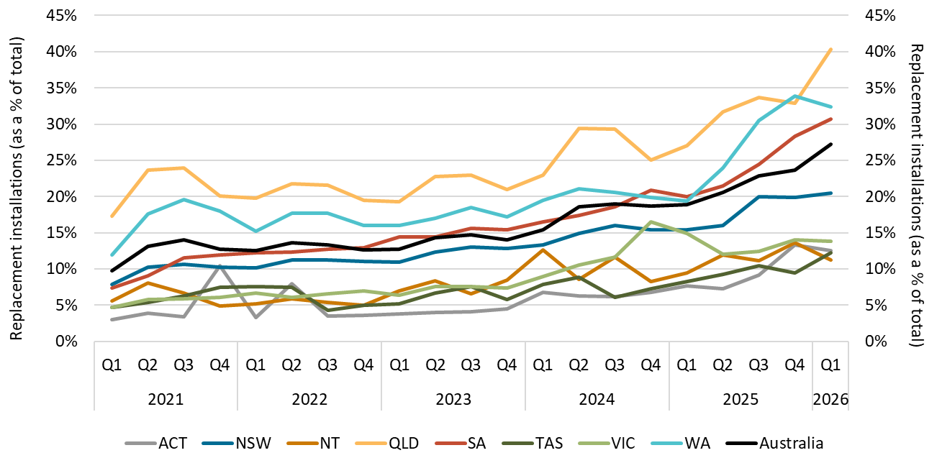

About Figure 3.11
This figure shows small-scale rooftop solar replacements as a proportion of total installations by state and territory over time.

The small print
Replacements represent small-scale rooftop solar systems categorised in the Renewable Energy Certificate (REC) Registry as replacements. The installation type data field was added to the REC Registry in late 2020, and was made mandatory from 28 January 2021. Data has not been lag-adjusted. Data is subject to change due to the 12 month creation rule.

Figure 3.12
Back to contents
Figure 3.12 Air source heat pump installations by state and territory and associated small-scale technology certificate (STC) validations
Data as of 31/03/2026
Year | Quarter | ACT | NSW | NT | Queensland | SA | Tasmania | Victoria | WA | Annual total | STC validations
2020 | Q1 | 304 | 631 | <10 | 1,155 | 655 | 252 | 1,685 | 530 | 0 | 154,266
2020 | Q2 | 366 | 816 | <10 | 1,425 | 1,217 | 269 | 2,827 | 806 | 0 | 231,868
2020 | Q3 | 368 | 879 | <10 | 1,632 | 1,694 | 345 | 4,106 | 798 | 0 | 276,419
2020 | Q4 | 325 | 972 | 27 | 1,484 | 698 | 219 | 5,115 | 960 | 32,590 | 312,285
2021 | Q1 | 209 | 793 | <10 | 1,344 | 1,013 | 197 | 5,541 | 655 | 0 | 276,880
2021 | Q2 | 300 | 971 | <10 | 1,946 | 1,290 | 316 | 8,078 | 1,045 | 0 | 424,060
2021 | Q3 | 249 | 1,021 | 81 | 2,238 | 1,517 | 424 | 10,641 | 1,101 | 0 | 492,222
2021 | Q4 | 432 | 1,006 | 43 | 2,277 | 953 | 432 | 12,560 | 1,133 | 59,826 | 598,573
2022 | Q1 | 394 | 744 | 50 | 1,832 | 617 | 420 | 11,808 | 919 | 0 | 488,699
2022 | Q2 | 423 | 1,592 | 70 | 2,184 | 1,150 | 570 | 11,780 | 1,226 | 0 | 528,613
2022 | Q3 | 589 | 5,182 | 28 | 2,284 | 1,169 | 545 | 12,397 | 1,436 | 0 | 608,932
2022 | Q4 | 543 | 9,765 | <10 | 2,126 | 862 | 519 | 12,428 | 1,563 | 87,225 | 680,335
2023 | Q1 | 437 | 11,811 | <10 | 1,890 | 996 | 363 | 9,876 | 1,342 | 0 | 613,991
2023 | Q2 | 562 | 19,866 | 12 | 2,345 | 1,126 | 404 | 8,444 | 1,587 | 0 | 771,246
2023 | Q3 | 581 | 20,782 | <10 | 2,843 | 1,353 | 341 | 9,019 | 1,864 | 0 | 920,022
2023 | Q4 | 532 | 16,630 | <10 | 3,138 | 1,223 | 301 | 10,609 | 1,599 | 131,906 | 820,206
2024 | Q1 | 421 | 11,448 | 14 | 2,191 | 937 | 295 | 10,838 | 1,605 | 0 | 746,547
2024 | Q2 | 516 | 14,376 | 12 | 2,527 | 1,311 | 420 | 12,495 | 2,021 | 0 | 744,874
2024 | Q3 | 723 | 6,588 | 11 | 2,886 | 1,231 | 399 | 12,944 | 2,042 | 0 | 702,425
2024 | Q4 | 647 | 3,010 | <10 | 2,259 | 1,029 | 382 | 13,372 | 1,847 | 110,808 | 519,570
2025 | Q1 | 494 | 2,245 | <10 | 1,955 | 832 | 315 | 11,606 | 1,481 | 0 | 376,251
2025 | Q2 | 649 | 3,793 | <10 | 2,587 | 1,102 | 430 | 13,261 | 2,024 | 0 | 424,195
2025 | Q3 | 568 | 3,933 | <10 | 3,278 | 1,018 | 396 | 14,209 | 2,149 | 0 | 485,966
2025 | Q4 | 638 | 3,209 | <10 | 3,096 | 1,115 | 388 | 13,878 | 2,081 | 92,770 | 465,202
2026 | Q1 | 547 | 2,872 | <10 | 3,063 | 731 | 209 | 10,975 | 2,292 | 20,699 | 369,211

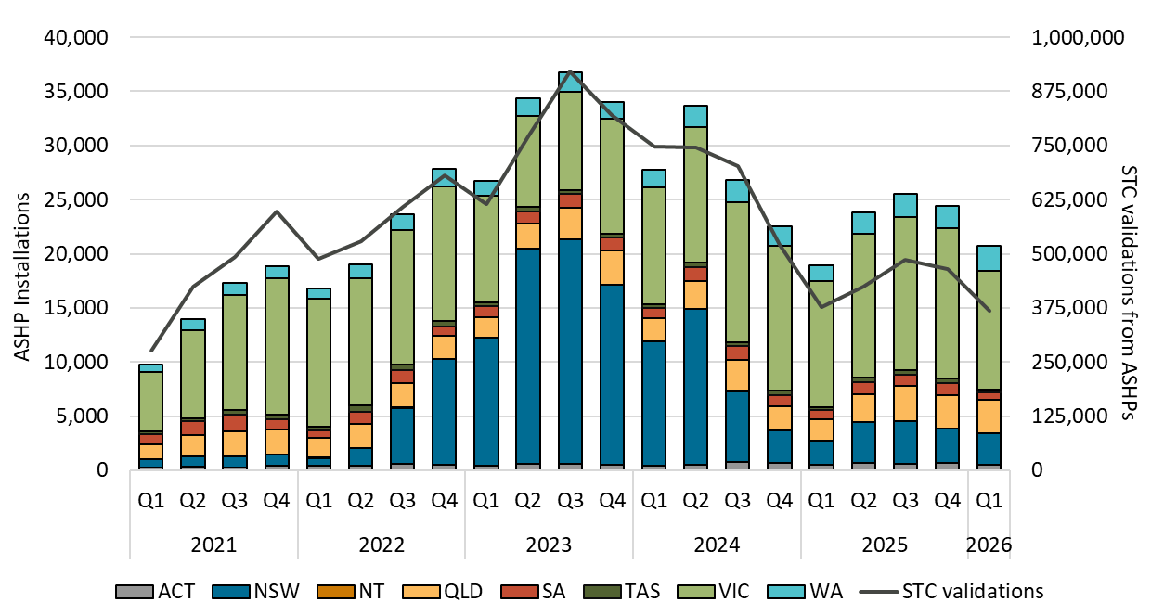

About Figure 3.12
This figure shows the number of air source heat pump (ASHP) installations under the Small-scale Renewable Energy Scheme (SRES) by state and territory over time. It also shows the number of STCs validated from these installations over time. Totals may not sum due to rounding applied to NT.

The small print
Where cell values are less than 10, data have been modified due to privacy considerations. In the figure these values appear as 10. There are no STC validations in 2010 as this was before the start of the Small-scale Renewable Energy Scheme. A 12 month creation period for registered persons to create small-scale technology certificates (STCs) applies under the Renewable Energy (Electricity) Regulations (2001). Data for installations for the past 12 months have been lag-adjusted to account for the 12 month creation rule and are estimates only. STC validation data has been rounded to the nearest thousand. Data is subject to change. Non-lag adjusted figures are available through the Small-scale installation postcode data on the CER's website - https://cer.gov.au/markets/reports-and-data/small-scale-installation-postcode-data

Figure 3.13
Back to contents
Figure 3.13 Small-scale rooftop solar installed capacity in megawatts (MW) by state and territory
Data as of 31/03/2026
Year | Quarter | ACT | NSW | NT | Queensland | SA | Tasmania | Victoria | WA | Annual total
2001 | Q2 | 0.0 | <0.1 | <0.1 | <0.1 | <0.1 | 0.0 | <0.1 | <0.1 | -
2001 | Q3 | 0.0 | <0.1 | 0.0 | <0.1 | <0.1 | 0.0 | <0.1 | <0.1 | -
2001 | Q4 | 0.0 | <0.1 | <0.1 | <0.1 | <0.1 | 0.0 | <0.1 | <0.1 | 0.2
2002 | Q1 | 0.0 | <0.1 | <0.1 | <0.1 | <0.1 | <0.1 | <0.1 | <0.1 | -
2002 | Q2 | 0.0 | <0.1 | <0.1 | <0.1 | <0.1 | 0.0 | <0.1 | <0.1 | -
2002 | Q3 | 0.0 | <0.1 | <0.1 | <0.1 | 0.1 | 0.0 | <0.1 | <0.1 | -
2002 | Q4 | 0.0 | <0.1 | 0.0 | <0.1 | 0.1 | 0.0 | <0.1 | <0.1 | 0.4
2003 | Q1 | <0.1 | <0.1 | 0.0 | <0.1 | 0.1 | 0.0 | <0.1 | <0.1 | -
2003 | Q2 | 0.0 | <0.1 | <0.1 | <0.1 | <0.1 | <0.1 | <0.1 | <0.1 | -
2003 | Q3 | <0.1 | 0.1 | <0.1 | 0.1 | 0.1 | <0.1 | <0.1 | <0.1 | -
2003 | Q4 | 0.0 | 0.1 | <0.1 | 0.1 | 0.1 | <0.1 | 0.1 | <0.1 | 1.0
2004 | Q1 | <0.1 | <0.1 | <0.1 | <0.1 | 0.1 | <0.1 | <0.1 | <0.1 | -
2004 | Q2 | 0.0 | 0.1 | <0.1 | 0.1 | 0.1 | <0.1 | <0.1 | <0.1 | -
2004 | Q3 | <0.1 | 0.1 | <0.1 | 0.1 | 0.1 | <0.1 | <0.1 | <0.1 | -
2004 | Q4 | 0.0 | 0.1 | <0.1 | 0.1 | 0.1 | <0.1 | 0.1 | <0.1 | 1.3
2005 | Q1 | <0.1 | 0.1 | <0.1 | 0.1 | 0.2 | <0.1 | <0.1 | <0.1 | -
2005 | Q2 | <0.1 | 0.1 | <0.1 | 0.1 | 0.2 | 0.0 | 0.1 | <0.1 | -
2005 | Q3 | <0.1 | 0.1 | 0.1 | 0.1 | 0.1 | <0.1 | 0.1 | <0.1 | -
2005 | Q4 | 0.0 | 0.1 | 0.1 | 0.2 | 0.1 | <0.1 | 0.1 | <0.1 | 1.9
2006 | Q1 | 0.0 | <0.1 | <0.1 | 0.1 | 0.1 | 0.0 | <0.1 | <0.1 | -
2006 | Q2 | <0.1 | 0.1 | <0.1 | 0.1 | 0.2 | <0.1 | <0.1 | <0.1 | -
2006 | Q3 | <0.1 | 0.1 | <0.1 | 0.1 | 0.2 | <0.1 | <0.1 | <0.1 | -
2006 | Q4 | <0.1 | 0.1 | 0.1 | 0.1 | 0.2 | <0.1 | 0.1 | 0.1 | 1.8
2007 | Q1 | <0.1 | 0.1 | <0.1 | <0.1 | 0.2 | 0.0 | 0.1 | 0.1 | -
2007 | Q2 | <0.1 | 0.2 | <0.1 | <0.1 | 0.2 | <0.1 | 0.2 | 0.1 | -
2007 | Q3 | <0.1 | 0.4 | <0.1 | 0.2 | 0.5 | <0.1 | 0.3 | 0.2 | -
2007 | Q4 | <0.1 | 0.6 | 0.1 | 0.4 | 0.8 | <0.1 | 0.5 | 0.3 | 5.7
2008 | Q1 | 0.1 | 0.8 | <0.1 | 0.3 | 0.8 | <0.1 | 0.5 | 0.3 | -
2008 | Q2 | 0.1 | 0.9 | 0.1 | 0.8 | 1.0 | <0.1 | 0.8 | 0.5 | -
2008 | Q3 | 0.2 | 1.0 | 0.2 | 1.0 | 1.3 | 0.1 | 0.6 | 0.7 | -
2008 | Q4 | 0.2 | 1.5 | 0.1 | 2.0 | 1.7 | 0.1 | 0.8 | 1.5 | 20.0
2009 | Q1 | 0.1 | 2.5 | 0.1 | 2.8 | 2.2 | 0.1 | 1.4 | 1.9 | -
2009 | Q2 | 0.2 | 3.5 | <0.1 | 4.3 | 2.6 | 0.1 | 1.6 | 2.9 | -
2009 | Q3 | 0.4 | 5.3 | 0.2 | 6.8 | 3.0 | 0.6 | 2.9 | 3.4 | -
2009 | Q4 | 0.5 | 8.0 | 0.2 | 10.6 | 4.6 | 0.9 | 4.6 | 6.0 | 84.5
2010 | Q1 | 0.8 | 12.5 | 0.4 | 12.5 | 4.5 | 0.8 | 10.7 | 7.3 | -
2010 | Q2 | 1.8 | 29.5 | 0.4 | 19.7 | 7.1 | 1.0 | 16.5 | 9.6 | -
2010 | Q3 | 1.1 | 50.1 | 0.5 | 27.0 | 8.7 | 0.5 | 13.4 | 11.8 | -
2010 | Q4 | 1.4 | 61.3 | 0.2 | 33.1 | 13.0 | 0.7 | 18.2 | 13.4 | 389.7
2011 | Q1 | 3.3 | 82.3 | 0.1 | 42.4 | 23.5 | 1.0 | 26.4 | 23.7 | -
2011 | Q2 | 10.6 | 83.7 | 0.7 | 100.2 | 51.0 | 2.6 | 58.2 | 52.2 | -
2011 | Q3 | 2.4 | 13.4 | 0.3 | 42.4 | 43.5 | 1.0 | 40.3 | 34.8 | -
2011 | Q4 | 0.9 | 16.0 | 0.7 | 40.2 | 45.6 | 1.2 | 15.3 | 12.3 | 872.2
2012 | Q1 | 0.6 | 17.9 | 0.3 | 57.5 | 24.3 | 2.0 | 27.8 | 17.4 | -
2012 | Q2 | 1.6 | 56.5 | 0.9 | 143.8 | 49.9 | 6.3 | 75.2 | 38.1 | -
2012 | Q3 | 1.0 | 26.3 | 0.3 | 115.2 | 26.7 | 5.1 | 67.0 | 21.1 | -
2012 | Q4 | 1.8 | 44.0 | 0.8 | 102.0 | 37.2 | 6.8 | 37.4 | 23.0 | 1,035.8
2013 | Q1 | 1.6 | 31.8 | 1.0 | 56.3 | 23.0 | 7.1 | 28.8 | 18.3 | -
2013 | Q2 | 1.8 | 31.3 | 1.3 | 115.9 | 23.8 | 6.6 | 33.7 | 19.1 | -
2013 | Q3 | 6.0 | 34.1 | 1.4 | 51.3 | 39.2 | 6.4 | 32.2 | 15.0 | -
2013 | Q4 | 1.4 | 36.5 | 1.4 | 45.3 | 55.4 | 11.4 | 36.6 | 17.2 | 792.2
2014 | Q1 | 0.7 | 31.1 | 1.1 | 57.1 | 27.6 | 6.9 | 37.2 | 19.3 | -
2014 | Q2 | 0.9 | 40.2 | 1.7 | 69.3 | 15.0 | 4.5 | 41.1 | 20.9 | -
2014 | Q3 | 1.5 | 47.7 | 1.6 | 65.3 | 19.1 | 4.9 | 45.7 | 26.1 | -
2014 | Q4 | 1.7 | 53.3 | 1.8 | 57.1 | 20.9 | 2.7 | 47.4 | 29.0 | 800.3
2015 | Q1 | 1.7 | 46.9 | 1.5 | 48.1 | 15.4 | 2.4 | 39.6 | 21.4 | -
2015 | Q2 | 1.4 | 43.0 | 1.9 | 46.7 | 16.6 | 2.0 | 35.0 | 22.4 | -
2015 | Q3 | 1.7 | 44.4 | 3.0 | 52.6 | 17.2 | 2.3 | 38.3 | 25.5 | -
2015 | Q4 | 1.3 | 42.1 | 2.3 | 45.3 | 17.3 | 2.9 | 36.8 | 27.1 | 706.0
2016 | Q1 | 1.5 | 34.6 | 2.1 | 39.6 | 15.5 | 2.6 | 32.2 | 26.4 | -
2016 | Q2 | 1.8 | 39.1 | 3.3 | 43.5 | 15.9 | 2.8 | 35.1 | 29.2 | -
2016 | Q3 | 1.8 | 41.1 | 3.4 | 49.9 | 19.7 | 3.0 | 34.8 | 32.3 | -
2016 | Q4 | 1.9 | 52.0 | 3.8 | 66.4 | 26.5 | 3.5 | 42.4 | 40.1 | 747.9
2017 | Q1 | 1.9 | 46.3 | 1.8 | 56.9 | 20.1 | 2.8 | 37.0 | 40.5 | -
2017 | Q2 | 2.4 | 57.7 | 4.0 | 70.9 | 21.4 | 3.1 | 47.2 | 45.5 | -
2017 | Q3 | 3.4 | 68.2 | 4.3 | 81.7 | 29.0 | 3.9 | 51.2 | 45.3 | -
2017 | Q4 | 4.9 | 90.6 | 5.4 | 97.1 | 44.8 | 4.8 | 69.9 | 55.2 | 1,119.0
2018 | Q1 | 4.4 | 80.7 | 3.9 | 82.0 | 37.0 | 4.0 | 58.9 | 48.6 | -
2018 | Q2 | 5.4 | 99.4 | 4.5 | 94.9 | 38.4 | 4.8 | 71.0 | 46.8 | -
2018 | Q3 | 6.1 | 111.8 | 4.8 | 104.3 | 43.1 | 4.6 | 78.7 | 49.5 | -
2018 | Q4 | 6.3 | 133.2 | 6.9 | 126.3 | 56.3 | 5.4 | 130.0 | 65.2 | 1,617.5
2019 | Q1 | 5.7 | 112.1 | 5.5 | 110.3 | 43.7 | 3.8 | 121.3 | 53.2 | -
2019 | Q2 | 5.9 | 130.8 | 7.2 | 130.7 | 51.0 | 4.5 | 96.0 | 53.3 | -
2019 | Q3 | 7.2 | 148.7 | 7.4 | 145.5 | 59.5 | 5.3 | 94.3 | 60.8 | -
2019 | Q4 | 11.5 | 198.7 | 8.6 | 178.5 | 69.0 | 7.0 | 149.1 | 79.3 | 2,165.1
2020 | Q1 | 8.2 | 169.6 | 7.1 | 158.5 | 63.9 | 6.9 | 132.2 | 72.7 | -
2020 | Q2 | 9.8 | 200.0 | 7.9 | 177.1 | 68.7 | 6.1 | 134.1 | 73.9 | -
2020 | Q3 | 13.1 | 240.6 | 6.3 | 194.2 | 88.0 | 5.7 | 114.5 | 86.0 | -
2020 | Q4 | 15.7 | 285.7 | 6.5 | 223.7 | 83.2 | 8.1 | 193.4 | 103.4 | 2,964.7
2021 | Q1 | 12.4 | 246.6 | 4.2 | 193.8 | 68.6 | 6.8 | 162.7 | 86.7 | -
2021 | Q2 | 12.8 | 248.4 | 3.9 | 201.0 | 66.2 | 8.3 | 166.3 | 87.3 | -
2021 | Q3 | 12.4 | 199.0 | 4.4 | 208.3 | 72.1 | 8.6 | 164.5 | 83.1 | -
2021 | Q4 | 20.5 | 258.0 | 6.2 | 208.2 | 83.1 | 9.8 | 182.0 | 96.3 | 3,192.5
2022 | Q1 | 17.5 | 159.6 | 3.7 | 145.5 | 53.0 | 6.7 | 109.0 | 70.5 | -
2022 | Q2 | 18.9 | 191.2 | 4.7 | 166.4 | 56.4 | 7.5 | 114.8 | 64.7 | -
2022 | Q3 | 21.9 | 226.9 | 5.1 | 186.9 | 66.9 | 9.3 | 148.6 | 67.2 | -
2022 | Q4 | 27.4 | 274.1 | 5.5 | 216.7 | 81.5 | 11.0 | 170.0 | 84.4 | 2,793.5
2023 | Q1 | 21.2 | 200.4 | 2.9 | 170.4 | 57.0 | 10.5 | 132.2 | 65.2 | -
2023 | Q2 | 21.4 | 236.2 | 3.9 | 185.8 | 58.2 | 11.0 | 140.9 | 62.7 | -
2023 | Q3 | 23.9 | 279.9 | 4.3 | 206.1 | 69.4 | 12.8 | 162.4 | 64.5 | -
2023 | Q4 | 19.4 | 323.5 | 4.9 | 230.6 | 78.6 | 14.9 | 188.8 | 81.2 | 3,145.0
2024 | Q1 | 11.2 | 248.1 | 2.7 | 176.5 | 53.2 | 11.5 | 136.7 | 63.2 | -
2024 | Q2 | 11.6 | 256.6 | 3.8 | 220.3 | 62.8 | 11.5 | 151.2 | 70.1 | -
2024 | Q3 | 13.3 | 247.9 | 3.8 | 218.4 | 68.8 | 11.9 | 163.5 | 69.5 | -
2024 | Q4 | 15.6 | 267.1 | 4.9 | 227.3 | 75.4 | 14.4 | 181.4 | 83.2 | 3,157.2
2025 | Q1 | 10.2 | 189.2 | 3.4 | 174.1 | 60.6 | 11.6 | 137.1 | 68.4 | -
2025 | Q2 | 9.4 | 164.2 | 3.3 | 174.6 | 50.8 | 10.9 | 119.8 | 57.9 | -
2025 | Q3 | 13.7 | 189.1 | 4.9 | 176.7 | 67.0 | 13.6 | 137.4 | 57.5 | -
2025 | Q4 | 18.5 | 267.2 | 5.1 | 219.0 | 85.4 | 14.6 | 181.6 | 84.6 | 2,781.4
2026 | Q1 | 14.6 | 242.9 | 4.1 | 209.7 | 76.6 | 11.8 | 140.5 | 85.9 | 786.1

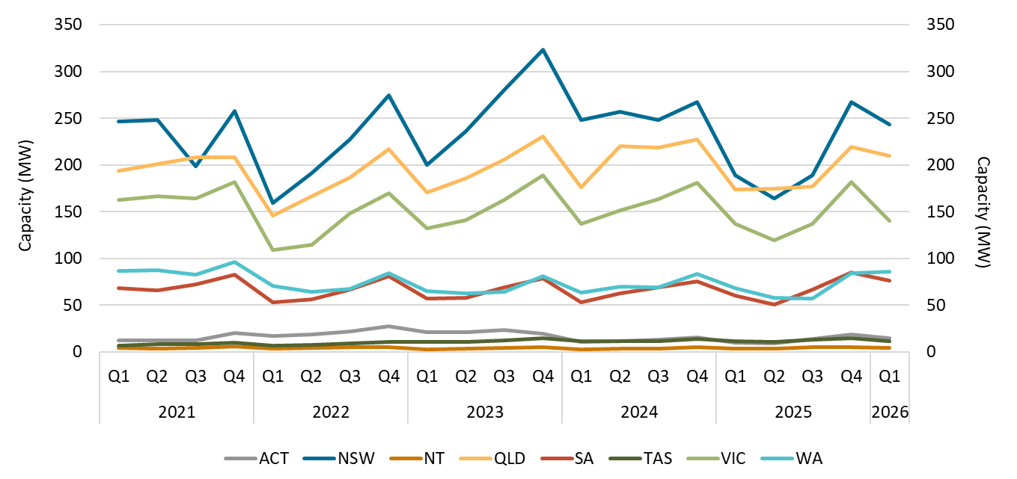

About Figure 3.13
This figure shows the rooftop solar capacity installed under the Small-scale Renewable Energy Scheme (SRES) by state and territory over time.

The small print
A 12 month creation period for registered persons to create small-scale technology certificates applies under the Renewable Energy (Electricity) Regulations (2001). Data for installations for the past 12 months have been lag-adjusted to account for the 12 month creation rule and are estimates only. There may be small differences between the sum of lag-adjusted state and territory estimates and the national lag-adjusted estimate. Data is also subject to change and totals may not sum due to rounding. Non-lag adjusted figures are available through the Small-scale installation postcode data on the CER's website - https://cer.gov.au/markets/reports-and-data/small-scale-installation-postcode-data

Figure 3.14
Back to contents
Figure 3.14 Small-scale technology certificate (STC) supply
Data as of 31/03/2026
Year | Quarter | STC supply | Annual total
2020 | Q1 | 10,351,465 | -
2020 | Q2 | 11,170,680 | -
2020 | Q3 | 12,056,954 | -
2020 | Q4 | 12,408,853 | 45,987,952
2021 | Q1 | 12,864,839 | -
2021 | Q2 | 11,713,534 | -
2021 | Q3 | 11,310,762 | -
2021 | Q4 | 11,142,335 | 47,031,470
2022 | Q1 | 9,234,046 | -
2022 | Q2 | 8,169,461 | -
2022 | Q3 | 9,712,277 | -
2022 | Q4 | 10,918,995 | 38,034,779
2023 | Q1 | 9,192,933 | -
2023 | Q2 | 8,554,509 | -
2023 | Q3 | 9,627,243 | -
2023 | Q4 | 9,888,796 | 37,263,481
2024 | Q1 | 8,438,766 | -
2024 | Q2 | 8,417,978 | -
2024 | Q3 | 8,642,989 | -
2024 | Q4 | 8,596,307 | 34,096,040
2025 | Q1 | 6,696,506 | -
2025 | Q2 | 5,871,368 | -
2025 | Q3 | 5,614,497 | -
2025 | Q4 | 6,850,085 | 25,032,456
2026 | Q1 | 6,291,865 | 6,291,865
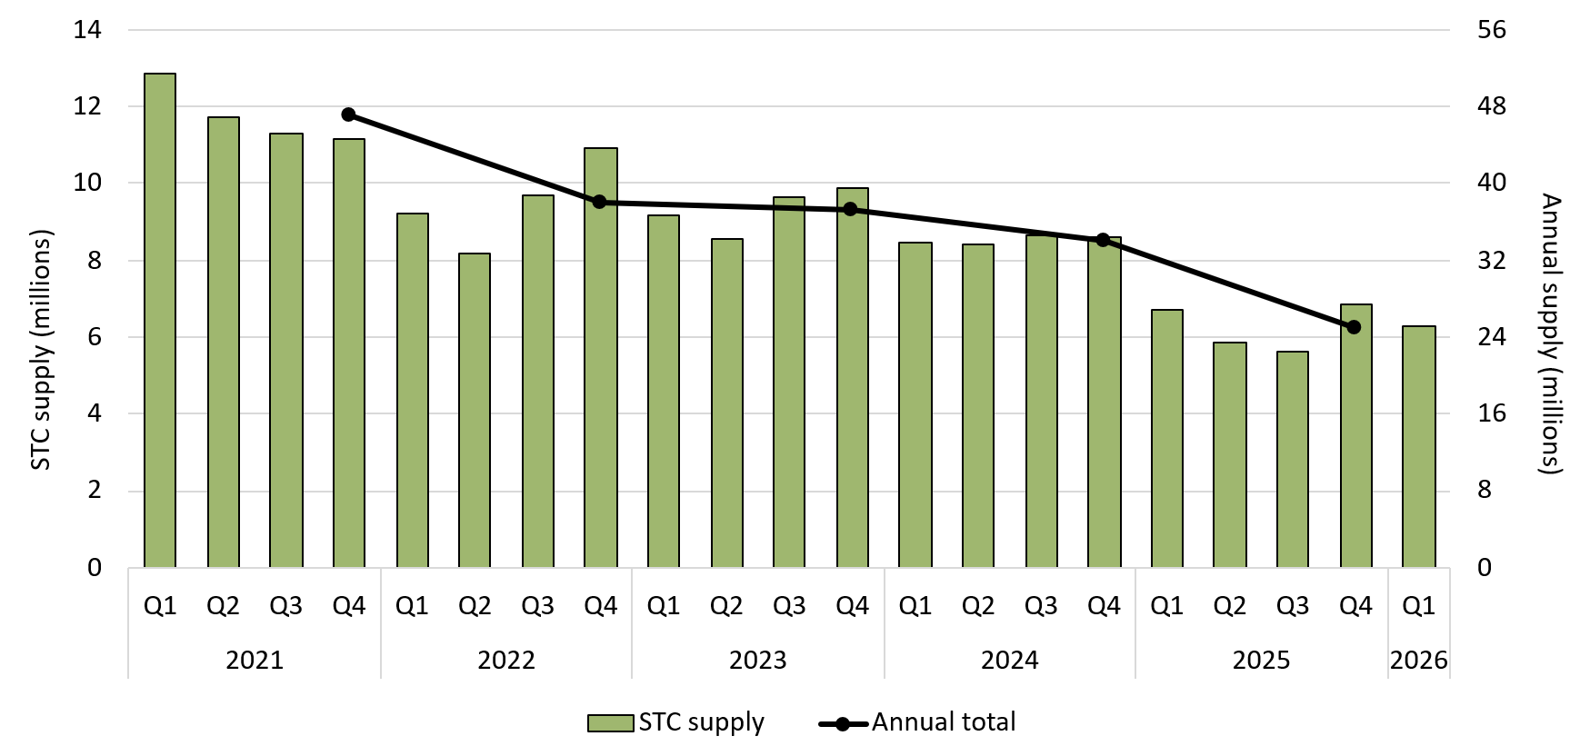

About Figure 3.14
This figure shows STC supply over time. Data excludes STCs created under the Cheaper Home Batteries Program.

Figure 3.15
Back to contents
Figure 3.15 STCs created under the Cheaper Home Batteries Program by installation date
Data as of 31/03/2026
Year | Quarter | STCs created | Annual total
2025 | Q3 | 15,568,238 | -
2025 | Q4 | 29,307,318 | 44,875,556
2026 | Q1 | 21,215,073 | 21,215,073

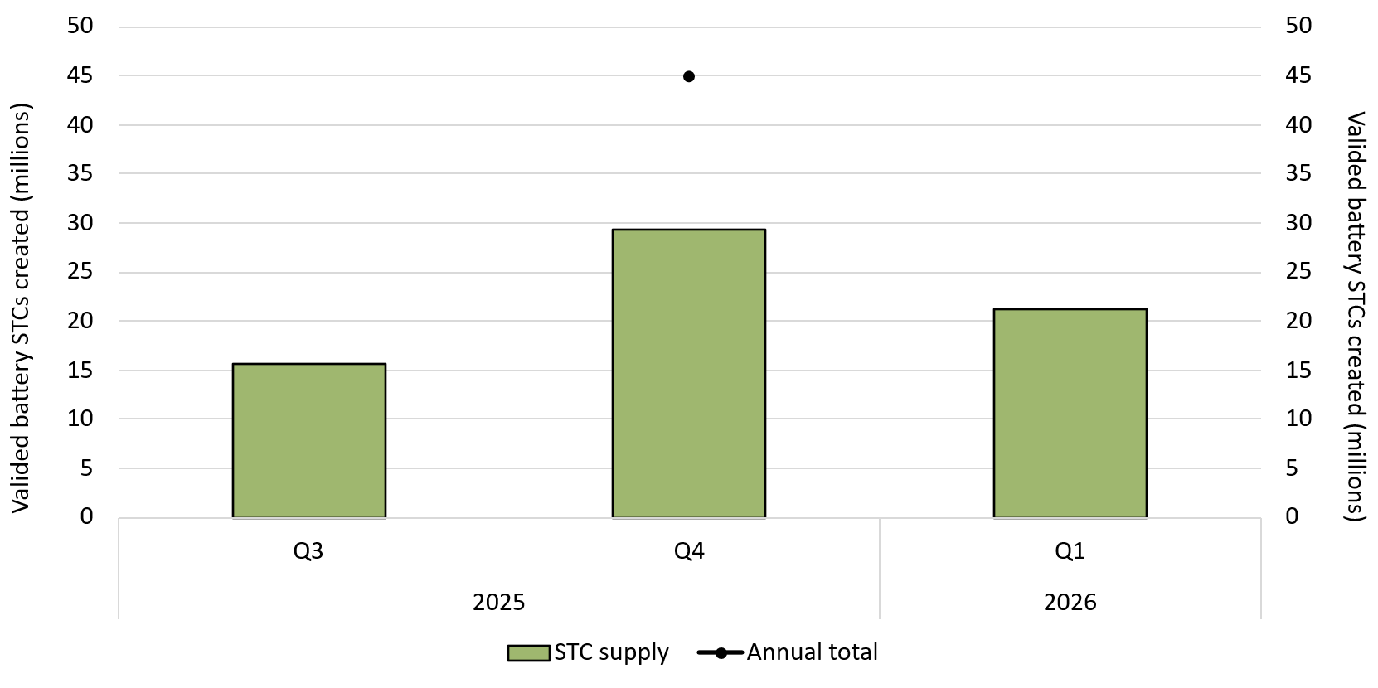

About Figure 3.15
This figure shows the validated STCs created over time under the Cheaper Home Batteries Program, which commenced 1 July 2025. Data is split by when the associated battery was installed.

The small print
A 12 month creation period for registered persons to create small-scale technology certificates applies under the Renewable Energy (Electricity) Regulations (2001). Data is subject to change due to the 12 month creation rule.

