Figure 1.1
Back to contents
Figure 1.1 Australian carbon credit unit (ACCU) holdings by market participation
Year | Quarter | Project proponent | Safeguard | Safeguard related | Intermediary | Government | Business | Total holdings | Cost containment measure
2019 | Q1 | 2.1 | 1.4 | 0 | 0.5 | 0.3 | 0 | 4.3
2019 | Q2 | 3.4 | 1.9 | 0 | 0.5 | 0.4 | 0 | 6.2
2019 | Q3 | 2.0 | 2.5 | 0 | 0.4 | 0.4 | 0 | 5.4
2019 | Q4 | 2.6 | 2.6 | 0.1 | 0.4 | 0.4 | 0 | 6.1
2020 | Q1 | 2.7 | 2.5 | 0 | 0.5 | 0.5 | 0 | 6.3
2020 | Q2 | 3.5 | 2.9 | 0.0 | 0.5 | 0.5 | 0 | 7.5
2020 | Q3 | 2.3 | 2.9 | 0 | 0.7 | 0.5 | 0 | 6.4
2020 | Q4 | 3.5 | 3.2 | 0.1 | 0.6 | 0.5 | 0 | 7.9
2021 | Q1 | 3.3 | 3.4 | 0 | 0.6 | 0.5 | 0 | 7.8
2021 | Q2 | 4.5 | 3.6 | 0.2 | 0.8 | 0.6 | 0 | 9.7
2021 | Q3 | 4.5 | 4.1 | 0.1 | 1.5 | 0.6 | 0 | 10.9
2021 | Q4 | 4.3 | 4.2 | 0.1 | 2.2 | 0.6 | 0 | 11.5
2022 | Q1 | 4.9 | 5 | 0 | 2.2 | 0.7 | 0 | 12.9
2022 | Q2 | 6.3 | 6.2 | 0.1 | 2.6 | 0.8 | 0.1 | 16.1
2022 | Q3 | 7.1 | 7 | 0.7 | 3.9 | 0.8 | 0.2 | 19.7
2022 | Q4 | 7.6 | 8.3 | 0.7 | 4.8 | 0.9 | 0.2 | 22.7
2023 | Q1 | 6.8 | 9.6 | 0.7 | 5.6 | 0.9 | 0.3 | 23.8 | 0.2
2023 | Q2 | 7.6 | 11.6 | 0.7 | 6.4 | 1.0 | 0.3 | 27.6 | 0.4
2023 | Q3 | 8.7 | 15 | 2.4 | 6.1 | 1.1 | 0.3 | 33.5 | 1.2
2023 | Q4 | 8.8 | 17.5 | 1.1 | 7.2 | 1.3 | 0.3 | 36.2 | 1.7
2024 | Q1 | 9.3 | 18.8 | 1.1 | 7.6 | 1.4 | 0.3 | 38.6 | 1.9
2024 | Q2 | 9.0 | 21.7 | 2.6 | 6.3 | 1.4 | 0.3 | 41.3 | 2.6
2024 | Q3 | 8.1 | 25.9 | 2.2 | 6.7 | 1.6 | 0.3 | 45.0 | 3.6
2024 | Q4 | 8.5 | 28.5 | 2.6 | 7.8 | 1.7 | 0.7 | 49.9 | 3.9
2025 | Q1 | 8.4 | 26.0 | 1.9 | 7.2 | 1.8 | 0.7 | 46.0 | 4.2
Number of accounts with >0 ACCUs at end of Q1 2025 |  | 200 | 80 | 17 | 59 | 39 | 42

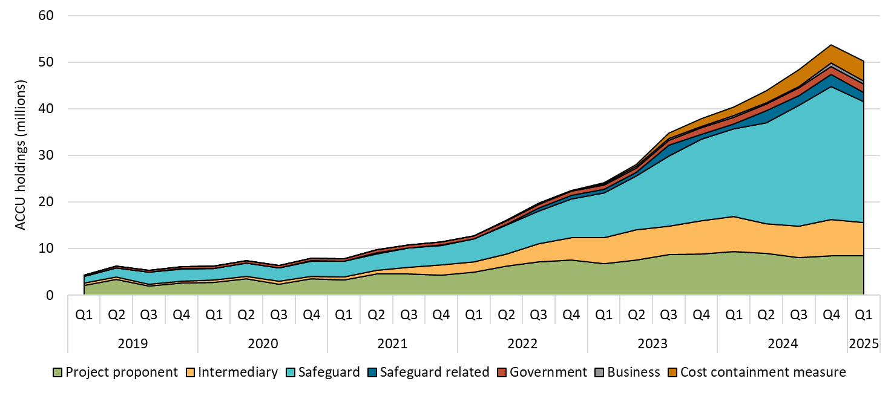

About Figure 1.1 This figure shows ACCU holdings in Australian National Registry of Emissions Units (ANREU) accounts by market participation category over time.

The small print
Totals may not sum due to rounding. ACCU holdings data has been revised to include all accounts. Historical values may change retrospectively. This is due to changes in the classification of ANREU accounts as new information is made available to us.
Category definitions
Project proponent An account holder is connected to one or more ACCU Scheme projects. The connection to projects has been determined based on the available project information. Entities may have linkages to projects that have not been disclosed to the Clean Energy Regulator.
Safeguard Account holders are safeguard entities that control a single account, or in cases where safeguard entities control multiple accounts, only those that have surrendered ACCUs for safeguard compliance purposes or have specified a facility are included. Some safeguard accounts also engage in trading activity, which may result in holding fluctuations in this category.
Safeguard related Account holders are companies, such as subsidiaries, that are related to registered safeguard entities. These accounts do not specify a facility or have not surrendered ACCUs for safeguard compliance purposes. These ACCU holdings may be used for future safeguard compliance purposes.
Intermediary An account holder’s primary operation is to facilitate trading of ACCUs between the supply and demand sides of the market. This also includes accounts that have accumulated ACCUs through the secondary market without known compliance obligations, offset use, or carbon trading/offset services.
Government Account holders are government entities that are accumulating for voluntary or compliance purposes.
Business Account holders do not have a direct link to ACCU Scheme projects. Account holders include participants that are accumulating for voluntary purposes.
Cost containment measure ACCUs that have been delivered under Commonwealth carbon abatement contract milestones after 12 January 2023. These ACCUs will be available to eligible safeguard entities under the cost containment mechanism.

Figure 1.2
Back to contents
Figure 1.2 Generic Australian carbon credit unit (ACCU) volume weighted average spot price

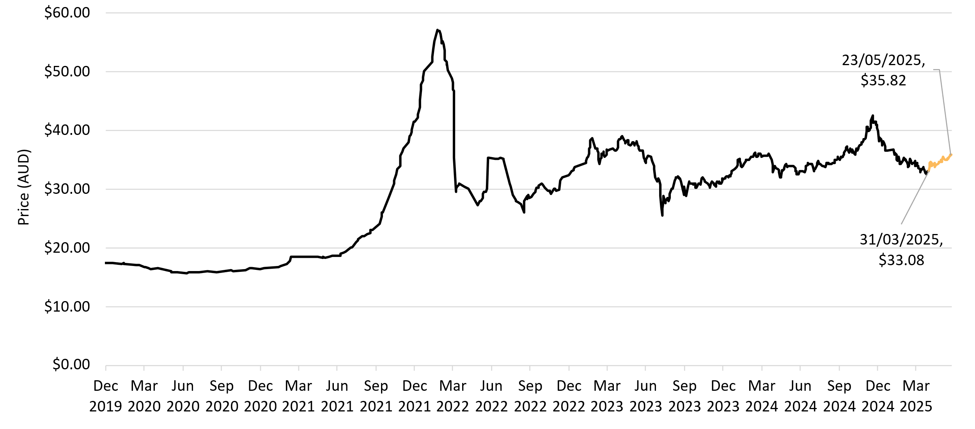

About Figure 1.2 This figure shows the volume weighted average of the generic ACCU spot price over time.

The small print The generic spot price refers to the daily volume weighted average price of spot trades for ACCUs with an unspecified method. Spot trade data is compiled from trades reported by Jarden and CORE markets, and may not be comprehensive. Prices are shown from 1 December 2019 to 23 May 2025.

Figure 1.4
Back to contents
Figure 1.4 Total Australian carbon credit unit (ACCU) holdings and ACCUs surrendered for safeguard compliance: comparison by method
Method | 2024 Q4 holdings | 2023-24 safeguard surrender
Human-induced regeneration | 35% | 26%
Landfill gas | 28% | 26%
Savanna fire management | 10% | 7%
Avoided deforestation | 7% | 28%
Other | 20% | 13%

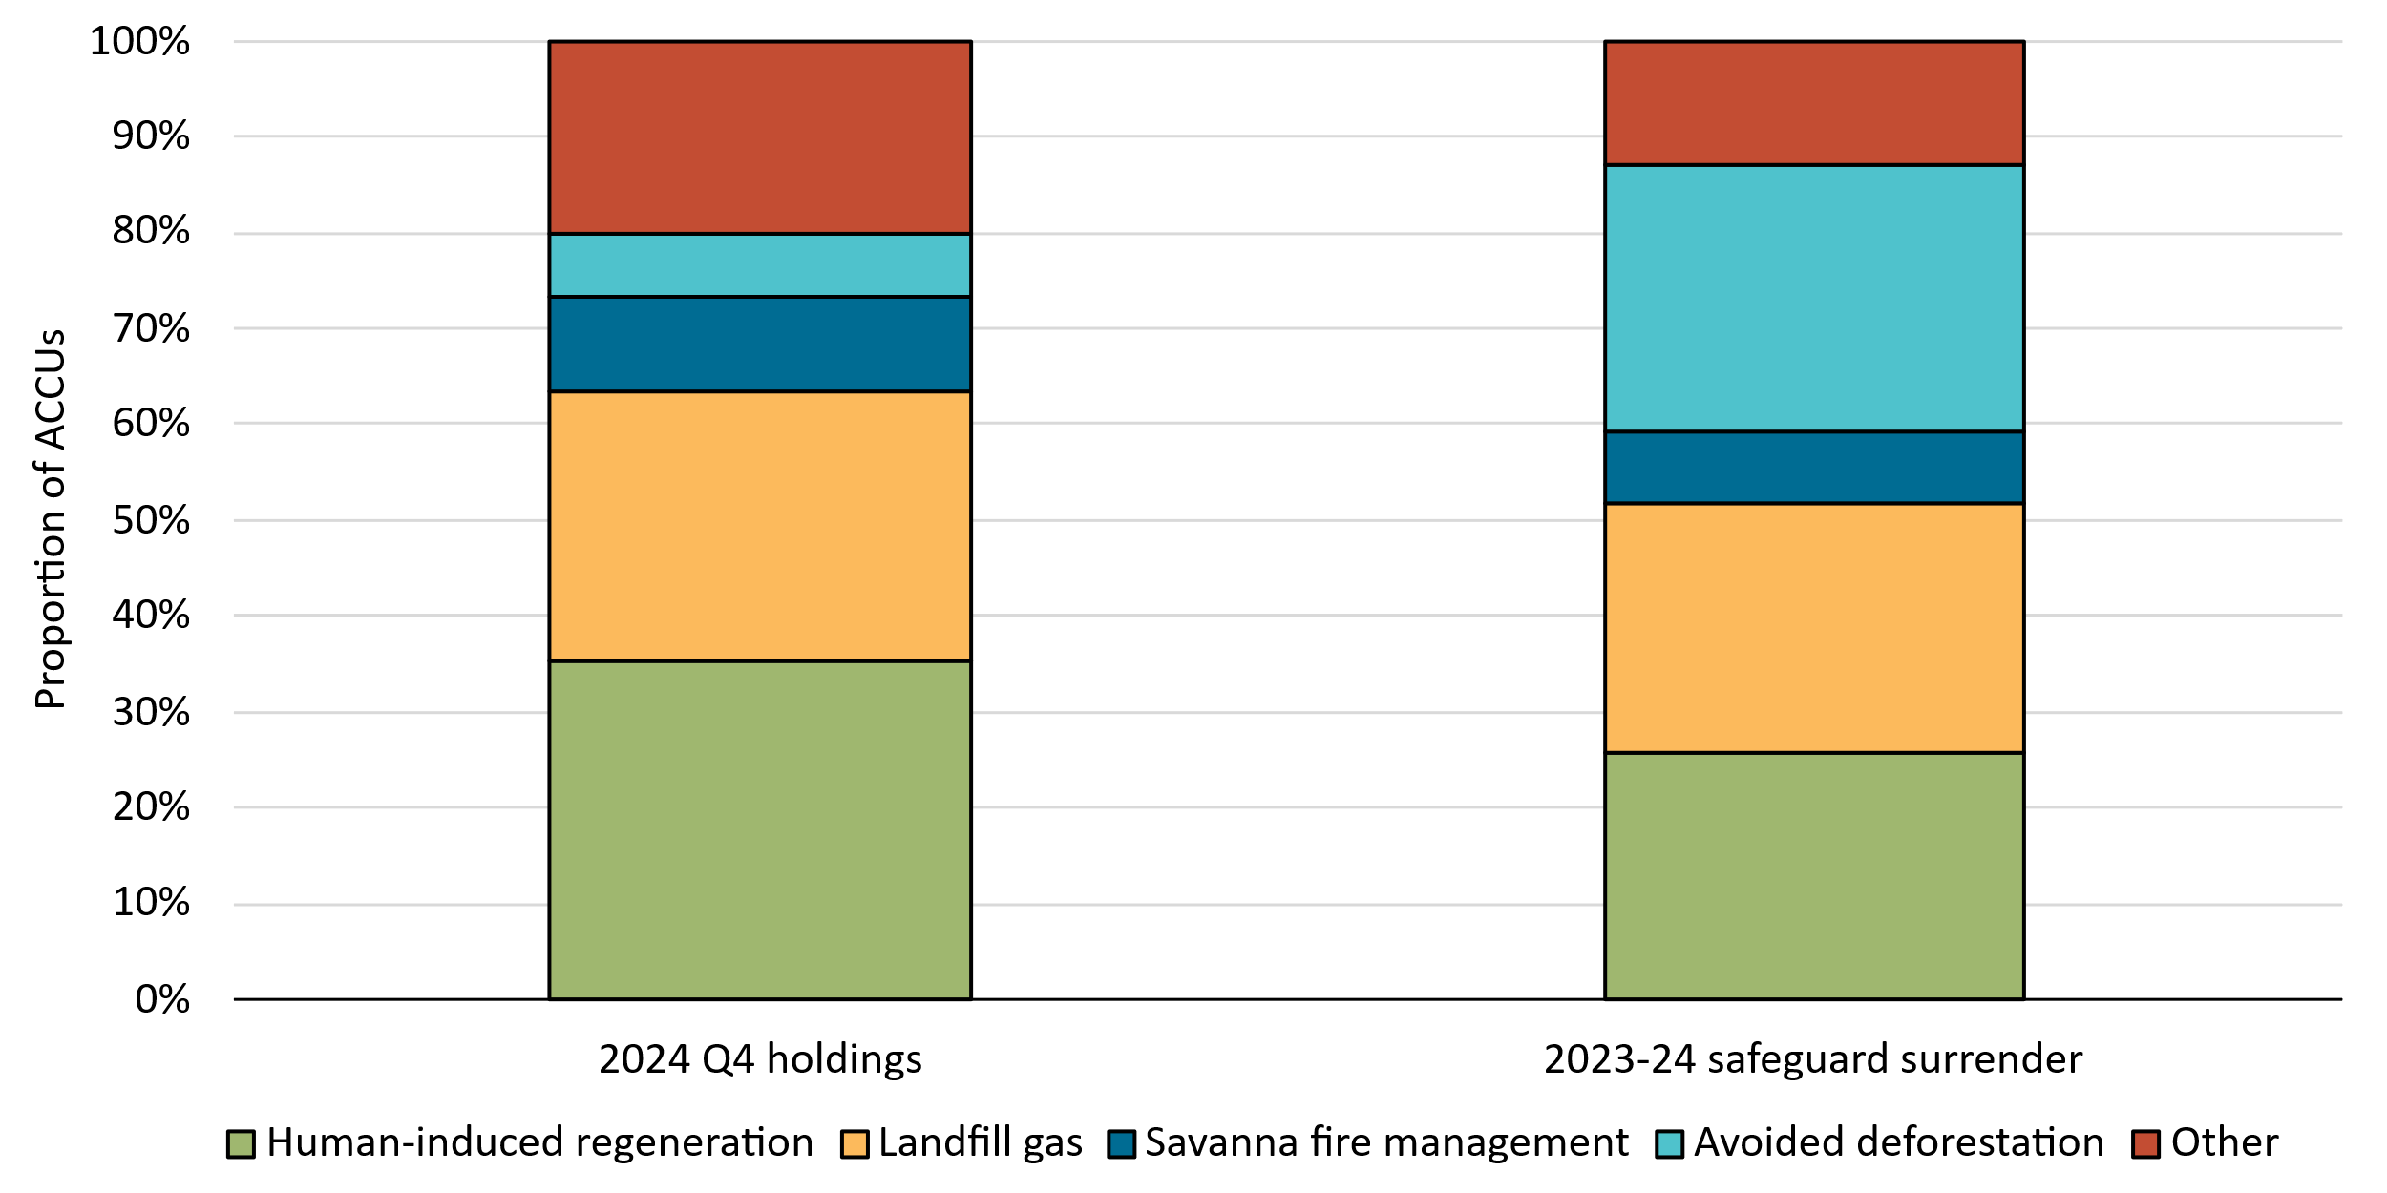

About Figure 1.4 This figure shows the percentage of ANREU holdings at the end of 2024 and safeguard surrenders for the most recent compliance period by methods. For more data on the Safeguard Mechanism, including Safeguard Mechanism Credit issuance and surrenders, see the CER’s 15 April safeguard data release on the CER website.

Figure 1.5
Back to contents
Figure 1.5 Registered Australian carbon credit unit (ACCU) Scheme projects by method type
Year | Quarter | Vegetation | Agriculture - soil carbon | Waste | Energy efficiency | Agriculture - other | Savanna fire management | Transport | Industrial fugitives | Facilities | Carbon capture | Total | Annual total
2019 | Q1 | 3 | 0 | 0 | 0 | 0 | 0 | 0 | 0 | 0 | 0 | 3
2019 | Q2 | 8 | 0 | 1 | 1 | 1 | 0 | 0 | 0 | 0 | 0 | 11
2019 | Q3 | 6 | 0 | 0 | 0 | 0 | 1 | 0 | 0 | 0 | 0 | 7
2019 | Q4 | 5 | 1 | 1 | 1 | 1 | 1 | 0 | 0 | 0 | 0 | 10 | 31
2020 | Q1 | 10 | 4 | 2 | 1 | 0 | 0 | 0 | 0 | 0 | 0 | 17
2020 | Q2 | 9 | 5 | 4 | 2 | 0 | 1 | 0 | 0 | 0 | 0 | 21
2020 | Q3 | 31 | 10 | 0 | 0 | 0 | 0 | 0 | 0 | 0 | 0 | 41
2020 | Q4 | 17 | 40 | 1 | 2 | 0 | 2 | 0 | 0 | 0 | 0 | 62 | 141
2021 | Q1 | 15 | 22 | 0 | 0 | 2 | 0 | 0 | 0 | 1 | 0 | 40
2021 | Q2 | 12 | 20 | 5 | 4 | 0 | 0 | 1 | 0 | 0 | 0 | 42
2021 | Q3 | 18 | 29 | 2 | 3 | 0 | 1 | 0 | 0 | 0 | 0 | 53
2021 | Q4 | 10 | 31 | 2 | 2 | 1 | 1 | 0 | 4 | 0 | 1 | 52 | 187
2022 | Q1 | 41 | 62 | 3 | 5 | 5 | 0 | 1 | 1 | 0 | 0 | 118
2022 | Q2 | 28 | 66 | 9 | 1 | 3 | 0 | 0 | 0 | 0 | 0 | 107
2022 | Q3 | 18 | 36 | 6 | 4 | 2 | 0 | 3 | 0 | 0 | 0 | 69
2022 | Q4 | 25 | 47 | 6 | 1 | 3 | 1 | 0 | 0 | 0 | 0 | 83 | 377
2023 | Q1 | 41 | 25 | 2 | 3 | 0 | 0 | 0 | 0 | 0 | 0 | 71
2023 | Q2 | 54 | 19 | 6 | 2 | 0 | 1 | 0 | 1 | 0 | 0 | 83
2023 | Q3 | 105 | 17 | 6 | 0 | 4 | 0 | 1 | 0 | 0 | 0 | 133
2023 | Q4 | 27 | 33 | 3 | 1 | 0 | 2 | 2 | 2 | 0 | 0 | 70 | 357
2024 | Q1 | 47 | 39 | 6 | 0 | 0 | 0 | 0 | 1 | 0 | 0 | 93
2024 | Q2 | 26 | 28 | 5 | 0 | 0 | 0 | 1 | 0 | 0 | 0 | 60
2024 | Q3 | 77 | 94 | 10 | 0 | 1 | 0 | 0 | 0 | 0 | 0 | 182
2024 | Q4 | 20 | 55 | 5 | 0 | 2 | 6 | 0 | 2 | 0 | 0 | 90 | 425
2025 | Q1 | 22 | 41 | 14 | 0 | 1 | 0 | 2 | 9 | 0 | 0 | 89 | 89

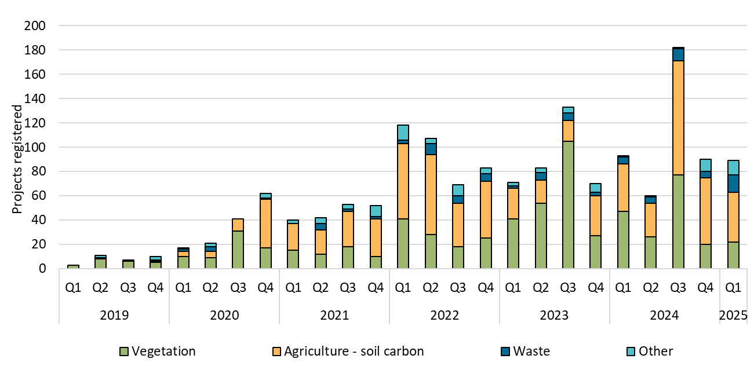

About Figure 1.5 This figure shows registered projects under the ACCU Scheme by method type over time.

The small print The 'agriculture' method type has been segregated into 'agriculture - soil carbon' and 'agriculture- other' to highlight growth in the soil carbon sector. The 'agriculture - soil carbon' method includes the ‘measurement of soil carbon sequestration in agricultural systems' method, the ‘sequestering carbon in soils in grazing systems’ method and the 'estimation of soil carbon sequestration using measurement and models' method. Method types other than vegetation, 'agriculture - soil carbon', and waste have been aggregated in the chart. These represent a small number of registrations. Revoked projects are excluded from this chart. Please refer to the Project Register on our website for more detail on registered projects.

Figure 1.6
Back to contents
Figure 1.6 Australian carbon credit units (ACCUs) issued by method type
Year | Quarter | Vegetation | Waste | Savanna fire management | Energy efficiency | Industrial fugitives | Agriculture | Transport | Facilities | Total | Annual total
2019 | Q1 | 1,491,980 | 1,159,172 | 0 | 173,205 | 0 | 11,876 | 0 | 0 | 2,836,233
2019 | Q2 | 2,832,089 | 887,966 | 766,238 | 47,250 | 337,647 | 26,921 | 0 | 0 | 4,898,111
2019 | Q3 | 1,486,212 | 1,774,611 | 249,890 | 22,594 | 13,861 | 64,104 | 9,489 | 0 | 3,620,761
2019 | Q4 | 2,494,348 | 619,376 | 25,560 | 204,386 | 0 | 131,330 | 0 | 0 | 3,475,000 | 14,830,105
2020 | Q1 | 2,409,504 | 936,022 | 185,221 | 15,929 | 0 | 47,789 | 0 | 0 | 3,594,465
2020 | Q2 | 2,662,324 | 606,166 | 982,557 | 186,830 | 302,761 | 33,141 | 12,453 | 0 | 4,786,232
2020 | Q3 | 1,597,098 | 688,192 | 119,158 | 10,787 | 0 | 56,073 | 12,261 | 0 | 2,483,569
2020 | Q4 | 3,010,930 | 1,816,561 | 17,163 | 241,694 | 0 | 102,191 | 0 | 0 | 5,188,539 | 16,052,805
2021 | Q1 | 1,840,204 | 852,778 | 50,477 | 198,504 | 0 | 165,365 | 0 | 0 | 3,107,328
2021 | Q2 | 2,670,300 | 1,568,119 | 970,180 | 74,083 | 274,463 | 110,189 | 19,505 | 0 | 5,686,839
2021 | Q3 | 2,261,226 | 1,907,849 | 599,099 | 16,295 | 0 | 27,980 | 2,324 | 0 | 4,814,773
2021 | Q4 | 2,571,002 | 625,412 | 20,958 | 122,888 | 0 | 91,582 | 0 | 0 | 3,431,842 | 17,040,782
2022 | Q1 | 2,099,793 | 880,188 | 17,753 | 180,107 | 0 | 160,812 | 0 | 0 | 3,338,653
2022 | Q2 | 2,631,819 | 676,403 | 1,130,902 | 178,081 | 240,758 | 30,401 | 34,895 | 0 | 4,923,259
2022 | Q3 | 2,129,636 | 3,316,622 | 123,304 | 35,791 | 0 | 73,592 | 0 | 0 | 5,678,945
2022 | Q4 | 2,949,405 | 646,281 | 44,335 | 136,533 | 0 | 10,134 | 10,514 | 0 | 3,797,202 | 17,738,059
2023 | Q1 | 1,029,657 | 394,145 | 104,511 | 13,695 | 0 | 290,414 | 0 | 0 | 1,832,422
2023 | Q2 | 1,994,187 | 1,408,753 | 412,693 | 324,783 | 75,246 | 161,796 | 0 | 0 | 4,377,458
2023 | Q3 | 3,336,827 | 1,948,240 | 847,373 | 97,945 | 580,200 | 152,197 | 35,230 | 0 | 6,998,012
2023 | Q4 | 2,544,815 | 1,018,877 | 389,497 | 35,305 | 0 | 24,722 | 0 | 0 | 4,013,216 | 17,221,108
2024 | Q1 | 2,001,363 | 1,528,900 | 146,698 | 20,320 | 68,162 | 27,174 | 0 | 0 | 3,792,617
2024 | Q2 | 1,761,956 | 1,512,917 | 425,885 | 141,288 | 0 | 25,828 | 0 | 0 | 3,867,874
2024 | Q3 | 2,323,958 | 1,018,192 | 932,530 | 0 | 447,907 | 123,736 | 0 | 104,424 | 4,950,747
2024 | Q4 | 3,230,424 | 1,980,767 | 62,316 | 138,795 | 193,328 | 76,137 | 0 | 491,753 | 6,173,520 | 18,784,758
2025 | Q1 | 2,405,598 | 415,174 | 58,403 | 0 | 0 | 145,619 | 18,975 | 0 | 3,043,769 | 3,043,769

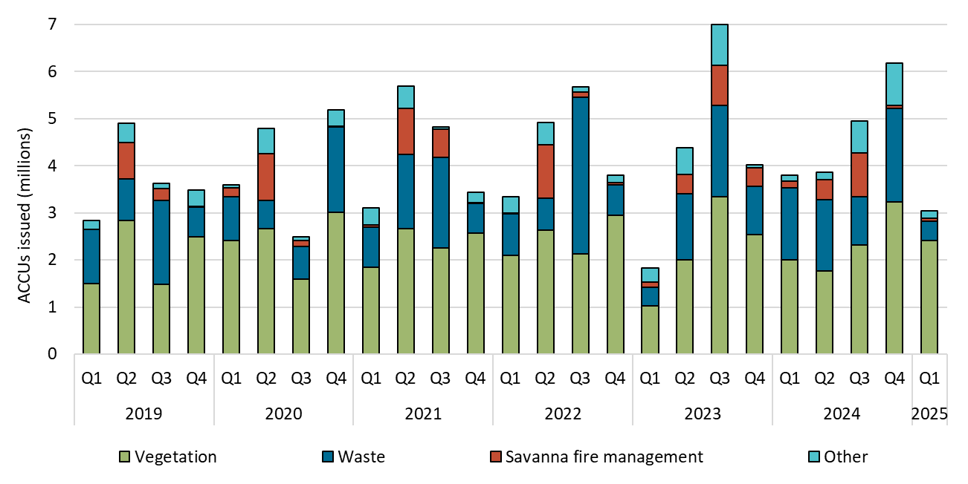

About Figure 1.6 This figure shows ACCUs issued by method type over time.

The small print ACCU issuance follows a seasonal pattern for certain method types, including industrial fugitive methods and savanna fire management. Method types other than vegetation, waste, and savanna fire management have been aggregated in the chart. These represent a small number of total issuances.

Figure 1.7
Back to contents
Figure 1.7 Estimated Australian carbon credit unit (ACCU) issuances in 2025
Column1 | Q1 2025 issuances (millions) | Estimated 2025 issuances (millions) | On hand (millions)
ACCUs from projects reporting for the first time | 0.2 | 1.5-5.5
ACCUs from projects that have previously reported | 2.8 | 14-15
ACCUs on hand (31 March 2025) |  |  | 5.0
Total | 3.0 | 19-24

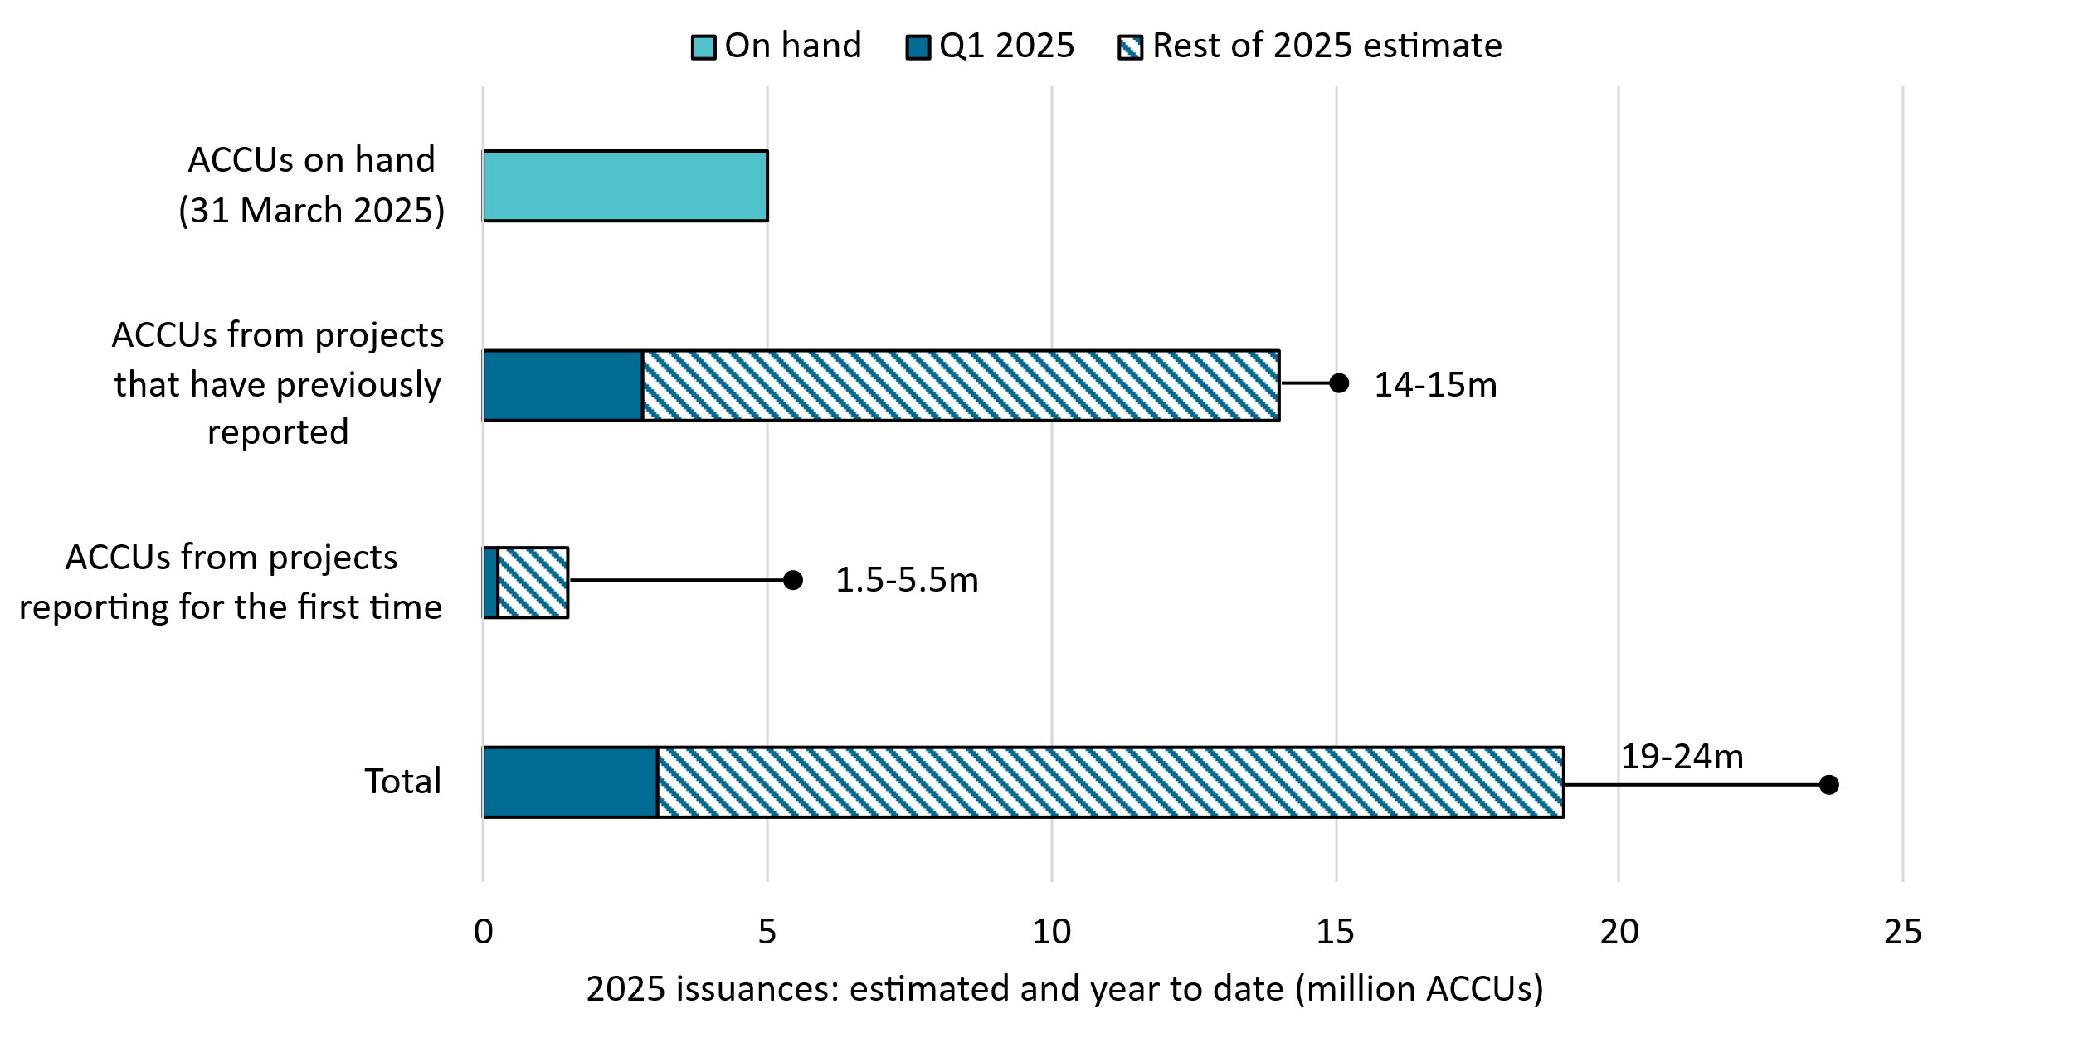

About Figure 1.7 This figure shows ACCUs issued in 2025 Q1 and the remainder of our yearly estimate. This figure also shows how many ACCUs are on hand from claims still being processed.
The small print
Totals may not sum due to rounding. Estimated ACCU issuances for 2025 consists of the following:
ACCUs on hand This refers to the volume of ACCUs claimed on submissions received by the CER and are being processed as at 31 March 2025. These ACCUs may be issued in 2025 depending on assessment outcomes.
ACCUs from projects that have previously reported This refers to ACCUs that are predicted to be claimed by and issued to projects that have previously claimed ACCUs. This is an estimate and is based on factors such as the typical timing and volume of ACCU submissions for such projects.
ACCUs from projects reporting for the first time This refers to the volume of ACCUs that could be claimed by projects reporting for the first time. This is an estimate and is based on a combination of factors including the typical timing and volume of first submissions. This category is the main driver of uncertainty in the overall estimate for 2025.

Figure 2.1
Back to contents
Figure 2.1 Large-scale generation certificates (LGCs) validated by technology type
Year | Quarter | Wind | Solar | Biomass | Hydroelectricity | Waste coal mine gas | Total | Annual total
2019 | Q1 | 4,163,383 | 1,325,825 | 784,269 | 839,688 | 169,615 | 7,282,780
2019 | Q2 | 4,310,490 | 1,070,212 | 478,893 | 57,938 | 284,535 | 6,202,068
2019 | Q3 | 4,608,738 | 1,114,424 | 586,299 | 170,849 | 278,078 | 6,758,388
2019 | Q4 | 5,555,545 | 1,818,946 | 1,001,089 | 879,547 | 117,768 | 9,372,895 | 29,616,131
2020 | Q1 | 4,313,812 | 1,973,944 | 545,611 | 403,025 | 161,286 | 7,397,678
2020 | Q2 | 4,974,714 | 1,526,406 | 327,152 | 57,458 | 82,299 | 6,968,029
2020 | Q3 | 5,023,838 | 1,387,380 | 562,685 | 58,210 | 290,632 | 7,322,745
2020 | Q4 | 7,038,530 | 2,447,599 | 1,092,288 | 581,376 | 304,751 | 11,464,544 | 33,152,996
2021 | Q1 | 5,585,594 | 2,424,743 | 432,716 | 751,496 | 11,028 | 9,205,577
2021 | Q2 | 5,418,883 | 2,128,835 | 344,264 | 60,940 | 0 | 7,952,922
2021 | Q3 | 6,984,780 | 1,716,402 | 394,604 | 112,893 | 0 | 9,208,679
2021 | Q4 | 8,235,025 | 3,042,634 | 982,100 | 305,208 | 0 | 12,564,967 | 38,932,145
2022 | Q1 | 5,281,079 | 3,466,194 | 615,892 | 816,529 | 0 | 10,179,694
2022 | Q2 | 6,356,949 | 2,733,676 | 345,547 | 90,978 | 0 | 9,527,150
2022 | Q3 | 8,076,905 | 2,297,227 | 596,284 | 207,837 | 0 | 11,178,253
2022 | Q4 | 6,750,741 | 3,284,968 | 613,178 | 556,726 | 0 | 11,205,613 | 42,090,710
2023 | Q1 | 6,812,455 | 4,523,784 | 838,244 | 891,226 | 0 | 13,065,709
2023 | Q2 | 7,286,918 | 3,463,788 | 398,580 | 138,585 | 0 | 11,287,871
2023 | Q3 | 8,500,814 | 3,090,340 | 386,810 | 141,337 | 0 | 12,119,301
2023 | Q4 | 7,657,674 | 4,422,891 | 780,365 | 268,648 | 0 | 13,129,578 | 49,602,459
2024 | Q1 | 7,039,551 | 5,106,888 | 660,904 | 1,036,842 | 0 | 13,844,185
2024 | Q2 | 6,692,758 | 4,029,007 | 271,129 | 64,625 | 0 | 11,057,519
2024 | Q3 | 8,538,561 | 3,409,643 | 512,130 | 107,558 | 0 | 12,567,892
2024 | Q4 | 8,393,679 | 4,505,033 | 743,249 | 368,626 | 0 | 14,010,587 | 51,480,183
2025 | Q1 | 7,390,510 | 5,892,300 | 688,430 | 224,749 | 0 | 14,195,989 | 14,195,989

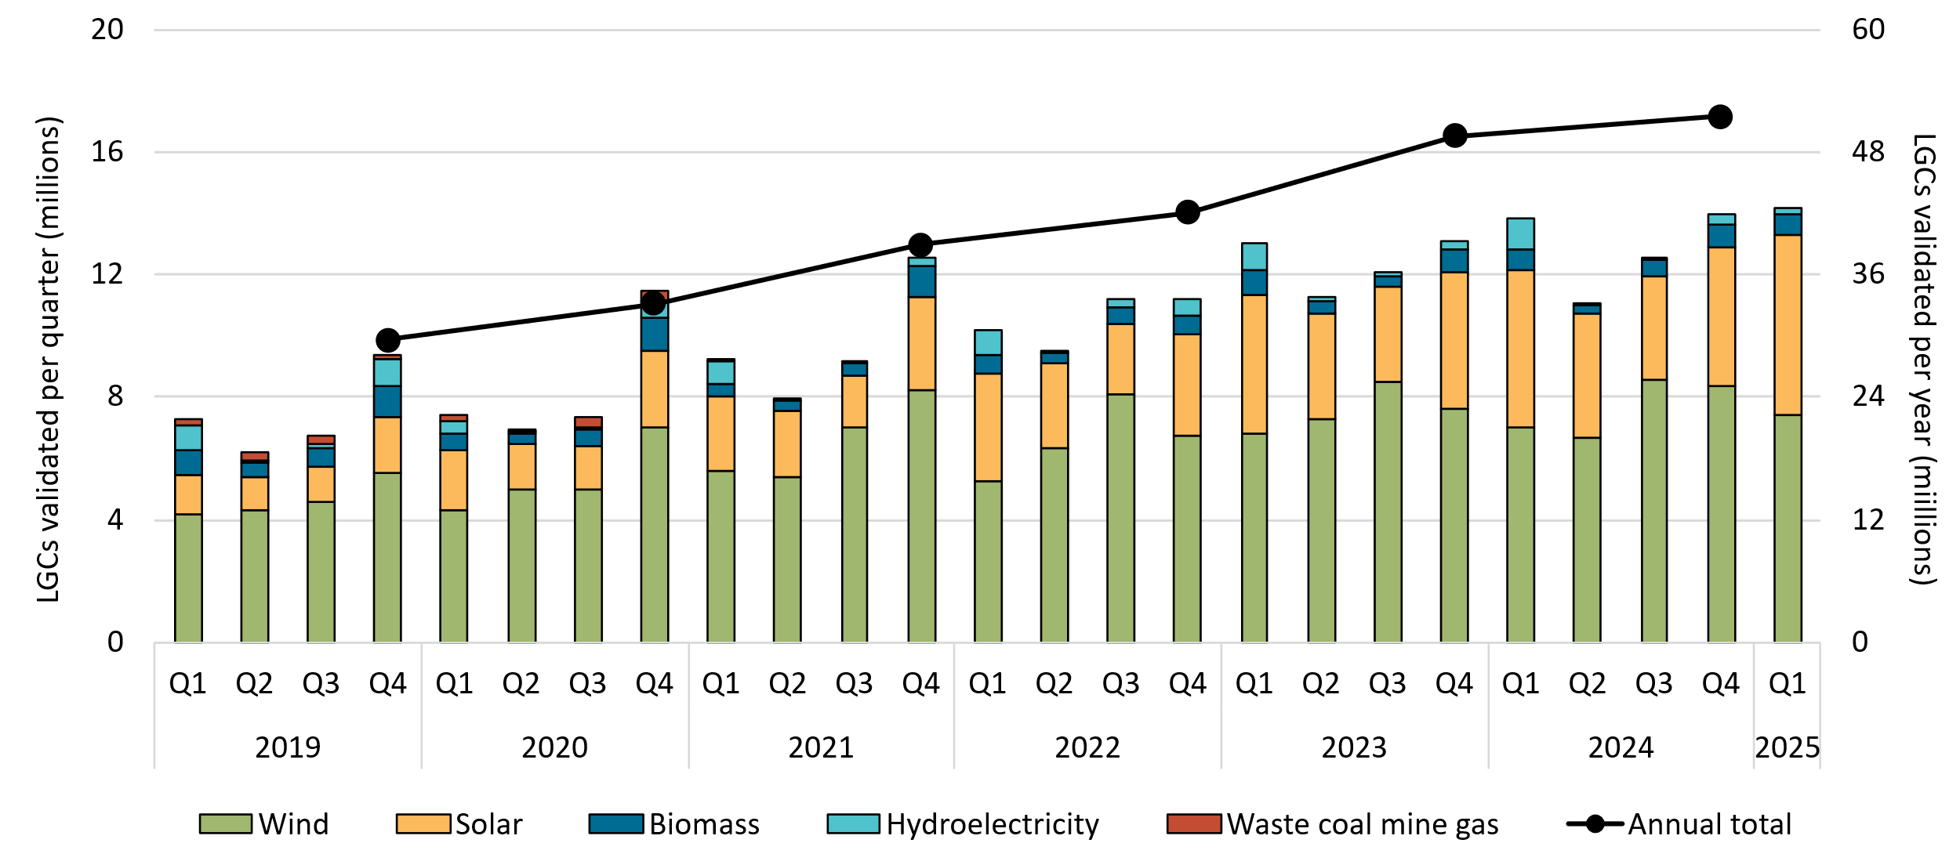

About Figure 2.1 This figure shows the number of LGCs validated by technology type over time.

The small print Waste coal mine gas is no longer eligible to create LGCs as of 2021. Validations in 2021 reflect LGCs that were created prior to 2021.

Figure 2.2
Back to contents
Figure 2.2 Large-scale generation certificate (LGC) spot price

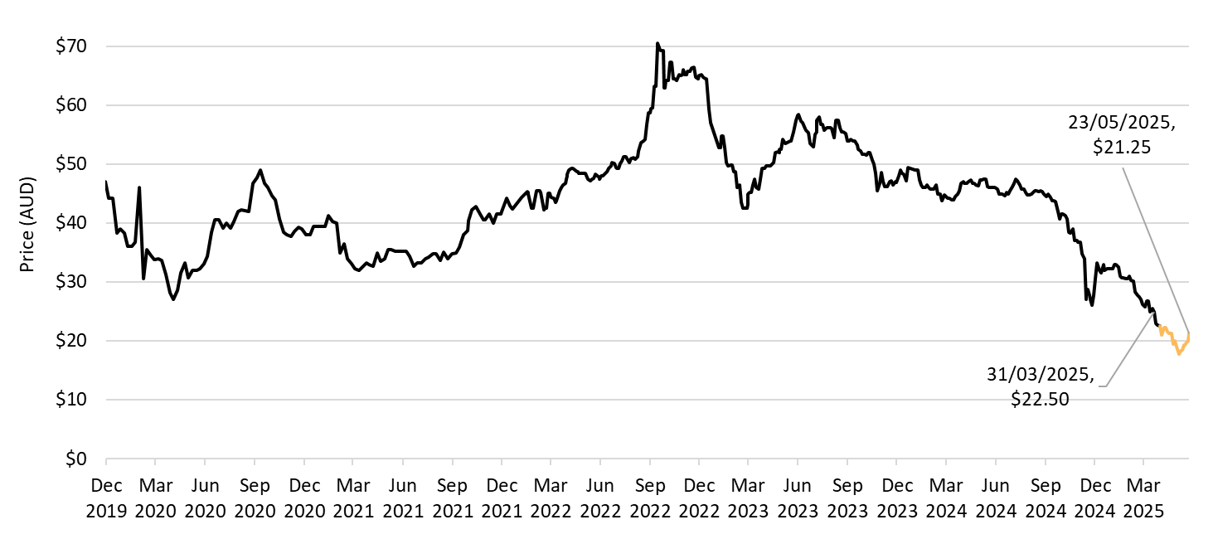

About Figure 2.2 This figure shows the daily closing LGC spot price over time.

The small print Spot price data is compiled from trades reported by CORE markets and may not be comprehensive. Prices are shown from 1 December 2019 to 23 May 2025.

Figure 2.3
Back to contents
Figure 2.3 Large-scale generation certificate (LGC) reported spot and forward prices

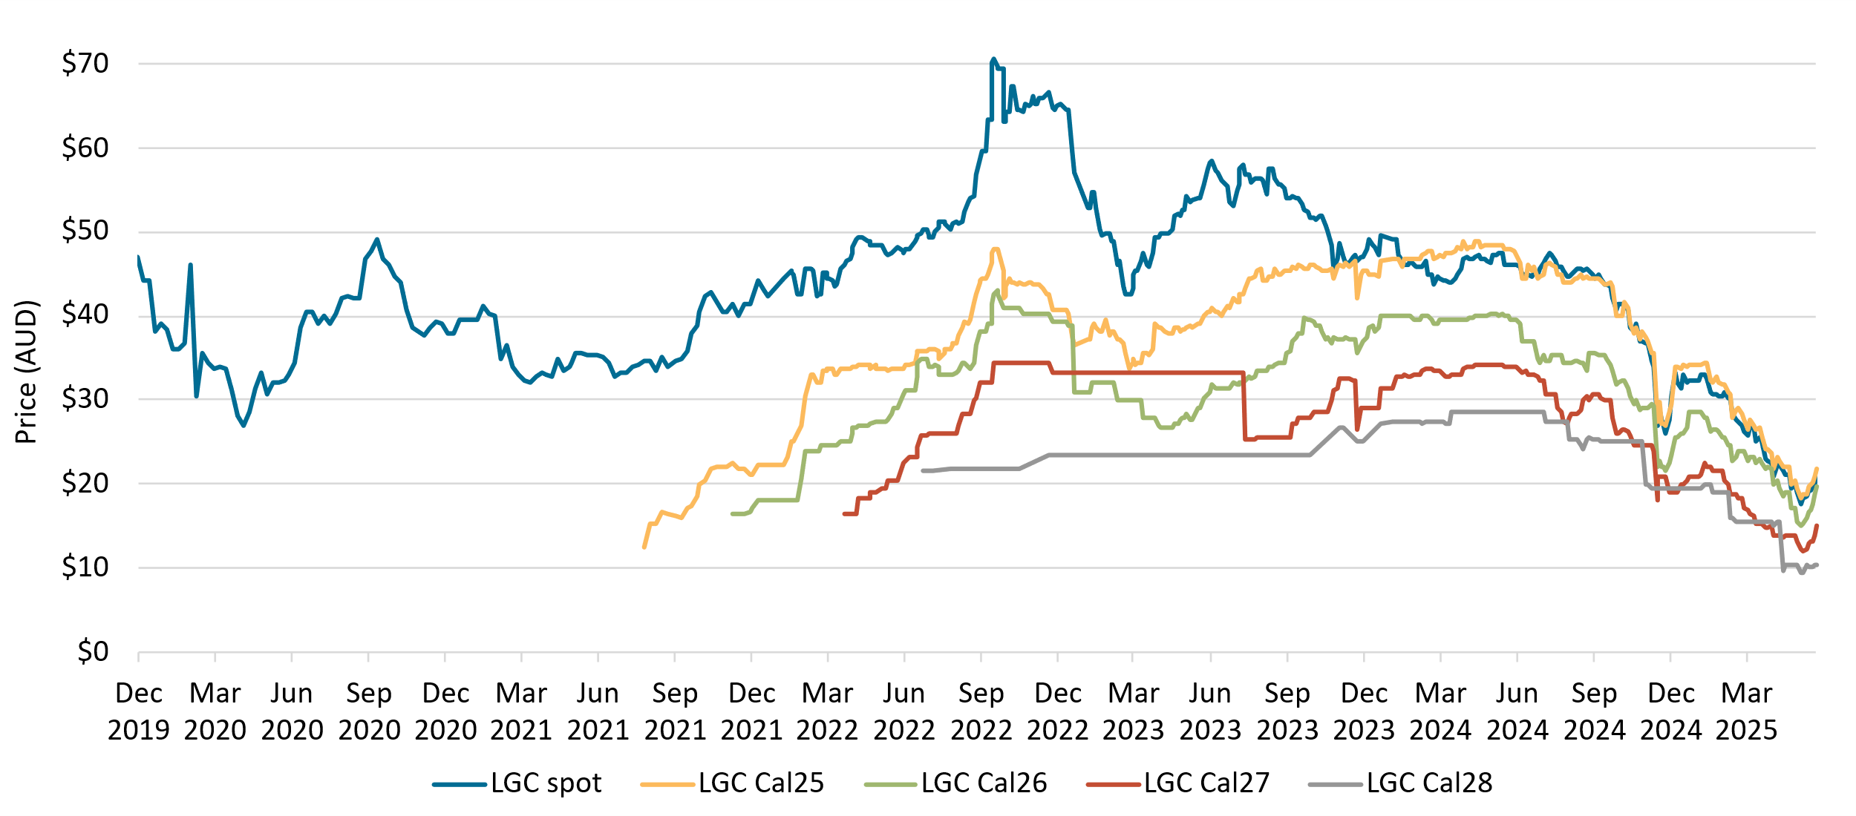

About Figure 2.3 This figure shows the daily closing LGC spot price and calendar year forward prices over time.

The small print For example, Cal25 is the 2025 calendar year, where an agreement is made to buy/sell LGCs at a specified price in 2025. Pricing data is compiled from trades reported by CORE markets and may not be comprehensive. Prices are shown from 1 December 2019 to 16 May 2025.

Figure 2.4
Back to contents
Figure 2.4 Approved large-scale wind and solar capacity in gigawatts (GW)
Year | Quarter | Wind | Solar | Total | Annual total
2019 | Q1 | 0.08 | 0.58 | 0.66
2019 | Q2 | 0.58 | 0.45 | 1.03
2019 | Q3 | 0.69 | 0.43 | 1.12
2019 | Q4 | 0 | 1.01 | 1.01 | 3.83
2020 | Q1 | 0.17 | 0.39 | 0.56
2020 | Q2 | 1.38 | 0.41 | 1.79
2020 | Q3 | 0.21 | 0.17 | 0.38
2020 | Q4 | 0.56 | 0.90 | 1.45 | 4.19
2021 | Q1 | 0 | 0.24 | 0.24
2021 | Q2 | 0.19 | 0.13 | 0.32
2021 | Q3 | 0.16 | 0.45 | 0.60
2021 | Q4 | 0 | 1.15 | 1.15 | 2.31
2022 | Q1 | 0.22 | 0.08 | 0.29
2022 | Q2 | 0 | 0.40 | 0.40
2022 | Q3 | 0.24 | 0.25 | 0.50
2022 | Q4 | 0.27 | 1.00 | 1.27 | 2.46
2023 | Q1 | 0 | 0.27 | 0.27
2023 | Q2 | 0 | 0.67 | 0.67
2023 | Q3 | 0.58 | 0.03 | 0.61
2023 | Q4 | 0.15 | 0.50 | 0.65 | 2.20
2024 | Q1 | 0.28 | 0.59 | 0.87
2024 | Q2 | 0.32 | 0.20 | 0.52
2024 | Q3 | 0.85 | 0.46 | 1.31
2024 | Q4 | 0.92 | 0.67 | 1.59 | 4.29
2025 | Q1 | 0.20 | 0.10 | 0.30 | 0.30
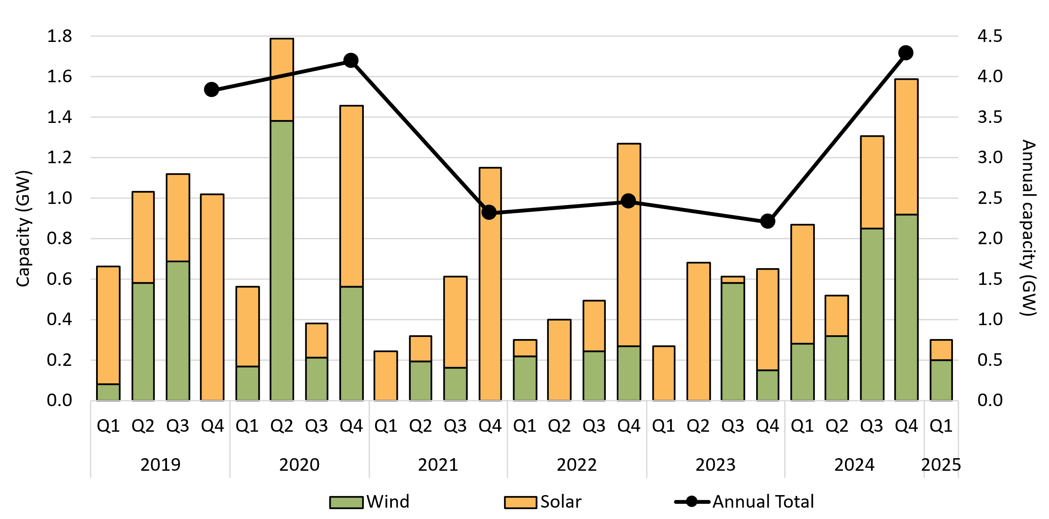

About Figure 2.4 This figure shows the capacity of large-scale wind and solar power stations approved by the Clean Energy Regulator to generate large-scale generation certificates over time.

The small print Solar and wind hybrid projects are grouped under the solar category. Totals may not sum due to rounding.

Figure 2.5
Back to contents
Figure 2.5 Large-scale generation certificate (LGC) validations compared to demand
Year | RPP target | Non-RET (voluntary) | Non-RET (government) | Non-RET (compliance) | Non-RET (estimate) | Validations
2019 | 31,244,000 | 624,004 | 13,711 | 98,252 |  | 29,616,131
2020 | 33,850,000 | 1,090,307 | 2,405,476 | 529,621 |  | 33,152,996
2021 | 33,000,000 | 1,673,733 | 2,385,273 | 1,712,475 |  | 38,932,201
2022 | 33,000,000 | 3,502,256 | 3,371,662 | 536,867 |  | 42,090,710
2023 | 33,000,000 | 5,268,765 | 3,108,095 | 341,030 |  | 49,602,459
2024 | 33,000,000 | 7,017,323 | 2,956,365 | 471,090 |  | 51,480,183
2025 | 33,000,000 |  |  |  | 12,500,000 | 55,500,000

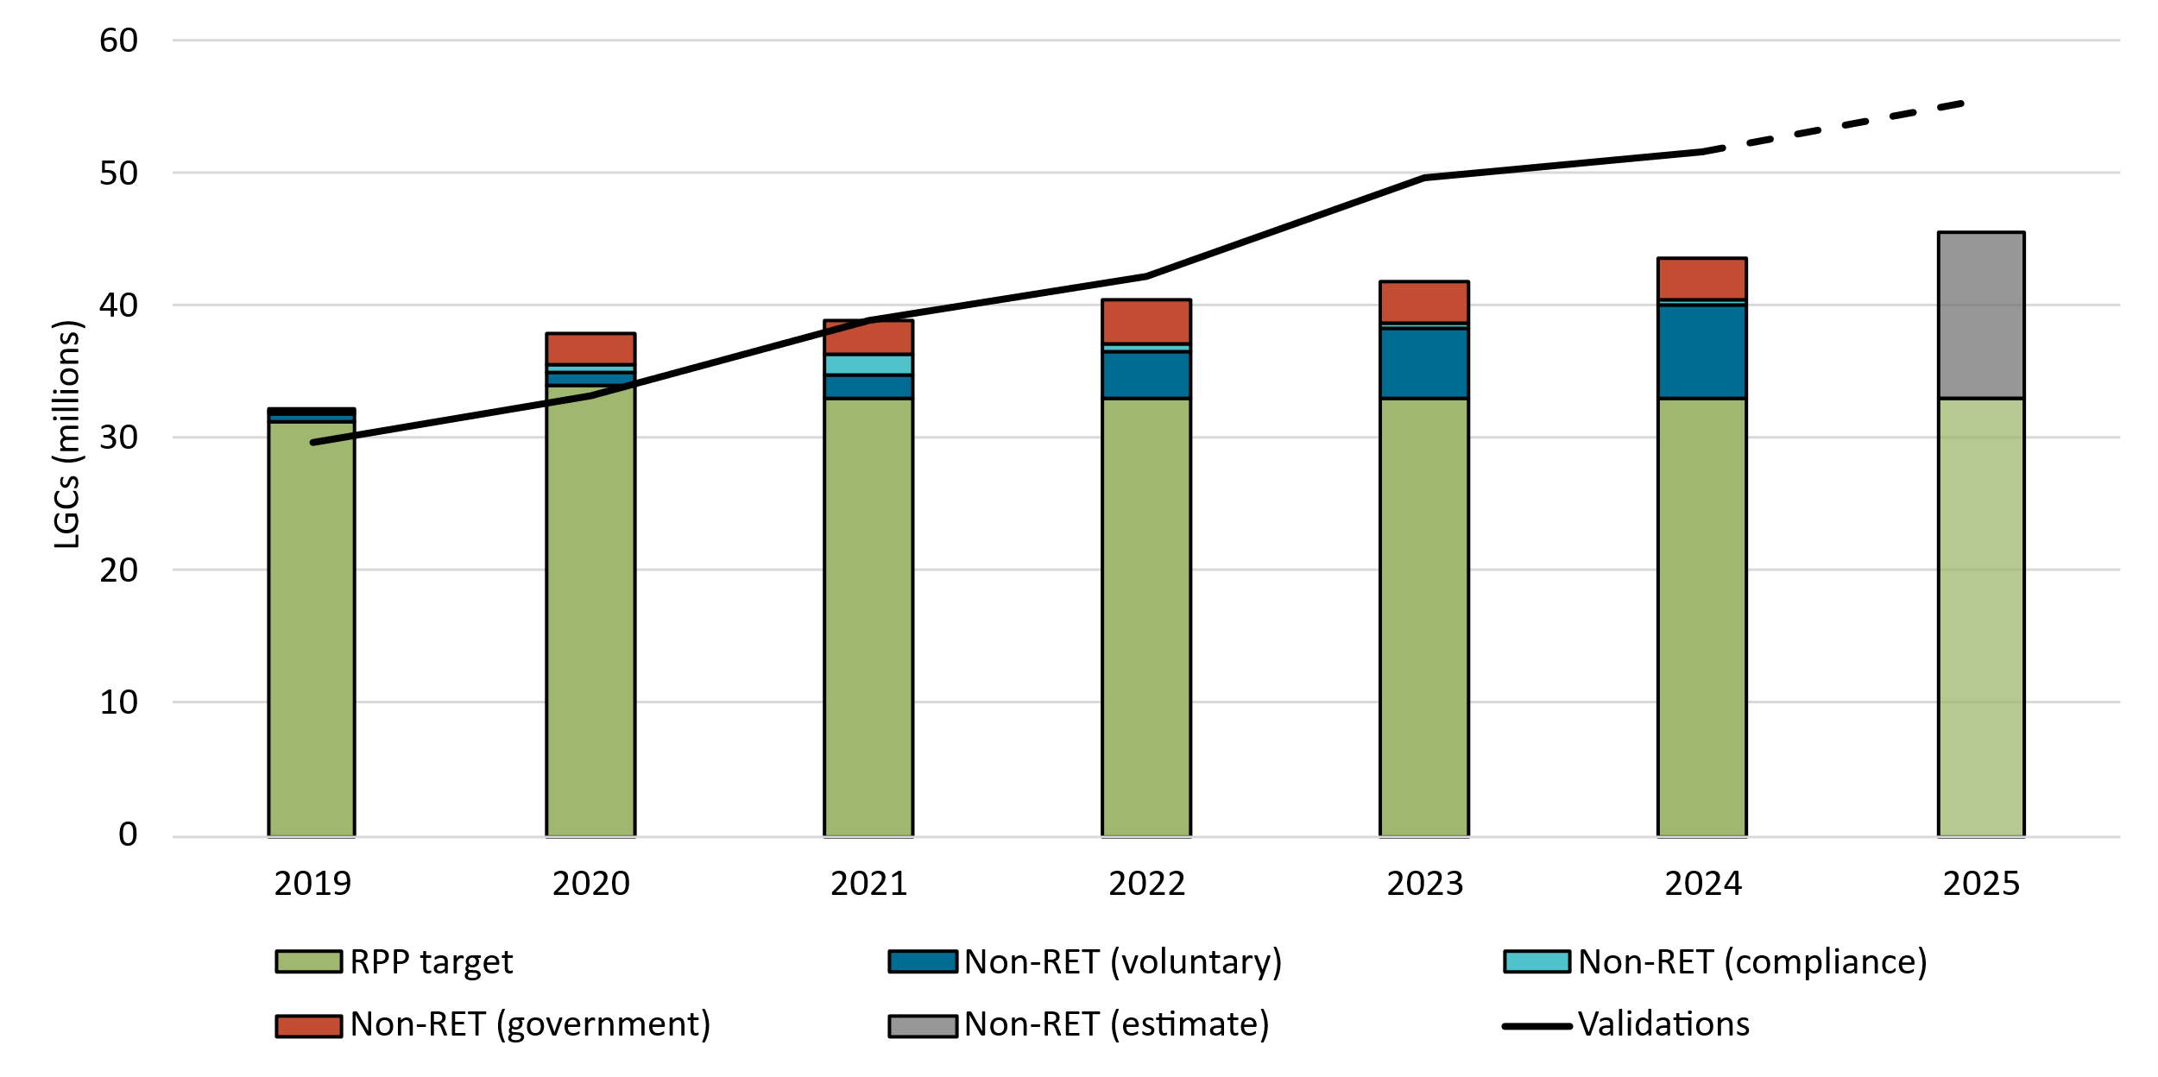

About Figure 2.5 This figure shows the relative sizes of supply and demand for large-scale generation certificates (LGCs) between 2019-2024 with an estimated figure for 2025.

The small print LGC validations represents supply. Demand comprises of RET demand and non-RET LGC cancellations seggregated by demand source. See below for classifications. Estimated validations for 2025 shown on this chart reflect the mid-point of the estimated range of 54 to 57 million LGCs.
This classification system is uniform across Australian carbon credit unit (ACCU) and LGC cancellations.
Covered activities for each classification
Voluntary demand Cancellations made against voluntary certification programs such as Climate Active and any sort of organisational emissions or energy targets.
Government demand Cancellations by or on behalf of government entities. For example to offset emissions from vehicle fleets or meet voluntary emissions reduction targets.
Compliance demand Cancellations made by private organisations and corporations for compliance or obligations against municipal, local, state and territory government laws, approvals, or contracts. For example to meet Environmental Protection Authority requirements.

Figure 2.6
Back to contents
Figure 2.6 Final investment decision capacity in gigawatts (GW) for large-scale renewable generation
Year | Quarter | Capacity | Four quarter rolling average | Four quarter rolling sum | Annual total capacity
2016 | Q1 | 0.04
2016 | Q2 | 0.30
2016 | Q3 | 0.01
2016 | Q4 | 0.95 | 0.33 | 1.31 | 1.31
2017 | Q1 | 0.85 | 0.53 | 2.12
2017 | Q2 | 0.75 | 0.64 | 2.57
2017 | Q3 | 1.12 | 0.92 | 3.67
2017 | Q4 | 1.30 | 1.00 | 4.02 | 4.02
2018 | Q1 | 1.47 | 1.16 | 4.64
2018 | Q2 | 0.96 | 1.21 | 4.85
2018 | Q3 | 0.61 | 1.09 | 4.34
2018 | Q4 | 1.87 | 1.23 | 4.92 | 4.92
2019 | Q1 | 0.69 | 1.03 | 4.13
2019 | Q2 | 0.68 | 0.96 | 3.85
2019 | Q3 | 0.47 | 0.93 | 3.70
2019 | Q4 | 0.56 | 0.60 | 2.39 | 2.39
2020 | Q1 | 1.21 | 0.73 | 2.91
2020 | Q2 | 0.02 | 0.56 | 2.25
2020 | Q3 | 1.29 | 0.77 | 3.07
2020 | Q4 | 0.78 | 0.82 | 3.30 | 3.30
2021 | Q1 | 0.32 | 0.60 | 2.41
2021 | Q2 | 0.74 | 0.78 | 3.13
2021 | Q3 | 1.18 | 0.75 | 3.02
2021 | Q4 | 1.07 | 0.83 | 3.31 | 3.31
2022 | Q1 | 1.18 | 1.04 | 4.17
2022 | Q2 | 0.43 | 0.97 | 3.86
2022 | Q3 | 0.49 | 0.79 | 3.17
2022 | Q4 | 2.41 | 1.13 | 4.50 | 4.50
2023 | Q1 | 0.48 | 0.95 | 3.81
2023 | Q2 | 0.09 | 0.87 | 3.46
2023 | Q3 | 0.52 | 0.87 | 3.49
2023 | Q4 | 0.70 | 0.45 | 1.79 | 1.79
2024 | Q1 | 0.79 | 0.52 | 2.10
2024 | Q2 | 1.06 | 0.77 | 3.07
2024 | Q3 | 1.15 | 0.93 | 3.71
2024 | Q4 | 1.35 | 1.09 | 4.36 | 4.36
2025 | Q1 | 0.39 | 0.99 | 3.96 | 0.39
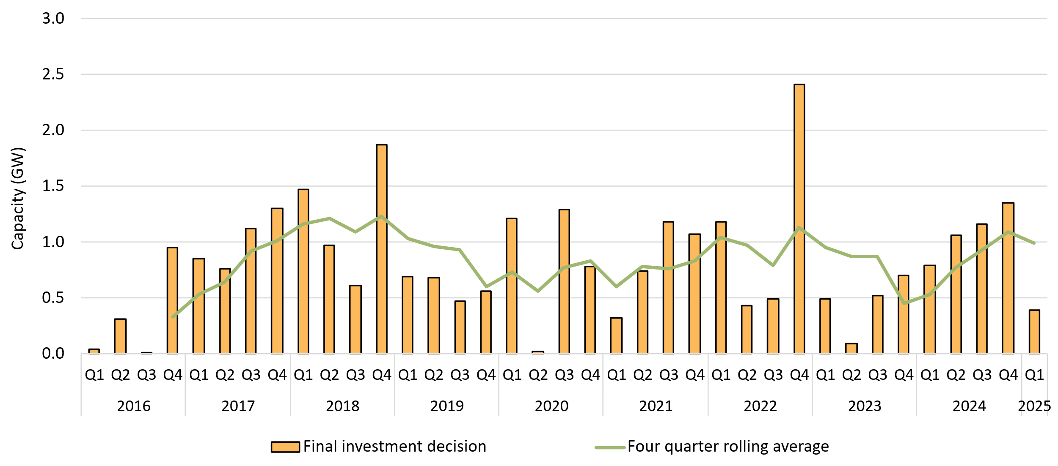

About Figure 2.6 This figure shows the capacity and four quarter rolling average of large-scale renewable power stations to reach a final investment decision over time.

The small print The Clean Energy Regulator tracks public announcements. Data may be incomplete and may change retrospectively. Totals may not sum due to rounding. Data as at 30 June 2024.

Figure 2.7
Back to contents
Figure 2.7 Large-scale generation certificate (LGC) holdings by market participation
Year | Quarter | Liable entity | Power station | Non-RET (voluntary) | Non-RET (compliance) | Non-RET (government) | Intermediary | Other | Total holdings
2019 | Q1 | 3.8 | 2.7 | 0.7 | 1.9 | 1.3 | 0.3 | 0.3 | 11.1
2019 | Q2 | 7.0 | 3.3 | 1.2 | 2.2 | 1.4 | 0.9 | 0.4 | 16.4
2019 | Q3 | 10.8 | 3.1 | 1.0 | 2.3 | 1.4 | 1.6 | 0.8 | 21.0
2019 | Q4 | 15.0 | 4.8 | 1.5 | 2.4 | 2.8 | 2.8 | 0.9 | 30.2
2020 | Q1 | 2.8 | 2.7 | 1.1 | 2.0 | 2.7 | 0.5 | 0.5 | 12.3
2020 | Q2 | 6.8 | 4.3 | 1.3 | 2.1 | 0.5 | 1.2 | 0.6 | 16.8
2020 | Q3 | 10.5 | 4.3 | 1.2 | 1.7 | 0.5 | 1.9 | 1.0 | 21.2
2020 | Q4 | 14.7 | 7.0 | 1.9 | 2.9 | 1.9 | 3.3 | 0.6 | 32.4
2021 | Q1 | 3.8 | 3.1 | 1.3 | 1.8 | 2.4 | 0.8 | 0.3 | 13.5
2021 | Q2 | 7.6 | 4.3 | 1.9 | 1.9 | 0.6 | 1.2 | 0.4 | 17.9
2021 | Q3 | 11.2 | 4.7 | 2.5 | 1.6 | 0.6 | 3.4 | 0.4 | 24.4
2021 | Q4 | 16.5 | 6.0 | 2.4 | 1.7 | 2.2 | 4.3 | 0.4 | 33.5
2022 | Q1 | 2.8 | 3.5 | 2.1 | 1.6 | 2.8 | 0.9 | 0.3 | 14.0
2022 | Q2 | 7.5 | 5.4 | 3.1 | 1.9 | 0.8 | 0.7 | 0.3 | 19.8
2022 | Q3 | 12.2 | 6.6 | 3.0 | 1.7 | 1.0 | 2.9 | 0.4 | 27.8
2022 | Q4 | 14.4 | 8.1 | 4.6 | 1.9 | 1.1 | 5.2 | 0.6 | 36.0
2023 | Q1 | 3.5 | 4.0 | 3.7 | 1.5 | 0.9 | 0.7 | 0.3 | 14.6
2023 | Q2 | 8.0 | 6.7 | 4.6 | 1.9 | 0.6 | 2.7 | 0.3 | 24.7
2023 | Q3 | 15.4 | 8.6 | 3.5 | 2.2 | 0.6 | 2.6 | 0.4 | 33.2
2023 | Q4 | 20.1 | 11.1 | 4.4 | 2.7 | 0.8 | 3.1 | 0.5 | 42.8
2024 | Q1 | 4.0 | 5.1 | 5.2 | 2.4 | 2.3 | 1.8 | 0.3 | 21.1
2024 | Q2 | 10.4 | 7.1 | 6.1 | 2.4 | 0.5 | 1.7 | 0.2 | 28.5
2024 | Q3 | 11.3 | 10.6 | 7.2 | 2.9 | 0.7 | 2.1 | 0.5 | 35.1
2024 | Q4 | 16.4 | 13.4 | 8.1 | 3.6 | 0.7 | 3.4 | 0.5 | 45.9
2025 | Q1 | 4.5 | 6.2 | 7.4 | 3.5 | 1.9 | 1.5 | 0.5 | 25.4

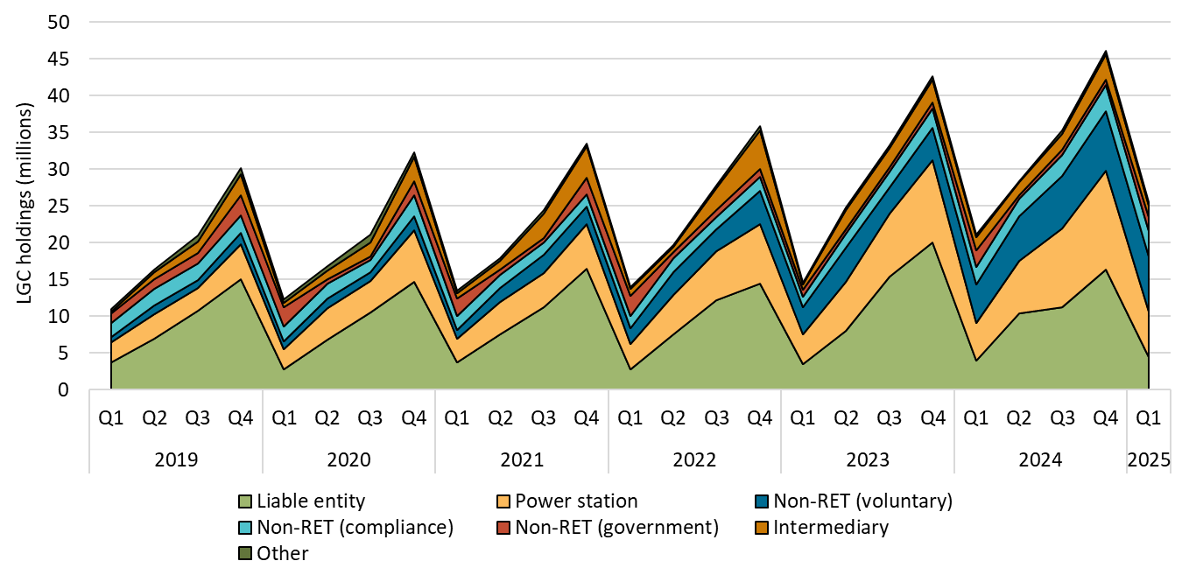

About Figure 2.7 This figure shows LGC holdings in Renewable Energy Certificate (REC) Registry accounts by market participation category over time.

The small print Holdings are for registered LGCs as at the end of the quarter and exclude any pending transactions. Accounts are categorised according to their primary role or function based on transaction patterns and the name of the account. An account's category is subject to change. Totals may not sum due to rounding.
Category definitions
Liable entity Account holder is a liable entity.
Power station Account holder has created LGCs.
Non-RET (voluntary) Account holder has surrendered LGCs voluntarily. This includes accounts labelled as 'GreenPower' in the REC registry.
Non-RET (compliance) Account holder has surrendered LGCs voluntarily for non-RET compliance reasons (for example, desalination plants) or the account holder is a safeguard entity or related to a safeguard entity.
Non-RET (government) Account holder has surrendered LGCs voluntarily and is a government entity.
Intermediary Account holder has transacted/received over 1 million LGCs and does not fit into any of the other categories.
Other Account holder does not fit into any of the other categories.

Figure 2.8
Back to contents
Figure 2.8 Non-Renewable Energy Target (non-RET) large-scale generation certificate (LGC) cancellations by demand source
Year | Quarter | Voluntary | Government | Compliance | Total | Annual total
2019 | Q1 | 555 | 12,746 | 6,411 | 19,712
2019 | Q2 | 2,499 | 965 | 0 | 3,464
2019 | Q3 | 538,368 | 0 | 89,471 | 627,839
2019 | Q4 | 82,582 | 0 | 2,370 | 84,952 | 735,967
2020 | Q1 | 66,010 | 85,164 | 117,690 | 268,864
2020 | Q2 | 120,762 | 56,755 | 0 | 177,517
2020 | Q3 | 747,087 | 2,263,408 | 411,931 | 3,422,426
2020 | Q4 | 156,448 | 149 | 0 | 156,597 | 4,025,404
2021 | Q1 | 212,154 | 75,858 | 70,461 | 358,473
2021 | Q2 | 223,154 | 2,290,402 | 6,069 | 2,519,625
2021 | Q3 | 936,185 | 19,013 | 431,873 | 1,387,071
2021 | Q4 | 302,240 | 0 | 1,204,072 | 1,506,312 | 5,771,481
2022 | Q1 | 615,330 | 560,273 | 40,627 | 1,216,230
2022 | Q2 | 349,062 | 1,875 | 5,421 | 356,358
2022 | Q3 | 1,430,709 | 2,752,096 | 470,599 | 4,653,404
2022 | Q4 | 1,107,155 | 57,418 | 20,220 | 1,184,793 | 7,410,785
2023 | Q1 | 1,314,848 | 597,410 | 173,090 | 2,085,348
2023 | Q2 | 902,960 | 2,206,103 | 35,671 | 3,144,734
2023 | Q3 | 2,409,212 | 245,293 | 79,215 | 2,733,720
2023 | Q4 | 641,745 | 59,289 | 53,054 | 754,088 | 8,717,890
2024 | Q1 | 1,684,129 | 404,460 | 195,633 | 2,284,222
2024 | Q2 | 1,282,258 | 2,219,409 | 31,082 | 3,532,749
2024 | Q3 | 1,192,640 | 191,838 | 187,387 | 1,571,865
2024 | Q4 | 2,858,296 | 140,658 | 56,988 | 3,055,942 | 10,444,778
2025 | Q1 | 1,998,289 | 516,174 | 181,693 | 2,696,156 | 2,696,156

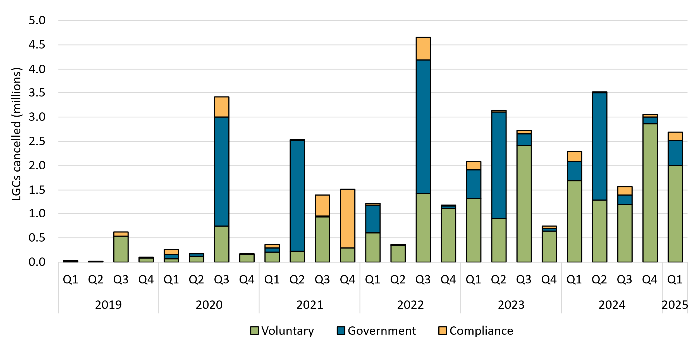

About Figure 2.8 This figure shows non-RET LGC cancellations by demand source over time.

The small print
This classification system is uniform across Australian carbon credit unit (ACCU) and LGC cancellations.

Covered activities for each classification
Voluntary demand Cancellations made against voluntary certification programs such as Climate Active and any sort of organisational emissions or energy targets.
Government demand Cancellations by or on behalf of government entities. For example to offset emissions from vehicle fleets or meet voluntary emissions reduction targets.
Compliance demand Cancellations made by private organisations and corporations for compliance or obligations against municipal, local, state and territory government laws, approvals, or contracts. For example to meet Environmental Protection Authority requirements.

Figure 3.1
Back to contents
Figure 3.1 Weekly small-scale technology certificate (STC) supply and the required supply to meet the small-scale technology percentage (STP)
Month | Week | STC supply
Jan | 1 | 241,954
Jan | 2 | 399,030
Jan | 3 | 447,060
Jan | 4 | 564,148
Feb | 5 | 571,421
Feb | 6 | 607,399
Feb | 7 | 512,476
Feb | 8 | 640,745
Mar | 9 | 632,134
Mar | 10 | 512,531
Mar | 11 | 431,133
Mar | 12 | 504,450
Mar | 13 | 563,114
Mar | 14 | 68,911

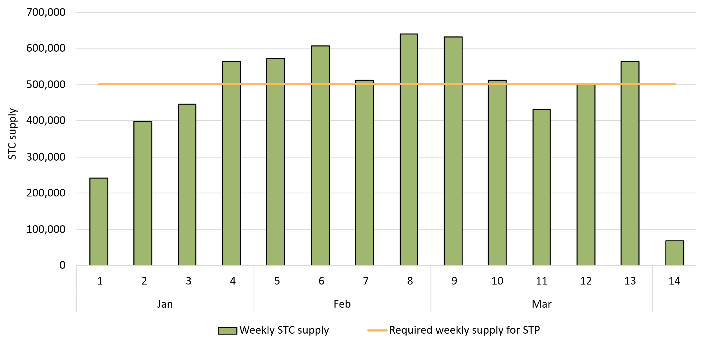

About Figure 3.1 This figure shows the weekly supply of STCs in 2025. It also shows the required weekly supply of STCs (501,923) to meet the 2025 STP.

The small print Required STC supply refers to the estimated number of STCs to be created (26.1 million) to meet the annual STP liability and under/over supply from previous years. Where weeks are spread across multiple months, the month label refers to the month as at the last date of the relevavnt quarter. The final week may be significantly lower than prior weeks if the quarter ends during the week. For example, Q1 2025 ended on Monday 31 March so the final ‘week’ of March contains only one day.

Figure 3.2
Back to contents
Figure 3.2 Small-scale technology certificate (STC) reported spot and clearing house prices

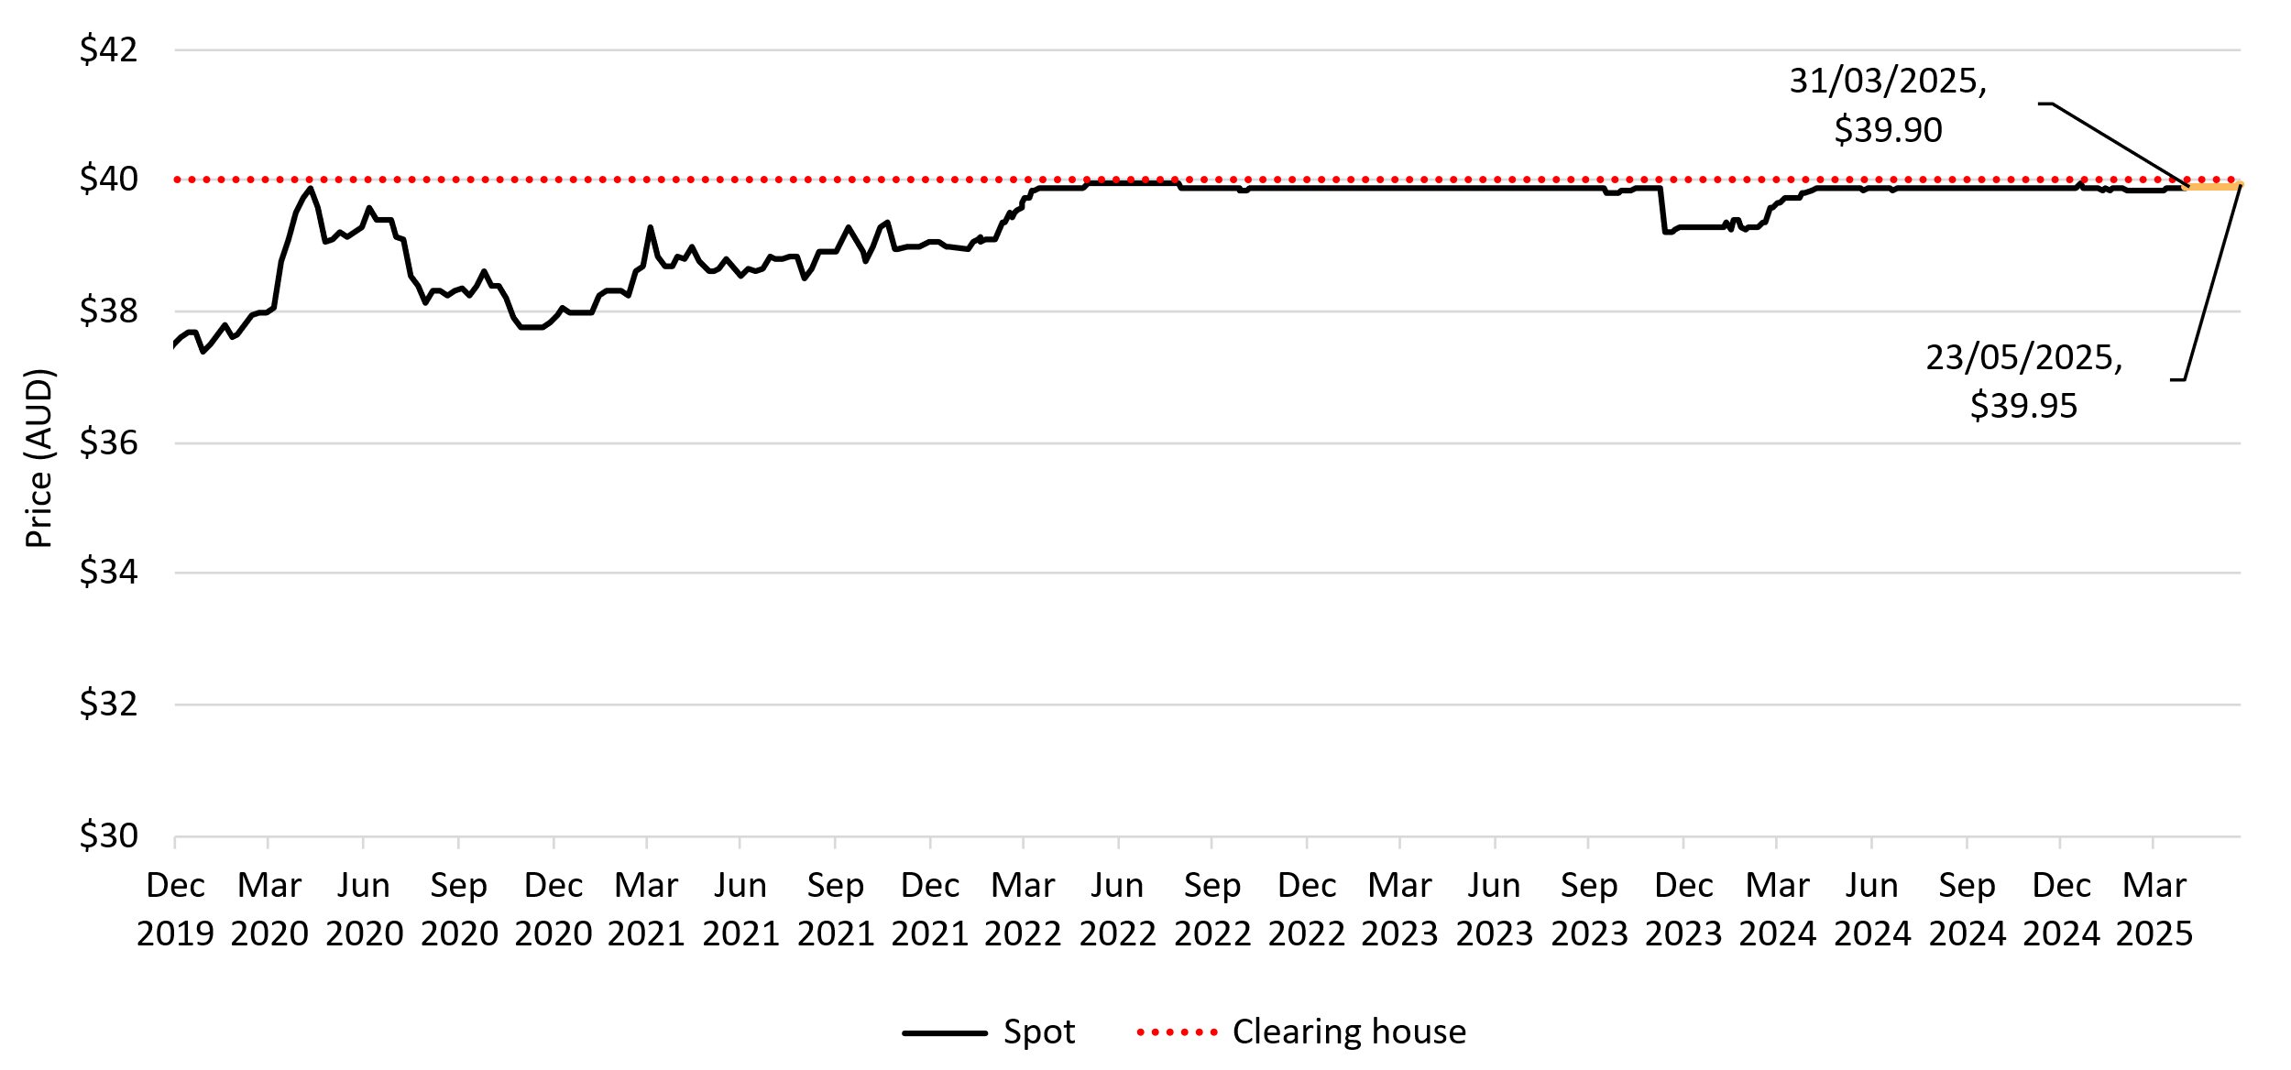

About Figure 3.2 This figure shows the daily closing STC spot price over time. It also shows the STC clearing house price.

The small print Pricing data is complied from trades reported by CORE markets and may not be comprehensive. Prices are shown from 1 December 2019 to 23 May 2025.
More information on buying and selling STCs, including through the clearing house is available on the Clean Energy Regulator's website

Figure 3.3
Back to contents
Figure 3.3 Small-scale rooftop solar installations and installed capacity in megawatts (MW)
Year | Quarter | Installations | Installed capacity | Annual total capacity (MW) | Annual total installations
2019 | Q1 | 64,844 | 456
2019 | Q2 | 62,899 | 479
2019 | Q3 | 69,049 | 529
2019 | Q4 | 87,239 | 702 | 2,165 | 284,031
2020 | Q1 | 83,020 | 619
2020 | Q2 | 84,744 | 678
2020 | Q3 | 93,684 | 748
2020 | Q4 | 108,872 | 920 | 2,965 | 370,320
2021 | Q1 | 98,957 | 782
2021 | Q2 | 95,213 | 794
2021 | Q3 | 89,203 | 752
2021 | Q4 | 94,085 | 864 | 3,193 | 377,458
2022 | Q1 | 68,569 | 565
2022 | Q2 | 71,547 | 625
2022 | Q3 | 84,360 | 733
2022 | Q4 | 91,241 | 870 | 2,794 | 315,717
2023 | Q1 | 76,113 | 660
2023 | Q2 | 77,215 | 720
2023 | Q3 | 87,387 | 823
2023 | Q4 | 93,152 | 942 | 3,145 | 333,867
2024 | Q1 | 75,593 | 703
2024 | Q2 | 82,080 | 790
2024 | Q3 | 80,442 | 807
2024 | Q4 | 83,814 | 906 | 3,206 | 321,928
2025 | Q1 | 67,966 | 672 | 672 | 67,966
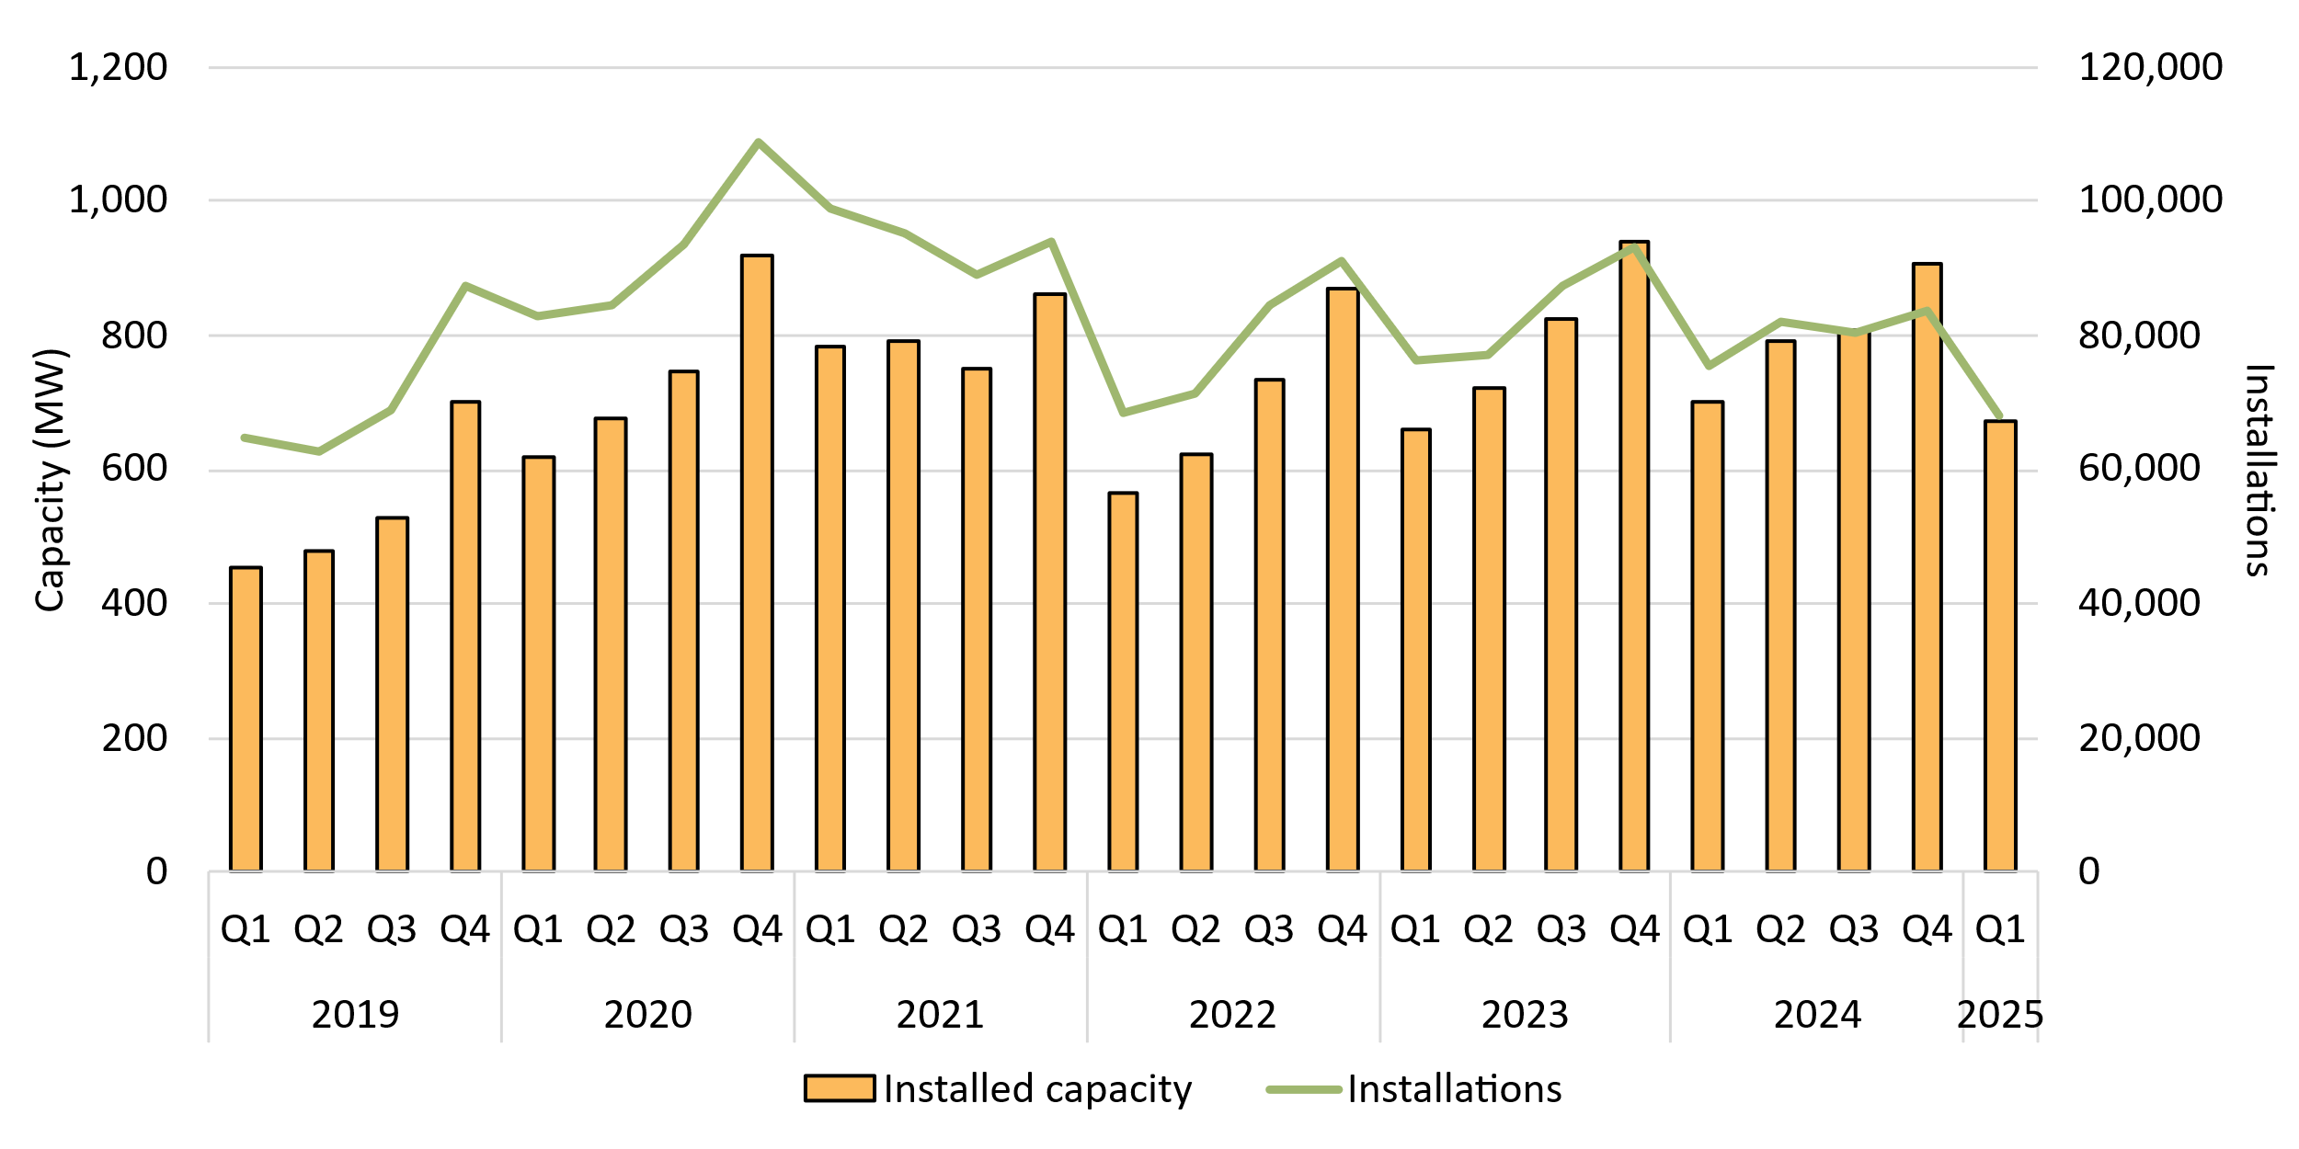

About Figure 3.3 This figure shows the installed capacity and the number of small-scale rooftop solar installations over time.

The small print Small-scale rooftop solar systems must have a capacity of less than 100 kilowatts (kW). A 12 month creation period for registered persons to create small-scale technology certificates applies under the Renewable Energy (Electricity) Regulations (2001). Data for installations and installed capacity in 2024 and quarter 1 of 2025 have been lag-adjusted to account for the 12 month creation rule and are estimates only. Data is subject to change and totals may not sum due to rounding.

Figure 3.4
Back to contents
Figure 3.4 Small-scale rooftop solar capacity installed by system size band and average small-scale system size in kilowatts (kW)
Year | Quarter | 0-5 kW | 5-10 kW | 10-15 kW | 15-40 kW | 40-100 kW | Average system size
2019 | Q1 | 10% | 65% | 9% | 8% | 7% | 7.0
2019 | Q2 | 9% | 59% | 11% | 11% | 10% | 7.6
2019 | Q3 | 8% | 61% | 11% | 11% | 9% | 7.7
2019 | Q4 | 6% | 60% | 12% | 11% | 11% | 8.0
2020 | Q1 | 7% | 67% | 12% | 8% | 7% | 7.5
2020 | Q2 | 6% | 61% | 13% | 10% | 10% | 8.0
2020 | Q3 | 5% | 63% | 15% | 10% | 7% | 8.0
2020 | Q4 | 4% | 60% | 17% | 11% | 9% | 8.4
2021 | Q1 | 4% | 65% | 18% | 8% | 4% | 7.9
2021 | Q2 | 5% | 58% | 19% | 11% | 7% | 8.3
2021 | Q3 | 4% | 57% | 22% | 11% | 6% | 8.4
2021 | Q4 | 3% | 50% | 24% | 12% | 10% | 9.2
2022 | Q1 | 4% | 58% | 25% | 9% | 4% | 8.2
2022 | Q2 | 4% | 52% | 26% | 11% | 7% | 8.7
2022 | Q3 | 4% | 53% | 27% | 10% | 6% | 8.7
2022 | Q4 | 3% | 47% | 27% | 13% | 10% | 9.5
2023 | Q1 | 4% | 53% | 29% | 10% | 4% | 8.7
2023 | Q2 | 4% | 46% | 30% | 13% | 8% | 9.3
2023 | Q3 | 3% | 45% | 33% | 12% | 7% | 9.4
2023 | Q4 | 3% | 39% | 35% | 14% | 9% | 10.1
2024 | Q1 | 3% | 43% | 39% | 11% | 4% | 9.3
2024 | Q2 | 3% | 39% | 39% | 14% | 6% | 9.6
2024 | Q3 | 3% | 37% | 39% | 15% | 6% | 10.0
2024 | Q4 | 2% | 33% | 39% | 17% | 8% | 10.8
2025 | Q1 | 3% | 38% | 43% | 14% | 2% | 9.9
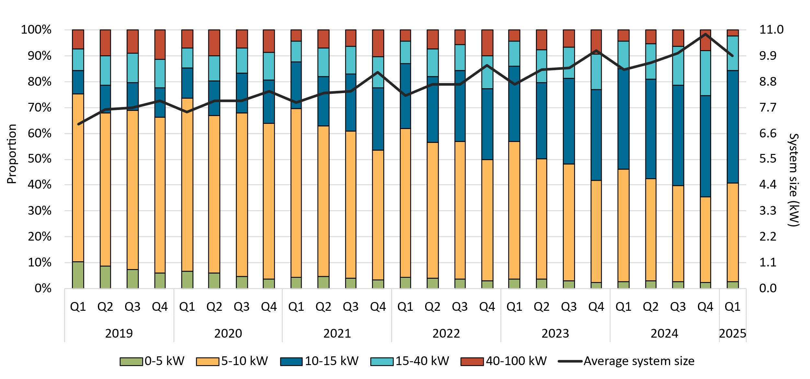

About Figure 3.4 This figure shows the proportion of rooftop solar systems installed under the Small-scale Renewable Energy Scheme (SRES) by capacity band and the average size of rooftop solar systems installed under the SRES over time.

The small print A 12 month creation period for registered persons to create small-scale technology certificates applies under the Renewable Energy (Electricity) Regulations (2001). Data as at 31 March 2025. Capacity band data has not been lag-adjusted. Average system size data has been lag-adjusted. Data is subject to change. Totals may not sum to 100% due to rounding. Bands have been altered in this release to better reflect the distribution of systems.

Figure 3.5
Back to contents
Figure 3.5 Air source heat pump installations by state and territory and associated small-scale technology certificate (STC) validations
Year | Quarter | Victoria | NSW | Queensland | WA | SA | ACT | Tasmania | NT | Annual total | STC validations
2019 | Q1 | 1,388 | 622 | 1,443 | 533 | 447 | 119 | 258 | <10 |  | 146,000
2019 | Q2 | 1,921 | 723 | 1,343 | 667 | 349 | 100 | 414 | <10 |  | 161,000
2019 | Q3 | 1,275 | 812 | 1,357 | 530 | 652 | 311 | 408 | <10 |  | 150,000
2019 | Q4 | 1,671 | 750 | 1,205 | 549 | 647 | 278 | 298 | <10 | 21,110 | 154,000
2020 | Q1 | 1,685 | 631 | 1,155 | 530 | 655 | 304 | 252 | <10 |  | 154,000
2020 | Q2 | 2,827 | 816 | 1,425 | 806 | 1,217 | 366 | 269 | <10 |  | 232,000
2020 | Q3 | 4,106 | 879 | 1,632 | 798 | 1,694 | 368 | 345 | 12 |  | 276,000
2020 | Q4 | 5,115 | 972 | 1,484 | 960 | 698 | 325 | 219 | 27 | 32,592 | 312,000
2021 | Q1 | 5,541 | 793 | 1,344 | 655 | 1,013 | 209 | 197 | <10 |  | 277,000
2021 | Q2 | 8,078 | 971 | 1,946 | 1,045 | 1,290 | 300 | 316 | <10 |  | 424,000
2021 | Q3 | 10,641 | 1,021 | 2,238 | 1,101 | 1,517 | 249 | 424 | 81 |  | 492,000
2021 | Q4 | 12,560 | 1,006 | 2,277 | 1,133 | 953 | 432 | 432 | 43 | 59,826 | 599,000
2022 | Q1 | 11,808 | 744 | 1,832 | 919 | 617 | 394 | 420 | 50 |  | 489,000
2022 | Q2 | 11,780 | 1,592 | 2,184 | 1,226 | 1,150 | 423 | 570 | 70 |  | 529,000
2022 | Q3 | 12,397 | 5,182 | 2,284 | 1,436 | 1,169 | 589 | 545 | 28 |  | 609,000
2022 | Q4 | 12,428 | 9,765 | 2,126 | 1,563 | 862 | 543 | 519 | <10 | 87,225 | 680,000
2023 | Q1 | 9,876 | 11,811 | 1,890 | 1,342 | 996 | 437 | 363 | <10 |  | 614,000
2023 | Q2 | 8,444 | 19,866 | 2,345 | 1,587 | 1,126 | 562 | 404 | 12 |  | 771,000
2023 | Q3 | 9,020 | 20,786 | 2,843 | 1,864 | 1,353 | 580 | 341 | <10 |  | 920,000
2023 | Q4 | 10,611 | 16,630 | 3,138 | 1,599 | 1,223 | 532 | 301 | <10 | 131,911 | 820,000
2024 | Q1 | 10,846 | 11,449 | 2,191 | 1,605 | 938 | 413 | 295 | 14 |  | 747,000
2024 | Q2 | 12,733 | 14,470 | 2,527 | 1,946 | 1,309 | 506 | 423 | 12 |  | 745,000
2024 | Q3 | 13,369 | 6,578 | 2,978 | 2,168 | 1,263 | 688 | 427 | 11 |  | 702,000
2024 | Q4 | 13,742 | 2,946 | 2,323 | 1,793 | 1,025 | 598 | 368 | 11 | 111,966 | 520,000
2025 | Q1 | 11,154 | 1,795 | 2,211 | 1,527 | 931 | 333 | 284 | 98 | 18,334 | 376,000
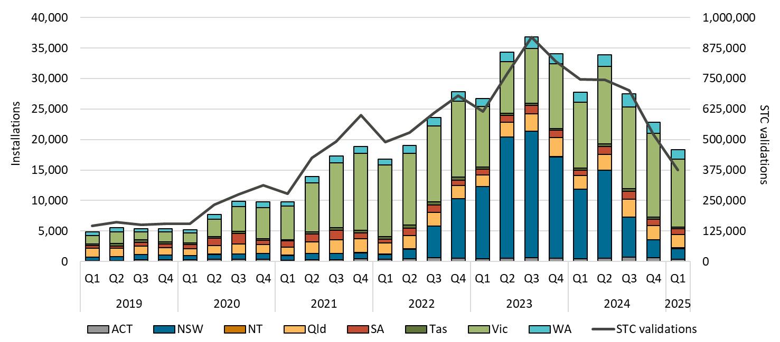

About Figure 3.5 This figure shows the number of air source heat pump installations under the Small-scale Renewable Energy Scheme (SRES) by state and territory over time. It also shows the number of STCs validated from these installations over time. Totals may not sum due to rounding applied to NT.

The small print Where cell values are less than 10 data have been modified due to privacy considerations. In the figure these values appear as 10. A 12 month creation period for registered persons to create small-scale technology certificates (STCs) applies under the Renewable Energy (Electricity) Regulations (2001). STC validation data has been rounded to the nearest thousand. Data as at 31 March 2025 and has been lag-adjusted. Data is subject to change.

Figure 3.6
Back to contents
Figure 3.6 Small-scale commercial system size distribution in kilowatts (kW), 2020 to 2024
System Size | Total number of installations 15-100 kW
15-20 kW | 40,094
20-25 kW | 10,019
25-30 kW | 8,490
30-35 kW | 5,291
35-40 kW | 10,339
40-45 kW | 636
45-50 kW | 534
50-55 kW | 823
55-60 kW | 578
60-65 kW | 761
65-70 kW | 742
70-75 kW | 453
75-80 kW | 534
80-85 kW | 327
85-90 kW | 312
90-95 kW | 330
95-100 kW | 7,118

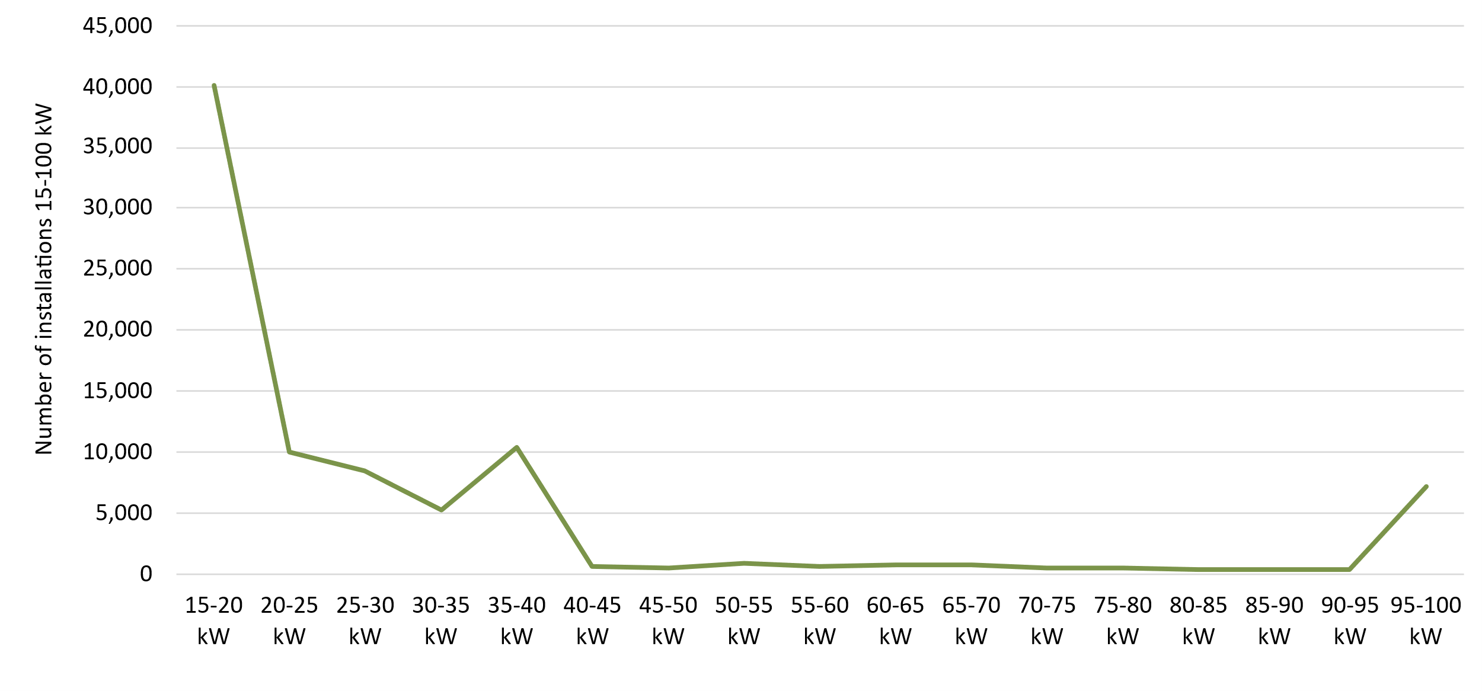

About Figure 3.6 This figure shows the distribution of small-scale rooftop installations by generation capacity bands for installations between 2020-2024.

The small print Small-scale rooftop solar systems must have a capacity of less than 100 kilowatts (kW). A 12 month creation period for registered persons to create small-scale technology certificates applies under the Renewable Energy (Electricity) Regulations (2001). This chart refers to systems 15kW and above as 'small commercial'. Data is subject to change.

Figure 3.7
Back to contents
Figure 3.7 Replacement small-scale rooftop solar as a proportion of total installations by state and territory
Year | Quarter | ACT | NSW | NT | Queensland | SA | Tasmania | Victoria | WA | Australia
2021 | Q1 | 3% | 8% | 6% | 17% | 7% | 5% | 5% | 12% | 10%
2021 | Q2 | 4% | 10% | 8% | 24% | 9% | 5% | 6% | 18% | 13%
2021 | Q3 | 3% | 11% | 7% | 24% | 12% | 6% | 6% | 20% | 14%
2021 | Q4 | 10% | 10% | 5% | 20% | 12% | 7% | 6% | 18% | 13%
2022 | Q1 | 3% | 10% | 5% | 20% | 12% | 8% | 7% | 15% | 13%
2022 | Q2 | 8% | 11% | 6% | 22% | 12% | 7% | 6% | 18% | 14%
2022 | Q3 | 4% | 11% | 5% | 22% | 13% | 4% | 7% | 18% | 13%
2022 | Q4 | 4% | 11% | 5% | 19% | 13% | 5% | 7% | 16% | 13%
2023 | Q1 | 4% | 11% | 7% | 19% | 14% | 5% | 6% | 16% | 13%
2023 | Q2 | 4% | 12% | 8% | 23% | 14% | 7% | 8% | 17% | 14%
2023 | Q3 | 4% | 13% | 7% | 23% | 16% | 8% | 8% | 18% | 15%
2023 | Q4 | 5% | 13% | 8% | 21% | 15% | 6% | 7% | 17% | 14%
2024 | Q1 | 7% | 13% | 13% | 23% | 16% | 8% | 9% | 19% | 15%
2024 | Q2 | 6% | 15% | 8% | 29% | 17% | 9% | 10% | 21% | 19%
2024 | Q3 | 6% | 16% | 12% | 29% | 19% | 6% | 12% | 21% | 19%
2024 | Q4 | 7% | 15% | 9% | 25% | 21% | 7% | 17% | 20% | 19%
2025 | Q1 | 7% | 16% | 8% | 27% | 20% | 8% | 16% | 20% | 20%

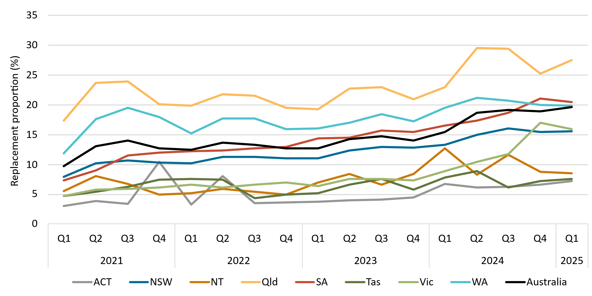

About Figure 3.7 This figure shows small-scale rooftop solar replacements as a proportion of total installations by state and territory over time.

The small print Replacements represent small-scale rooftop solar systems categorised in the Renewable Energy Certificate (REC) Registry as replacements. The installation type data field was added to the REC Registry in late 2020, and was made mandatory from 28 January 2021. Data as of 31 March 2025 and has not been lag-adjusted. Data is subject to change due to the 12 month creation rule.

Figure 3.8
Back to Contents
Figure 3.8 Small-scale rooftop solar installed capacity in megawatts (MW) by state and territory
Year | Quarter | NSW | Queensland | Victoria | WA | SA | ACT | Tasmania | NT | Annual total
2019 | Q1 | 112.1 | 110.3 | 121.3 | 53.2 | 43.7 | 5.7 | 3.8 | 5.5
2019 | Q2 | 130.8 | 130.7 | 96.0 | 53.3 | 51.0 | 5.9 | 4.5 | 7.2
2019 | Q3 | 148.7 | 145.5 | 94.3 | 60.8 | 59.5 | 7.2 | 5.3 | 7.4
2019 | Q4 | 198.7 | 178.5 | 149.1 | 79.3 | 69.0 | 11.5 | 7.0 | 8.6 | 2,165.1
2020 | Q1 | 169.6 | 158.5 | 132.2 | 72.7 | 63.9 | 8.2 | 6.9 | 7.1
2020 | Q2 | 200.0 | 177.1 | 134.1 | 73.9 | 68.7 | 9.8 | 6.1 | 7.9
2020 | Q3 | 240.6 | 194.2 | 114.5 | 86.0 | 88.0 | 13.1 | 5.7 | 6.3
2020 | Q4 | 285.7 | 223.7 | 193.4 | 103.4 | 83.2 | 15.7 | 8.1 | 6.5 | 2,964.7
2021 | Q1 | 246.6 | 193.8 | 162.7 | 86.7 | 68.6 | 12.4 | 6.8 | 4.2
2021 | Q2 | 248.4 | 201.0 | 166.3 | 87.3 | 66.2 | 12.8 | 8.3 | 3.9
2021 | Q3 | 199.0 | 208.3 | 164.5 | 83.1 | 72.1 | 12.4 | 8.6 | 4.4
2021 | Q4 | 258.0 | 208.2 | 182.0 | 96.3 | 83.1 | 20.5 | 9.8 | 6.2 | 3,192.5
2022 | Q1 | 159.6 | 145.5 | 109.0 | 70.5 | 53.0 | 17.5 | 6.7 | 3.7
2022 | Q2 | 191.2 | 166.4 | 114.8 | 64.7 | 56.4 | 18.9 | 7.5 | 4.7
2022 | Q3 | 226.9 | 186.9 | 148.6 | 67.2 | 66.9 | 21.9 | 9.3 | 5.1
2022 | Q4 | 274.1 | 216.7 | 170.0 | 84.4 | 81.5 | 27.4 | 11.0 | 5.5 | 2,793.5
2023 | Q1 | 200.4 | 170.4 | 132.2 | 65.2 | 57.0 | 21.2 | 10.5 | 2.9
2023 | Q2 | 236.2 | 185.8 | 140.9 | 62.7 | 58.2 | 21.4 | 11.0 | 3.9
2023 | Q3 | 279.9 | 206.1 | 162.4 | 64.5 | 69.4 | 23.9 | 12.8 | 4.3
2023 | Q4 | 323.4 | 230.5 | 188.9 | 81.2 | 78.6 | 19.4 | 14.9 | 4.9 | 3,144.8
2024 | Q1 | 248.1 | 176.5 | 136.8 | 63.2 | 53.2 | 11.2 | 11.5 | 2.7
2024 | Q2 | 257.5 | 220.1 | 151.7 | 69.8 | 63.2 | 11.7 | 11.5 | 3.9
2024 | Q3 | 251.8 | 219.8 | 166.1 | 70.0 | 69.3 | 13.3 | 12.0 | 4.2
2024 | Q4 | 277.6 | 235.4 | 190.9 | 86.4 | 77.9 | 15.5 | 14.9 | 4.9 | 3,202.5
2025 | Q1 | 187.7 | 179.5 | 138.9 | 68.4 | 64.0 | 9.8 | 13.3 | 3.1 | 664.6

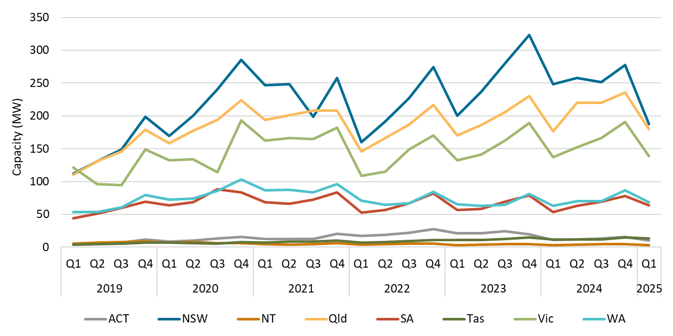

About Figure 3.8 This figure shows the rooftop solar capacity installed under the Small-scale Renewable Energy Scheme (SRES) by state and territory over time.

The small print A 12 month creation period for registered persons to create small-scale technology certificates applies under the Renewable Energy (Electricity) Regulations (2001). Data for installations in 2024 to 2025 have been lag-adjusted to account for the 12 month creation rule and are estimates only. There may be small differences between the sum of lag-adjusted state and territory estimates and the national lag-adjusted estimate. Data is also subject to change and totals may not sum due to rounding.

Figure 3.9
Back to contents
Figure 3.9 Small-scale technology certificate (STC) market transactions
Year | Quarter | STCs transacted | Transactions | Annual total STCs transacted
2019 | Q1 | 20,829,766 | 2,932
2019 | Q2 | 26,527,099 | 3,174
2019 | Q3 | 26,831,019 | 3,388
2019 | Q4 | 24,839,518 | 3,205 | 99,027,402
2020 | Q1 | 23,753,361 | 3,047
2020 | Q2 | 26,652,227 | 2,836
2020 | Q3 | 31,377,137 | 3,363
2020 | Q4 | 31,661,107 | 3,500 | 113,443,832
2021 | Q1 | 33,571,793 | 3,783
2021 | Q2 | 36,601,316 | 3,528
2021 | Q3 | 29,200,058 | 3,274
2021 | Q4 | 28,625,808 | 3,289 | 127,998,975
2022 | Q1 | 24,022,727 | 3,407
2022 | Q2 | 20,009,412 | 2,682
2022 | Q3 | 16,744,778 | 2,579
2022 | Q4 | 17,559,181 | 2,519 | 78,336,098
2023 | Q1 | 13,329,848 | 2,286
2023 | Q2 | 14,015,490 | 2,129
2023 | Q3 | 15,091,006 | 2,578
2023 | Q4 | 17,317,737 | 2,797 | 59,754,081
2024 | Q1 | 18,914,230 | 2,860
2024 | Q2 | 15,116,847 | 2,390
2024 | Q3 | 12,605,172 | 2,099
2024 | Q4 | 10,646,170 | 1,817 | 57,282,419
2025 | Q1 | 9,108,076 | 1,738 | 9,108,076
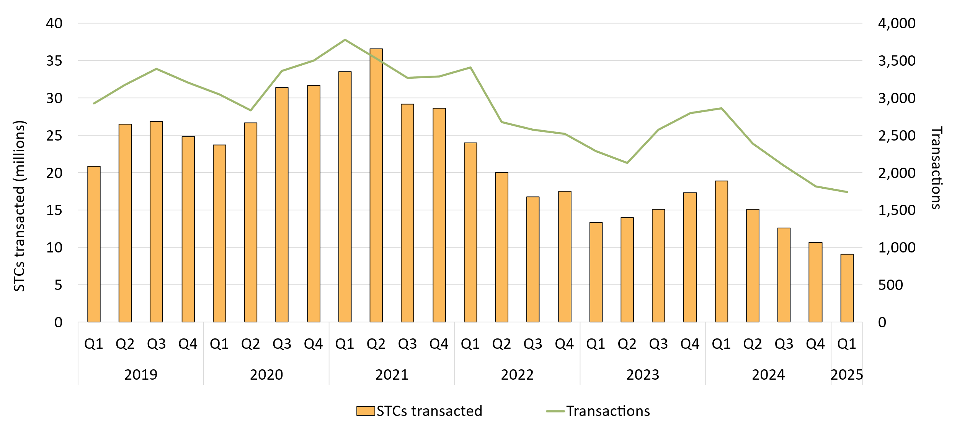

About Figure 3.9 This figure shows the volume of STCs transacted and the number of transactions, excluding STC clearing house transactions, over time.

Figure 3.10
Back to contents
Figure 3.10 Small-scale technology certificate (STC) supply
Year | Quarter | STC Supply | Annual total
2019 | Q1 | 8,651,927
2019 | Q2 | 8,401,570
2019 | Q3 | 8,837,916
2019 | Q4 | 9,907,561 | 35,798,974
2020 | Q1 | 10,351,465
2020 | Q2 | 11,170,680
2020 | Q3 | 12,056,954
2020 | Q4 | 12,408,853 | 45,987,952
2021 | Q1 | 12,864,839
2021 | Q2 | 11,713,534
2021 | Q3 | 11,310,762
2021 | Q4 | 11,142,335 | 47,031,470
2022 | Q1 | 9,234,046
2022 | Q2 | 8,169,461
2022 | Q3 | 9,712,277
2022 | Q4 | 10,918,995 | 38,034,779
2023 | Q1 | 9,192,933
2023 | Q2 | 8,554,509
2023 | Q3 | 9,627,243
2023 | Q4 | 9,888,796 | 37,263,481
2024 | Q1 | 8,438,766
2024 | Q2 | 8,417,978
2024 | Q3 | 8,642,989
2024 | Q4 | 8,596,307 | 34,096,040
2025 | Q1 | 6,696,506 | 6,696,506

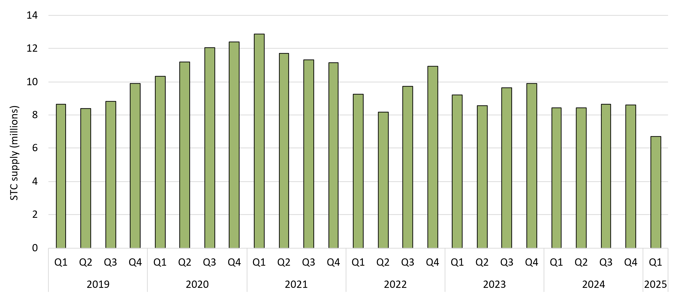

About Figure 3.10 This figure shows STC supply over time.

