Figure 1.1
Back to contents
Figure 1.1 Australian carbon credit units (ACCUs) issued by method type
Data as at 30/06/2025
Year | Quarter | Vegetation | Waste | Savanna fire management | Energy efficiency | Industrial fugitives | Agriculture | Transport | Facilities | Total | Annual total
2020 | Q1 | 2,409,504 | 936,022 | 185,221 | 15,929 | 0 | 47,789 | 0 | 0 | 3,594,465 | 16,052,805
2020 | Q2 | 2,662,324 | 606,166 | 982,557 | 186,830 | 302,761 | 33,141 | 12,453 | 0 | 4,786,232 | -
2020 | Q3 | 1,597,098 | 688,192 | 119,158 | 10,787 | 0 | 56,073 | 12,261 | 0 | 2,483,569 | -
2020 | Q4 | 3,010,930 | 1,816,561 | 17,163 | 241,694 | 0 | 102,191 | 0 | 0 | 5,188,539 | -
2021 | Q1 | 1,840,204 | 852,778 | 50,477 | 198,504 | 0 | 165,365 | 0 | 0 | 3,107,328 | 17,040,782
2021 | Q2 | 2,670,300 | 1,568,119 | 970,180 | 74,083 | 274,463 | 110,189 | 19,505 | 0 | 5,686,839 | -
2021 | Q3 | 2,261,226 | 1,907,849 | 599,099 | 16,295 | 0 | 27,980 | 2,324 | 0 | 4,814,773 | -
2021 | Q4 | 2,571,002 | 625,412 | 20,958 | 122,888 | 0 | 91,582 | 0 | 0 | 3,431,842 | -
2022 | Q1 | 2,099,793 | 880,188 | 17,753 | 180,107 | 0 | 160,812 | 0 | 0 | 3,338,653 | 17,738,059
2022 | Q2 | 2,631,819 | 676,403 | 1,130,902 | 178,081 | 240,758 | 30,401 | 34,895 | 0 | 4,923,259 | -
2022 | Q3 | 2,129,636 | 3,316,622 | 123,304 | 35,791 | 0 | 73,592 | 0 | 0 | 5,678,945 | -
2022 | Q4 | 2,949,405 | 646,281 | 44,335 | 136,533 | 0 | 10,134 | 10,514 | 0 | 3,797,202 | -
2023 | Q1 | 1,029,657 | 394,145 | 104,511 | 13,695 | 0 | 290,414 | 0 | 0 | 1,832,422 | 17,221,108
2023 | Q2 | 1,994,187 | 1,408,753 | 412,693 | 324,783 | 75,246 | 161,796 | 0 | 0 | 4,377,458 | -
2023 | Q3 | 3,336,827 | 1,948,240 | 847,373 | 97,945 | 580,200 | 152,197 | 35,230 | 0 | 6,998,012 | -
2023 | Q4 | 2,544,815 | 1,018,877 | 389,497 | 35,305 | 0 | 24,722 | 0 | 0 | 4,013,216 | -
2024 | Q1 | 2,001,363 | 1,528,900 | 146,698 | 20,320 | 68,162 | 27,174 | 0 | 0 | 3,792,617 | 18,784,758
2024 | Q2 | 1,761,956 | 1,512,917 | 425,885 | 141,288 | 0 | 25,828 | 0 | 0 | 3,867,874 | -
2024 | Q3 | 2,323,958 | 1,018,192 | 932,530 | 0 | 447,907 | 123,736 | 0 | 104,424 | 4,950,747 | -
2024 | Q4 | 3,230,424 | 1,980,767 | 62,316 | 138,795 | 193,328 | 76,137 | 0 | 491,753 | 6,173,520 | -
2025 | Q1 | 2,405,598 | 415,174 | 58,403 | 0 | 0 | 145,619 | 18,975 | 0 | 3,043,769 | 9,496,982
2025 | Q2 | 3,268,879 | 2,630,726 | 500,226 | 30,180 | 0 | 23,202 | 0 | 0 | 6,453,213 | -

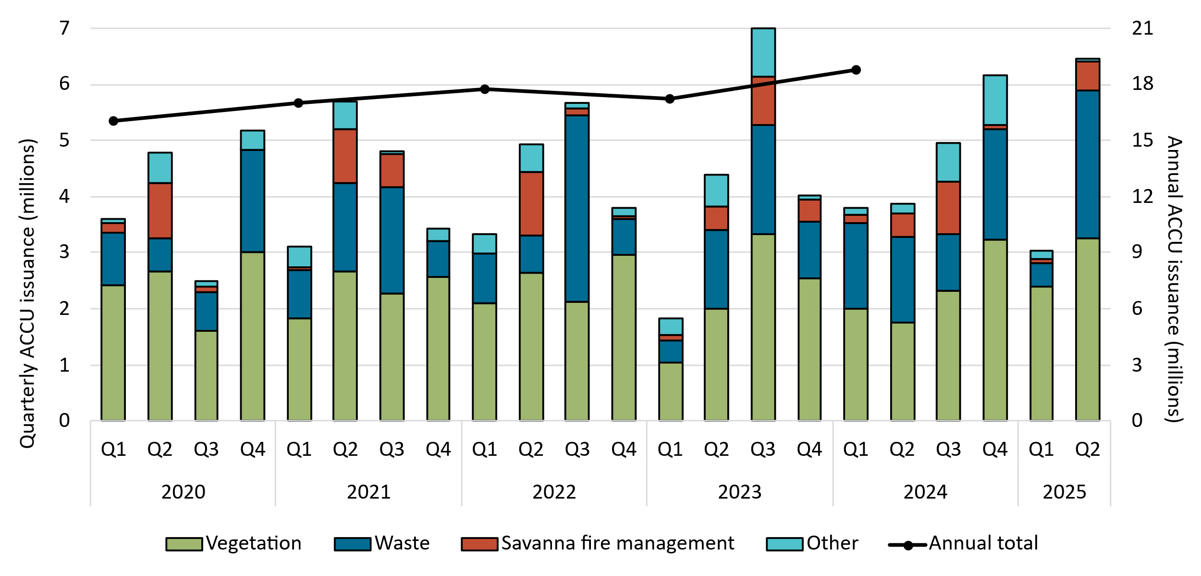

About Figure 1.1
This figure shows ACCUs issued by method type and annually over time.

The small print
ACCU issuance follows a seasonal pattern for certain method types, including industrial fugitive and savanna fire management. Other includes energy efficiency, industrial fugitives, agriculture, transport and facilities method types.

Figure 1.2
Back to contents
Figure 1.2 Estimated Australian carbon credit unit (ACCU) issuances (in millions) in 2025
Data as at 30/06/2025
Category | Q1-Q2 2025 issuances | Estimated 2025 issuances | On hand
ACCUs on hand (30 June 2025) | - | - | 7.4
ACCUs from projects that have previously reported | 8.3 | 14-15 | -
ACCUs from projects reporting for the first time | 1.2 | 1.5-5.5 | -
Total | 9.5 | 19-24 | 7.4
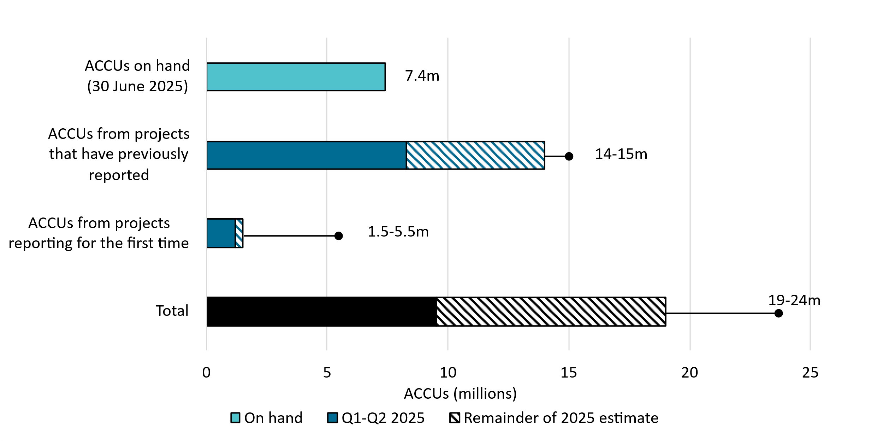

About Figure 1.2
This figure shows ACCUs issued in Q1-Q2 2025 and the remainder of the 2025 estimate by category and total. This figure also shows ACCUs on hand from claims being assessed as at 30 June 2025.
The small print
Totals may not sum due to rounding. Category details:
ACCUs on hand (30 June 2025) These ACCUs may be issued in 2025 depending on assessment outcomes.
ACCUs from projects that have previously reported This is an estimate based on factors such as the typical timing and volume of ACCUs per claim .
ACCUs from projects reporting for the first time This is an estimate based on factors such as the typical timing and volume of first issuances. This category is the main driver of uncertainty for the 2025 estimate.

Figure 1.3
Back to contents
Figure 1.3 Registered Australian Carbon Credit Unit (ACCU) Scheme projects by method type
Data as at 30/06/2025
Year | Quarter | Vegetation | Agriculture - soil carbon | Waste | Energy efficiency | Agriculture - other | Savanna fire management | Transport | Industrial fugitives | Facilities | Carbon capture | Total | Annual total
2020 | Q1 | 9 | 4 | 2 | 1 | 0 | 0 | 0 | 0 | 0 | 0 | 16 | 137
2020 | Q2 | 9 | 5 | 4 | 2 | 0 | 1 | 0 | 0 | 0 | 0 | 21 | -
2020 | Q3 | 30 | 10 | 0 | 0 | 0 | 0 | 0 | 0 | 0 | 0 | 40 | -
2020 | Q4 | 16 | 39 | 1 | 2 | 0 | 2 | 0 | 0 | 0 | 0 | 60 | -
2021 | Q1 | 15 | 21 | 0 | 0 | 2 | 0 | 0 | 0 | 1 | 0 | 39 | 185
2021 | Q2 | 12 | 19 | 5 | 4 | 0 | 0 | 1 | 0 | 0 | 0 | 41 | -
2021 | Q3 | 18 | 29 | 2 | 3 | 0 | 1 | 0 | 0 | 0 | 0 | 53 | -
2021 | Q4 | 10 | 31 | 2 | 2 | 1 | 1 | 0 | 4 | 0 | 1 | 52 | -
2022 | Q1 | 41 | 62 | 3 | 5 | 5 | 0 | 1 | 1 | 0 | 0 | 118 | 376
2022 | Q2 | 28 | 66 | 9 | 1 | 3 | 0 | 0 | 0 | 0 | 0 | 107 | -
2022 | Q3 | 18 | 36 | 6 | 4 | 2 | 0 | 3 | 0 | 0 | 0 | 69 | -
2022 | Q4 | 24 | 47 | 6 | 1 | 3 | 1 | 0 | 0 | 0 | 0 | 82 | -
2023 | Q1 | 41 | 25 | 2 | 3 | 0 | 0 | 0 | 0 | 0 | 0 | 71 | 355
2023 | Q2 | 54 | 19 | 6 | 2 | 0 | 1 | 0 | 1 | 0 | 0 | 83 | -
2023 | Q3 | 104 | 17 | 6 | 0 | 4 | 0 | 1 | 0 | 0 | 0 | 132 | -
2023 | Q4 | 27 | 32 | 3 | 1 | 0 | 2 | 2 | 2 | 0 | 0 | 69 | -
2024 | Q1 | 47 | 39 | 6 | 0 | 0 | 0 | 0 | 1 | 0 | 0 | 93 | 423
2024 | Q2 | 26 | 27 | 5 | 0 | 0 | 0 | 1 | 0 | 0 | 0 | 59 | -
2024 | Q3 | 77 | 93 | 10 | 0 | 1 | 0 | 0 | 0 | 0 | 0 | 181 | -
2024 | Q4 | 20 | 55 | 5 | 0 | 2 | 6 | 0 | 2 | 0 | 0 | 90 | -
2025 | Q1 | 22 | 41 | 15 | 0 | 1 | 0 | 2 | 9 | 0 | 0 | 90 | 189
2025 | Q2 | 36 | 57 | 4 | 2 | 0 | 0 | 0 | 0 | 0 | 0 | 99 | -

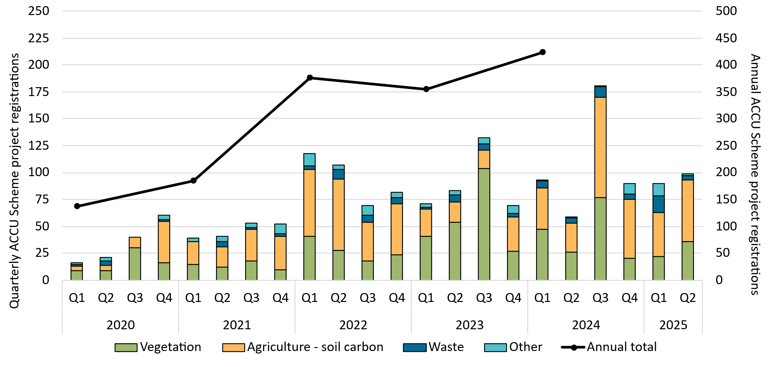

About Figure 1.3
This figure shows registered projects under the ACCU Scheme by method type and annually over time.

The small print
The 'agriculture' method type has been segregated into 'agriculture - soil carbon' and 'agriculture - other' to highlight growth in the soil carbon sector. The 'agriculture - soil carbon' method includes the ‘measurement of soil carbon sequestration in agricultural systems' method, the ‘sequestering carbon in soils in grazing systems’ method and the 'estimation of soil carbon sequestration using measurement and models' method. Other includes energy efficiency, agriculture - other, savanna fire management, transport, industrial fugitives, facilities and carbon capture method types. Revoked projects are excluded.
For more detail on registered projects, refer to the project register on our website (www.cer.gov.au).

Figure 1.4
Back to contents
Figure 1.4 Australian carbon credit unit (ACCU) holdings (in millions) by market participation
Data as at 30/06/2025
Year | Quarter | Project proponent | Intermediary | Safeguard | Safeguard-related | Government | Business | Total holdings | Cost containment measure
2020 | Q1 | 2.7 | 0.5 | 2.5 | 0.0 | 0.5 | 0.0 | 6.3 | -
2020 | Q2 | 3.5 | 0.5 | 2.9 | 0.0 | 0.5 | 0.0 | 7.5 | -
2020 | Q3 | 2.3 | 0.7 | 2.9 | 0.0 | 0.5 | 0.0 | 6.4 | -
2020 | Q4 | 3.5 | 0.6 | 3.2 | 0.1 | 0.5 | 0.0 | 7.9 | -
2021 | Q1 | 3.3 | 0.6 | 3.4 | 0.0 | 0.5 | 0.0 | 7.8 | -
2021 | Q2 | 4.5 | 0.8 | 3.6 | 0.2 | 0.6 | 0.0 | 9.7 | -
2021 | Q3 | 4.5 | 1.5 | 4.1 | 0.1 | 0.6 | 0.0 | 10.9 | -
2021 | Q4 | 4.3 | 2.2 | 4.2 | 0.1 | 0.6 | 0.0 | 11.5 | -
2022 | Q1 | 4.9 | 2.2 | 5.0 | 0.0 | 0.7 | 0.0 | 12.9 | -
2022 | Q2 | 6.3 | 2.7 | 6.2 | 0.0 | 0.8 | 0.1 | 16.1 | -
2022 | Q3 | 7.1 | 4.2 | 7.0 | 0.3 | 0.8 | 0.2 | 19.7 | -
2022 | Q4 | 7.6 | 5.4 | 8.3 | 0.2 | 0.9 | 0.2 | 22.7 | -
2023 | Q1 | 6.8 | 6.1 | 9.6 | 0.2 | 0.9 | 0.2 | 23.8 | 0.2
2023 | Q2 | 7.6 | 7.0 | 11.6 | 0.2 | 1.0 | 0.3 | 27.6 | 0.4
2023 | Q3 | 8.7 | 6.8 | 15.0 | 1.6 | 1.1 | 0.3 | 33.5 | 1.2
2023 | Q4 | 8.8 | 7.5 | 17.5 | 0.8 | 1.3 | 0.3 | 36.2 | 1.7
2024 | Q1 | 9.3 | 7.9 | 18.8 | 0.8 | 1.4 | 0.3 | 38.6 | 1.9
2024 | Q2 | 9.0 | 8.0 | 21.7 | 1.0 | 1.4 | 0.3 | 41.3 | 2.6
2024 | Q3 | 8.1 | 7.5 | 25.9 | 1.5 | 1.6 | 0.4 | 45.0 | 3.6
2024 | Q4 | 8.5 | 10.0 | 28.5 | 0.8 | 1.7 | 0.4 | 49.9 | 3.9
2025 | Q1 | 8.4 | 8.1 | 26.1 | 1.3 | 1.8 | 0.4 | 46.0 | 4.2
2025 | Q2 | 9.2 | 10.2 | 29.2 | 0.6 | 1.8 | 0.6 | 51.7 | 4.3
Number of accounts with >0 ACCUs at the end of Q2 2025 |  | 217 | 64 | 87 | 13 | 40 | 43 | - | -

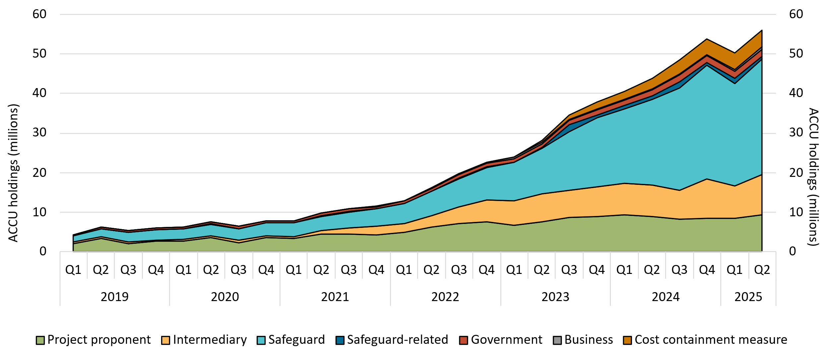

About Figure 1.4
This figure shows ACCU holdings in Australian National Registry of Emissions Units (ANREU) accounts by market participation and the cost containment measure over time.

The small print
Totals may not sum due to rounding. ACCU holdings data include all ANREU accounts. Historical values may change retrospectively due to changes in the classification of ANREU accounts as new information becomes available.

Definitions
Project proponent An account holder is connected to one or more ACCU Scheme projects. The connection to projects has been determined based on the available project information. Entities may have linkages to projects that have not been disclosed to the Clean Energy Regulator.
Safeguard Account holders are safeguard entities that control a single account, or in cases where safeguard entities control multiple accounts, only those that have surrendered ACCUs for safeguard compliance purposes or specified a facility are included. Some safeguard accounts also engage in trading activity, which may result in holding fluctuations over time.
Safeguard-related Account holders are companies, such as subsidiaries, that are related to registered safeguard entities. These accounts do not specify a facility and have not surrendered ACCUs for safeguard compliance purposes. These ACCU holdings may be used for future safeguard compliance purposes.
Intermediary An account holder’s primary operation is to facilitate the trading of ACCUs between the supply and demand sides of the market. This includes accounts that have accumulated ACCUs through the secondary market without known compliance obligations, offset use, or carbon trading/offset services.
Government Account holders are government entities that are accumulating for voluntary or compliance purposes.
Business Account holders do not have a direct link to ACCU Scheme projects and include participants that are accumulating for voluntary purposes.
Cost containment measure ACCUs that have been delivered under Commonwealth carbon abatement contract milestones after 12 January 2023. These ACCUs are available to eligible safeguard entities under the cost containment mechanism.

Figure 1.5
Back to contents
Figure 1.5 Safeguard Mechanism credit unit (SMC) holdings (in millions) by market participation
Data as at 30/06/2025
Year | Quarter | Safeguard | Intermediary | Safeguard-related | Total holdings
2025 | Q1 | 6.5 | 0.2 | 0.1 | 6.9
2025 | Q2 | 6.6 | 0.2 | 0.1 | 6.9
Number of accounts with >0 SMCs at the end of Q2 2025 |  | 57 | 3 | 2 | -
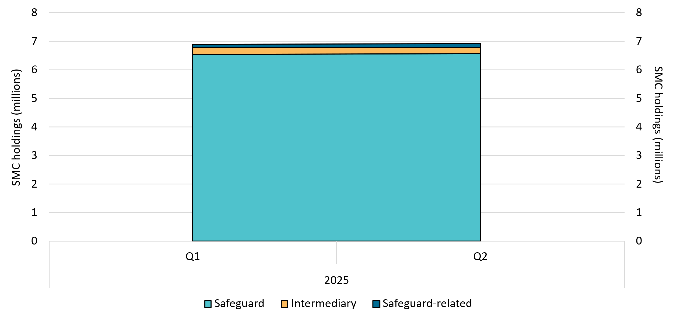

About Figure 1.5
This figure shows SMC holdings in Unit and Certificate Registry (UCR) accounts by market participation over time.

The small print
Totals may not sum due to rounding. SMC holdings data include all accounts. Historical values may change retrospectively due to changes in the classification of UCR accounts as new information becomes available.

Definitions
Safeguard Account holders are safeguard entities that control an account or multiple accounts for the issuance or surrender of SMCs. Some safeguard accounts also engage in trading activity, which may result in holding fluctuations over time.
Intermediary An account holder’s primary operation is to facilitate the trading of SMCs between the supply and demand sides of the market. This also includes accounts that have accumulated SMCs through the secondary market without known compliance obligations, offset use, or carbon trading/offset services.
Safeguard-related Account holders are companies, such as subsidiaries, that are related to registered safeguard entities. These accounts do not specify a facility or have not surrendered SMCs for safeguard compliance purposes. These SMC holdings may be used for future safeguard compliance purposes.

Figure 1.6
Back to contents
Figure 1.6 Australian carbon credit unit (ACCU) voluntary, compliance, and government cancellations
Data as at 30/06/2025
Year | Quarter | Voluntary cancellations | Compliance cancellations | Government cancellations | Non-safeguard annual total
2020 | Q1 | 80,712 | 0 | 34,131 | 840,957
2020 | Q2 | 70,048 | 14,343 | 121,628 | -
2020 | Q3 | 183,220 | 0 | 32,800 | -
2020 | Q4 | 158,832 | 65,668 | 79,575 | -
2021 | Q1 | 162,555 | 0 | 11,934 | 950,168
2021 | Q2 | 199,107 | 9,973 | 17,880 | -
2021 | Q3 | 132,698 | 50,446 | 37,214 | -
2021 | Q4 | 313,712 | 3,734 | 10,915 | -
2022 | Q1 | 187,877 | 85,925 | 8,976 | 1,479,281
2022 | Q2 | 286,903 | 117,670 | 36,804 | -
2022 | Q3 | 186,231 | 288,987 | 1,687 | -
2022 | Q4 | 204,388 | 17,240 | 56,593 | -
2023 | Q1 | 200,814 | 0 | 11,128 | 1,734,782
2023 | Q2 | 328,476 | 0 | 14,488 | -
2023 | Q3 | 288,627 | 55,093 | 43,043 | -
2023 | Q4 | 347,152 | 421,498 | 24,463 | -
2024 | Q1 | 193,546 | 90,000 | 5,599 | 1,327,367
2024 | Q2 | 266,267 | 114,804 | 34,578 | -
2024 | Q3 | 251,453 | 29,000 | 15,248 | -
2024 | Q4 | 311,283 | 0 | 15,589 | -
2025 | Q1 | 154,731 | 6,335 | 15,126 | 683,649
2025 | Q2 | 403,148 | 102,063 | 2,246 | -

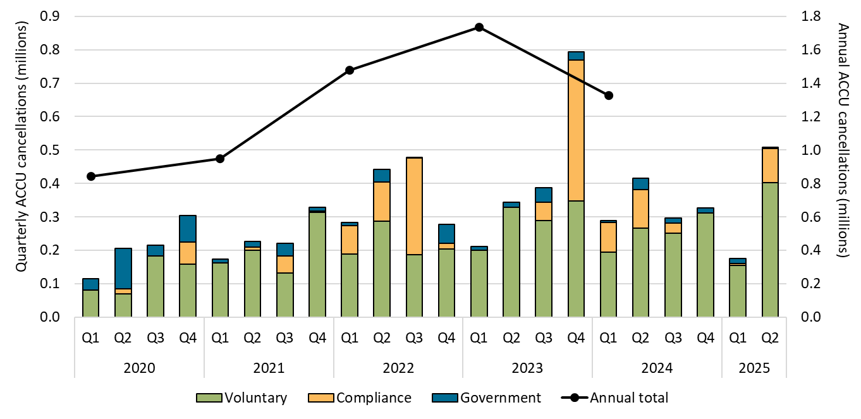

About Figure 1.6
This figure shows ACCU voluntary, compliance, and government cancellations.

The small print
ACCU cancellations exclude deliveries against Commonwealth carbon abatement contract milestones. This classification system is uniform across ACCU and large-scale generation certificate (LGC) cancellations.

Covered activities
Voluntary Cancellations made against voluntary certification programs and any sort of organisational emissions targets.
Compliance Cancellations made by private organisations and corporations for compliance or obligations against municipal, local, state and territory government laws, approvals, or contracts. For example, cancellations to meet Environmental Protection Authority requirements.
Government Cancellations by or on behalf of government entities. For example to offset emissions from vehicle fleets or meet voluntary emissions reduction targets.

Figure 1.7
Back to contents
Figure 1.7 Australian carbon credit unit (ACCU) safeguard surrenders
Data as at 30/06/2025
Year | Quarter | Safeguard surrenders | Safeguard annual total
2020 | Q1 | 56,994 | 56,994
2020 | Q2 | 0 | -
2020 | Q3 | 0 | -
2020 | Q4 | 0 | -
2021 | Q1 | 88,325 | 121,579
2021 | Q2 | 33,254 | -
2021 | Q3 | 0 | -
2021 | Q4 | 0 | -
2022 | Q1 | 250,809 | 348,535
2022 | Q2 | 37,726 | -
2022 | Q3 | 50,000 | -
2022 | Q4 | 10,000 | -
2023 | Q1 | 202,613 | 236,224
2023 | Q2 | 33,611 | -
2023 | Q3 | 0 | -
2023 | Q4 | 0 | -
2024 | Q1 | 896,225 | 1,526,091
2024 | Q2 | 0 | -
2024 | Q3 | 6,253 | -
2024 | Q4 | 623,613 | -
2025 | Q1 | 6,380,493 | 6,553,393
2025 | Q2 | 172,900 | -

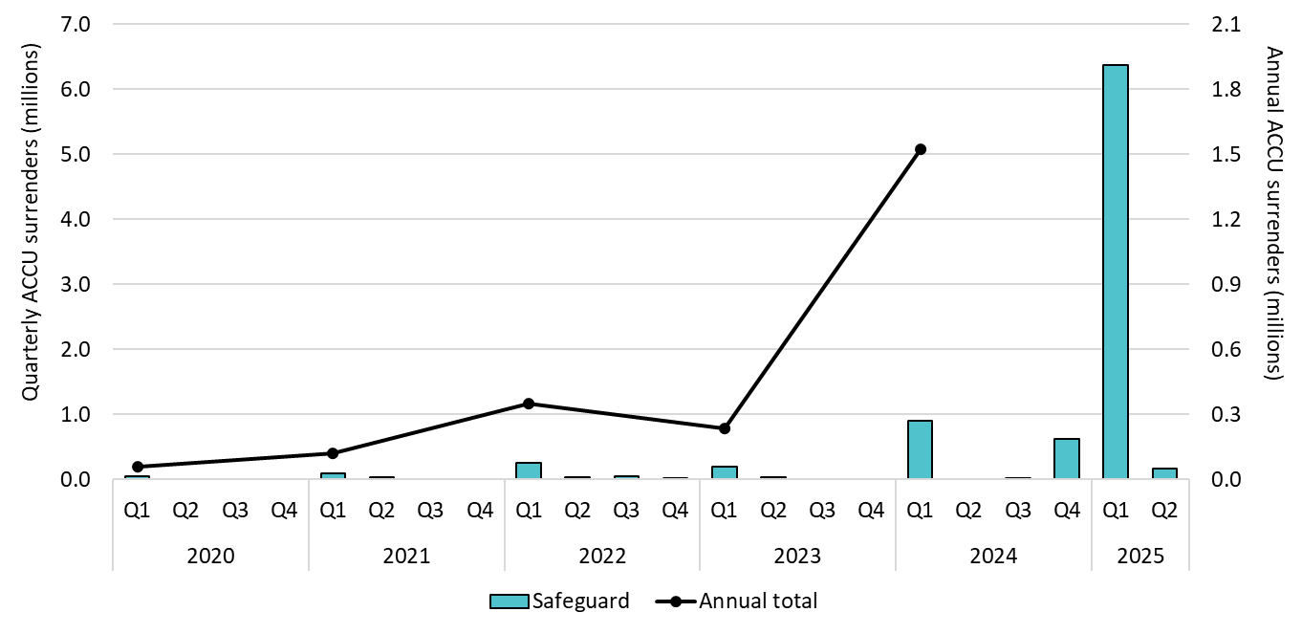

About Figure 1.7
This figure shows ACCU surrenders by safeguard entities annually over time.

The small print
Includes surrenders made by safeguard entities to meet Safeguard Mechanism compliance. For more data on the Safeguard Mechanism, including Safeguard Mechanism Credit issuance and surrenders, refer to safeguard data on our website (https://cer.gov.au/markets/reports-and-data/safeguard-data/2023-24-baselines-and-emissions-data).

Figure 1.8
Back to contents
Figure 1.8 Generic Australian carbon credit unit (ACCU) and Safeguard Mechanism credit unit (SMC) volume weighted average spot price
Data as at 22/08/2025
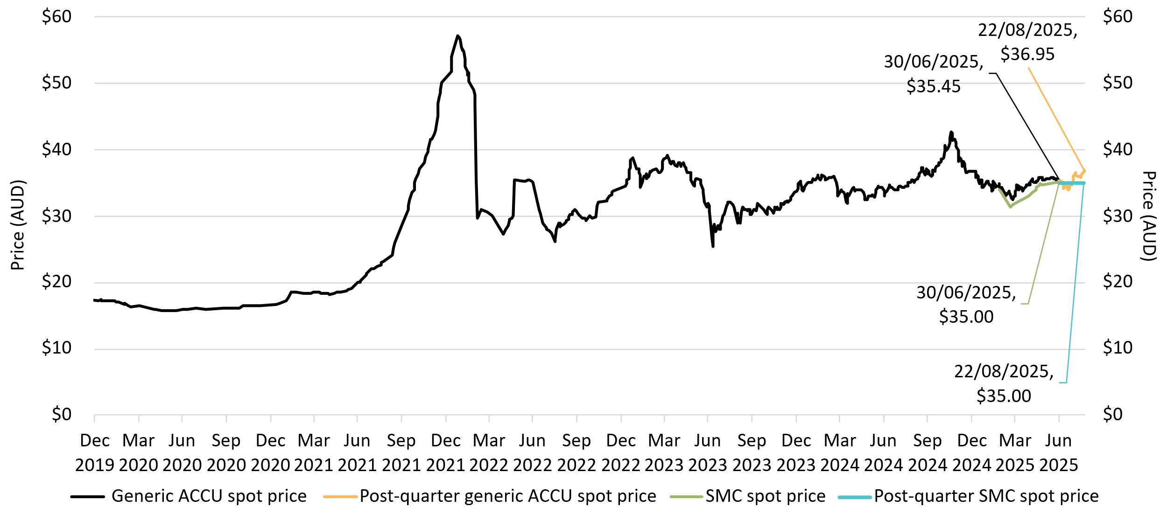

About Figure 1.8
This figure shows the volume weighted average of the generic ACCU and SMC spot prices over time.

The small print
The generic spot price refers to the daily volume weighted average price of spot trades for ACCUs with an unspecified method and SMCs. Spot trade data is compiled from trades reported by Jarden and CORE markets, and may not be comprehensive. Prices are shown from 31 Dec 2019 to 22 August 2025.

Figure 2.1
Back to contents
Figure 2.1 Large-scale generation certificates (LGCs) validated by technology type
Data as of 30/06/2025
Year | Quarter | Wind | Solar | Biomass | Hydroelectricity | Waste coal mine gas | Total | Annual total
2019 | Q1 | 4,163,383 | 1,325,825 | 784,269 | 839,688 | 169,615 | 7,282,780 | 29,616,131
2019 | Q2 | 4,310,490 | 1,070,212 | 478,893 | 57,938 | 284,535 | 6,202,068 | -
2019 | Q3 | 4,608,738 | 1,114,424 | 586,299 | 170,849 | 278,078 | 6,758,388 | -
2019 | Q4 | 5,555,545 | 1,818,946 | 1,001,089 | 879,547 | 117,768 | 9,372,895 | -
2020 | Q1 | 4,313,812 | 1,973,944 | 545,611 | 403,025 | 161,286 | 7,397,678 | 33,152,996
2020 | Q2 | 4,974,714 | 1,526,406 | 327,152 | 57,458 | 82,299 | 6,968,029 | -
2020 | Q3 | 5,023,838 | 1,387,380 | 562,685 | 58,210 | 290,632 | 7,322,745 | -
2020 | Q4 | 7,038,530 | 2,447,599 | 1,092,288 | 581,376 | 304,751 | 11,464,544 | -
2021 | Q1 | 5,585,594 | 2,424,743 | 432,716 | 751,496 | 11,028 | 9,205,577 | 38,932,145
2021 | Q2 | 5,418,883 | 2,128,835 | 344,264 | 60,940 | 0 | 7,952,922 | -
2021 | Q3 | 6,984,780 | 1,716,402 | 394,604 | 112,893 | 0 | 9,208,679 | -
2021 | Q4 | 8,235,025 | 3,042,634 | 982,100 | 305,208 | 0 | 12,564,967 | -
2022 | Q1 | 5,281,079 | 3,466,194 | 615,892 | 816,529 | 0 | 10,179,694 | 42,090,710
2022 | Q2 | 6,356,949 | 2,733,676 | 345,547 | 90,978 | 0 | 9,527,150 | -
2022 | Q3 | 8,076,905 | 2,297,227 | 596,284 | 207,837 | 0 | 11,178,253 | -
2022 | Q4 | 6,750,741 | 3,284,968 | 613,178 | 556,726 | 0 | 11,205,613 | -
2023 | Q1 | 6,812,455 | 4,523,784 | 838,244 | 891,226 | 0 | 13,065,709 | 49,602,459
2023 | Q2 | 7,286,918 | 3,463,788 | 398,580 | 138,585 | 0 | 11,287,871 | -
2023 | Q3 | 8,500,814 | 3,090,340 | 386,810 | 141,337 | 0 | 12,119,301 | -
2023 | Q4 | 7,657,674 | 4,422,891 | 780,365 | 268,648 | 0 | 13,129,578 | -
2024 | Q1 | 7,039,551 | 5,106,888 | 660,904 | 1,036,842 | 0 | 13,844,185 | 51,480,183
2024 | Q2 | 6,692,758 | 4,029,007 | 271,129 | 64,625 | 0 | 11,057,519 | -
2024 | Q3 | 8,538,561 | 3,409,643 | 512,130 | 107,558 | 0 | 12,567,892 | -
2024 | Q4 | 8,393,679 | 4,505,033 | 743,249 | 368,626 | 0 | 14,010,587 | -
2025 | Q1 | 7,390,510 | 5,892,300 | 688,430 | 224,749 | 0 | 14,195,989 | 27,157,016
2025 | Q2 | 7,605,909 | 4,672,630 | 588,450 | 94,038 | 0 | 12,961,027 | -

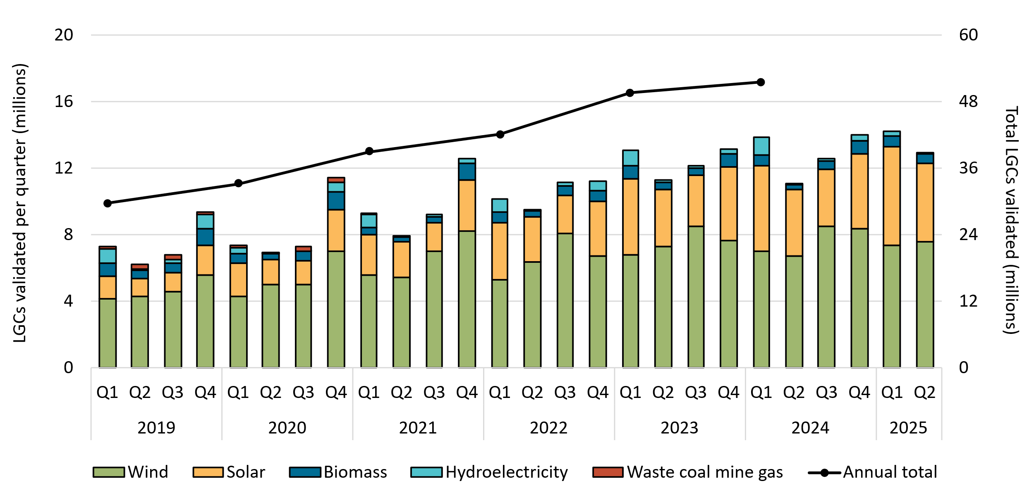

About Figure 2.1
This figure shows the number of LGCs validated by technology type over time.

The small print
Waste coal mine gas is no longer eligible to create LGCs as of 2021. Validations in 2021 reflect LGCs that were created prior to 2021.

Figure 2.2
Back to contents
Figure 2.2 Large-scale generation certificate (LGC) reported spot and forward prices
Data as of 22/08/2025
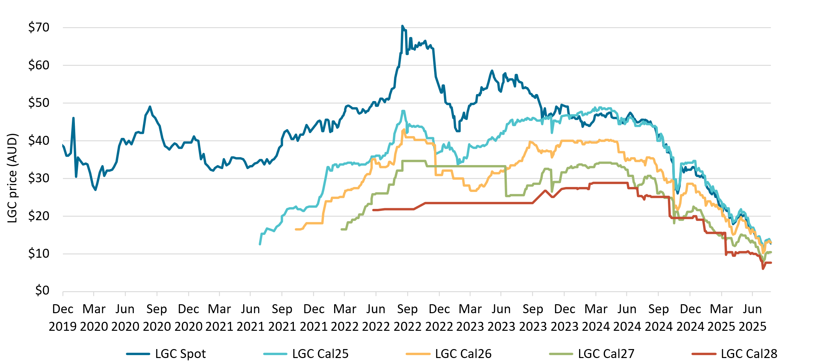

About Figure 2.2
This figure shows the daily closing LGC spot price and calendar year forward prices over time.

The small print
The lines for each "Cal" series shows the forward prices for purchases of LGCs in that calendar year. For example, Cal25 is the 2025 calendar year, where an agreement is made to buy/sell LGCs at a specified price in 2025. Pricing data is compiled from trades reported by CORE markets and may not be comprehensive. Prices are shown from 1 January 2020 to 22 August 2025.

Figure 2.3
Back to contents
Figure 2.3 Large-scale generation certificate (LGC) spot price
Data as of 22/08/2025
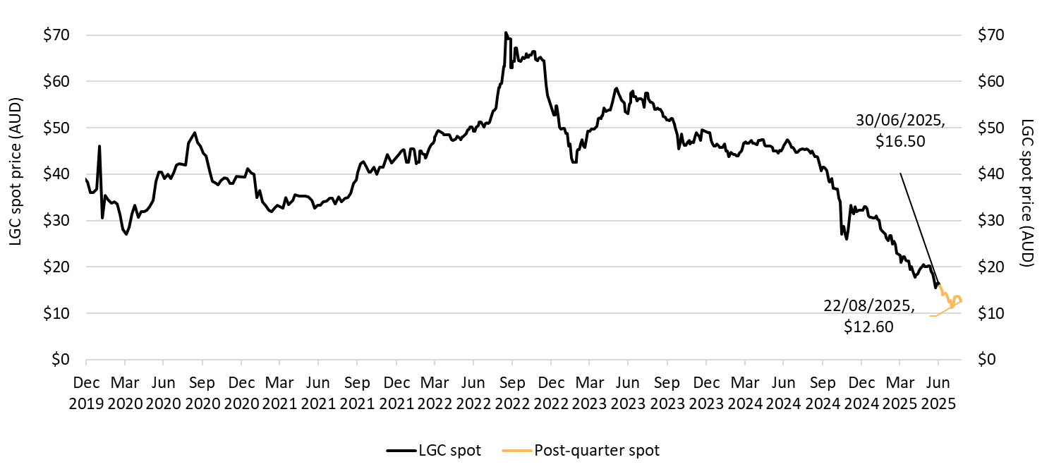

About Figure 2.3
This figure shows the daily closing LGC spot price over time.

The small print
Spot price data is compiled from trades reported by CORE markets and may not be comprehensive. Prices are shown from 31 December 2019 to 22 August 2025.

Figure 2.4
Back to contents
Figure 2.4 Approved large-scale wind and solar capacity in gigawatts (GW)
Data as of 22/08/2025
Year | Quarter | Wind | Solar | Total | Annual total
2019 | Q1 | 0.08 | 0.58 | 0.66 | 3.84
2019 | Q2 | 0.58 | 0.45 | 1.04 | -
2019 | Q3 | 0.69 | 0.43 | 1.12 | -
2019 | Q4 | 0.00 | 1.02 | 1.02 | -
2020 | Q1 | 0.17 | 0.39 | 0.56 | 4.19
2020 | Q2 | 1.38 | 0.41 | 1.79 | -
2020 | Q3 | 0.21 | 0.17 | 0.38 | -
2020 | Q4 | 0.56 | 0.90 | 1.45 | -
2021 | Q1 | 0.00 | 0.24 | 0.24 | 2.31
2021 | Q2 | 0.19 | 0.13 | 0.32 | -
2021 | Q3 | 0.16 | 0.45 | 0.60 | -
2021 | Q4 | 0.00 | 1.15 | 1.15 | -
2022 | Q1 | 0.22 | 0.08 | 0.29 | 2.46
2022 | Q2 | 0.00 | 0.40 | 0.40 | -
2022 | Q3 | 0.24 | 0.25 | 0.50 | -
2022 | Q4 | 0.27 | 1.00 | 1.27 | -
2023 | Q1 | 0.00 | 0.27 | 0.27 | 2.20
2023 | Q2 | 0.00 | 0.68 | 0.68 | -
2023 | Q3 | 0.58 | 0.03 | 0.61 | -
2023 | Q4 | 0.15 | 0.50 | 0.65 | -
2024 | Q1 | 0.28 | 0.59 | 0.87 | 4.29
2024 | Q2 | 0.32 | 0.20 | 0.52 | -
2024 | Q3 | 0.85 | 0.46 | 1.31 | -
2024 | Q4 | 0.92 | 0.67 | 1.59 | -
2025 | Q1 | 0.20 | 0.10 | 0.30 | 1.76
2025 | Q2 | 0.45 | 1.01 | 1.46 | -

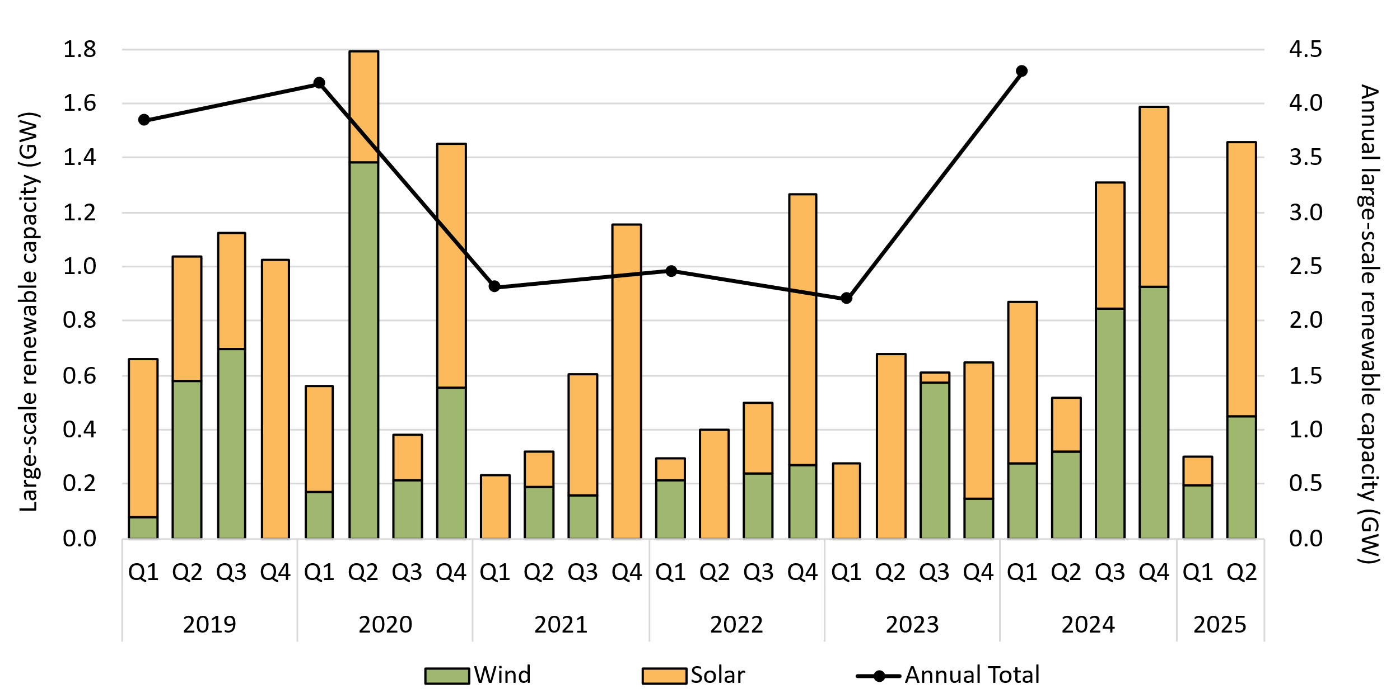

About Figure 2.4
This figure shows the capacity of large-scale wind and solar power stations approved by the Clean Energy Regulator to generate large-scale generation certificates over time.

The small print
Solar and wind hybrid projects are grouped under the solar category. Totals may not sum due to rounding.

Figure 2.5
Back to contents
Figure 2.5 Capacity Investment Scheme (CIS) Tender project capacity by development stage as of 31 July 2025
Data as at 31/07/2025
Status | Capacity (GW)
No milestones post-CIS | 1.94
Development application under assessment | 0.30
Development application approved | 1.19
Renewable Energy Zone (REZ) access rights granted | 0.70
Environmental Protection and Biodiversity Conservation Act 1999 (EPBC) under assessment | 1.25
EPBC approved | 0.52
Reached final investment decision (FID) or under construction | 0.45
Accredited under Large-scale Renewable Energy Target (LRET) | 0.06
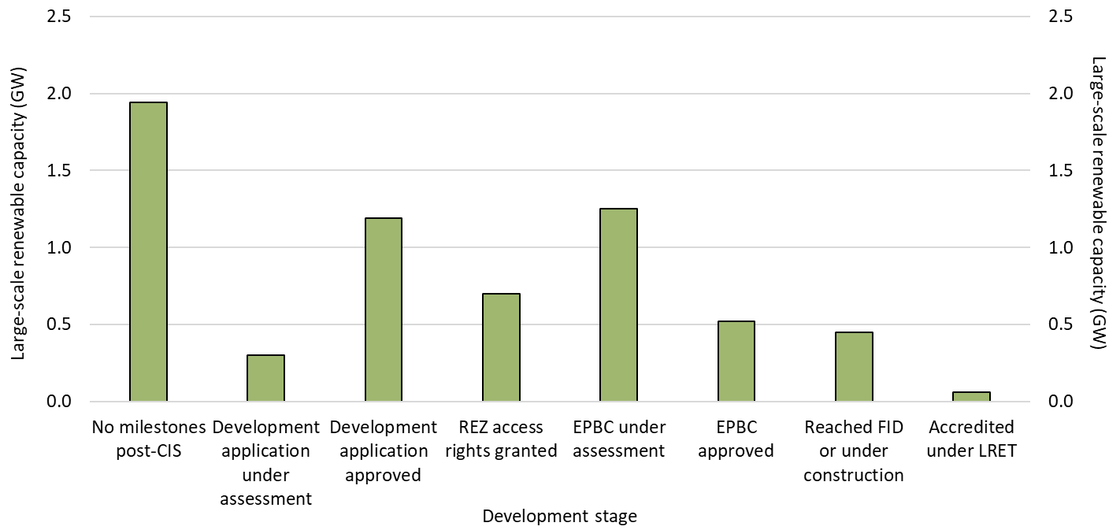

About Figure 2.5
This figure shows the total capacity in gigawatts (GW) of large-scale renewable energy projects that were awarded tenders for the CIS. The projects are grouped by development milestones following the announcement of their successful tender application.

The small print
The Clean Energy Regulator tracks public announcements. Data may be incomplete and may change retrospectively.

Figure 2.6
Back to contents
Figure 2.6 Final investment decision capacity in gigawatts (GW) for large-scale renewable generation
Data as of 22/08/2025
Year | Quarter | Final investment decision | Four quarter rolling average | Four quarter rolling Sum | Annual total capacity
2019 | Q1 | 0.69 | 1.04 | 4.14 | 2.40
2019 | Q2 | 0.68 | 0.96 | 3.86 | -
2019 | Q3 | 0.47 | 0.93 | 3.72 | -
2019 | Q4 | 0.56 | 0.60 | 2.40 | -
2020 | Q1 | 1.38 | 0.77 | 3.09 | 3.47
2020 | Q2 | 0.02 | 0.61 | 2.43 | -
2020 | Q3 | 1.29 | 0.81 | 3.25 | -
2020 | Q4 | 0.78 | 0.87 | 3.47 | -
2021 | Q1 | 0.07 | 0.54 | 2.16 | 3.06
2021 | Q2 | 0.74 | 0.72 | 2.88 | -
2021 | Q3 | 1.18 | 0.69 | 2.77 | -
2021 | Q4 | 1.07 | 0.76 | 3.06 | -
2022 | Q1 | 1.18 | 1.04 | 4.17 | 4.51
2022 | Q2 | 0.43 | 0.97 | 3.86 | -
2022 | Q3 | 0.49 | 0.79 | 3.17 | -
2022 | Q4 | 2.41 | 1.13 | 4.51 | -
2023 | Q1 | 0.48 | 0.95 | 3.81 | 2.07
2023 | Q2 | 0.09 | 0.87 | 3.47 | -
2023 | Q3 | 0.77 | 0.94 | 3.74 | -
2023 | Q4 | 0.73 | 0.52 | 2.07 | -
2024 | Q1 | 0.84 | 0.61 | 2.43 | 4.41
2024 | Q2 | 1.06 | 0.85 | 3.40 | -
2024 | Q3 | 1.15 | 0.95 | 3.79 | -
2024 | Q4 | 1.35 | 1.10 | 4.41 | -
2025 | Q1 | 0.28 | 0.96 | 3.85 | 0.95
2025 | Q2 | 0.67 | 0.86 | 3.46 | -

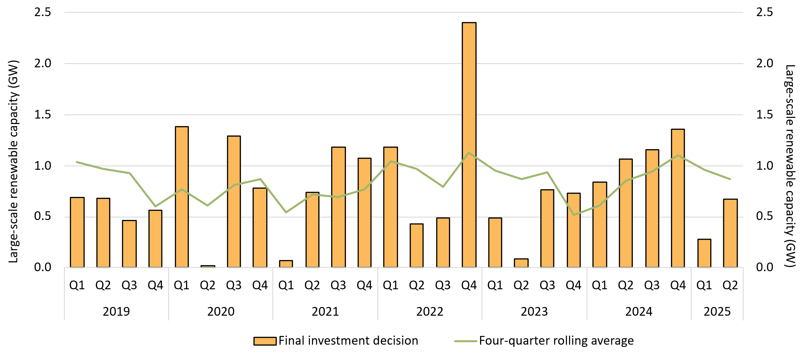

About Figure 2.6
This figure shows the capacity and four quarter rolling average of large-scale renewable power stations to reach a final investment decision over time.

The small print
The Clean Energy Regulator tracks public announcements. Data may be incomplete and may change retrospectively. Totals may not sum due to rounding.

Figure 2.7
Back to contents
Figure 2.7 Large-scale generation certificate (LGC) holdings (in millions) by market participation
Data as of 30/06/2025
Year | Quarter | Liable entity | Power station | Non-RET (voluntary) | Non-RET (compliance) | Non-RET (government) | Intermediary | Other | Total Holdings
2019 | Q1 | 4.4 | 2.7 | 0.8 | 1.6 | 1.3 | 0.3 | 0.1 | 11.1
2019 | Q2 | 8.1 | 3.3 | 1.3 | 1.8 | 1.4 | 0.5 | 0.0 | 16.4
2019 | Q3 | 12.6 | 3.0 | 1.4 | 1.8 | 1.4 | 0.8 | 0.0 | 21.0
2019 | Q4 | 17.8 | 4.6 | 2.1 | 1.9 | 2.8 | 1.0 | 0.0 | 30.2
2020 | Q1 | 3.4 | 2.8 | 1.2 | 1.9 | 2.8 | 0.2 | 0.1 | 12.3
2020 | Q2 | 8.2 | 4.4 | 1.7 | 1.9 | 0.5 | 0.2 | 0.1 | 16.9
2020 | Q3 | 12.8 | 4.5 | 1.6 | 1.6 | 0.5 | 0.2 | 0.1 | 21.2
2020 | Q4 | 18.2 | 6.6 | 2.7 | 1.7 | 2.0 | 1.2 | 0.1 | 32.4
2021 | Q1 | 4.6 | 3.2 | 1.4 | 1.7 | 2.5 | 0.0 | 0.1 | 13.5
2021 | Q2 | 9.0 | 4.2 | 2.0 | 1.7 | 0.8 | 0.1 | 0.1 | 18.0
2021 | Q3 | 13.8 | 4.4 | 3.6 | 1.4 | 0.7 | 0.5 | 0.1 | 24.4
2021 | Q4 | 18.6 | 6.2 | 4.1 | 1.4 | 2.3 | 1.0 | 0.1 | 33.6
2022 | Q1 | 3.7 | 3.3 | 2.4 | 1.5 | 2.9 | 0.1 | 0.2 | 14.2
2022 | Q2 | 8.7 | 4.9 | 3.6 | 1.5 | 1.0 | 0.1 | 0.1 | 20.0
2022 | Q3 | 13.9 | 6.3 | 5.0 | 1.1 | 1.1 | 0.4 | 0.2 | 28.0
2022 | Q4 | 15.9 | 8.1 | 8.4 | 1.2 | 1.2 | 0.7 | 0.2 | 35.8
2023 | Q1 | 4.1 | 4.0 | 4.0 | 1.3 | 1.1 | 0.1 | 0.1 | 14.6
2023 | Q2 | 9.6 | 6.2 | 6.0 | 1.4 | 0.7 | 0.5 | 0.1 | 24.6
2023 | Q3 | 17.9 | 8.3 | 4.1 | 1.5 | 0.7 | 0.7 | 0.2 | 33.2
2023 | Q4 | 22.7 | 10.6 | 5.8 | 1.7 | 0.9 | 1.0 | 0.3 | 42.8
2024 | Q1 | 5.6 | 5.0 | 5.8 | 1.7 | 2.6 | 0.3 | 0.1 | 21.0
2024 | Q2 | 12.0 | 7.0 | 6.4 | 1.8 | 0.7 | 0.4 | 0.0 | 28.4
2024 | Q3 | 13.5 | 10.4 | 8.0 | 1.9 | 0.9 | 0.6 | 0.0 | 35.3
2024 | Q4 | 19.4 | 13.0 | 9.7 | 2.0 | 0.9 | 1.0 | 0.1 | 46.1
2025 | Q1 | 6.0 | 6.9 | 8.6 | 2.1 | 2.1 | 0.6 | 0.1 | 26.4
2025 | Q2 | 10.8 | 9.6 | 10.8 | 2.2 | 1.0 | 0.9 | 0.1 | 35.4

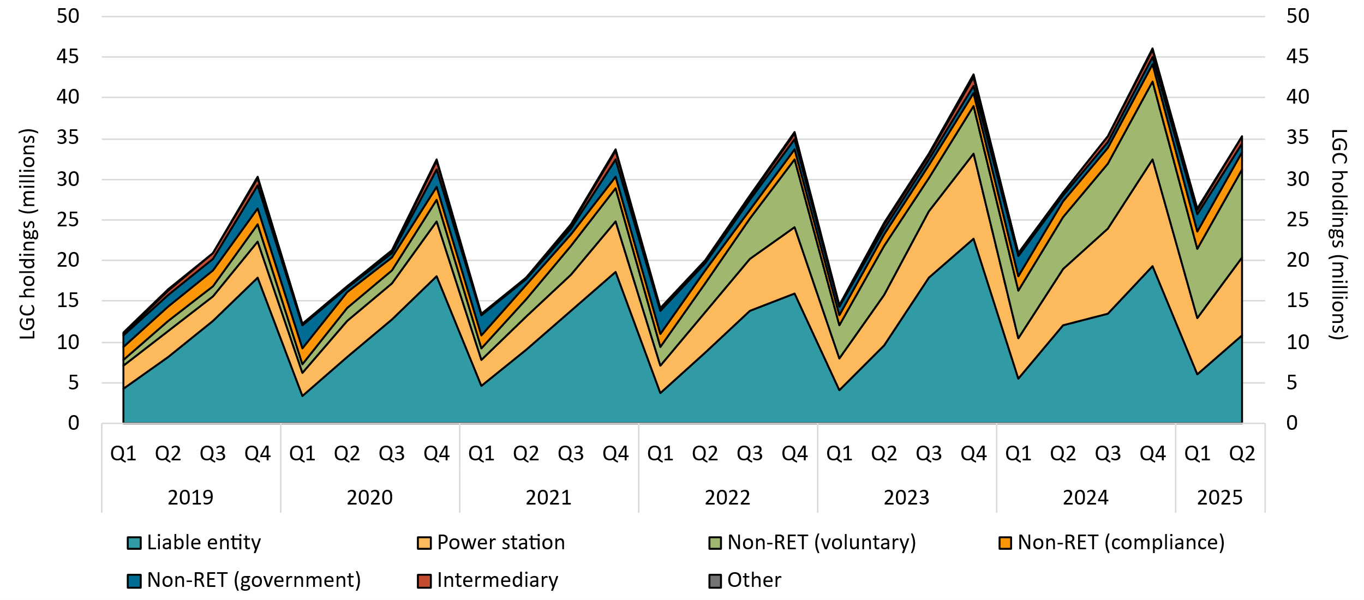

About Figure 2.7
This figure shows LGC holdings in Renewable Energy Certificate (REC) Registry accounts by market participation category over time.

The small print
Holdings are for registered LGCs as at the end of the quarter and exclude any pending transactions. Accounts are categorised according to their primary role or function based on transaction patterns and the name of the account. An account's category is subject to change. Totals may not sum due to rounding.

Category definitions
Liable entity Account holder is a liable entity.
Power station The account holder has created more LGCs than it has surrendered.
Non-RET (voluntary) The majority of LGCs surrendered by the account holder have been surrendered voluntarily, or the account is labelled as 'GreenPower' in the REC registry.
Non-RET (compliance) The majority of LGCs surrendered by the account holder have been surrendered voluntarily for non-RET compliance reasons (for example, desalination plants).
Non-RET (government) The majority of LGCs surrendered by the account holder have been surrendered voluntarily for a government entity.
Intermediary Account holder has transacted/received over 100,000 LGCs and does not fit into any of the other categories.
Other Account holder does not fit into any of the other categories.

Figure 2.8
Back to contents
Figure 2.8 Non-Renewable Energy Target (non-RET) large-scale generation certificate (LGC) cancellations by demand source
Data as of 30/06/2025
Year | Quarter | Voluntary | Government | Compliance | Total | Annual total
2019 | Q1 | 555 | 12,746 | 6,411 | 19,712 | 735,967
2019 | Q2 | 2,499 | 965 | 0 | 3,464 | -
2019 | Q3 | 488,336 | 50,473 | 89,030 | 627,839 | -
2019 | Q4 | 28,767 | 56,185 | 0 | 84,952 | -
2020 | Q1 | 62,010 | 89,164 | 117,690 | 268,864 | 4,025,404
2020 | Q2 | 22,664 | 154,853 | 0 | 177,517 | -
2020 | Q3 | 743,747 | 2,279,217 | 399,462 | 3,422,426 | -
2020 | Q4 | 122,591 | 34,006 | 0 | 156,597 | -
2021 | Q1 | 208,154 | 79,858 | 70,461 | 358,473 | 5,771,481
2021 | Q2 | 193,547 | 2,326,078 | 0 | 2,519,625 | -
2021 | Q3 | 830,436 | 135,535 | 421,100 | 1,387,071 | -
2021 | Q4 | 259,185 | 49,437 | 1,197,690 | 1,506,312 | -
2022 | Q1 | 615,330 | 560,273 | 40,627 | 1,216,230 | 7,410,785
2022 | Q2 | 309,710 | 42,798 | 3,850 | 356,358 | -
2022 | Q3 | 1,384,178 | 2,839,830 | 429,396 | 4,653,404 | -
2022 | Q4 | 1,067,260 | 117,533 | 0 | 1,184,793 | -
2023 | Q1 | 1,343,335 | 640,906 | 101,107 | 2,085,348 | 8,717,890
2023 | Q2 | 907,356 | 2,237,378 | 0 | 3,144,734 | -
2023 | Q3 | 2,281,727 | 426,512 | 25,481 | 2,733,720 | -
2023 | Q4 | 672,315 | 81,773 | 0 | 754,088 | -
2024 | Q1 | 1,614,565 | 554,083 | 115,574 | 2,284,222 | 10,444,778
2024 | Q2 | 1,277,943 | 2,254,806 | 0 | 3,532,749 | -
2024 | Q3 | 1,100,939 | 345,660 | 125,266 | 1,571,865 | -
2024 | Q4 | 2,801,983 | 253,959 | 0 | 3,055,942 | -
2025 | Q1 | 1,988,663 | 645,966 | 61,527 | 2,696,156 | 7,197,885
2025 | Q2 | 1,903,209 | 2,492,312 | 106,208 | 4,501,729 | -

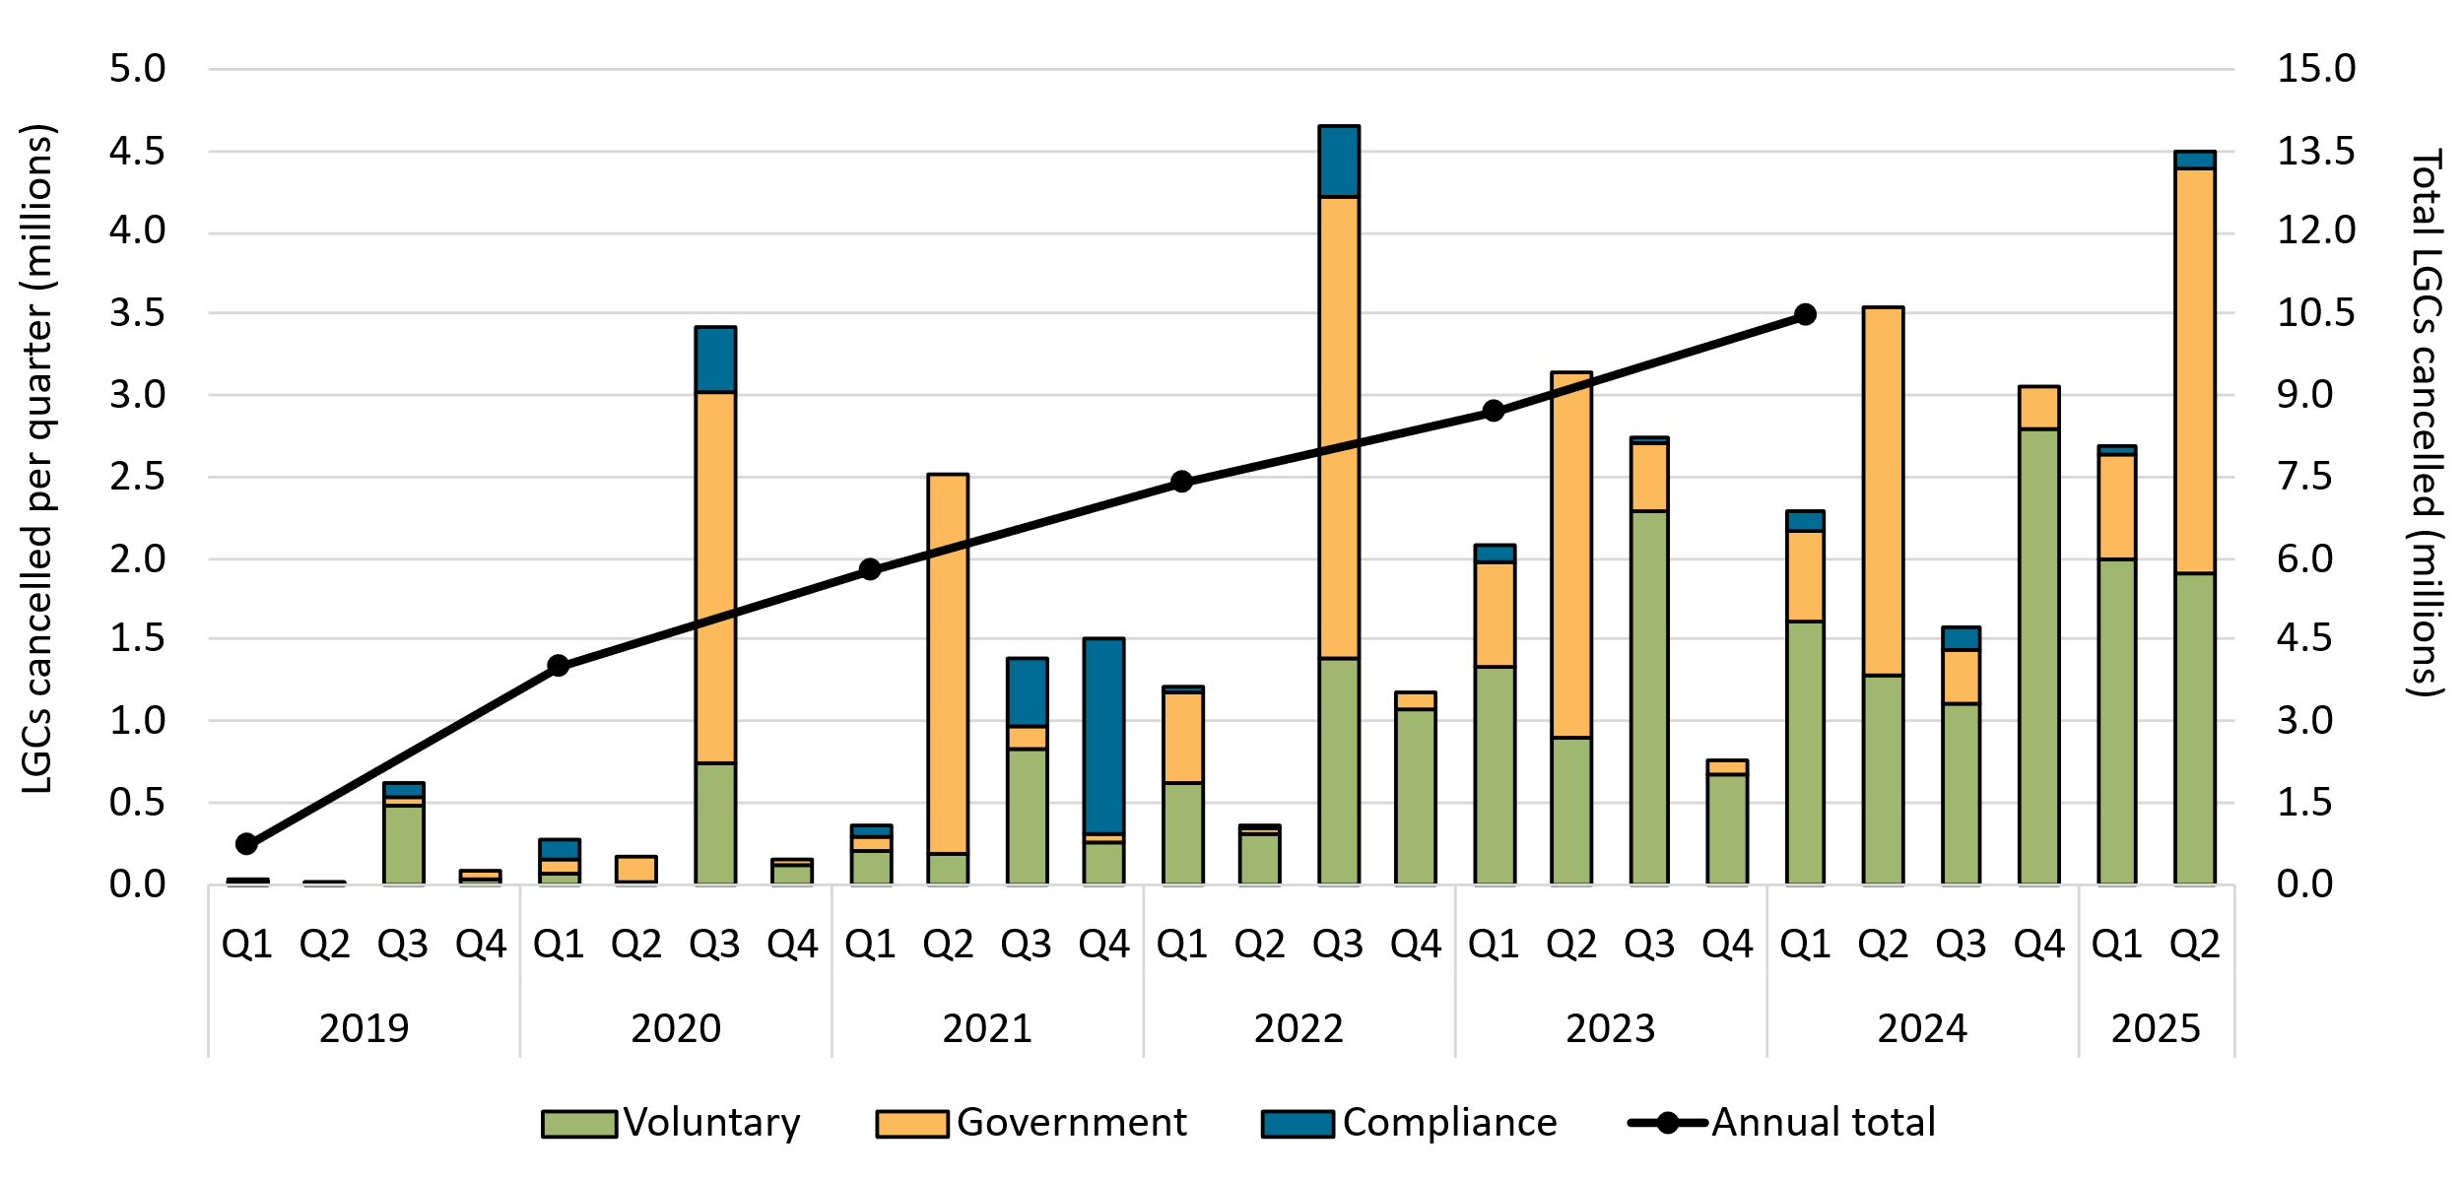

About Figure 2.8
This figure shows non-RET LGC cancellations by demand source over time.

The small print
This classification system is uniform across Australian carbon credit unit (ACCU) and LGC cancellations.

Covered activities for each classification
Voluntary demand Cancellations made against voluntary certification programs such as Climate Active and any sort of organisational emissions or energy targets.
Government demand Cancellations by or on behalf of government entities. For example to offset emissions from vehicle fleets or meet voluntary emissions reduction targets.
Compliance demand Cancellations made by private organisations and corporations for compliance or obligations against municipal, local, state and territory government laws, approvals, or contracts. For example to meet Environmental Protection Authority requirements.

Figure 3.1
Back to contents
Figure 3.1 Small-scale cumulative validated battery capacity installed by state and territory in kilowatt hours (kWh)
Data as of 14/09/2025
Date | ACT | NSW | NT | QLD | SA | TAS | VIC | WA | Grand Total
2025-07-01 | 621.5 | 8,814.7 | 41.0 | 6,156.1 | 3,825.7 | 457.3 | 5,234.9 | 621.7 | 25,773.0
2025-07-02 | 1,211.1 | 17,064.9 | 136.0 | 11,225.8 | 7,657.5 | 824.4 | 10,256.3 | 1,491.2 | 49,867.2
2025-07-03 | 1,907.3 | 26,088.5 | 249.2 | 15,854.4 | 11,103.8 | 1,208.5 | 14,151.3 | 2,387.8 | 72,950.8
2025-07-04 | 2,276.5 | 33,445.4 | 359.7 | 20,420.5 | 14,723.7 | 1,392.4 | 17,427.8 | 3,357.7 | 93,403.5
2025-07-05 | 2,499.9 | 36,686.8 | 373.0 | 21,245.3 | 15,951.5 | 1,408.4 | 18,720.6 | 3,482.9 | 100,368.4
2025-07-06 | 2,617.7 | 38,461.4 | 401.9 | 21,648.3 | 16,729.2 | 1,408.4 | 19,597.8 | 3,527.4 | 104,392.2
2025-07-07 | 2,921.7 | 45,030.7 | 415.3 | 25,549.6 | 19,226.6 | 1,607.2 | 22,074.2 | 4,229.9 | 121,055.2
2025-07-08 | 3,314.3 | 51,662.2 | 428.6 | 30,330.5 | 22,161.5 | 1,929.4 | 25,653.5 | 5,072.2 | 140,552.1
2025-07-09 | 3,594.1 | 58,740.3 | 479.8 | 34,826.4 | 25,043.9 | 2,143.7 | 28,755.4 | 6,224.0 | 159,807.5
2025-07-10 | 3,889.4 | 64,599.9 | 518.1 | 38,851.6 | 27,816.2 | 2,373.1 | 31,926.6 | 7,124.0 | 177,098.8
2025-07-11 | 4,125.7 | 70,453.4 | 648.9 | 42,889.6 | 30,468.1 | 2,476.6 | 34,610.9 | 8,101.6 | 193,774.7
2025-07-12 | 4,196.4 | 72,811.6 | 680.9 | 43,709.5 | 31,371.7 | 2,527.0 | 35,513.6 | 8,267.1 | 199,077.8
2025-07-13 | 4,209.2 | 74,151.9 | 735.9 | 44,007.4 | 31,819.6 | 2,527.0 | 36,003.1 | 8,358.4 | 201,812.6
2025-07-14 | 4,435.7 | 79,514.5 | 884.0 | 46,969.0 | 33,975.7 | 2,694.1 | 38,210.6 | 9,407.3 | 216,090.9
2025-07-15 | 4,745.8 | 85,366.8 | 949.0 | 50,747.4 | 36,264.3 | 2,882.1 | 40,845.6 | 10,525.0 | 232,326.0
2025-07-16 | 5,060.9 | 91,276.6 | 1,022.6 | 54,189.1 | 38,420.0 | 3,062.2 | 43,203.0 | 11,719.8 | 247,954.1
2025-07-17 | 5,170.0 | 96,706.4 | 1,060.9 | 57,700.3 | 40,558.1 | 3,179.5 | 45,616.3 | 12,933.0 | 262,924.5
2025-07-18 | 5,412.8 | 101,615.1 | 1,124.2 | 60,971.0 | 42,490.2 | 3,313.4 | 48,251.1 | 14,235.6 | 277,413.4
2025-07-19 | 5,514.2 | 104,027.3 | 1,149.2 | 61,735.8 | 43,280.5 | 3,344.6 | 49,327.5 | 14,505.4 | 282,884.5
2025-07-20 | 5,595.5 | 105,109.1 | 1,149.2 | 61,986.7 | 43,466.1 | 3,344.6 | 49,774.6 | 14,612.9 | 285,038.7
2025-07-21 | 5,832.1 | 109,768.6 | 1,226.8 | 64,954.8 | 45,318.4 | 3,545.0 | 52,290.8 | 15,861.0 | 298,797.5
2025-07-22 | 6,054.1 | 114,707.2 | 1,282.9 | 68,079.6 | 47,014.8 | 3,675.5 | 54,147.4 | 17,425.2 | 312,386.7
2025-07-23 | 6,400.8 | 120,321.2 | 1,371.0 | 71,469.1 | 48,974.0 | 3,883.4 | 56,514.6 | 18,855.2 | 327,789.2
2025-07-24 | 6,675.1 | 125,350.3 | 1,412.0 | 74,904.7 | 51,153.3 | 4,120.9 | 58,767.0 | 20,632.3 | 343,015.6
2025-07-25 | 6,933.1 | 130,341.5 | 1,431.2 | 77,876.9 | 52,878.7 | 4,236.8 | 61,110.2 | 22,371.5 | 357,180.0
2025-07-26 | 6,976.4 | 132,446.8 | 1,431.2 | 78,524.4 | 53,259.7 | 4,256.0 | 61,793.6 | 22,717.4 | 361,405.6
2025-07-27 | 7,097.5 | 133,513.7 | 1,431.2 | 78,675.3 | 53,535.1 | 4,256.0 | 62,223.9 | 22,830.8 | 363,563.5
2025-07-28 | 7,470.6 | 138,272.9 | 1,462.6 | 81,603.6 | 55,152.3 | 4,364.2 | 63,922.9 | 24,305.7 | 376,554.7
2025-07-29 | 7,772.0 | 143,549.7 | 1,509.4 | 84,482.7 | 56,706.9 | 4,579.1 | 65,914.1 | 25,997.6 | 390,511.6
2025-07-30 | 7,982.3 | 147,582.1 | 1,550.4 | 87,819.8 | 58,587.2 | 4,744.4 | 68,084.3 | 27,592.2 | 403,942.6
2025-07-31 | 8,101.6 | 152,214.7 | 1,566.0 | 90,976.3 | 60,607.2 | 4,914.0 | 69,999.8 | 29,268.9 | 417,648.4
2025-08-01 | 8,339.9 | 156,533.6 | 1,566.0 | 93,891.7 | 62,339.0 | 5,103.0 | 71,869.1 | 30,745.0 | 430,387.3
2025-08-02 | 8,363.0 | 157,901.2 | 1,566.0 | 94,429.4 | 62,860.1 | 5,103.0 | 72,472.8 | 31,037.9 | 433,733.3
2025-08-03 | 8,457.8 | 158,576.0 | 1,591.0 | 94,794.0 | 63,005.8 | 5,103.0 | 72,812.9 | 31,120.9 | 435,461.4
2025-08-04 | 8,804.0 | 163,082.6 | 1,591.0 | 96,914.6 | 64,152.8 | 5,305.1 | 74,418.3 | 32,835.6 | 447,104.0
2025-08-05 | 9,056.5 | 168,149.6 | 1,616.0 | 100,103.3 | 65,923.4 | 5,372.4 | 76,473.9 | 34,375.1 | 461,070.2
2025-08-06 | 9,306.3 | 173,380.5 | 1,665.3 | 103,354.0 | 67,658.5 | 5,521.0 | 78,587.6 | 35,712.1 | 475,185.2
2025-08-07 | 9,517.3 | 177,791.5 | 1,684.5 | 106,367.4 | 69,444.3 | 5,606.6 | 80,592.6 | 37,138.0 | 488,142.3
2025-08-08 | 9,719.9 | 182,152.7 | 1,703.9 | 108,809.3 | 71,009.9 | 5,718.3 | 82,504.2 | 38,518.3 | 500,136.6
2025-08-09 | 9,815.9 | 183,483.6 | 1,721.9 | 109,200.8 | 71,473.9 | 5,807.9 | 83,054.3 | 38,886.0 | 503,444.3
2025-08-10 | 9,929.2 | 184,525.4 | 1,721.9 | 109,331.0 | 71,599.0 | 5,827.7 | 83,418.0 | 39,028.1 | 505,380.4
2025-08-11 | 10,053.1 | 188,312.6 | 1,721.9 | 111,405.2 | 73,006.8 | 6,009.1 | 84,896.9 | 40,404.5 | 515,810.2
2025-08-12 | 10,441.3 | 192,273.1 | 1,746.9 | 114,013.6 | 74,207.4 | 6,210.5 | 86,555.9 | 41,847.7 | 527,296.5
2025-08-13 | 10,718.4 | 196,371.0 | 1,746.9 | 116,565.9 | 75,845.0 | 6,316.0 | 88,690.3 | 43,672.8 | 539,926.3
2025-08-14 | 10,932.4 | 200,728.0 | 1,955.2 | 119,529.3 | 77,497.8 | 6,500.5 | 90,487.7 | 45,358.5 | 552,989.6
2025-08-15 | 11,142.6 | 205,307.1 | 1,968.0 | 121,910.2 | 78,960.7 | 6,575.4 | 91,778.3 | 46,966.5 | 564,608.9
2025-08-16 | 11,197.6 | 207,503.3 | 1,968.0 | 122,545.1 | 79,390.2 | 6,584.6 | 92,585.9 | 47,478.6 | 569,253.4
2025-08-17 | 11,225.2 | 208,960.3 | 2,068.0 | 122,777.3 | 79,520.0 | 6,584.6 | 92,835.1 | 47,780.7 | 571,751.4
2025-08-18 | 11,524.2 | 212,247.3 | 2,140.4 | 125,215.4 | 80,856.4 | 6,655.9 | 94,447.8 | 49,369.9 | 582,457.3
2025-08-19 | 11,720.9 | 215,979.2 | 2,140.4 | 127,195.4 | 82,701.7 | 6,714.6 | 95,958.6 | 50,857.0 | 593,267.8
2025-08-20 | 12,057.5 | 219,329.9 | 2,211.2 | 129,285.2 | 84,177.7 | 6,914.6 | 97,512.8 | 52,384.5 | 603,873.4
2025-08-21 | 12,367.6 | 221,763.9 | 2,252.2 | 131,347.1 | 85,665.0 | 7,097.2 | 99,171.2 | 53,812.2 | 613,476.6
2025-08-22 | 12,486.6 | 225,687.2 | 2,252.2 | 133,470.2 | 87,361.1 | 7,230.7 | 100,554.2 | 55,513.8 | 624,556.1
2025-08-23 | 12,549.8 | 227,747.5 | 2,252.2 | 133,914.0 | 87,890.3 | 7,267.7 | 100,972.5 | 55,977.6 | 628,571.7
2025-08-24 | 12,588.8 | 228,625.5 | 2,252.2 | 134,170.4 | 87,991.2 | 7,267.7 | 101,150.0 | 56,213.5 | 630,259.5
2025-08-25 | 12,816.3 | 232,418.5 | 2,277.2 | 135,966.8 | 89,367.2 | 7,323.0 | 101,932.5 | 57,656.5 | 639,758.0
2025-08-26 | 12,988.4 | 236,309.7 | 2,296.4 | 138,700.0 | 91,026.3 | 7,439.6 | 102,828.1 | 58,941.0 | 650,529.6
2025-08-27 | 13,103.3 | 240,588.6 | 2,362.0 | 141,301.2 | 92,696.0 | 7,554.0 | 103,853.8 | 60,467.4 | 661,926.3
2025-08-28 | 13,258.1 | 244,648.4 | 2,392.0 | 143,838.4 | 94,237.3 | 7,698.5 | 105,033.6 | 61,858.6 | 672,965.0
2025-08-29 | 13,479.6 | 249,111.8 | 2,417.0 | 146,056.9 | 95,465.4 | 7,772.5 | 105,919.8 | 63,330.6 | 683,553.7
2025-08-30 | 13,625.6 | 251,523.2 | 2,417.0 | 146,576.5 | 95,884.4 | 7,788.1 | 106,184.0 | 63,688.3 | 687,687.2
2025-08-31 | 13,663.9 | 252,330.7 | 2,417.0 | 146,807.7 | 96,068.5 | 7,788.1 | 106,253.3 | 63,845.5 | 689,174.9
2025-09-01 | 13,921.6 | 256,022.8 | 2,417.0 | 148,677.1 | 97,308.6 | 7,834.0 | 106,552.9 | 65,309.7 | 698,043.8
2025-09-02 | 14,167.4 | 259,794.3 | 2,417.0 | 151,072.2 | 98,723.2 | 7,901.3 | 106,916.9 | 66,633.2 | 707,625.7
2025-09-03 | 14,489.5 | 263,998.6 | 2,417.0 | 153,185.3 | 99,908.7 | 7,968.0 | 107,184.8 | 67,842.3 | 716,994.4
2025-09-04 | 14,641.3 | 266,687.4 | 2,417.0 | 154,851.5 | 100,742.8 | 8,026.2 | 107,255.9 | 68,554.5 | 723,176.7
2025-09-05 | 14,641.3 | 267,781.1 | 2,417.0 | 155,211.2 | 100,968.2 | 8,098.2 | 107,255.9 | 68,711.0 | 725,084.1

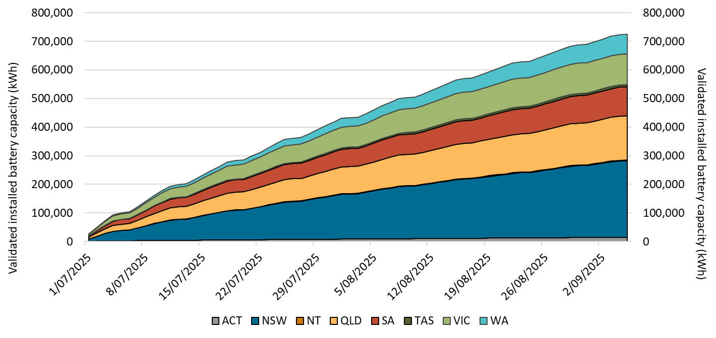

About Figure 3.1
This figure shows the daily cumulative installed capacity of validated small-scale battery installations per state following the commencement of the Cheaper Home Batteries Scheme on 1 July 2025.

The small print
A 12 month creation period for registered persons to create small-scale technology certificates applies under the Renewable Energy (Electricity) Regulations (2001). Data is subject to change due to the 12 month creation rule. Totals may not sum due to rounding.

Figure 3.2
Back to contents
Figure 3.2 Distribution of validated battery usable capacity in 5-kilowatt hour (kWh) ranges
Data as of 14/09/2025
Category | Count of passed installations
0-5 kWh | 642
5-10 kWh | 7,315
10-15 kWh | 10,823
15-20 kWh | 10,546
20-25 kWh | 4,038
25-30 kWh | 3,689
30-35 kWh | 1,264
35-40 kWh | 805
40-45 kWh | 429
45-50 kWh | 874
50-100 kWh | 194
Total | 40,619
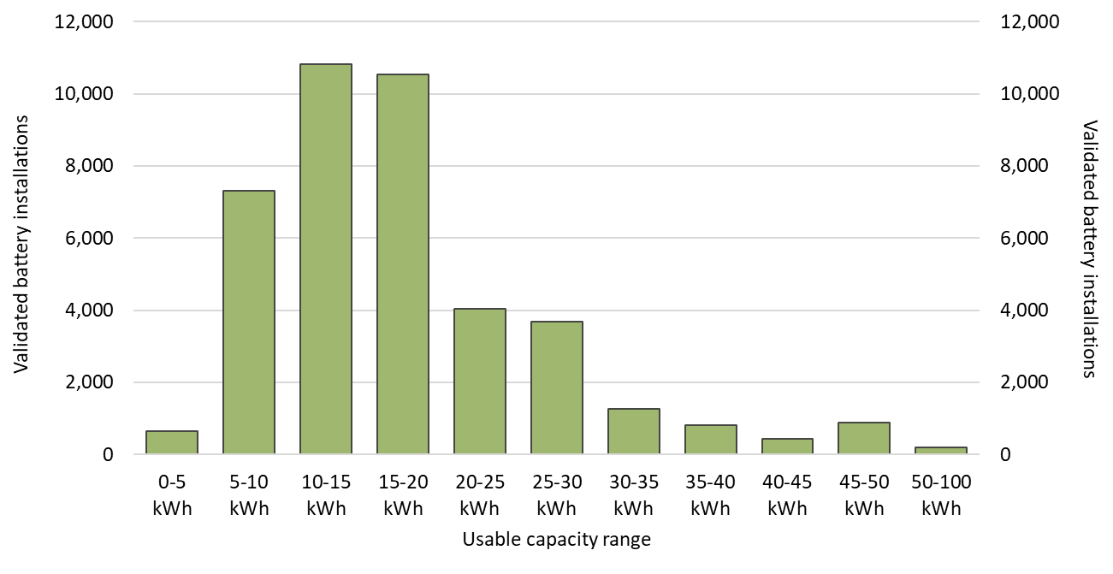

About Figure 3.2
This figure shows the distribution of validated small-scale battery installations across usable capacity in 5-kilowatt hour (kWh) ranges, following the commencement of the Cheaper Home Batteries Scheme on 1 July 2025.

The small print
A 12 month creation period for registered persons to create small-scale technology certificates applies under the Renewable Energy (Electricity) Regulations (2001). Data is subject to change due to the 12 month creation rule.

Figure 3.3
Back to contents
Figure 3.3 Distribution of validated battery installations by type
Data as of 31/08/2025
Category | Count of battery installations
Retrofit installations | 55%
Concurrent battery installations with PV upgrade | 21%
Concurrent battery installations with new PV | 24%

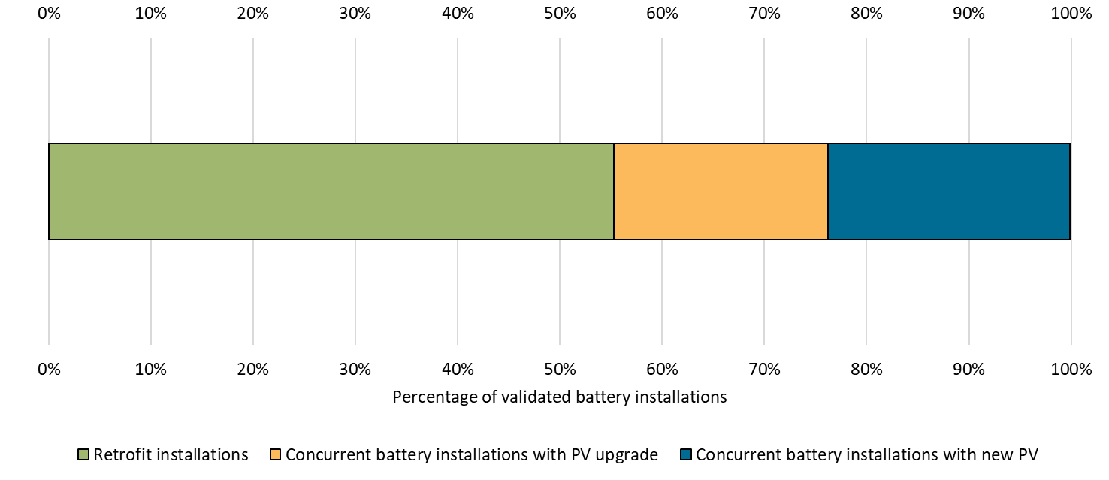

About Figure 3.3
This figure shows the distribution of validated small-scale battery installations according to the characteristic of the battery install, following the commencement of the Cheaper Home Batteries Scheme on 1 July 2025.

The small print
A 12 month creation period for registered persons to create small-scale technology certificates applies under the Renewable Energy (Electricity) Regulations (2001). Data is subject to change due to the 12 month creation rule.
Household characteristics are defined as follows:
Retrofit installations Battery installations that have an installation lag (the difference between installation dates) equal to or greater than 90 days after a solar PV installation.
Concurrent battery installations with PV upgrade Battery and Solar PV installations that have occurred either during the period 6 April 2025 - 30 June 2025 or have an installation lag less than 90 days. The solar PV installation was a replacement, extension, or addition for an existing system at the address.
Concurrent battery installations with new PV Battery and solar PV installations that have occurred either during the period 6 April 2025 - 30 June 2025, or have an installation lage less than 90 Days. The solar PV installation was a new installation for the address.

Figure 3.4
Back to contents
Figure 3.4 Lags between validated battery installation and associated solar PV installation, by type
Data as of 31/08/2025
Battery install delay | Concurrent | Retrofit | Grand Total
Same day | 31.6% | 0.0% | 31.6%
Less than 1 month | 4.7% | 0.0% | 4.7%
1-2 months | 4.9% | 0.0% | 4.9%
2-3 months | 2.6% | 0.0% | 2.6%
4-12 months | 0.8% | 7.9% | 8.7%
1-2 years | 0.0% | 10.2% | 10.2%
2-3 years | 0.0% | 8.2% | 8.2%
3-4 years | 0.0% | 6.4% | 6.4%
4-5 years | 0.0% | 6.5% | 6.5%
Over 5 years ago | 0.0% | 16.2% | 16.2%
Grand Total | 44.7% | 55.3% | 100.0%

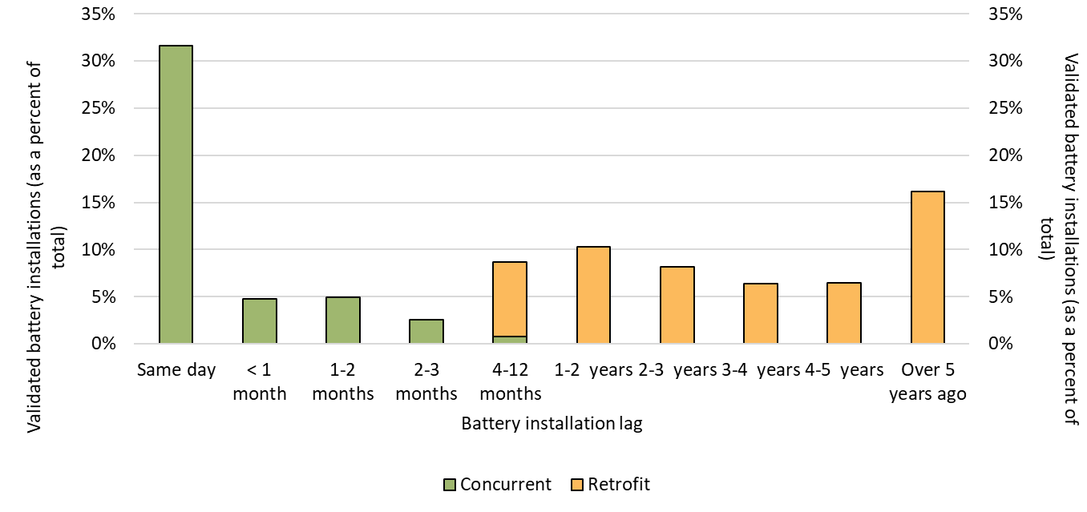

About Figure 3.4
This figure shows the distribution of the delay between validated small-scale battery installations and their associated solar PV installation, following the commencement of the Cheaper Home Batteries Scheme on 1 July 2025. The categories of installations are shown as a percent of the total.

The small print
A 12 month creation period for registered persons to create small-scale technology certificates applies under the Renewable Energy (Electricity) Regulations (2001). Data is subject to change due to the 12 month creation rule. This data represents the portion of battery installations with an identified solar PV system attached. Around 10% of battery installations cannot automatically be linked to a solar PV installation due to data quality issues. The CER will continue to update this data.

Figure 3.5
Back to contents
Figure 3.5 Weekly small-scale technology certificate (STC) supply and the required supply to meet the small-scale technology percentage (STP)
Data as of 30/06/2025
Month | Week | STC supply
Jan | 1 | 241,954
Jan | 2 | 399,030
Jan | 3 | 447,060
Jan | 4 | 564,148
Feb | 5 | 571,421
Feb | 6 | 607,399
Feb | 7 | 512,476
Feb | 8 | 640,745
Mar | 9 | 632,134
Mar | 10 | 512,531
Mar | 11 | 431,133
Mar | 12 | 504,450
Mar | 13 | 563,114
Apr | 14 | 534,190
Apr | 15 | 499,748
Apr | 16 | 388,163
Apr | 17 | 380,502
May | 18 | 501,030
May | 19 | 475,330
May | 20 | 500,831
May | 21 | 490,599
May | 22 | 464,248
Jun | 23 | 423,345
Jun | 24 | 378,091
Jun | 25 | 410,229
Jun | 26 | 408,260
Jun | 27 | 85,713
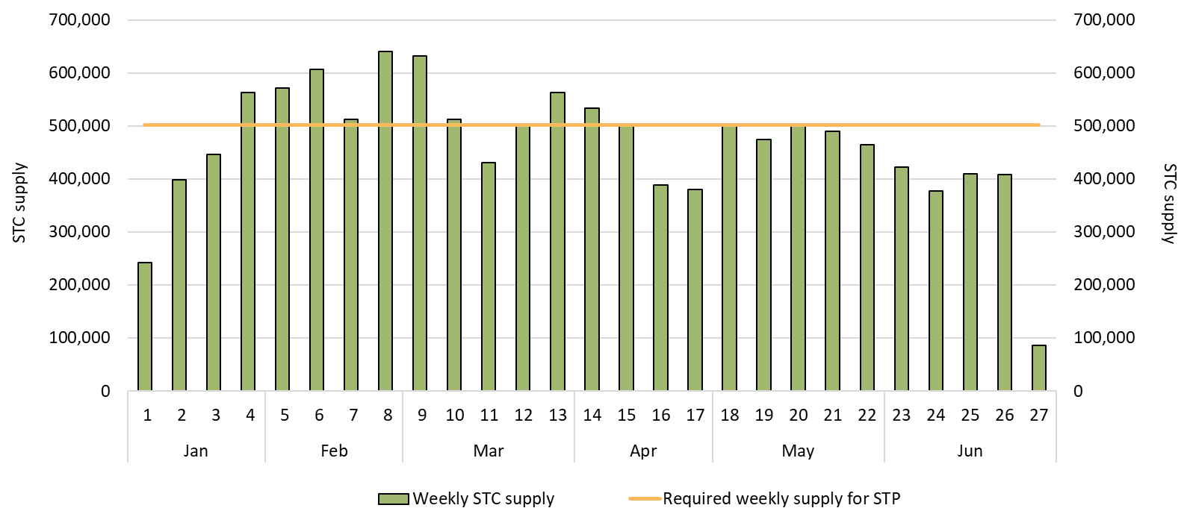

About Figure 3.5
This figure shows the weekly supply of STCs in 2025. It also shows the required weekly supply of STCs (478,045) to meet the 2025 STP.

The small print
Required STC supply refers to the estimated number of STCs to be created (24.9 million) to meet the annual STP liability and under/over supply from previous years. Some weeks are spread across multiple months, the month label refers to the month as at the end of the week. The final week may be significantly lower than prior weeks if the quarter ends during the week. For example, Q2 2025 ended on Monday 30 June so the final ‘week’ of June contains only one day.

Figure 3.6
Back to contents
Figure 3.6 Small-scale technology certificate (STC) reported spot and clearing house prices
Data as of 22/08/2025
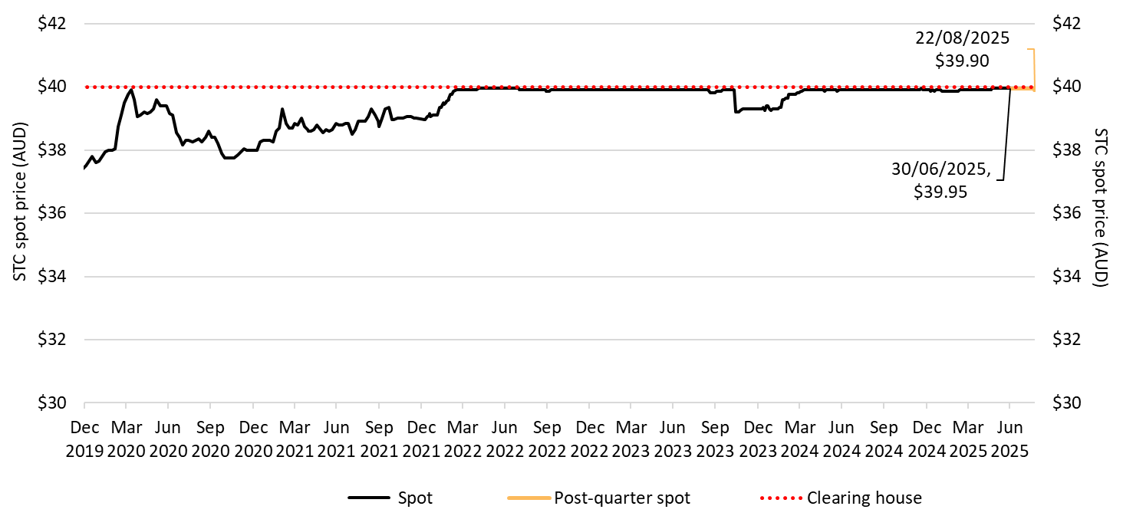

About Figure 3.6
This figure shows the daily closing STC spot price over time. It also shows the STC clearing house price.

The small print
Pricing data is complied from trades reported by CORE markets and may not be comprehensive. Prices are shown from 31 December 2019 to 22 August 2025.
More information on buying and selling STCs, including through the clearing house is available on the Clean Energy Regulator's website

Figure 3.7
Back to contents
Figure 3.7 Small-scale rooftop solar installations and installed capacity in megawatts (MW)
Data as of 30/06/2025
Year | Quarter | Installations | Installed capacity | Annual total capacity (MW) | Annual total installations
2019 | Q1 | 64,844 | 456 | 2,165 | 284,031
2019 | Q2 | 62,899 | 479 | - | -
2019 | Q3 | 69,049 | 529 | - | -
2019 | Q4 | 87,239 | 702 | - | -
2020 | Q1 | 83,020 | 619 | 2,965 | 370,320
2020 | Q2 | 84,744 | 678 | - | -
2020 | Q3 | 93,684 | 748 | - | -
2020 | Q4 | 108,872 | 920 | - | -
2021 | Q1 | 98,957 | 782 | 3,193 | 377,458
2021 | Q2 | 95,213 | 794 | - | -
2021 | Q3 | 89,203 | 752 | - | -
2021 | Q4 | 94,085 | 864 | - | -
2022 | Q1 | 68,569 | 565 | 2,794 | 315,717
2022 | Q2 | 71,547 | 625 | - | -
2022 | Q3 | 84,360 | 733 | - | -
2022 | Q4 | 91,241 | 870 | - | -
2023 | Q1 | 76,113 | 660 | 3,145 | 333,865
2023 | Q2 | 77,215 | 720 | - | -
2023 | Q3 | 87,388 | 823 | - | -
2023 | Q4 | 93,149 | 942 | - | -
2024 | Q1 | 75,601 | 703 | 3,185 | 320,970
2024 | Q2 | 82,005 | 789 | - | -
2024 | Q3 | 80,064 | 801 | - | -
2024 | Q4 | 83,301 | 892 | - | -
2025 | Q1 | 68,848 | 679 | 1,317 | 131,883
2025 | Q2 | 63,035 | 638 | - | -
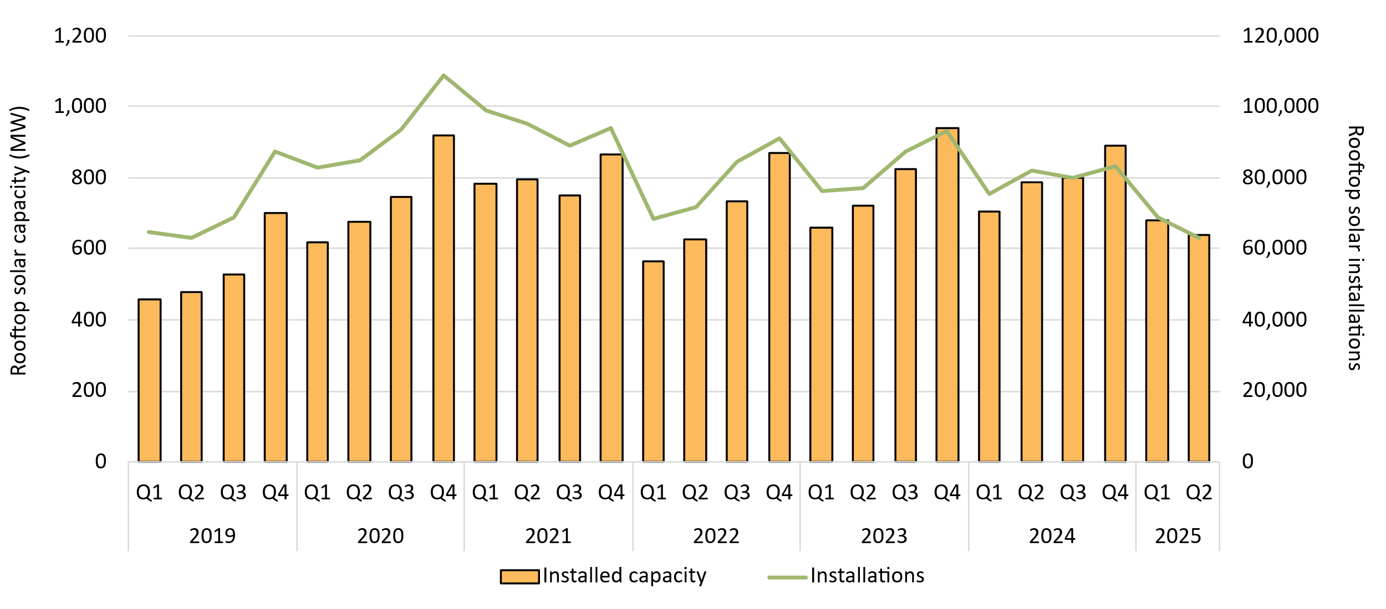

About Figure 3.7
This figure shows the installed capacity and the number of small-scale rooftop solar installations over time.

The small print
Small-scale rooftop solar systems must have a capacity of less than 100 kilowatts (kW). A 12 month creation period for registered persons to create small-scale technology certificates applies under the Renewable Energy (Electricity) Regulations (2001). Data for installations and installed capacity in 2024 and 2025 have been lag-adjusted to account for the 12 month creation rule and are estimates only. Data is subject to change and totals may not sum due to rounding.

Figure 3.8
Back to contents
Figure 3.8 Replacement small-scale rooftop solar as a proportion of total installations by state and territory
Data as of 30/06/2025
Year | Quarter | ACT | NSW | NT | Queensland | SA | Tasmania | Victoria | WA | Australia
2021 | Q1 | 3% | 8% | 6% | 17% | 7% | 5% | 5% | 12% | 10%
2021 | Q2 | 4% | 10% | 8% | 24% | 9% | 5% | 6% | 18% | 13%
2021 | Q3 | 3% | 11% | 7% | 24% | 12% | 6% | 6% | 20% | 14%
2021 | Q4 | 10% | 10% | 5% | 20% | 12% | 7% | 6% | 18% | 13%
2022 | Q1 | 3% | 10% | 5% | 20% | 12% | 8% | 7% | 15% | 13%
2022 | Q2 | 8% | 11% | 6% | 22% | 12% | 7% | 6% | 18% | 14%
2022 | Q3 | 4% | 11% | 5% | 22% | 13% | 4% | 7% | 18% | 13%
2022 | Q4 | 4% | 11% | 5% | 19% | 13% | 5% | 7% | 16% | 13%
2023 | Q1 | 4% | 11% | 7% | 19% | 14% | 5% | 6% | 16% | 13%
2023 | Q2 | 4% | 12% | 8% | 23% | 14% | 7% | 8% | 17% | 14%
2023 | Q3 | 4% | 13% | 7% | 23% | 16% | 8% | 8% | 18% | 15%
2023 | Q4 | 5% | 13% | 8% | 21% | 15% | 6% | 7% | 17% | 14%
2024 | Q1 | 7% | 13% | 13% | 23% | 16% | 8% | 9% | 19% | 15%
2024 | Q2 | 6% | 15% | 9% | 29% | 17% | 9% | 11% | 21% | 19%
2024 | Q3 | 6% | 16% | 12% | 29% | 19% | 6% | 12% | 21% | 19%
2024 | Q4 | 7% | 15% | 8% | 25% | 21% | 7% | 17% | 20% | 19%
2025 | Q1 | 8% | 16% | 10% | 27% | 20% | 8% | 15% | 19% | 19%
2025 | Q2 | 7% | 17% | 13% | 32% | 22% | 9% | 13% | 24% | 22%

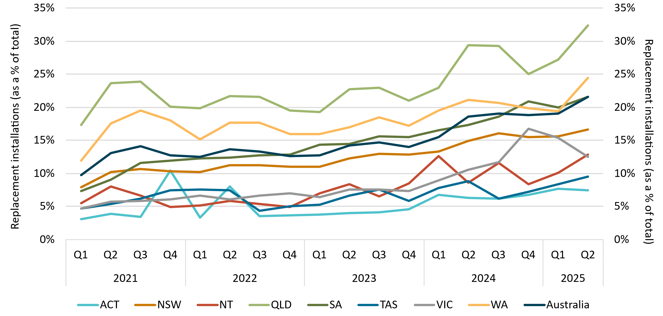

About Figure 3.8
This figure shows small-scale rooftop solar replacements as a proportion of total installations by state and territory over time.

The small print
Replacements represent small-scale rooftop solar systems categorised in the Renewable Energy Certificate (REC) Registry as replacements. The installation type data field was added to the REC Registry in late 2020, and was made mandatory from 28 January 2021. Data has not been lag-adjusted. Data is subject to change due to the 12 month creation rule.

Figure 3.9
Back to contents
Figure 3.9 Air source heat pump installations by state and territory and associated small-scale technology certificate (STC) validations
Data as of 30/06/2025
Year | Quarter | Victoria | NSW | Queensland | WA | SA | ACT | Tasmania | NT | Annual total | STC validations
2019 | Q1 | 1,388 | 622 | 1,443 | 533 | 447 | 119 | 258 | <10 | 21,110 | 146,000
2019 | Q2 | 1,921 | 723 | 1,343 | 667 | 349 | 100 | 414 | <10 | - | 161,000
2019 | Q3 | 1,275 | 812 | 1,357 | 530 | 652 | 311 | 408 | <10 | - | 150,000
2019 | Q4 | 1,671 | 750 | 1,205 | 549 | 647 | 278 | 298 | <10 | - | 154,000
2020 | Q1 | 1,685 | 631 | 1,155 | 530 | 655 | 304 | 252 | <10 | 32,592 | 154,000
2020 | Q2 | 2,827 | 816 | 1,425 | 806 | 1,217 | 366 | 269 | <10 | - | 232,000
2020 | Q3 | 4,106 | 879 | 1,632 | 798 | 1,694 | 368 | 345 | 12 | - | 276,000
2020 | Q4 | 5,115 | 972 | 1,484 | 960 | 698 | 325 | 219 | 27 | - | 312,000
2021 | Q1 | 5,541 | 793 | 1,344 | 655 | 1,013 | 209 | 197 | <10 | 59,826 | 277,000
2021 | Q2 | 8,078 | 971 | 1,946 | 1,045 | 1,290 | 300 | 316 | <10 | - | 424,000
2021 | Q3 | 10,641 | 1,021 | 2,238 | 1,101 | 1,517 | 249 | 424 | 81 | - | 492,000
2021 | Q4 | 12,560 | 1,006 | 2,277 | 1,133 | 953 | 432 | 432 | 43 | - | 599,000
2022 | Q1 | 11,808 | 744 | 1,832 | 919 | 617 | 394 | 420 | 50 | 87,225 | 489,000
2022 | Q2 | 11,780 | 1,592 | 2,184 | 1,226 | 1,150 | 423 | 570 | 70 | - | 529,000
2022 | Q3 | 12,397 | 5,182 | 2,284 | 1,436 | 1,169 | 589 | 545 | 28 | - | 609,000
2022 | Q4 | 12,428 | 9,765 | 2,126 | 1,563 | 862 | 543 | 519 | <10 | - | 680,000
2023 | Q1 | 9,876 | 11,811 | 1,890 | 1,342 | 996 | 437 | 363 | <10 | 131,907 | 614,000
2023 | Q2 | 8,444 | 19,866 | 2,345 | 1,587 | 1,126 | 562 | 404 | 12 | - | 771,000
2023 | Q3 | 9,020 | 20,782 | 2,843 | 1,864 | 1,353 | 581 | 341 | <10 | - | 920,000
2023 | Q4 | 10,609 | 16,630 | 3,138 | 1,599 | 1,223 | 532 | 301 | <10 | - | 820,000
2024 | Q1 | 10,842 | 11,449 | 2,191 | 1,605 | 937 | 421 | 295 | 14 | 110,852 | 747,000
2024 | Q2 | 12,510 | 14,388 | 2,527 | 2,022 | 1,310 | 516 | 421 | 12 | - | 745,000
2024 | Q3 | 13,126 | 6,536 | 2,884 | 2,139 | 1,244 | 706 | 399 | 11 | - | 702,000
2024 | Q4 | 13,274 | 2,978 | 2,211 | 1,819 | 1,018 | 657 | 379 | <10 | - | 520,000
2025 | Q1 | 11,339 | 2,202 | 1,976 | 1,542 | 797 | 449 | 310 | <10 | 40,981 | 376,000
2025 | Q2 | 13,014 | 2,312 | 2,932 | 1,984 | 976 | 720 | 410 | <10 | - | 424,000

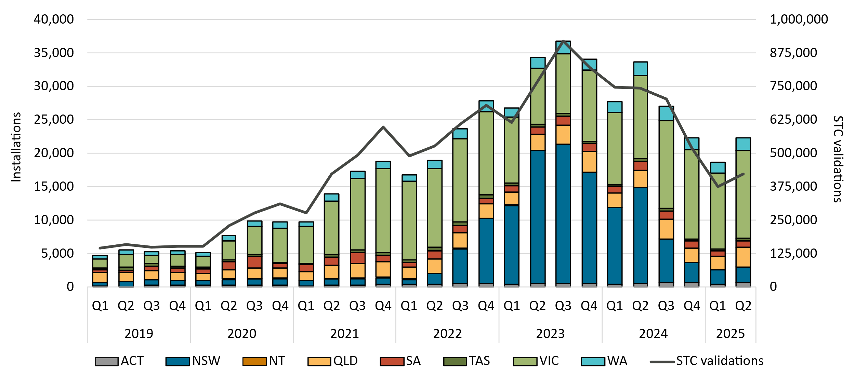

About Figure 3.9
This figure shows the number of air source heat pump (ASHP) installations under the Small-scale Renewable Energy Scheme (SRES) by state and territory over time. It also shows the number of STCs validated from these installations over time. Totals may not sum due to rounding applied to NT.

The small print
Where cell values are less than 10 data have been modified due to privacy considerations. In the figure these values appear as 10. A 12 month creation period for registered persons to create small-scale technology certificates (STCs) applies under the Renewable Energy (Electricity) Regulations (2001). Data for installations in 2024 to 2025 have been lag-adjusted to account for the 12 month creation rule and are estimates only. STC validation data has been rounded to the nearest thousand. Data is subject to change.

Figure 3.10
Back to contents
Figure 3.10 Small-scale rooftop solar capacity installed by system size band and average small-scale system size in kilowatts (kW)
Data as of 30/06/2025
Year | Quarter | 0-5 kW | 5-10 kW | 10-15 kW | 15-40 kW | 40-100 kW | Average system size
2019 | Q1 | 10% | 65% | 9% | 8% | 7% | 7.0
2019 | Q2 | 9% | 59% | 11% | 11% | 10% | 7.6
2019 | Q3 | 8% | 61% | 11% | 11% | 9% | 7.7
2019 | Q4 | 6% | 60% | 12% | 11% | 11% | 8.0
2020 | Q1 | 7% | 67% | 12% | 8% | 7% | 7.5
2020 | Q2 | 6% | 61% | 13% | 10% | 10% | 8.0
2020 | Q3 | 5% | 63% | 15% | 10% | 7% | 8.0
2020 | Q4 | 4% | 60% | 17% | 11% | 9% | 8.4
2021 | Q1 | 4% | 65% | 18% | 8% | 4% | 7.9
2021 | Q2 | 5% | 58% | 19% | 11% | 7% | 8.3
2021 | Q3 | 4% | 57% | 22% | 11% | 6% | 8.4
2021 | Q4 | 3% | 50% | 24% | 12% | 10% | 9.2
2022 | Q1 | 4% | 58% | 25% | 9% | 4% | 8.2
2022 | Q2 | 4% | 52% | 26% | 11% | 7% | 8.7
2022 | Q3 | 4% | 53% | 27% | 10% | 6% | 8.7
2022 | Q4 | 3% | 47% | 27% | 13% | 10% | 9.5
2023 | Q1 | 4% | 53% | 29% | 10% | 4% | 8.7
2023 | Q2 | 4% | 46% | 30% | 13% | 8% | 9.3
2023 | Q3 | 3% | 45% | 33% | 12% | 7% | 9.4
2023 | Q4 | 3% | 39% | 35% | 14% | 9% | 10.1
2024 | Q1 | 3% | 43% | 39% | 11% | 4% | 9.3
2024 | Q2 | 3% | 39% | 38% | 14% | 6% | 9.6
2024 | Q3 | 3% | 37% | 39% | 15% | 7% | 10.0
2024 | Q4 | 2% | 33% | 39% | 17% | 9% | 10.7
2025 | Q1 | 3% | 37% | 41% | 14% | 5% | 9.9
2025 | Q2 | 3% | 36% | 41% | 16% | 4% | 10.1
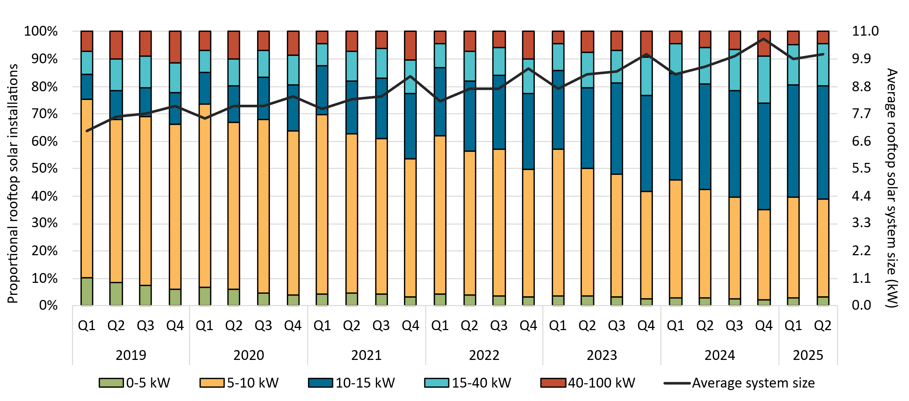

About Figure 3.10
This figure shows the proportion of rooftop solar systems installed under the Small-scale Renewable Energy Scheme (SRES) by capacity band and the average size of rooftop solar systems installed under the SRES over time.

The small print
A 12 month creation period for registered persons to create small-scale technology certificates applies under the Renewable Energy (Electricity) Regulations (2001). Capacity band data has not been lag-adjusted. Average system size data has been lag-adjusted. Data is subject to change. Totals may not sum to 100% due to rounding.

Figure 3.11
Back to contents
Figure 3.11 Small-scale rooftop solar installed capacity in megawatts (MW) by state and territory
Data as of 30/06/2025
Year | Quarter | NSW | Queensland | Victoria | WA | SA | ACT | Tasmania | NT | Annual total
2019 | Q1 | 112.1 | 110.3 | 121.3 | 53.2 | 43.7 | 5.7 | 3.8 | 5.5 | 2,165.1
2019 | Q2 | 130.8 | 130.7 | 96.0 | 53.3 | 51.0 | 5.9 | 4.5 | 7.2 | -
2019 | Q3 | 148.7 | 145.5 | 94.3 | 60.8 | 59.5 | 7.2 | 5.3 | 7.4 | -
2019 | Q4 | 198.7 | 178.5 | 149.1 | 79.3 | 69.0 | 11.5 | 7.0 | 8.6 | -
2020 | Q1 | 169.6 | 158.5 | 132.2 | 72.7 | 63.9 | 8.2 | 6.9 | 7.1 | 2,964.7
2020 | Q2 | 200.0 | 177.1 | 134.1 | 73.9 | 68.7 | 9.8 | 6.1 | 7.9 | -
2020 | Q3 | 240.6 | 194.2 | 114.5 | 86.0 | 88.0 | 13.1 | 5.7 | 6.3 | -
2020 | Q4 | 285.7 | 223.7 | 193.4 | 103.4 | 83.2 | 15.7 | 8.1 | 6.5 | -
2021 | Q1 | 246.6 | 193.8 | 162.7 | 86.7 | 68.6 | 12.4 | 6.8 | 4.2 | 3,192.5
2021 | Q2 | 248.4 | 201.0 | 166.3 | 87.3 | 66.2 | 12.8 | 8.3 | 3.9 | -
2021 | Q3 | 199.0 | 208.3 | 164.5 | 83.1 | 72.1 | 12.4 | 8.6 | 4.4 | -
2021 | Q4 | 258.0 | 208.2 | 182.0 | 96.3 | 83.1 | 20.5 | 9.8 | 6.2 | -
2022 | Q1 | 159.6 | 145.5 | 109.0 | 70.5 | 53.0 | 17.5 | 6.7 | 3.7 | 2,793.5
2022 | Q2 | 191.2 | 166.4 | 114.8 | 64.7 | 56.4 | 18.9 | 7.5 | 4.7 | -
2022 | Q3 | 226.9 | 186.9 | 148.6 | 67.2 | 66.9 | 21.9 | 9.3 | 5.1 | -
2022 | Q4 | 274.1 | 216.7 | 170.0 | 84.4 | 81.5 | 27.4 | 11.0 | 5.5 | -
2023 | Q1 | 200.4 | 170.4 | 132.2 | 65.2 | 57.0 | 21.2 | 10.5 | 2.9 | 3,144.9
2023 | Q2 | 236.2 | 185.8 | 140.9 | 62.7 | 58.2 | 21.4 | 11.0 | 3.9 | -
2023 | Q3 | 279.9 | 206.1 | 162.4 | 64.5 | 69.4 | 23.9 | 12.8 | 4.3 | -
2023 | Q4 | 323.4 | 230.6 | 188.8 | 81.2 | 78.6 | 19.4 | 14.9 | 4.9 | -
2024 | Q1 | 248.3 | 176.5 | 136.7 | 63.2 | 53.2 | 11.2 | 11.5 | 2.7 | 3,181.8
2024 | Q2 | 257.1 | 220.3 | 151.4 | 70.1 | 63.0 | 11.7 | 11.5 | 3.9 | -
2024 | Q3 | 249.2 | 218.9 | 164.7 | 69.7 | 69.0 | 13.2 | 11.9 | 3.9 | -
2024 | Q4 | 272.7 | 232.1 | 186.8 | 84.4 | 77.7 | 15.9 | 14.6 | 4.8 | -
2025 | Q1 | 191.8 | 179.0 | 142.0 | 69.6 | 63.4 | 10.3 | 11.9 | 3.5 | 1,287.7
2025 | Q2 | 167.7 | 182.3 | 127.4 | 60.8 | 52.8 | 10.0 | 11.5 | 3.8 | -

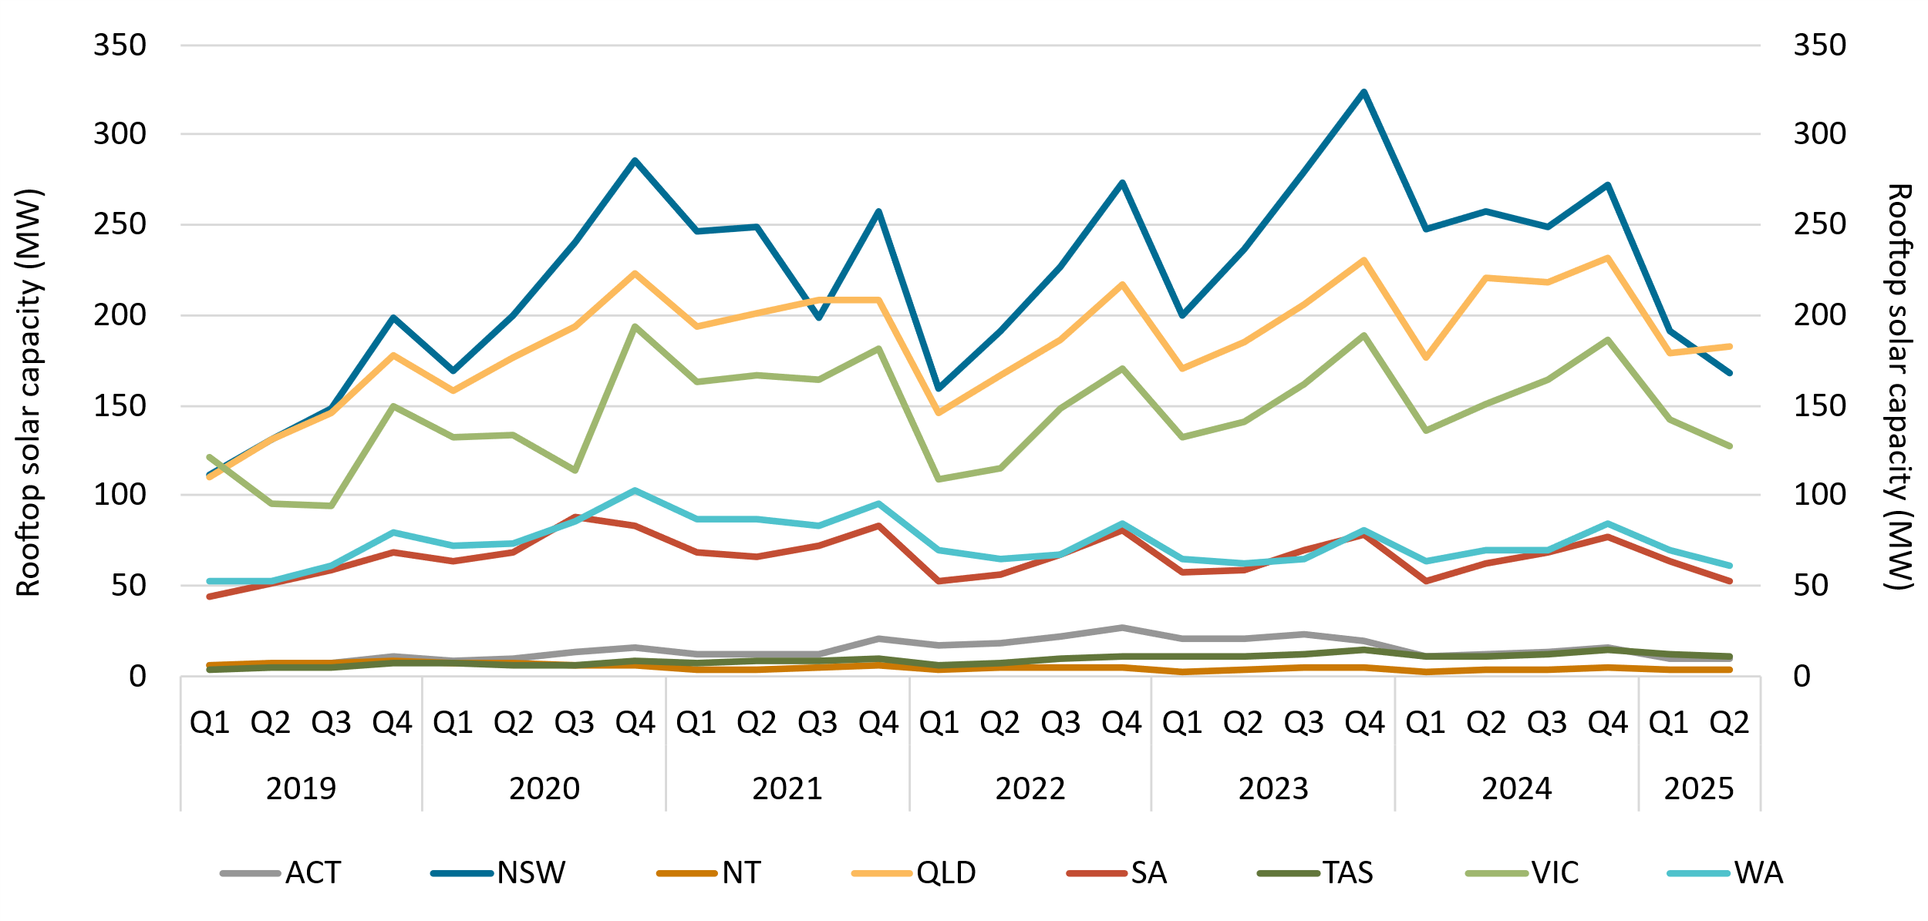

About Figure 3.11
This figure shows the rooftop solar capacity installed under the Small-scale Renewable Energy Scheme (SRES) by state and territory over time.

The small print
A 12 month creation period for registered persons to create small-scale technology certificates applies under the Renewable Energy (Electricity) Regulations (2001). Data for installations in 2024 to 2025 have been lag-adjusted to account for the 12 month creation rule and are estimates only. There may be small differences between the sum of lag-adjusted state and territory estimates and the national lag-adjusted estimate. Data is also subject to change and totals may not sum due to rounding.

Figure 3.12
Back to contents
Figure 3.12 Small-scale technology certificate (STC) supply
Data as of 30/06/2025
Year | Quarter | STC Supply | Annual total
2019 | Q1 | 8,651,927 | 35,798,974
2019 | Q2 | 8,401,570 | -
2019 | Q3 | 8,837,916 | -
2019 | Q4 | 9,907,561 | -
2020 | Q1 | 10,351,465 | 45,987,952
2020 | Q2 | 11,170,680 | -
2020 | Q3 | 12,056,954 | -
2020 | Q4 | 12,408,853 | -
2021 | Q1 | 12,864,839 | 47,031,470
2021 | Q2 | 11,713,534 | -
2021 | Q3 | 11,310,762 | -
2021 | Q4 | 11,142,335 | -
2022 | Q1 | 9,234,046 | 38,034,779
2022 | Q2 | 8,169,461 | -
2022 | Q3 | 9,712,277 | -
2022 | Q4 | 10,918,995 | -
2023 | Q1 | 9,192,933 | 37,263,481
2023 | Q2 | 8,554,509 | -
2023 | Q3 | 9,627,243 | -
2023 | Q4 | 9,888,796 | -
2024 | Q1 | 8,438,766 | 34,096,040
2024 | Q2 | 8,417,978 | -
2024 | Q3 | 8,642,989 | -
2024 | Q4 | 8,596,307 | -
2025 | Q1 | 6,696,506 | 12,567,874
2025 | Q2 | 5,871,368 | -

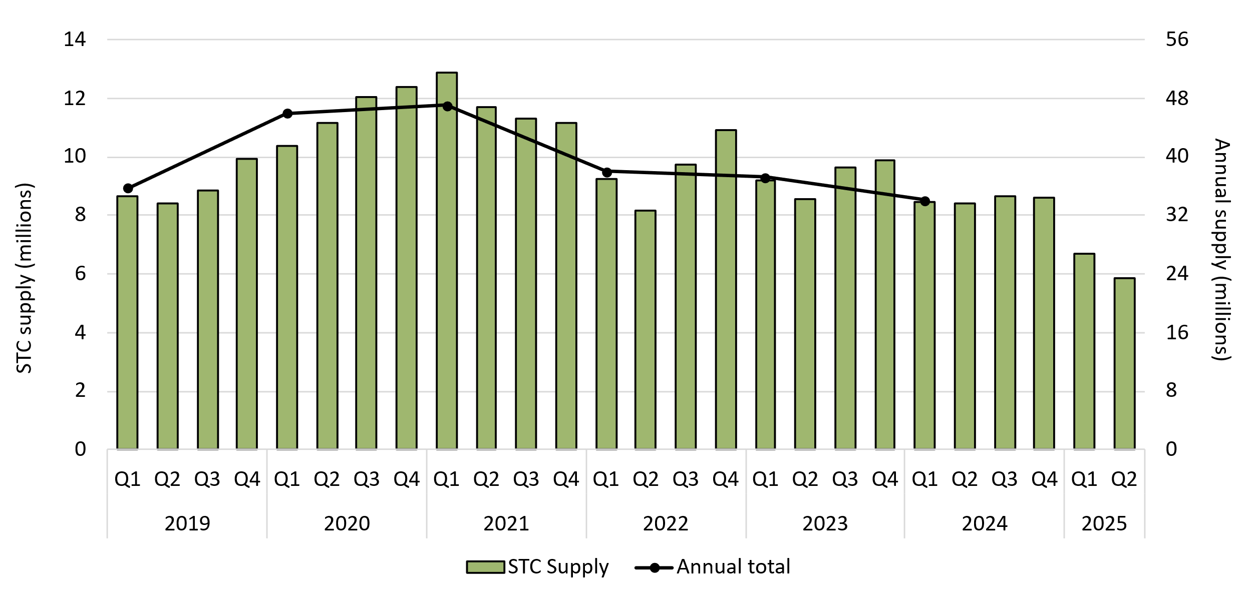

About Figure 3.12
This figure shows STC supply over time.

Figure 3.13
Back to contents
Figure 3.13 Small-scale technology certificate (STC) market transactions
Data as of 30/06/2025
Year | Quarter | STCs transacted | Transactions | Annual total STCs transacted
2019 | Q1 | 20,829,766 | 2,932 | 99,027,402
2019 | Q2 | 26,527,099 | 3,174 | -
2019 | Q3 | 26,831,019 | 3,388 | -
2019 | Q4 | 24,839,518 | 3,205 | -
2020 | Q1 | 23,753,361 | 3,047 | 113,443,832
2020 | Q2 | 26,652,227 | 2,836 | -
2020 | Q3 | 31,377,137 | 3,363 | -
2020 | Q4 | 31,661,107 | 3,500 | -
2021 | Q1 | 33,571,793 | 3,783 | 127,998,975
2021 | Q2 | 36,601,316 | 3,528 | -
2021 | Q3 | 29,200,058 | 3,274 | -
2021 | Q4 | 28,625,808 | 3,289 | -
2022 | Q1 | 24,022,727 | 3,407 | 78,336,098
2022 | Q2 | 20,009,412 | 2,682 | -
2022 | Q3 | 16,744,778 | 2,579 | -
2022 | Q4 | 17,559,181 | 2,519 | -
2023 | Q1 | 13,329,848 | 2,286 | 59,754,081
2023 | Q2 | 14,015,490 | 2,129 | -
2023 | Q3 | 15,091,006 | 2,578 | -
2023 | Q4 | 17,317,737 | 2,797 | -
2024 | Q1 | 18,914,230 | 2,860 | 57,282,419
2024 | Q2 | 15,116,847 | 2,390 | -
2024 | Q3 | 12,605,172 | 2,099 | -
2024 | Q4 | 10,646,170 | 1,817 | -
2025 | Q1 | 9,108,076 | 1,738 | 16,361,711
2025 | Q2 | 7,253,635 | 1,335 | -

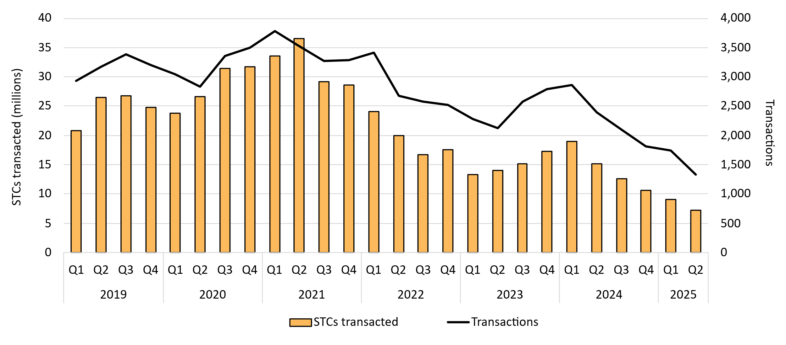

About Figure 3.13
This figure shows the volume of STCs transacted and the number of transactions, excluding STC clearing house transactions, over time.

